qMAF
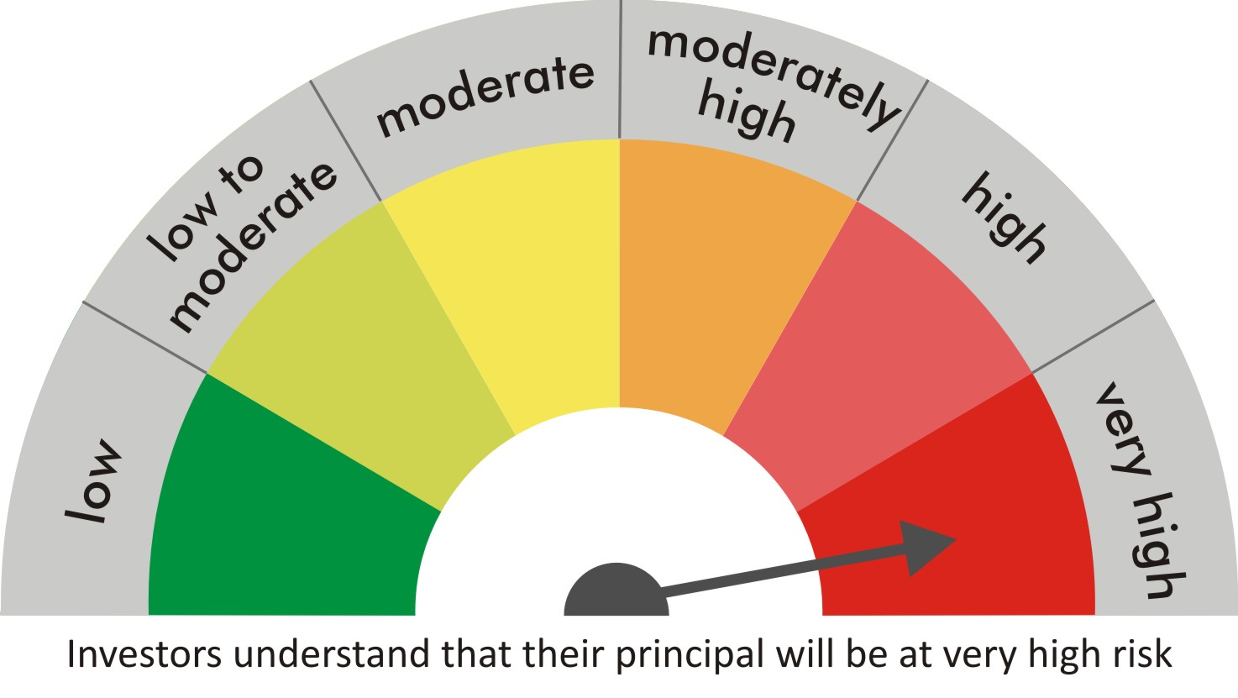
 |  | quant Mutual Fund
 |  | quant Multi Asset Fund

 |  | MONTHLY PORTFOLIO STATEMENT AS ON 30 Aug 2022

 |  |  | Risk-o-meter of the Scheme |  | Risk-o-meter of the Benchmark

SR | ISIN | NAME OF THE INSTRUMENT | RATING | INDUSTRY | QUANTITY | MARKET VALUE(Rs.in Lakhs) | % to NAV
 |  | EQUITY & EQUITY RELATED
 |  | (a) Listed / awaiting listing on Stock Exchanges
1 | INE062A01020 | State Bank of India | N.A. | Banks | 575000 | 3054.69 | 8.44
2 | INE619A01035 | Patanjali Foods Limited | N.A. | Agricultural Food & other Products | 209532 | 2558.6 | 7.07
3 | INE079A01024 | Ambuja Cements Ltd | N.A. | Cement & Cement Products | 553500 | 2276.27 | 6.29
4 | INE154A01025 | ITC Limited | N.A. | Diversified FMCG | 576425 | 1847.44 | 5.11
5 | INE742F01042 | Adani Ports & Special Economic Zone Ltd | N.A. | Transport Infrastructure | 205700 | 1732.3 | 4.79
6 | INE397D01024 | Bharti Airtel Limited | N.A. | Telecom - Services | 204000 | 1482.26 | 4.10
7 | INE821I01014 | IRB Infrastructure Developers Limited | N.A. | Construction | 548052 | 1296.97 | 3.58
8 | INE548A01028 | HFCL Limited | N.A. | Telecom - Services | 1608636 | 1195.22 | 3.30
9 | INE599M01018 | Just Dial Limited | N.A. | Retailing | 159489 | 945.45 | 2.61
10 | INE018A01030 | Larsen & Toubro Limited | N.A. | Construction | 48250 | 927.61 | 2.56
11 | INE423A01024 | Adani Enterprises Limited | N.A. | Metals & Minerals Trading | 28860 | 921.89 | 2.55
12 | INE949H01023 | Man Infraconstruction Limited | N.A. | Construction | 975000 | 889.69 | 2.46
13 | INE053A01029 | Indian Hotels Co Ltd | N.A. | Leisure Services | 272275 | 777.21 | 2.15
14 | INE886H01027 | TV18 Broadcast Ltd | N.A. | Entertainment | 1510000 | 617.59 | 1.71
15 | INE765G01017 | ICICI Lombard General Insurance Company Ltd. | N.A. | Insurance | 46800 | 602.92 | 1.67
16 | INE733E01010 | NTPC Limited | N.A. | Power | 340500 | 558.42 | 1.54
17 | INE171Z01018 | Bharat Dynamics Limited | N.A. | Aerospace & Defense | 60000 | 490.68 | 1.36
18 | INE237A01028 | Kotak Mahindra Bank Limited | N.A. | Banks | 25300 | 484.61 | 1.34
19 | INE111A01025 | Container Corporation of India Ltd | N.A. | Transport Services | 68100 | 474.35 | 1.31
20 | INE140A01024 | Piramal Enterprises Limited | N.A. | Finance | 38950 | 414.25 | 1.14
21 | INE205A01025 | Vedanta Limited | N.A. | Diversified Metals | 148000 | 399.97 | 1.11
22 | INE047A01021 | Grasim Industries Ltd | N.A. | Cement & Cement Products | 21700 | 364.27 | 1.01
23 | INPIRAPHARMA | Piramal Pharma Limited | N.A. | N.A. | 155800 | 336.12 | 0.93
24 | INE055A01016 | Century Textiles & Industries Limited | N.A. | Paper, Forest & Jute Products | 32000 | 276.14 | 0.76
25 | INE0GSL01016 | HP Adhesives Limited | N.A. | Chemicals & Petrochemicals | 52500 | 240.21 | 0.66
26 | INE485A01015 | Century Enka Limited | N.A. | Textiles & Apparels | 51953 | 240 | 0.66
27 | INE027A01015 | Rashtriya Chemicals & Fertilizers Ltd. | N.A. | Fertilizers & Agrochemicals | 141000 | 139.87 | 0.39
28 | INE585B01010 | Maruti Suzuki India Limited | N.A. | Automobiles | 1050 | 95.36 | 0.26
29 | INE945H01013 | V2 Retail Limited | N.A. | Retailing | 60601 | 68.63 | 0.19
30 | INE881D01027 | Oracle Financial Services Software Ltd | N.A. | IT - Software | 600 | 19.02 | 0.05
 |  | Sub Total |  |  |  | 25728.01 | 71.10

 |  | (b) Unlisted
 |  | Sub Total
 |  | Total |  |  |  | 25728.01 | 71.10

 |  | DERIVATIVES
 |  | (a) Index / Stock Futures
 |  | Sub Total

 |  | (b) Index / Stock Options
 |  | Sub Total
 |  | Total

 |  | DEBT INSTRUMENTS
 |  | (a) Listed / awaited listed on Stock Exchanges
31 | IN0020210186 | 5.74% GOI - 15-Nov-2026 | Sovereign | N.A. | 1890000 | 1809.32 | 5.00
32 | IN0020210020 | 6.64% GOI - 16-Jun-2035 | Sovereign | N.A. | 1166400 | 1104.01 | 3.05
33 | IN0020130012 | 7.16% GOI 20May23 | Sovereign | N.A. | 105000 | 105.64 | 0.29
 |  | Sub Total |  |  |  | 3018.97 | 8.34

 |  | (b) Unlisted / Privately Placed
 |  | Sub Total

 |  | (c) Securitised Debt Instruments
 |  | Sub Total
 |  | Total |  |  |  | 3018.97 | 8.34

 |  | MONEY MARKET INSTRUMENTS
 |  | a) Commercial Paper
 |  | Sub Total

 |  | b) CD-Certificate of Deposits
 |  | Sub Total

 |  | c) Treasury Bills
 |  | Sub Total
 |  | Total

 |  | OTHERS
 |  | (a) Mutual Fund Unit
34 | INF204KB17I5 | Nippon India ETF Gold Bees | N.A. | N.A. | 12318700 | 5407.91 | 14.94
35 | INF174KA1HJ8 | Kotak Mutual Fund - Gold ETF | N.A. | N.A. | 1556220 | 683.96 | 1.89
36 | INF846K01W80 | Axis Mutual Fund - Axis Gold ETF | N.A. | N.A. | 651500 | 286.01 | 0.79
37 | INF200KA16D8 | SBI-ETF Gold | N.A. | N.A. | 180000 | 80.98 | 0.22
38 | INF179KC1981 | HDFC MF - Gold ETF - Growth | N.A. | N.A. | 172100 | 77.7 | 0.21
39 | INF209KB18D3 | Aditya Birla Sun Life Gold ETF - Growth | N.A. | N.A. | 146500 | 67.39 | 0.19
40 | INF789F1AUX7 | UTI Mutual Fund - UTI Gold ETF | N.A. | N.A. | 145500 | 63.66 | 0.18
 |  | Sub Total |  |  |  | 6667.61 | 18.43

 |  | (b) Tri Party Repo (TREPs)
41 | INCBLO010922 | TREPS 01-Sep-2022 DEPO 10 | N.A. | N.A. | 8343.7 | 834.25 | 2.31
 |  | Sub Total |  |  |  | 834.25 | 2.31

 |  | (c) Other Receivables (Payables)
42 |  | NCA-NET CURRENT ASSETS | N.A. | N.A. |  | -62.83 | -0.17
 |  | Sub Total |  |  |  | -62.83 | -0.17
 |  | Total |  |  |  | 7439.03 | 20.56
 |  | Grand Total |  |  |  | 36186.01 | 100

 | Underlying | Long / Short | Future Price when Purchased | Current price of the contract | Margin maintained in Rs.Lakhs

 | Total %age of existing assets hedged through futures
 | For the period ended … specify the following for hedging transactions through futures which have been squared off/expired
 | Total Number of contracts where futures were bought
 | Total Number of contracts where futures were sold
 | Gross Notional Value of contracts where futures were bought
 | Gross Notional Value of contracts where futures were sold
 | Net Profit/Loss value on all contracts combined

 | Other than Hedging Positions through Futures as on |  | 30/08/2022
 | Underlying | Long / Short | Future Price when Purchased | Current price of the contract | Margin maintained in Rs.Lakhs

 | Total Exposure due to futures (non hedging positions) as a %age of net assets
 | For the period ended .. Specify the following for non hedging transactions through futures which have been squared off/expired
 | Total number of contracts where futures were bought
 | Total number of contracts where futures were sold (carry forward)
 | Gross Notional value of contracts where future were bought
 | Gross Notional Value of contracts where futures were sold
 | Net Profit/Loss value on all contracts combined

 | Hedging Positions through Put Options as on |  | 30/08/2022
 | Underlying | Number of contracts | Option Price when purchased | Current option price

 | Total %age of existing assets hedged through put options
 | For the period ended .. Specify the following for hedging transactions through options which have been execised/expired
 | Total number of contracts entered into
 | Gross Notional value of contracts
 | Net Profit/Loss Value on all contracts (treat premium paid as loss)

 | Other than Hedging Positions through Options as on |  | 30/08/2022
 | Underlying | Call/Put | Number of contracts | Option Price when purchased | Current option price

 | Total Exposure through options as a %age of net assets
 | For the period ended … with regard to non-hedging transactions through options which have already been exercised/expired specify:
 | Total number of contracts entered into
 | Gross Notional value of contracts
 | Net Profit/Loss Value on all contracts (treat premium paid as loss)

 | Notes :-

1 | Total NPA provided for is NIL.
2 | NAV as on 30 Aug 2022
 | quant Multi Asset Fund - Growth - Direct Plan 85.3801
 | quant Multi Asset Fund - Growth 82.9466
 | quant Multi Asset Fund - IDCW - Direct Plan 78.7144
 | quant Multi Asset Fund - IDCW 76.1156
3 | NAV as on 29 Jul 2022
 | quant Multi Asset Fund - Growth - Direct Plan 81.3615
 | quant Multi Asset Fund - Growth 79.1659
 | quant Multi Asset Fund - IDCW - Direct Plan 75.0121
 | quant Multi Asset Fund - IDCW 72.6453
4 | Dividend declared during the period is NIL
5 | Bonus declared during the period is NIL
6 | Total outstanding exposure in derivatives instruments as on 30-Aug-2022 is NIL
7 | Total Investments in foreign securities/ADRs / GDRs as on 30-Aug-2022 is NIL
8 | The Portfolio Turnover Ratio is 0.13 times / The Average Maturity period is 2102.971442 Days
9 | The funds parked in short term deposit(s) as on 30-Aug-2022 were NIL

