qMQM
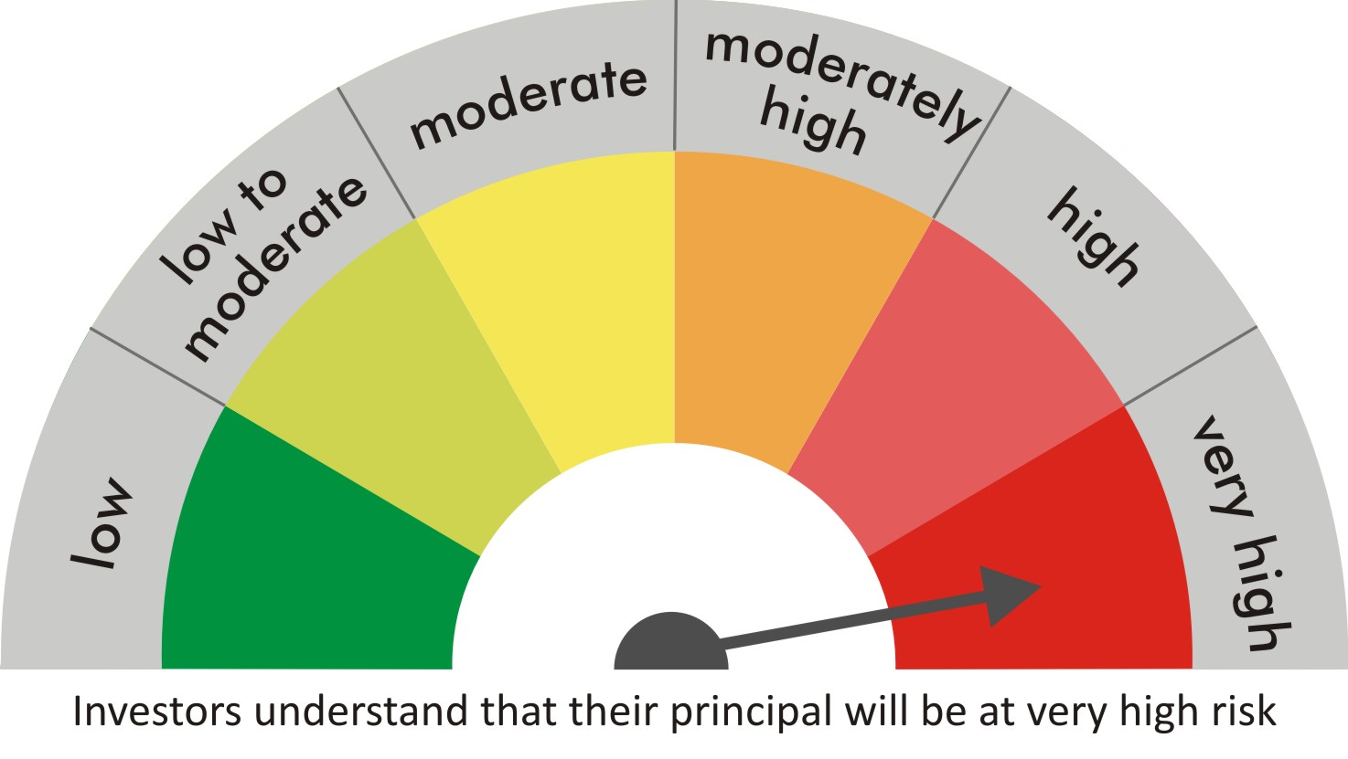
 |  | quant Mutual Fund
 |  | quant Quantamental Fund

 |  | MONTHLY PORTFOLIO STATEMENT AS ON 30 Aug 2022

 |  |  | Risk-o-meter of the Scheme |  | Risk-o-meter of the Benchmark

SR | ISIN | NAME OF THE INSTRUMENT | RATING | INDUSTRY | QUANTITY | MARKET VALUE(Rs.in Lakhs) | % to NAV
 |  | EQUITY & EQUITY RELATED
 |  | (a) Listed / awaiting listing on Stock Exchanges
1 | INE423A01024 | Adani Enterprises Limited | N.A. | Metals & Minerals Trading | 27740 | 886.11 | 9.63
2 | INE062A01020 | State Bank of India | N.A. | Banks | 145750 | 774.3 | 8.41
3 | INE742F01042 | Adani Ports & Special Economic Zone Ltd | N.A. | Transport Infrastructure | 91900 | 773.94 | 8.41
4 | INE154A01025 | ITC Limited | N.A. | Diversified FMCG | 222700 | 713.75 | 7.75
5 | INE079A01024 | Ambuja Cements Ltd | N.A. | Cement & Cement Products | 136200 | 560.12 | 6.08
6 | INE765G01017 | ICICI Lombard General Insurance Company Ltd. | N.A. | Insurance | 42650 | 549.46 | 5.97
7 | INE018A01030 | Larsen & Toubro Limited | N.A. | Construction | 26500 | 509.46 | 5.53
8 | INE619A01035 | Patanjali Foods Limited | N.A. | Agricultural Food & other Products | 41280 | 504.07 | 5.48
9 | INE397D01024 | Bharti Airtel Limited | N.A. | Telecom - Services | 57300 | 416.34 | 4.52
10 | INE733E01010 | NTPC Limited | N.A. | Power | 250800 | 411.31 | 4.47
11 | INE047A01021 | Grasim Industries Ltd | N.A. | Cement & Cement Products | 22200 | 372.66 | 4.05
12 | INE237A01028 | Kotak Mahindra Bank Limited | N.A. | Banks | 17400 | 333.29 | 3.62
13 | INE548A01028 | HFCL Limited | N.A. | Telecom - Services | 440000 | 326.92 | 3.55
14 | INE366I01010 | VRL Logistics Limited | N.A. | Transport Services | 48700 | 302.74 | 3.29
15 | INE140A01024 | Piramal Enterprises Limited | N.A. | Finance | 24050 | 255.78 | 2.78
16 | INE151A01013 | Tata Communications Limited | N.A. | Telecom - Services | 20000 | 240.45 | 2.61
17 | INPIRAPHARMA | Piramal Pharma Limited | N.A. | N.A. | 96200 | 207.54 | 2.25
18 | INE192A01025 | Tata Consumer Products Ltd | N.A. | Agricultural Food & other Products | 19600 | 158.69 | 1.72
19 | INE795G01014 | HDFC Life Insurance Co Ltd | N.A. | Insurance | 25000 | 143.8 | 1.56
20 | INE208A01029 | Ashok Leyland Limited | N.A. | Agricultural, Commercial & Construction Vehicles | 91000 | 140.14 | 1.52
21 | INE002A01018 | Reliance Industries Limited | N.A. | Petroleum Products | 4600 | 121.35 | 1.32
22 | INE298A01020 | Cummins India Ltd. | N.A. | Industrial Products | 10000 | 119.26 | 1.30
23 | INE881D01027 | Oracle Financial Services Software Ltd | N.A. | IT - Software | 3450 | 109.36 | 1.19
24 | INE053A01029 | Indian Hotels Co Ltd | N.A. | Leisure Services | 35000 | 99.91 | 1.09
25 | INE536A01023 | Grindwell Norton Limited | N.A. | Industrial Products | 3700 | 81.4 | 0.88
26 | INE585B01010 | Maruti Suzuki India Limited | N.A. | Automobiles | 750 | 68.12 | 0.74
27 | INE042A01014 | Escorts Kubota Limited | N.A. | Agricultural, Commercial & Construction Vehicles | 1000 | 19.95 | 0.22
 |  | Sub Total |  |  |  | 9200.23 | 99.93

 |  | (b) Unlisted
 |  | Sub Total
 |  | Total |  |  |  | 9200.23 | 99.93

 |  | DERIVATIVES
 |  | (a) Index / Stock Futures
 |  | Sub Total

 |  | (b) Index / Stock Options
 |  | Sub Total
 |  | Total

 |  | DEBT INSTRUMENTS
 |  | (a) Listed / awaited listed on Stock Exchanges
 |  | Sub Total

 |  | (b) Unlisted / Privately Placed
 |  | Sub Total

 |  | (c) Securitised Debt Instruments
 |  | Sub Total
 |  | Total

 |  | MONEY MARKET INSTRUMENTS
 |  | a) Commercial Paper
 |  | Sub Total

 |  | b) CD-Certificate of Deposits
 |  | Sub Total

 |  | c) Treasury Bills
 |  | Sub Total
 |  | Total

 |  | OTHERS
 |  | (a) Mutual Fund Unit
 |  | Sub Total

 |  | (b) Tri Party Repo (TREPs)
28 | INCBLO010922 | TREPS 01-Sep-2022 DEPO 10 | N.A. | N.A. | 824.3 | 82.42 | 0.90
 |  | Sub Total |  |  |  | 82.42 | 0.90

 |  | (c) Other Receivables (Payables)
29 |  | NCA-NET CURRENT ASSETS | N.A. | N.A. |  | -76.29 | -0.83
 |  | Sub Total |  |  |  | -76.29 | -0.83
 |  | Total |  |  |  | 6.13 | 0.07
 |  | Grand Total |  |  |  | 9206.36 | 100

 | Underlying | Long / Short | Future Price when Purchased | Current price of the contract | Margin maintained in Rs.Lakhs

 | Total %age of existing assets hedged through futures
 | For the period ended … specify the following for hedging transactions through futures which have been squared off/expired
 | Total Number of contracts where futures were bought
 | Total Number of contracts where futures were sold
 | Gross Notional Value of contracts where futures were bought
 | Gross Notional Value of contracts where futures were sold
 | Net Profit/Loss value on all contracts combined

 | Other than Hedging Positions through Futures as on |  | 30/08/2022
 | Underlying | Long / Short | Future Price when Purchased | Current price of the contract | Margin maintained in Rs.Lakhs

 | Total Exposure due to futures (non hedging positions) as a %age of net assets
 | For the period ended .. Specify the following for non hedging transactions through futures which have been squared off/expired
 | Total number of contracts where futures were bought
 | Total number of contracts where futures were sold (carry forward)
 | Gross Notional value of contracts where future were bought
 | Gross Notional Value of contracts where futures were sold
 | Net Profit/Loss value on all contracts combined

 | Hedging Positions through Put Options as on |  | 30/08/2022
 | Underlying | Number of contracts | Option Price when purchased | Current option price

 | Total %age of existing assets hedged through put options
 | For the period ended 30/08/22, Specify the following for hedging transactions through options which have been execised/expired
 | Total number of contracts entered into |  | 300
 | Gross Notional value of contracts |  | 2475905
 | Net Profit/Loss Value on all contracts (treat premium paid as loss) |  | 1424600

 | Other than Hedging Positions through Options as on |  | 30/08/2022
 | Underlying | Call/Put | Number of contracts | Option Price when purchased | Current option price

 | Total Exposure through options as a %age of net assets
 | For the period ended … with regard to non-hedging transactions through options which have already been exercised/expired specify:
 | Total number of contracts entered into
 | Gross Notional value of contracts
 | Net Profit/Loss Value on all contracts (treat premium paid as loss)

 | Notes :-

1 | Total NPA provided for is NIL.
2 | NAV as on 30 Aug 2022
 | quant quantamental Fund - Growth - Direct Plan 13.0146
 | quant quantamental Fund - IDCW - Direct Plan 13.0202
 | quant quantamental Fund - Regular Plan - Growth 12.7036
 | quant quantamental Fund - Regular Plan - IDCW 12.7119
3 | NAV as on 29 Jul 2022
 | quant quantamental Fund - Growth - Direct Plan 12.196
 | quant quantamental Fund - IDCW - Direct Plan 12.2013
 | quant quantamental Fund - Regular Plan - Growth 11.9234
 | quant quantamental Fund - Regular Plan - IDCW 11.9307
4 | Dividend declared during the period is NIL
5 | Bonus declared during the period is NIL
6 | Total outstanding exposure in derivatives instruments as on 30-Aug-2022 is NIL
7 | Total Investments in foreign securities/ADRs / GDRs as on 30-Aug-2022 is NIL
8 | The Portfolio Turnover Ratio is 0.33 times / The Average Maturity period is 0 Days
9 | The funds parked in short term deposit(s) as on 30-Aug-2022 were NIL

