qSCF
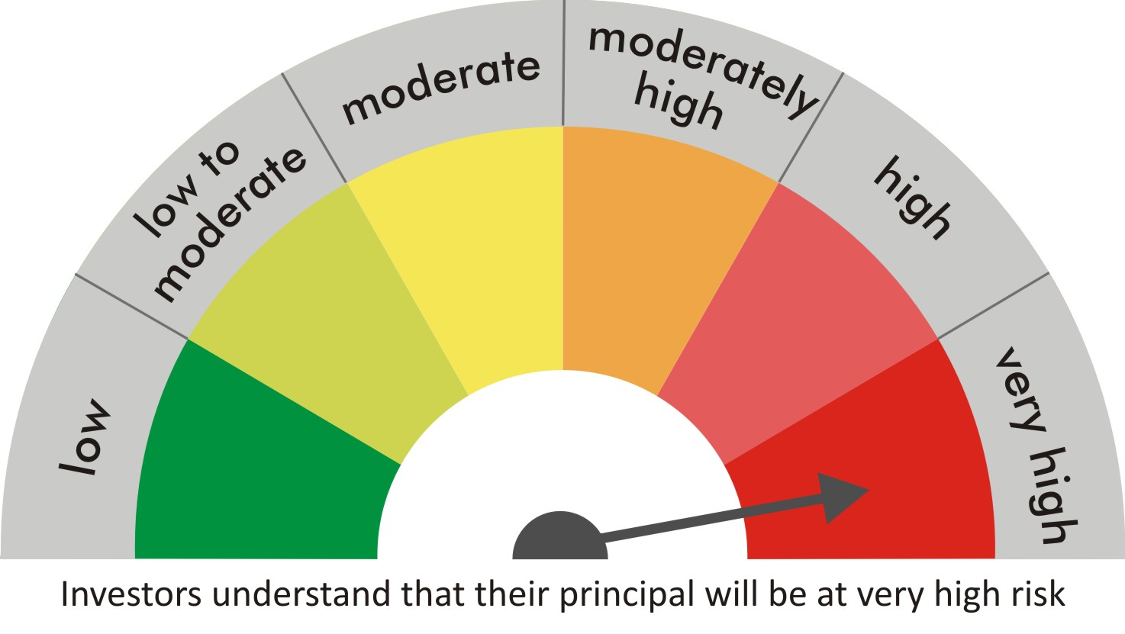
 |  | quant Mutual Fund
 |  | quant Small Cap Fund

 |  | MONTHLY PORTFOLIO STATEMENT AS ON 30 Aug 2022

 |  |  | Risk-o-meter of the Scheme |  | Risk-o-meter of the Benchmark

SR | ISIN | NAME OF THE INSTRUMENT | RATING | INDUSTRY | QUANTITY | MARKET VALUE(Rs.in Lakhs) | % to NAV
 |  | EQUITY & EQUITY RELATED
 |  | (a) Listed / awaiting listing on Stock Exchanges
1 | INE154A01025 | ITC Limited | N.A. | Diversified FMCG | 6140000 | 19678.7 | 9.47
2 | INE821I01014 | IRB Infrastructure Developers Limited | N.A. | Construction | 5548798 | 13131.23 | 6.32
3 | INE079A01024 | Ambuja Cements Ltd | N.A. | Cement & Cement Products | 2995000 | 12316.94 | 5.93
4 | INE531E01026 | Hindustan Copper Limited | N.A. | Non - Ferrous Metals | 6591127 | 7826.96 | 3.77
5 | INE383A01012 | The India Cements Limited | N.A. | Cement & Cement Products | 2969600 | 6784.05 | 3.26
6 | INE548A01028 | HFCL Limited | N.A. | Telecom - Services | 9124412 | 6779.44 | 3.26
7 | INE034A01011 | Arvind Limited | N.A. | Textiles & Apparels | 5604121 | 5508.85 | 2.65
8 | INE473A01011 | Linde India Ltd. | N.A. | Chemicals & Petrochemicals | 155150 | 5320.25 | 2.56
9 | INE619A01035 | Patanjali Foods Limited | N.A. | Agricultural Food & other Products | 430000 | 5250.73 | 2.53
10 | INE976G01028 | RBL Bank Limited | N.A. | Banks | 4150000 | 5075.45 | 2.44
11 | INE208C01025 | Aegis Logistics Limited | N.A. | Gas | 1697605 | 4992.66 | 2.40
12 | INE074A01025 | Praj Industries Limited | N.A. | Industrial Manufacturing | 1138859 | 4795.17 | 2.31
13 | INE126A01031 | EID Parry (India) Ltd | N.A. | Agricultural Food & other Products | 899977 | 4768.53 | 2.29
14 | INE475E01026 | Caplin Point Laboratories Ltd | N.A. | Pharmaceuticals & Biotechnology | 595941 | 4641.19 | 2.23
15 | INE886H01027 | TV18 Broadcast Ltd | N.A. | Entertainment | 11251118 | 4601.71 | 2.21
16 | INE599M01018 | Just Dial Limited | N.A. | Retailing | 775485 | 4597.08 | 2.21
17 | INE463V01026 | Anand Rathi Wealth Limited | N.A. | Capital Markets | 629197 | 4130.68 | 1.99
18 | INE239C01020 | Stylam Industries Limited | N.A. | Consumer Durables | 361626 | 4125.07 | 1.98
19 | INE541A01023 | GMM Pfaudler Limited | N.A. | Industrial Manufacturing | 244776 | 4065 | 1.96
20 | INE949H01023 | Man Infraconstruction Limited | N.A. | Construction | 4170000 | 3805.13 | 1.83
21 | INE101D01020 | Granules India Limited | N.A. | Pharmaceuticals & Biotechnology | 1132000 | 3465.05 | 1.67
22 | INE087H01022 | Shree Renuka Sugars Limited | N.A. | Agricultural Food & other Products | 7294285 | 3428.31 | 1.65
23 | INE062A01020 | State Bank of India | N.A. | Banks | 631000 | 3352.19 | 1.61
24 | INE790G01031 | Shilpa Medicare Limited | N.A. | Pharmaceuticals & Biotechnology | 846458 | 3338.43 | 1.61
25 | INE139A01034 | National Aluminium Company Limited | N.A. | Non - Ferrous Metals | 3965650 | 3192.35 | 1.54
26 | INE191B01025 | Welspun Corp Limited | N.A. | Industrial Products | 1315000 | 2976.5 | 1.43
27 | INE258A01016 | BEML Limited | N.A. | Agricultural, Commercial & Construction Vehicles | 159340 | 2943.41 | 1.42
28 | INE493A01027 | Tata Coffee Ltd. | N.A. | Agricultural Food & other Products | 1232000 | 2890.89 | 1.39
29 | INE018A01030 | Larsen & Toubro Limited | N.A. | Construction | 143000 | 2749.18 | 1.32
30 | INE039O01011 | Jash Engineering Limited | N.A. | Industrial Manufacturing | 361213 | 2715.06 | 1.31
31 | INE237A01028 | Kotak Mahindra Bank Limited | N.A. | Banks | 130000 | 2490.09 | 1.20
32 | INE171Z01018 | Bharat Dynamics Limited | N.A. | Aerospace & Defense | 290040 | 2371.95 | 1.14
33 | INE055A01016 | Century Textiles & Industries Limited | N.A. | Paper, Forest & Jute Products | 262564 | 2265.8 | 1.09
34 | INE870H01013 | Network18 Media & Investments Limited | N.A. | Entertainment | 3160465 | 2231.29 | 1.07
35 | INE366I01010 | VRL Logistics Limited | N.A. | Transport Services | 354813 | 2205.7 | 1.06
36 | INE536A01023 | Grindwell Norton Limited | N.A. | Industrial Products | 95000 | 2090.1 | 1.01
37 | INE255D01024 | Gulshan Polyols Limited | N.A. | Chemicals & Petrochemicals | 735113 | 2033.32 | 0.98
38 | INE750C01026 | Marksans Pharma Limited | N.A. | Pharmaceuticals & Biotechnology | 3873758 | 2024.04 | 0.97
39 | INE038F01029 | TV Today Network Limited | N.A. | Entertainment | 697202 | 1973.43 | 0.95
40 | INE838B01013 | Bharat Rasayan Limited | N.A. | Fertilizers & Agrochemicals | 16063 | 1948.07 | 0.94
41 | INE285J01028 | SIS LIMITED | N.A. | Commercial Services & Supplies | 416500 | 1883.41 | 0.91
42 | INE999A01015 | Ksb Limited | N.A. | Industrial Products | 94334 | 1805.03 | 0.87
43 | INE144Z01023 | Tarsons Products Limited | N.A. | Healthcare Equipment & Supplies | 230110 | 1768.74 | 0.85
44 | INE560K01014 | PTC India Financial Services Ltd | N.A. | Finance | 9895362 | 1494.2 | 0.72
45 | INE229H01012 | Nitin Spinners Limited | N.A. | Textiles & Apparels | 655706 | 1453.37 | 0.70
46 | INE586B01026 | Taj GVK Hotels & Resorts Limited | N.A. | Leisure Services | 828694 | 1418.72 | 0.68
47 | INE232I01014 | Sun Pharma Advanced Research Co. Ltd | N.A. | Pharmaceuticals & Biotechnology | 595869 | 1370.2 | 0.66
48 | INE794A01010 | Neuland Laboratories Ltd | N.A. | Pharmaceuticals & Biotechnology | 101685 | 1291.65 | 0.62
49 | INE027A01015 | Rashtriya Chemicals & Fertilizers Ltd. | N.A. | Fertilizers & Agrochemicals | 1280000 | 1269.76 | 0.61
50 | INE579C01029 | Vimta Labs Limited | N.A. | Healthcare Services | 326854 | 1220.47 | 0.59
51 | INE539A01019 | GHCL Limited | N.A. | Chemicals & Petrochemicals | 195000 | 1166.39 | 0.56
52 | INE291A01017 | Garware Hi-Tech Films Ltd | N.A. | Industrial Products | 139000 | 1138.97 | 0.55
53 | INE583L01014 | AGS Transact Technologies Limited | N.A. | Commercial Services & Supplies | 1076720 | 931.9 | 0.45
54 | INE0DSF01015 | Nureca Limited | N.A. | Healthcare Equipment & Supplies | 93122 | 929.78 | 0.45
55 | INE00F201020 | Prudent Corporate Advisory Services Ltd | N.A. | Capital Markets | 137771 | 843.43 | 0.41
56 | INE290A01027 | Nahar Spinning Mills Limited | N.A. | Textiles & Apparels | 196607 | 686.65 | 0.33
57 | INE002A01018 | Reliance Industries Limited | N.A. | Petroleum Products | 20500 | 540.78 | 0.26
58 | INE418H01029 | Allcargo Logistics Limited | N.A. | Transport Services | 91000 | 325.6 | 0.16
 |  | Sub Total |  |  |  | 206418.99 | 99.31

 |  | (b) Unlisted
 |  | Sub Total
 |  | Total |  |  |  | 206418.99 | 99.31

 |  | DERIVATIVES
 |  | (a) Index / Stock Futures
 |  | Sub Total

 |  | (b) Index / Stock Options
 |  | Sub Total
 |  | Total

 |  | DEBT INSTRUMENTS
 |  | (a) Listed / awaited listed on Stock Exchanges
 |  | Sub Total

 |  | (b) Unlisted / Privately Placed
 |  | Sub Total

 |  | (c) Securitised Debt Instruments
 |  | Sub Total
 |  | Total

 |  | MONEY MARKET INSTRUMENTS
 |  | a) Commercial Paper
 |  | Sub Total

 |  | b) CD-Certificate of Deposits
 |  | Sub Total

 |  | c) Treasury Bills
 |  | Sub Total
 |  | Total

 |  | OTHERS
 |  | (a) Mutual Fund Unit
 |  | Sub Total

 |  | (b) Tri Party Repo (TREPs)
59 | INCBLO010922 | TREPS 01-Sep-2022 DEPO 10 | N.A. | N.A. | 12589.8 | 1258.79 | 0.61
 |  | Sub Total |  |  |  | 1258.79 | 0.61

 |  | (c) Other Receivables (Payables)
60 |  | NCA-NET CURRENT ASSETS | N.A. | N.A. |  | 183.69 | 0.09
 |  | Sub Total |  |  |  | 183.69 | 0.09
 |  | Total |  |  |  | 1442.48 | 0.69
 |  | Grand Total |  |  |  | 207861.47 | 100

 | Underlying | Long / Short | Future Price when Purchased | Current price of the contract | Margin maintained in Rs.Lakhs

 | Total %age of existing assets hedged through futures
 | For the period ended … specify the following for hedging transactions through futures which have been squared off/expired
 | Total Number of contracts where futures were bought
 | Total Number of contracts where futures were sold
 | Gross Notional Value of contracts where futures were bought
 | Gross Notional Value of contracts where futures were sold
 | Net Profit/Loss value on all contracts combined

 | Other than Hedging Positions through Futures as on |  | 30/08/2022
 | Underlying | Long / Short | Future Price when Purchased | Current price of the contract | Margin maintained in Rs.Lakhs

 | Total Exposure due to futures (non hedging positions) as a %age of net assets
 | For the period ended .. Specify the following for non hedging transactions through futures which have been squared off/expired
 | Total number of contracts where futures were bought
 | Total number of contracts where futures were sold (carry forward)
 | Gross Notional value of contracts where future were bought
 | Gross Notional Value of contracts where futures were sold
 | Net Profit/Loss value on all contracts combined

 | Hedging Positions through Put Options as on |  | 30/08/2022
 | Underlying | Number of contracts | Option Price when purchased | Current option price

 | Total %age of existing assets hedged through put options
 | For the period ended 30/08/22 Specify the following for hedging transactions through options which have been execised/expired
 | Total number of contracts entered into |  | 7000
 | Gross Notional value of contracts |  | 60497658
 | Net Profit/Loss Value on all contracts (treat premium paid as loss) |  | -2793543

 | Other than Hedging Positions through Options as on |  | 30/08/2022
 | Underlying | Call/Put | Number of contracts | Option Price when purchased | Current option price

 | Total Exposure through options as a %age of net assets
 | For the period ended … with regard to non-hedging transactions through options which have already been exercised/expired specify:
 | Total number of contracts entered into
 | Gross Notional value of contracts
 | Net Profit/Loss Value on all contracts (treat premium paid as loss)

 | Notes :-

1 | Total NPA provided for is NIL.
2 | NAV as on 30 Aug 2022
 | quant Small Cap Fund - Growth - Direct Plan 138.469
 | quant Small Cap Fund - Growth 131.405
 | quant Small Cap Fund - IDCW - Direct Plan 108.219
 | quant Small Cap Fund - IDCW 104.434
3 | NAV as on 29 Jul 2022
 | quant Small Cap Fund - Growth - Direct Plan 130.845
 | quant Small Cap Fund - Growth 124.355
 | quant Small Cap Fund - IDCW - Direct Plan 102.259
 | quant Small Cap Fund - IDCW 98.8321
4 | Dividend declared during the period is NIL
5 | Bonus declared during the period is NIL
6 | Total outstanding exposure in derivatives instruments as on 30-Aug-2022 is NIL
7 | Total Investments in foreign securities/ADRs / GDRs as on 30-Aug-2022 is NIL
8 | The Portfolio Turnover Ratio is 0.09 times / The Average Maturity period is 0 Days
9 | The funds parked in short term deposit(s) as on 30-Aug-2022 were NIL

