qTP
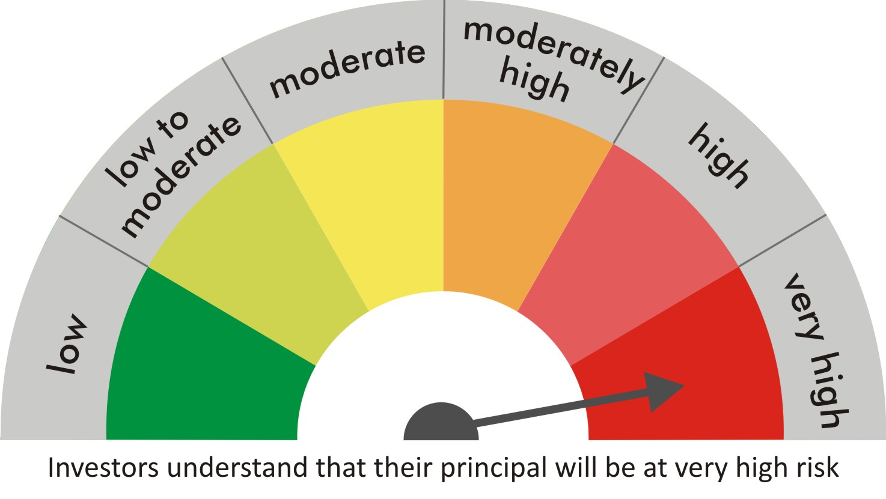
 |  | quant Mutual Fund
 |  | quant Tax Plan

 |  | MONTHLY PORTFOLIO STATEMENT AS ON 30 Aug 2022

 |  |  | Risk-o-meter of the Scheme |  | Risk-o-meter of the Benchmark

SR | ISIN | NAME OF THE INSTRUMENT | RATING | INDUSTRY | QUANTITY | MARKET VALUE(Rs.in Lakhs) | % to NAV
 |  | EQUITY & EQUITY RELATED
 |  | (a) Listed / awaiting listing on Stock Exchanges
1 | INE079A01024 | Ambuja Cements Ltd | N.A. | Cement & Cement Products | 3562214 | 14649.61 | 8.20
2 | INE062A01020 | State Bank of India | N.A. | Banks | 2424000 | 12877.5 | 7.21
3 | INE154A01025 | ITC Limited | N.A. | Diversified FMCG | 3831634 | 12280.39 | 6.87
4 | INE018A01030 | Larsen & Toubro Limited | N.A. | Construction | 582347 | 11195.62 | 6.26
5 | INE742F01042 | Adani Ports & Special Economic Zone Ltd | N.A. | Transport Infrastructure | 1327400 | 11178.7 | 6.25
6 | INE423A01024 | Adani Enterprises Limited | N.A. | Metals & Minerals Trading | 335550 | 10718.64 | 6.00
7 | INE619A01035 | Patanjali Foods Limited | N.A. | Agricultural Food & other Products | 797623 | 9739.77 | 5.45
8 | INE733E01010 | NTPC Limited | N.A. | Power | 5789000 | 9493.96 | 5.31
9 | INE053A01029 | Indian Hotels Co Ltd | N.A. | Leisure Services | 1923537 | 5490.74 | 3.07
10 | INE205A01025 | Vedanta Limited | N.A. | Diversified Metals | 1889100 | 5105.29 | 2.86
11 | INE237A01028 | Kotak Mahindra Bank Limited | N.A. | Banks | 254000 | 4865.24 | 2.72
12 | INE256A01028 | Zee Entertainment Ent Ltd | N.A. | Entertainment | 1555000 | 3997.13 | 2.24
13 | INE208A01029 | Ashok Leyland Limited | N.A. | Agricultural, Commercial & Construction Vehicles | 2412500 | 3715.25 | 2.08
14 | INE821I01014 | IRB Infrastructure Developers Limited | N.A. | Construction | 1566400 | 3706.89 | 2.07
15 | INE140A01024 | Piramal Enterprises Limited | N.A. | Finance | 341750 | 3634.68 | 2.03
16 | INE548A01028 | HFCL Limited | N.A. | Telecom - Services | 4393816 | 3264.61 | 1.83
17 | INE151A01013 | Tata Communications Limited | N.A. | Telecom - Services | 266500 | 3204 | 1.79
18 | INPIRAPHARMA | Piramal Pharma Limited | N.A. | N.A. | 1367000 | 2949.13 | 1.65
19 | INE003A01024 | Siemens Ltd | N.A. | Electrical Equipment | 101400 | 2923.97 | 1.64
20 | INE765G01017 | ICICI Lombard General Insurance Company Ltd. | N.A. | Insurance | 220900 | 2845.85 | 1.59
21 | INE192A01025 | Tata Consumer Products Ltd | N.A. | Agricultural Food & other Products | 345500 | 2797.34 | 1.57
22 | INE047A01021 | Grasim Industries Ltd | N.A. | Cement & Cement Products | 160250 | 2690.04 | 1.51
23 | INE397D01024 | Bharti Airtel Limited | N.A. | Telecom - Services | 327600 | 2380.34 | 1.33
24 | INE585B01010 | Maruti Suzuki India Limited | N.A. | Automobiles | 23300 | 2116.16 | 1.18
25 | INE366I01010 | VRL Logistics Limited | N.A. | Transport Services | 325612 | 2024.17 | 1.13
26 | INE881D01027 | Oracle Financial Services Software Ltd | N.A. | IT - Software | 59269 | 1878.74 | 1.05
27 | INE473A01011 | Linde India Ltd. | N.A. | Chemicals & Petrochemicals | 46021 | 1578.11 | 0.88
28 | INE886H01027 | TV18 Broadcast Ltd | N.A. | Entertainment | 3715526 | 1519.65 | 0.85
29 | INE935A01035 | Glenmark Pharmaceuticals Ltd | N.A. | Pharmaceuticals & Biotechnology | 388831 | 1443.15 | 0.81
30 | INE795G01014 | HDFC Life Insurance Co Ltd | N.A. | Insurance | 250000 | 1438 | 0.80
31 | INE111A01025 | Container Corporation of India Ltd | N.A. | Transport Services | 204750 | 1426.19 | 0.80
32 | INE061F01013 | Fortis Healthcare Ltd | N.A. | Healthcare Services | 468915 | 1380.02 | 0.77
33 | INE042A01014 | Escorts Kubota Limited | N.A. | Agricultural, Commercial & Construction Vehicles | 67000 | 1336.48 | 0.75
34 | INE208C01025 | Aegis Logistics Limited | N.A. | Gas | 422500 | 1242.57 | 0.70
35 | INE239C01020 | Stylam Industries Limited | N.A. | Consumer Durables | 95894 | 1093.86 | 0.61
36 | INE475E01026 | Caplin Point Laboratories Ltd | N.A. | Pharmaceuticals & Biotechnology | 123500 | 961.82 | 0.54
37 | INE887G01027 | Gokaldas Exports Ltd | N.A. | Textiles & Apparels | 260825 | 944.06 | 0.53
38 | INE599M01018 | Just Dial Limited | N.A. | Retailing | 141800 | 840.59 | 0.47
39 | INE531E01026 | Hindustan Copper Limited | N.A. | Non - Ferrous Metals | 626050 | 743.43 | 0.42
40 | INE007A01025 | CRISIL Limited | N.A. | Finance | 21900 | 719.06 | 0.40
41 | INE034A01011 | Arvind Limited | N.A. | Textiles & Apparels | 698500 | 686.63 | 0.38
42 | INE002A01018 | Reliance Industries Limited | N.A. | Petroleum Products | 24900 | 656.85 | 0.37
43 | INE424H01027 | SUN TV Network Limited | N.A. | Entertainment | 128800 | 646.58 | 0.36
44 | INE212I01016 | S. P. Apparels Limited | N.A. | Textiles & Apparels | 116340 | 523.65 | 0.29
45 | INE229H01012 | Nitin Spinners Limited | N.A. | Textiles & Apparels | 235212 | 521.35 | 0.29
46 | INE298A01020 | Cummins India Ltd. | N.A. | Industrial Products | 31500 | 375.67 | 0.21
 |  | Sub Total |  |  |  | 171801.45 | 96.12

 |  | (b) Unlisted
 |  | Sub Total
 |  | Total |  |  |  | 171801.45 | 96.12

 |  | DERIVATIVES
 |  | (a) Index / Stock Futures
 |  | Sub Total

 |  | (b) Index / Stock Options
 |  | Sub Total
 |  | Total

 |  | DEBT INSTRUMENTS
 |  | (a) Listed / awaited listed on Stock Exchanges
 |  | Sub Total

 |  | (b) Unlisted / Privately Placed
 |  | Sub Total

 |  | (c) Securitised Debt Instruments
 |  | Sub Total
 |  | Total

 |  | MONEY MARKET INSTRUMENTS
 |  | a) Commercial Paper
 |  | Sub Total

 |  | b) CD-Certificate of Deposits
 |  | Sub Total

 |  | c) Treasury Bills
 |  | Sub Total
 |  | Total

 |  | OTHERS
 |  | (a) Mutual Fund Unit
 |  | Sub Total

 |  | (b) Tri Party Repo (TREPs)
47 | INCBLO010922 | TREPS 01-Sep-2022 DEPO 10 | N.A. | N.A. | 5021.1 | 502.04 | 0.28
 |  | Sub Total |  |  |  | 502.04 | 0.28

 |  | (c) Other Receivables (Payables)
48 |  | NCA-NET CURRENT ASSETS | N.A. | N.A. |  | 6425.37 | 3.60
 |  | Sub Total |  |  |  | 6425.37 | 3.60
 |  | Total |  |  |  | 6927.4 | 3.88
 |  | Grand Total |  |  |  | 178728.86 | 100

 | Underlying | Long / Short | Future Price when Purchased | Current price of the contract | Margin maintained in Rs.Lakhs

 | Total %age of existing assets hedged through futures
 | For the period ended … specify the following for hedging transactions through futures which have been squared off/expired
 | Total Number of contracts where futures were bought
 | Total Number of contracts where futures were sold
 | Gross Notional Value of contracts where futures were bought
 | Gross Notional Value of contracts where futures were sold
 | Net Profit/Loss value on all contracts combined

 | Other than Hedging Positions through Futures as on |  | 30/08/2022
 | Underlying | Long / Short | Future Price when Purchased | Current price of the contract | Margin maintained in Rs.Lakhs

 | Total Exposure due to futures (non hedging positions) as a %age of net assets
 | For the period ended .. Specify the following for non hedging transactions through futures which have been squared off/expired
 | Total number of contracts where futures were bought
 | Total number of contracts where futures were sold (carry forward)
 | Gross Notional value of contracts where future were bought
 | Gross Notional Value of contracts where futures were sold
 | Net Profit/Loss value on all contracts combined

 | Hedging Positions through Put Options as on |  | 30/08/2022
 | Underlying | Number of contracts | Option Price when purchased | Current option price

 | Total %age of existing assets hedged through put options
 | For the period ended .. Specify the following for hedging transactions through options which have been execised/expired
 | Total number of contracts entered into
 | Gross Notional value of contracts
 | Net Profit/Loss Value on all contracts (treat premium paid as loss)

 | Other than Hedging Positions through Options as on |  | 30/08/2022
 | Underlying | Call/Put | Number of contracts | Option Price when purchased | Current option price

 | Total Exposure through options as a %age of net assets
 | For the period ended … with regard to non-hedging transactions through options which have already been exercised/expired specify:
 | Total number of contracts entered into
 | Gross Notional value of contracts
 | Net Profit/Loss Value on all contracts (treat premium paid as loss)

 | Notes :-

1 | Total NPA provided for is NIL.
2 | NAV as on 30 Aug 2022
 | quant Tax Plan - Growth - Direct Plan 257.546
 | quant Tax Plan - Growth 238.048
 | quant Tax Plan - IDCW - Direct Plan 34.3309
 | quant Tax Plan - IDCW 33.0341
3 | NAV as on 29 Jul 2022
 | quant Tax Plan - Growth - Direct Plan 241.972
 | quant Tax Plan - Growth 223.996
 | quant Tax Plan - IDCW - Direct Plan 32.2546
 | quant Tax Plan - IDCW 31.0783
4 | Dividend declared during the period is NIL
5 | Bonus declared during the period is NIL
6 | Total outstanding exposure in derivatives instruments as on 30-Aug-2022 is NIL
7 | Total Investments in foreign securities/ADRs / GDRs as on 30-Aug-2022 is NIL
8 | The Portfolio Turnover Ratio is 0.26 times / The Average Maturity period is 0 Days
9 | The funds parked in short term deposit(s) as on 30-Aug-2022 were NIL

