qVF
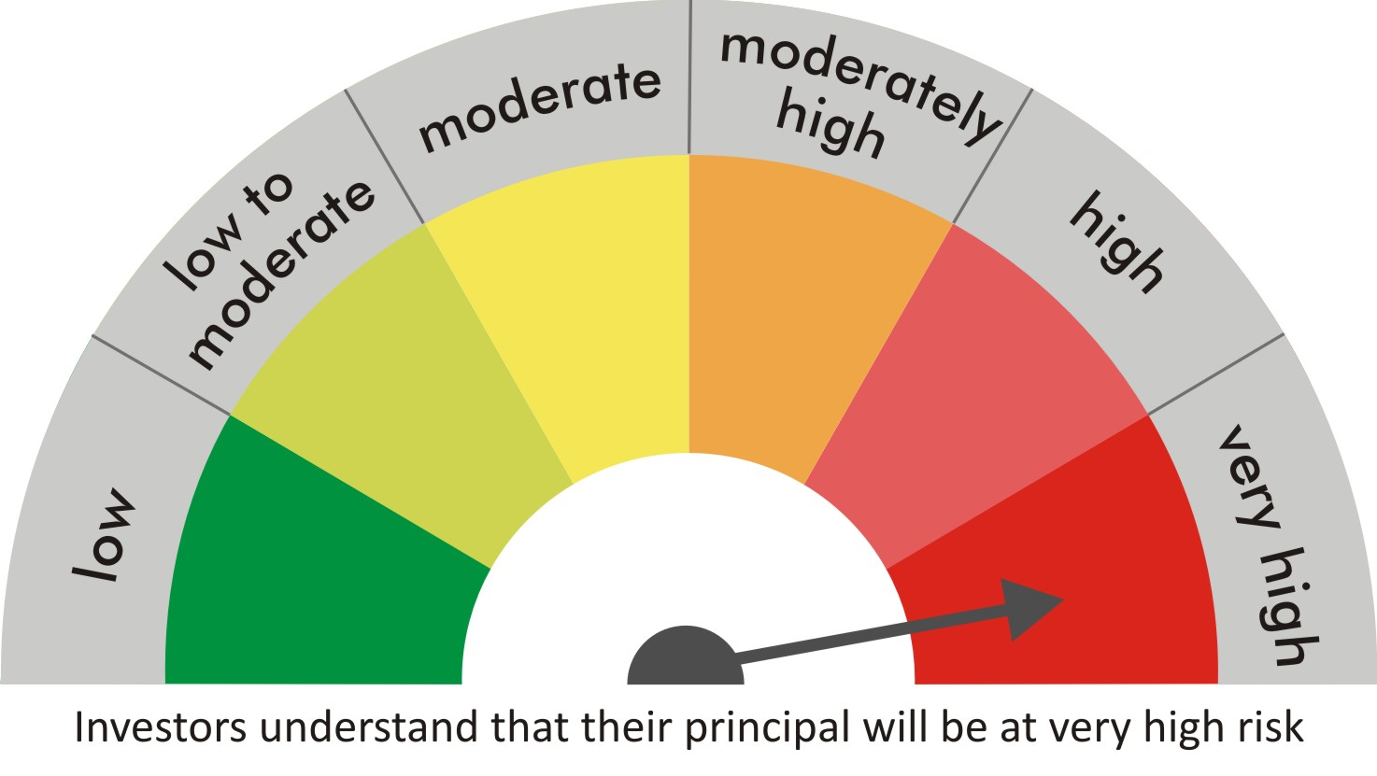
 |  | quant Mutual Fund
 |  | quant Value Fund

 |  | MONTHLY PORTFOLIO STATEMENT AS ON 30 Aug 2022

 |  |  | Risk-o-meter of the Scheme |  | Risk-o-meter of the Benchmark

SR | ISIN | NAME OF THE INSTRUMENT | RATING | INDUSTRY | QUANTITY | MARKET VALUE(Rs.in Lakhs) | % to NAV
 |  | EQUITY & EQUITY RELATED
 |  | (a) Listed / awaiting listing on Stock Exchanges
1 | INE619A01035 | Patanjali Foods Limited | N.A. | Agricultural Food & other Products | 371235 | 4533.15 | 8.92
2 | INE062A01020 | State Bank of India | N.A. | Banks | 827250 | 4394.77 | 8.65
3 | INE154A01025 | ITC Limited | N.A. | Diversified FMCG | 1065500 | 3414.93 | 6.72
4 | INE208A01029 | Ashok Leyland Limited | N.A. | Agricultural, Commercial & Construction Vehicles | 1947000 | 2998.38 | 5.90
5 | INE733E01010 | NTPC Limited | N.A. | Power | 1799000 | 2950.36 | 5.80
6 | INE821I01014 | IRB Infrastructure Developers Limited | N.A. | Construction | 1161989 | 2749.85 | 5.41
7 | INE018A01030 | Larsen & Toubro Limited | N.A. | Construction | 130950 | 2517.51 | 4.95
8 | INE548A01028 | HFCL Limited | N.A. | Telecom - Services | 3073088 | 2283.3 | 4.49
9 | INE053A01029 | Indian Hotels Co Ltd | N.A. | Leisure Services | 594060 | 1695.74 | 3.34
10 | INE531E01026 | Hindustan Copper Limited | N.A. | Non - Ferrous Metals | 1392700 | 1653.83 | 3.25
11 | INE599M01018 | Just Dial Limited | N.A. | Retailing | 273560 | 1621.66 | 3.19
12 | INE047A01021 | Grasim Industries Ltd | N.A. | Cement & Cement Products | 93700 | 1572.9 | 3.09
13 | INE205A01025 | Vedanta Limited | N.A. | Diversified Metals | 566000 | 1529.62 | 3.01
14 | INE870H01013 | Network18 Media & Investments Limited | N.A. | Entertainment | 1663964 | 1174.76 | 2.31
15 | INE055A01016 | Century Textiles & Industries Limited | N.A. | Paper, Forest & Jute Products | 125000 | 1078.69 | 2.12
16 | INE881D01027 | Oracle Financial Services Software Ltd | N.A. | IT - Software | 33813 | 1071.82 | 2.11
17 | INE0D6701023 | India Pesticides Limited | N.A. | Fertilizers & Agrochemicals | 361041 | 1025.18 | 2.02
18 | INE038F01029 | TV Today Network Limited | N.A. | Entertainment | 348323 | 985.93 | 1.94
19 | INE002A01018 | Reliance Industries Limited | N.A. | Petroleum Products | 37000 | 976.04 | 1.92
20 | INE208C01025 | Aegis Logistics Limited | N.A. | Gas | 328900 | 967.29 | 1.90
21 | INE886H01027 | TV18 Broadcast Ltd | N.A. | Entertainment | 2335000 | 955.02 | 1.88
22 | INE485A01015 | Century Enka Limited | N.A. | Textiles & Apparels | 185895 | 858.74 | 1.69
23 | INE0JS101016 | Dreamfolks Services Limited | N.A. | N.A. | 243724 | 794.54 | 1.56
24 | INE230R01035 | Rama Steel Tubes Limited | N.A. | Industrial Products | 600000 | 765.3 | 1.51
25 | INE139A01034 | National Aluminium Company Limited | N.A. | Non - Ferrous Metals | 895000 | 720.48 | 1.42
26 | INE111A01025 | Container Corporation of India Ltd | N.A. | Transport Services | 90350 | 629.33 | 1.24
27 | INE027A01015 | Rashtriya Chemicals & Fertilizers Ltd. | N.A. | Fertilizers & Agrochemicals | 605000 | 600.16 | 1.18
28 | INE418H01029 | Allcargo Logistics Limited | N.A. | Transport Services | 162000 | 579.64 | 1.14
29 | INE583L01014 | AGS Transact Technologies Limited | N.A. | Commercial Services & Supplies | 651865 | 564.19 | 1.11
30 | INE424H01027 | SUN TV Network Limited | N.A. | Entertainment | 112000 | 562.24 | 1.11
31 | INE945H01013 | V2 Retail Limited | N.A. | Retailing | 466855 | 528.71 | 1.04
32 | INE140A01024 | Piramal Enterprises Limited | N.A. | Finance | 47500 | 505.19 | 0.99
33 | INPIRAPHARMA | Piramal Pharma Limited | N.A. | N.A. | 190000 | 409.9 | 0.81
34 | INE397D01024 | Bharti Airtel Limited | N.A. | Telecom - Services | 36550 | 265.57 | 0.52
35 | INE0GSL01016 | HP Adhesives Limited | N.A. | Chemicals & Petrochemicals | 52500 | 240.21 | 0.47
36 | INE101D01020 | Granules India Limited | N.A. | Pharmaceuticals & Biotechnology | 70000 | 214.27 | 0.42
37 | INE933A01014 | Lyka Labs Limited | N.A. | Pharmaceuticals & Biotechnology | 88280 | 132.11 | 0.26
 |  | Sub Total |  |  |  | 50521.3 | 99.39

 |  | (b) Unlisted
 |  | Sub Total
 |  | Total |  |  |  | 50521.3 | 99.39

 |  | DERIVATIVES
 |  | (a) Index / Stock Futures
 |  | Sub Total

 |  | (b) Index / Stock Options
 |  | Sub Total
 |  | Total

 |  | DEBT INSTRUMENTS
 |  | (a) Listed / awaited listed on Stock Exchanges
 |  | Sub Total

 |  | (b) Unlisted / Privately Placed
 |  | Sub Total

 |  | (c) Securitised Debt Instruments
 |  | Sub Total
 |  | Total

 |  | MONEY MARKET INSTRUMENTS
 |  | a) Commercial Paper
 |  | Sub Total

 |  | b) CD-Certificate of Deposits
 |  | Sub Total

 |  | c) Treasury Bills
 |  | Sub Total
 |  | Total

 |  | OTHERS
 |  | (a) Mutual Fund Unit
 |  | Sub Total

 |  | (b) Tri Party Repo (TREPs)
38 | INCBLO010922 | TREPS 01-Sep-2022 DEPO 10 | N.A. | N.A. | 16747.2 | 1674.47 | 3.29
 |  | Sub Total |  |  |  | 1674.47 | 3.29

 |  | (c) Other Receivables (Payables)
39 |  | NCA-NET CURRENT ASSETS | N.A. | N.A. |  | -1366.81 | -2.69
 |  | Sub Total |  |  |  | -1366.81 | -2.69
 |  | Total |  |  |  | 307.66 | 0.61
 |  | Grand Total |  |  |  | 50828.96 | 100

 | Underlying | Long / Short | Future Price when Purchased | Current price of the contract | Margin maintained in Rs.Lakhs

 | Total %age of existing assets hedged through futures
 | For the period ended … specify the following for hedging transactions through futures which have been squared off/expired
 | Total Number of contracts where futures were bought
 | Total Number of contracts where futures were sold
 | Gross Notional Value of contracts where futures were bought
 | Gross Notional Value of contracts where futures were sold
 | Net Profit/Loss value on all contracts combined

 | Other than Hedging Positions through Futures as on |  | 30/08/2022
 | Underlying | Long / Short | Future Price when Purchased | Current price of the contract | Margin maintained in Rs.Lakhs

 | Total Exposure due to futures (non hedging positions) as a %age of net assets
 | For the period ended .. Specify the following for non hedging transactions through futures which have been squared off/expired
 | Total number of contracts where futures were bought
 | Total number of contracts where futures were sold (carry forward)
 | Gross Notional value of contracts where future were bought
 | Gross Notional Value of contracts where futures were sold
 | Net Profit/Loss value on all contracts combined

 | Hedging Positions through Put Options as on |  | 30/08/2022
 | Underlying | Number of contracts | Option Price when purchased | Current option price

 | Total %age of existing assets hedged through put options
 | For the period ended .. Specify the following for hedging transactions through options which have been execised/expired
 | Total number of contracts entered into
 | Gross Notional value of contracts
 | Net Profit/Loss Value on all contracts (treat premium paid as loss)

 | Other than Hedging Positions through Options as on |  | 30/08/2022
 | Underlying | Call/Put | Number of contracts | Option Price when purchased | Current option price

 | Total Exposure through options as a %age of net assets
 | For the period ended … with regard to non-hedging transactions through options which have already been exercised/expired specify:
 | Total number of contracts entered into
 | Gross Notional value of contracts
 | Net Profit/Loss Value on all contracts (treat premium paid as loss)

 | Notes :-

1 | Total NPA provided for is NIL.
2 | NAV as on 30 Aug 2022
 | quant Value Fund DIRECT PLAN (GROWTH) 10.7168
 | quant Value Fund DIRECT PLAN (IDCW) 10.1985
 | quant Value Fund REGULAR PLAN (GROWTH) 10.5483
 | quant Value Fund REGULAR PLAN (IDCW) 10.527
3 | NAV as on 29 Jul 2022
 | quant Value Fund DIRECT PLAN (GROWTH) 10.0648
 | quant Value Fund DIRECT PLAN (IDCW) 9.5849
 | quant Value Fund REGULAR PLAN (GROWTH) 9.9315
 | quant Value Fund REGULAR PLAN (IDCW) 9.9114
4 | Dividend declared during the period is NIL
5 | Bonus declared during the period is NIL
6 | Total outstanding exposure in derivatives instruments as on 30-Aug-2022 is NIL
7 | Total Investments in foreign securities/ADRs / GDRs as on 30-Aug-2022 is NIL
8 | The Portfolio Turnover Ratio is 0.16 times / The Average Maturity period is 0 Days
9 | The funds parked in short term deposit(s) as on 30-Aug-2022 were NIL

