Riskometer
Index

Scheme Name | The product is suitable for investors who are seeking* | Riskometer
LIC MF Bond Fund | •Income Over Medium to long term | 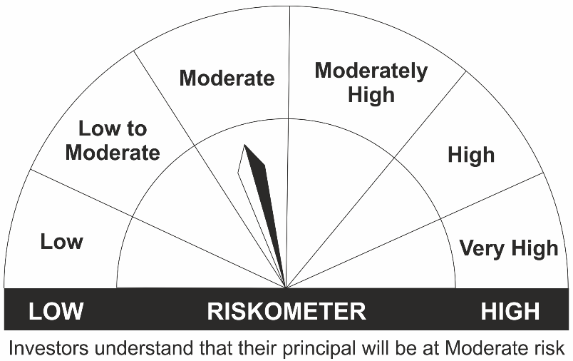
 | •To generate income/capital appreciation through investments in Debt / Money Market Instruments
 | •Risk - Moderate
LIC MF G-Sec Long Term Exchange Traded Fund | •Medium to long term regular Income.
 | •Investment in securities in line with Nifty 8- 13 Yr G-Sec Index to generate comparable returns subject to tracking error.
 | •Risk – Moderate
LIC MF Govt. Securities Fund | •Long term Capital Appreciation and current income
 | •Investment in sovereign securities issued by Central State Government
 | •Risk – Moderate
LIC MF Banking & PSU Debt Fund | •Regular income for medium term capital appreciation with current income.
 | •An income fund that invests predominantly in debt and money market instruments issued by Banks, Public Sector Undertakings, Public Financial Institutions and Municipal Bonds
 | •Risk – Moderate
LIC MF Short Term Debt Fund | •Generation of reasonable returns over short to medium term.
 | •Investment in Debt securities and money market instruments.
 | •Risk - Moderate
LIC MF Savings Fund | •Regular Income for short term | 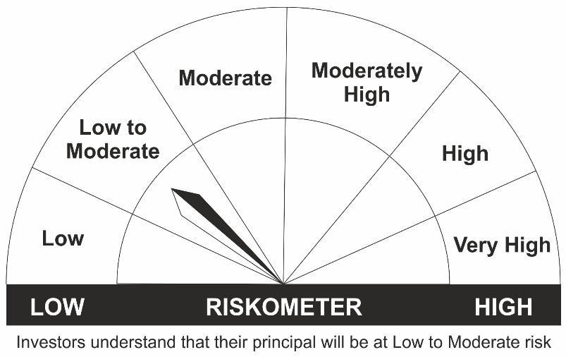
 | •A fund that focuses on low duration securities.
 | •Risk – Low to Moderate
LIC MF Ultra Short Term Fund | •Regular income over short term.
 | •Investment in Debt & Money Market Instruments such that the Macaulay Duration of the portfolio is between 3 months- 6 months.
 | •Risk – Low to Moderate
LIC MF Liquid Fund | •Regular income for short term
 | •Investment in Debt/Money Market Instruments with maturity of upto 91 days.
 | •Risk – Low to Moderate
LIC MF Debt Hybrid Fund | •Medium term capital appreciation with current income | 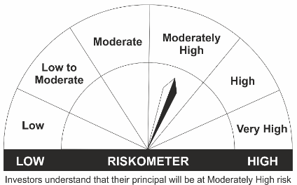
 | •A fund that invests predominantly in debt instruments with marginal equity exposure.
 | •Risk – Moderately High
LIC MF Overnight Fund | •Regular income with high levels of safety and liquidity over short term. | 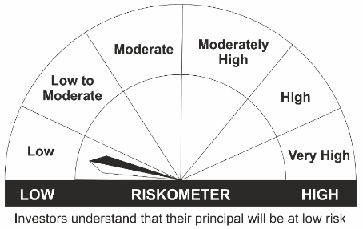
 | •Investment in debt and money market instruments with overnight maturity.
 | •Risk – Low

*Investors should consult their financial advisers if in doubt about whether the product is suitable for them.

