Riskometer
Index | Risk-O-Meter as of January-2021

Scheme Name | The product is suitable for investors who are seeking* | Riskometer
LIC MF Arbitrage Fund | •Income over a short term investment horizon | 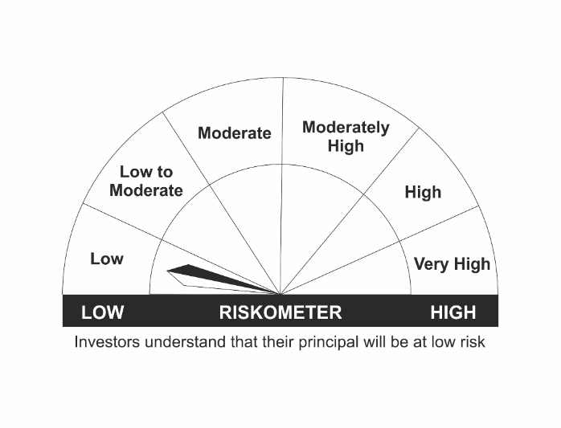
 | •Income through arbitrage opportunities between cash and derivative market and arbitrage opportunities within the derivative segment of the equity market
 | •Risk – Low
LIC MF Equity Hybrid Fund | •Long term capital appreciation with current income | 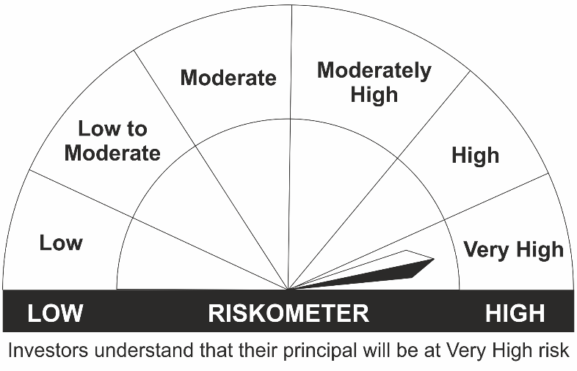
 | •A fund that invests both in stocks and fixed income instruments.
 | •Risk - Very High
LIC MF Banking & Financial Services Fund | •Capital appreciation over long term.
 | •Investing predominantly in portfolio of equity and equity related securities of companies engaged in banking and financial services.
 | •Risk – Very High
LIC MF Children's Gift Fund | •Long term capital appreciation and current income
 | •A fund that invests both in stocks and fixed income instruments.
 | •Risk - Very High
LIC MF Multicap Fund | •Long term capital appreciation
 | •Investing in Large, Mid & Small Cap stocks.
 | •Risk - Very High
LIC MF Large Cap Fund | •Long Term Capital Appreciation
 | •A Fund that primarily invest in large-cap stock.
 | •Risk – Very High
LIC MF Infrastructure Fund | •Long Term Capital Growth
 | •Investment in equity and equity related instruments of companies engaged either directly or indirectly in infrastructure sector.
 | •Risk – Very High
LIC MF Index Fund – Nifty Plan | •Long Term Capital Growth
 | •Investment in equity instrument of respective index stocks subject to tracking error.
 | •Risk - Very High
LIC MF Index Fund – Sensex Plan | •Long Term Capital Growth
 | •Investment in equity instrument of S & P BSE Sensex index stocks subject to tracking error.
 | •Risk - Very High
LIC MF Large & Mid Cap Fund | •Long Term Capital Appreciation.
 | •A fund that primarily invests in Large and Mid-cap stocks
 | •Risk – Very High
LIC MF Exchange Traded Fund – Nifty 100 | •Long term investment.
 | •Investment in equity and equity related securities and portfolios replicating the composition of Nifty 100 Index, subject to tracking errors.
 | •Risk- Very High
LIC MF Tax Plan | •Long Term Capital Growth
 | •Investment in equity and equity related securities
 | •Risk - Very High
LIC MF Exchange Traded Fund – Nifty 50 | •Long term investment.
 | •Investment in securities covered by NIFTY 50 Index, subject to tracking errors.
 | •Risk- Very High
LIC MF Exchange Traded Fund – Sensex | •Long term investment.
 | •Investment in securities covered by S&P BSE SENSEX, subject to tracking errors.
 | •Risk- Very High
LIC MF Unit Linked Insurance Scheme | •Long term capital appreciation and current income
 | •Investment in Equity and equity related securities, fixed income securities (debt and money market securities).
 | •Risk - Very High

