Riskometer
SEBI vide its Circular No. SEBI/HO/IMD/DF3/CIR/P/2020/197 dated October 05, 2020, has revised guidelines on the Product Labelling (‘Risk-o-meter’) for Mutual Funds. Accordingly, Product Labelling (‘Risk-o-meter’) for all schemes of LIC Mutual Fund basis the portfolio of schemes as on March 31, 2021 is as follows:

Scheme Name | The product is suitable for investors who are seeking* | Riskometer
LIC MF Bond Fund | •Income Over Medium to long term | 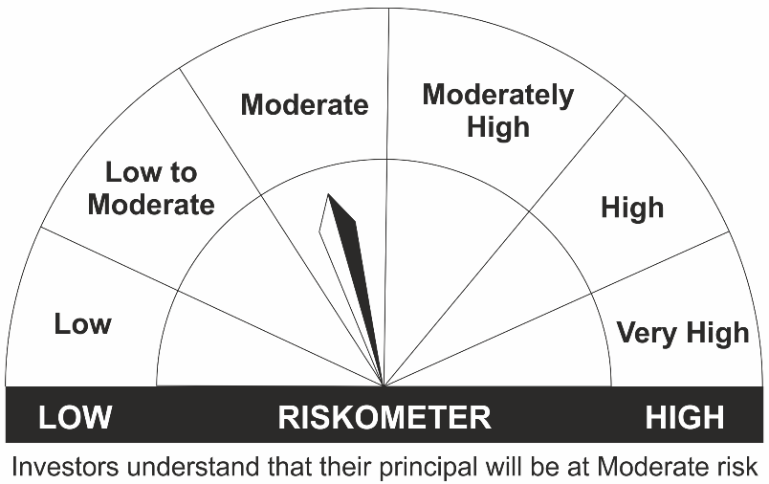
 | •To generate income/capital appreciation through investments in Debt / Money Market Instruments
 | •Risk - Moderate
LIC MF Govt. Securities Fund | •Long term Capital Appreciation and current income
 | •Investment in sovereign securities issued by Central State Government
 | •Risk – Moderate
LIC MF Debt Hybrid Fund | •Medium term capital appreciation with current income
 | •A fund that invests predominantly in debt instruments with marginal equity exposure.
 | •Risk - Moderate
LIC MF Banking & PSU Debt Fund | •Regular income for medium term capital appreciation with current income. | 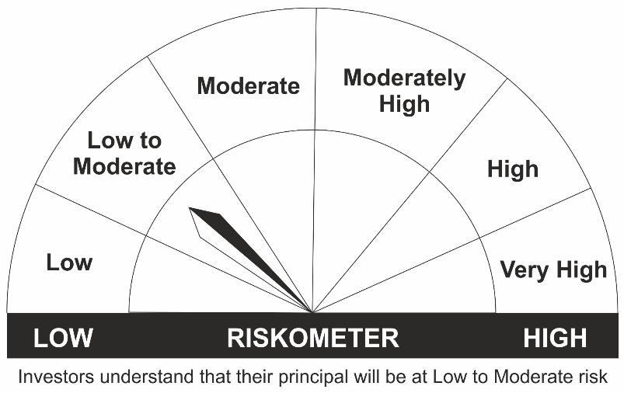
 | •An income fund that invests predominantly in debt and money market instruments issued by Banks, Public Sector Undertakings, Public Financial Institutions and Municipal Bonds
 | •Risk – Low to Moderate
LIC MF Short Term Debt Fund | •Generation of reasonable returns over short to medium term.
 | •Investment in Debt securities and money market instruments.
 | •Risk - Low to Moderate
LIC MF Savings Fund | •Regular Income for short term
 | •A fund that focuses on low duration securities.
 | •Risk – Low to Moderate
LIC MF Liquid Fund | •Regular income for short term
 | •Investment in Debt/Money Market Instruments with maturity of upto 91 days.
 | •Risk – Low to Moderate
LIC MF Ultra Short Term Fund | •Regular income over short term. | 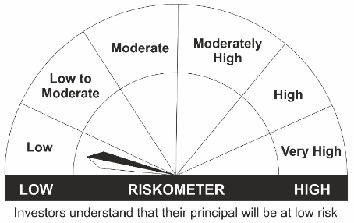
 | •Investment in Debt & Money Market Instruments such that the Macaulay Duration of the portfolio is between 3 months- 6 months.
 | •Risk – Low
LIC MF Overnight Fund | •Regular income with high levels of safety and liquidity over short term.
 | •Investment in debt and money market instruments with overnight maturity.
 | •Risk – Low
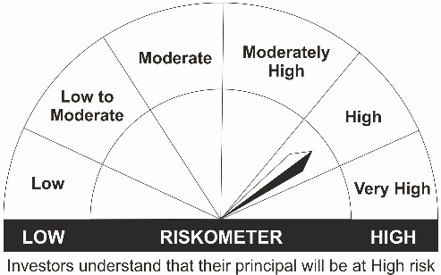
LIC MF G-Sec Long Term Exchange Traded Fund | •Medium to long term regular Income.
 | •Investment in securities in line with Nifty 8- 13 Yr G-Sec Index to generate comparable returns subject to tracking error.
 | •Risk – High

*Investors should consult their financial advisers if in doubt about whether the product is suitable for them.
Mutual Fund investments are subject to market risks, read all scheme related documents carefully.

