Riskometer
SEBI vide its Circular No. SEBI/HO/IMD/DF3/CIR/P/2020/197 dated October 05, 2020, has revised guidelines on the Product Labelling (‘Risk-o-meter’) for Mutual Funds. Accordingly, Product Labelling (‘Risk-o-meter’) for all schemes of LIC Mutual Fund basis the portfolio of schemes as on April 30, 2021 is as follows:

Scheme Name | The product is suitable for investors who are seeking* | Riskometer
LIC MF Arbitrage Fund | •Income over a short term investment horizon | 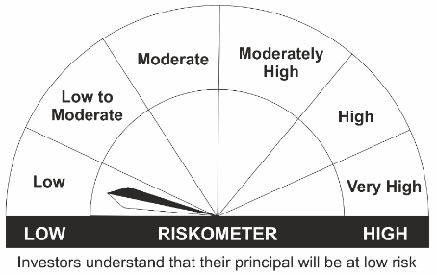
 | •Income through arbitrage opportunities between cash and derivative market and arbitrage opportunities within the derivative segment of the equity market
 | •Risk – Low
LIC MF Equity Hybrid Fund | •Long term capital appreciation with current income | 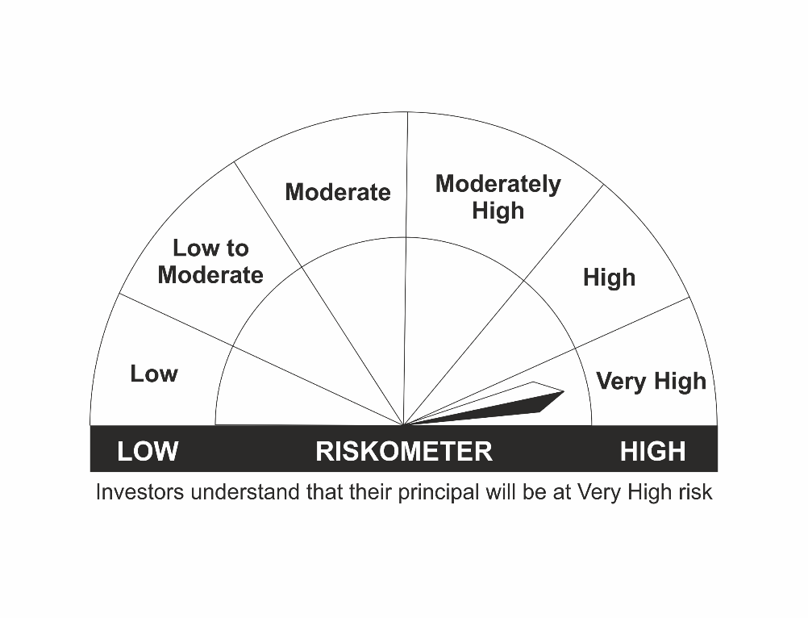
 | •A fund that invests both in stocks and fixed income instruments.
 | •Risk - Very High
LIC MF Banking & Financial Services Fund | •Capital appreciation over long term.
 | •Investing predominantly in portfolio of equity and equity related securities of companies engaged in banking and financial services.
 | •Risk – Very High
LIC MF Children's Gift Fund | •Long term capital appreciation and current income
 | •A fund that invests both in stocks and fixed income instruments.
 | •Risk - Very High
LIC MF Flexi Cap Fund | •Long term capital appreciation
 | •Investing across Large, Mid & Small Cap stocks.
 | •Risk - Very High
LIC MF Large Cap Fund | •Long Term Capital Appreciation
 | •A Fund that primarily invest in large-cap stock.
 | •Risk – Very High
LIC MF Infrastructure Fund | •Long Term Capital Growth
 | •Investment in equity and equity related instruments of companies engaged either directly or indirectly in infrastructure sector.
 | •Risk – Very High
LIC MF Index Fund – Nifty Plan | •Long Term Capital Growth
 | •Investment in equity instrument of respective index stocks subject to tracking error.
 | •Risk - Very High
LIC MF Index Fund – Sensex Plan | •Long Term Capital Growth
 | •Investment in equity instrument of S & P BSE Sensex index stocks subject to tracking error.
 | •Risk - Very High
LIC MF Large & Mid Cap Fund | •Long Term Capital Appreciation.
 | •A fund that primarily invests in Large and Mid-cap stocks
 | •Risk – Very High
LIC MF Exchange Traded Fund – Nifty 100 | •Long term investment.
 | •Investment in equity and equity related securities and portfolios replicating the composition of Nifty 100 Index, subject to tracking errors.
 | •Risk- Very High
LIC MF Tax Plan | •Long Term Capital Growth
 | •Investment in equity and equity related securities
 | •Risk - Very High
LIC MF Exchange Traded Fund – Nifty 50 | •Long term investment.
 | •Investment in securities covered by NIFTY 50 Index, subject to tracking errors.
 | •Risk- Very High
LIC MF Exchange Traded Fund – Sensex | •Long term investment.
 | •Investment in securities covered by S&P BSE SENSEX, subject to tracking errors.
 | •Risk- Very High
LIC MF Unit Linked Insurance Scheme | •Long term capital appreciation and current income
 | •Investment in Equity and equity related securities, fixed income securities (debt and money market securities).
 | •Risk - Very High

*Investors should consult their financial advisers if in doubt about whether the product is suitable for them.
Mutual Fund investments are subject to market risks, read all scheme related documents carefully.

