Riskometer - Oct 21
SEBI vide its Circular No. SEBI/HO/IMD/DF3/CIR/P/2020/197 dated October 05, 2020, has revised guidelines on the Product Labelling (‘Risk-o-meter’) for Mutual Funds. Accordingly, Product Labelling (‘Risk-o-meter’) for all schemes of LIC Mutual Fund basis the portfolio of schemes as on October 31, 2021 is as follows:

The product is suitable for investors who are seeking* | Riskometer - Scheme | Primary Benchmark | Riskometer - Primary Benchmark
LIC MF Arbitrage Fund | 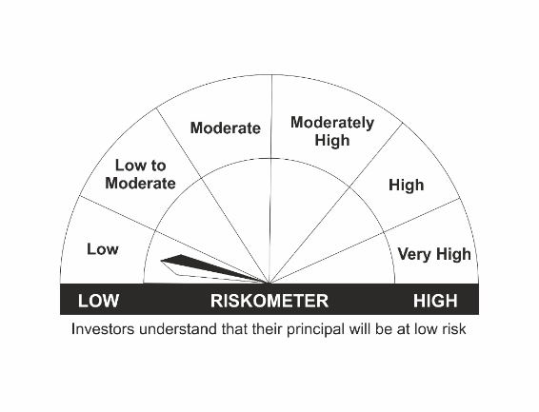 | NIFTY 50 Arbitrage Index
•Income over a short term investment horizon
•Income through arbitrage opportunities between cash and derivative market and arbitrage opportunities within the derivative segment of the equity market
•Risk – Low |  | •Risk – Low
LIC MF Equity Hybrid Fund | 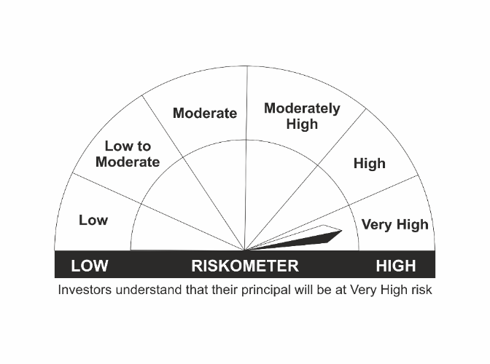 | CRISIL Hybrid 35+65 - Aggressive Index
•Long term capital appreciation with current income
•A fund that invests both in stocks and fixed income instruments.
•Risk - Very High |  | •Risk - Very High
LIC MF Banking & Financial Services Fund
•Capital appreciation over long term. |  | Nifty Financial Services TRI
•Investing predominantly in portfolio of equity and equity related securities of companies engaged in banking and financial services.
•Risk – Very High |  | •Risk – Very High
LIC MF Children's Gift Fund |  | CRISIL Hybrid 35+65 - Aggressive Index
•Long term capital appreciation and current income
•A fund that invests both in stocks and fixed income instruments.
•Risk - Very High |  | •Risk - Very High
LIC MF Flexi Cap Fund |  | Nifty 500 TRI
•Long term capital appreciation
•Investing across Large, Mid & Small Cap stocks.
•Risk - Very High |  | •Risk – Very High
LIC MF Large Cap Fund |  | NIFTY 100 TRI
•Long Term Capital Appreciation
•A Fund that primarily invest in large-cap stock.
•Risk – Very High |  | •Risk – Very High
LIC MF Infrastructure Fund |  | Nifty Infrastructure TRI
•Long Term Capital Growth
•Investment in equity and equity related instruments of companies engaged either directly or indirectly in infrastructure sector.
•Risk – Very High |  | •Risk – Very High
LIC MF Index Fund – Nifty Plan |  | NIFTY 50 TRI
•Long Term Capital Growth
•Investment in equity instrument of respective index stocks subject to tracking error.
•Risk - Very High |  | •Risk - Very High
LIC MF Index Fund – Sensex Plan |  | S&P BSE Sensex TRI
•Long Term Capital Growth
•Investment in equity instrument of S & P BSE Sensex index stocks subject to tracking error.
•Risk - Very High |  | •Risk - Very High
LIC MF Large & Mid Cap Fund |  | Nifty LargeMidcap 250 TRI
•Long Term Capital Appreciation.
•A fund that primarily invests in Large and Mid-cap stocks
•Risk – Very High |  | •Risk – Very High
LIC MF Exchange Traded Fund – Nifty 100 |  | NIFTY 100 TRI
•Long term investment.
•Investment in equity and equity related securities and portfolios replicating the composition of Nifty 100 Index, subject to tracking errors.
•Risk- Very High |  | •Risk- Very High
LIC MF Tax Plan |  | Nifty 500 TRI
•Long Term Capital Growth
•Investment in equity and equity related securities
•Risk - Very High |  | •Risk - Very High
LIC MF Exchange Traded Fund – Nifty 50 |  | NIFTY 50 TRI
•Long term investment.
•Investment in securities covered by NIFTY 50 Index, subject to tracking errors.
•Risk- Very High |  | •Risk- Very High
LIC MF Exchange Traded Fund – Sensex |  | S&P BSE Sensex TRI
•Long term investment.
•Investment in securities covered by S&P BSE SENSEX, subject to tracking errors.
•Risk- Very High |  | •Risk- Very High
LIC MF Unit Linked Insurance Scheme |  | CRISIL Hybrid 35+65 - Aggressive Index
•Long term capital appreciation and current income
•Investment in Equity and equity related securities, fixed income securities (debt and money market securities).
•Risk - Very High |  | •Risk - Very High

*Investors should consult their financial advisers if in doubt about whether the product is suitable for them.
Mutual Fund investments are subject to market risks, read all scheme related documents carefully.

