LDBOND
LIC MF MEDIUM TO LONG DURATION FUND |  |  |  |  | Index

Monthly Portfolio Statement as on January 31,2026
Name of the Instrument | ISIN | Industry / Rating | Quantity | Market/Fair Value (Rounded, Rs. In Lacs) | Rounded, % to Net Assets | Yield

Debt Instruments
(a)Listed / Awaiting listing on stock Exchanges
7.77% State Government of Gujarat | IN1520220014 | SOVEREIGN | 2,500,000.000 | 2,605.30 | 12.97% | 7.23%
6.28% Government of India | IN0020250059 | SOVEREIGN | 2,500,000.000 | 2,463.74 | 12.26% | 6.73%
7.26% Government of India | IN0020220151 | SOVEREIGN | 2,000,000.000 | 2,130.60 | 10.60% | 6.83%
7.3% Government of India | IN0020230051 | SOVEREIGN | 2,000,000.000 | 2,003.29 | 9.97% | 7.49%
7.41% Government of India | IN0020220102 | SOVEREIGN | 1,500,000.000 | 1,573.17 | 7.83% | 7.00%
7.1% Government of India | IN0020240019 | SOVEREIGN | 1,000,000.000 | 1,044.78 | 5.20% | 6.85%
7.43% Jamnagar Utilities & Power Pvt. Ltd. ** | INE936D07190 | CRISIL AAA | 1,000.000 | 1,011.11 | 5.03% | 7.57%
6.76% Government of India | IN0020200401 | SOVEREIGN | 1,000,000.000 | 943.20 | 4.69% | 7.60%
Indian Railway Finance Corporation Ltd. (ZCB) ** | INE053F08536 | CRISIL AAA | 1,500.000 | 785.92 | 3.91% | 6.80%
7.77% National Housing Bank ** | INE557F08FP2 | CRISIL AAA | 500.000 | 533.55 | 2.66% | 7.25%
7.34% Government of India | IN0020240035 | SOVEREIGN | 500,000.000 | 504.49 | 2.51% | 7.57%
6.48% Government of India | IN0020250091 | SOVEREIGN | 500,000.000 | 502.71 | 2.50% | 6.81%
6.68% Government of India | IN0020250042 | SOVEREIGN | 500,000.000 | 483.81 | 2.41% | 7.22%
6.33% Government of India | IN0020250026 | SOVEREIGN | 200,000.000 | 198.07 | 0.99% | 6.80%
Sub Total |  |  |  | 16,783.74 | 83.53%

(b)Privately Placed/Unlisted
Sub Total |  |  |  | NIL | NIL

(c)Securitised Debt Instruments
Sub Total |  |  |  | NIL | NIL

TOTAL |  |  |  | 16,783.74 | 83.54%

Money Market Instruments

Certificate of Deposit
HDFC Bank Ltd. ** # | INE040A16II2 | CRISIL A1+ | 300.000 | 1,410.15 | 7.02% | 7.20%
Sub Total |  |  |  | 1,410.15 | 7.02%

TOTAL |  |  |  | 1,410.15 | 7.02%

Others
Investment in Mutual fund
SBI CDMDF--A2 | INF0RQ622028 |  | 503.670 | 58.42 | 0.29%

TOTAL |  |  |  | 58.42 | 0.29%

Treps / Reverse Repo
Treps |  |  |  | 3,242.96 | 16.14%
Sub Total |  |  |  | 3,242.96 | 16.14%

TOTAL |  |  |  | 3,242.96 | 16.14%
Net Receivables / (Payables) |  |  |  | (1,404.37) | (6.99%)
GRAND TOTAL |  |  |  | 20,090.90 | 100.00%

# Unlisted Security
** Non Traded Security
ZCB - Zero Coupon Bond

The product is suitable for investors who are seeking* | Scheme Riskometer# | Benchmark Riskometer (as applicable) #
•Income Over Medium to long term | 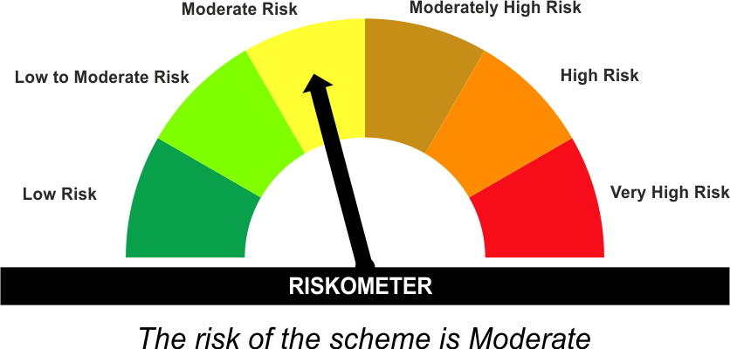 | As per AMFI Tier I Benchmark i . e . CRISIL Medium to Long Duration Debt A-III Index
•To generate income/capital appreciation through investments in Debt / Money Market Instruments |  | 

*Investors should consult their financial advisers if in doubt about whether the product is suitable for them.
#The Scheme and Benchmark riskometer disclosed above is latest available riskometer, for any updates please visit the AMC’s website (https://www.licmf.com/downloads/risk-o-meter-disclosure).
Mutual Fund investments are subject to market risks, read all scheme related documents carefully.

Potential Risk Class
Credit Risk | Relatively Low (Class A) | Moderate (Class B) | Relatively High (Class C)
Interest Rate Risk
Relatively Low (Class I)
Moderate (Class II)
Relatively High (Class III) |  | B-III

 | Portfolio Information
Scheme Name : | LIC MF MEDIUM TO LONG DURATION FUND
Description (if any) | Medium to Long Duration Fund
Annualised Portfolio YTM* : | 6.88
Macaulay Duration | 6.11 Years
Residual Maturity | 10.13 Years
As on (Date) | 31 January 2026
* in case of semi annual YTM, it will be annualised
As the Regular and Direct plans have a common portfolio, the Portfolio yield given above is at the Scheme level

LDINPF
LIC MF BANKING & PSU FUND |  |  |  |  | Index

Monthly Portfolio Statement as on January 31,2026
Name of the Instrument | ISIN | Industry / Rating | Quantity | Market/Fair Value (Rounded, Rs. In Lacs) | Rounded, % to Net Assets | Yield

Debt Instruments
(a)Listed / Awaiting listing on stock Exchanges
8.37% National Highways Authority of India ** | INE906B07GN5 | CRISIL AAA | 1,000.000 | 10,353.86 | 5.55% | 7.10%
7.37% Indian Railway Finance Corporation Ltd. ** | INE053F08411 | CRISIL AAA | 7,000.000 | 7,447.85 | 3.99% | 7.20%
7.41% Government of India | IN0020220102 | SOVEREIGN | 6,500,000.000 | 6,817.08 | 3.65% | 7.00%
8.09% NLC India Ltd. ** | INE589A07037 | ICRA AAA | 600.000 | 6,484.28 | 3.47% | 7.17%
7.34% Small Industries Development Bk of India ** | INE556F08KS8 | CRISIL AAA | 5,500.000 | 5,649.07 | 3.03% | 7.29%
6.68% Government of India | IN0020250042 | SOVEREIGN | 5,500,000.000 | 5,321.94 | 2.85% | 7.22%
7.59% National Housing Bank ** | INE557F08FY4 | CRISIL AAA | 5,000.000 | 5,292.69 | 2.84% | 7.03%
7.46% REC Ltd. ** | INE020B08EK4 | CRISIL AAA | 5,000.000 | 5,259.05 | 2.82% | 7.07%
7.48% National Bk for Agriculture & Rural Dev. ** | INE261F08EO7 | CRISIL AAA | 5,000.000 | 5,174.12 | 2.77% | 7.18%
7.83% Small Industries Development Bk of India ** | INE556F08KL3 | CRISIL AAA | 5,000.000 | 5,146.71 | 2.76% | 7.22%
7.05% Jio Credit Ltd. ** | INE282H07034 | CRISIL AAA | 5,000.000 | 5,061.83 | 2.71% | 7.61%
7.43% Jamnagar Utilities & Power Pvt. Ltd. ** | INE936D07190 | CRISIL AAA | 5,000.000 | 5,055.56 | 2.71% | 7.57%
6.49% National Bk for Agriculture & Rural Dev. ** | INE261F08CQ6 | ICRA AAA | 500.000 | 4,886.11 | 2.62% | 7.32%
6.28% Government of India | IN0020250059 | SOVEREIGN | 4,000,000.000 | 3,941.98 | 2.11% | 6.73%
7.49% Power Grid Corporation of India Ltd. ** | INE752E08601 | CRISIL AAA | 1,000.000 | 3,096.98 | 1.66% | 7.10%
7.77% National Housing Bank ** | INE557F08FP2 | CRISIL AAA | 2,500.000 | 2,667.76 | 1.43% | 7.25%
7.62% National Bk for Agriculture & Rural Dev. ** | INE261F08EH1 | CRISIL AAA | 2,500.000 | 2,661.99 | 1.43% | 7.28%
7.4% Power Finance Corporation Ltd. ** | INE134E08KQ1 | CRISIL AAA | 250.000 | 2,642.03 | 1.42% | 7.32%
8.54% REC Ltd. ** | INE020B08BE3 | CRISIL AAA | 250.000 | 2,638.20 | 1.41% | 7.17%
7.49% Small Industries Development Bk of India ** | INE556F08KX8 | CRISIL AAA | 2,500.000 | 2,633.19 | 1.41% | 7.29%
8.14% Nuclear Power Corporation ** | INE206D08287 | CRISIL AAA | 250.000 | 2,631.98 | 1.41% | 7.03%
6.87% REC Ltd. ** | INE020B08FU0 | ICRA AAA | 2,500.000 | 2,592.22 | 1.39% | 7.28%
6.64% Housing & Urban Development Corp Ltd. ** | INE031A08996 | ICRA AAA | 2,500.000 | 2,569.07 | 1.38% | 7.01%
6.73% Power Finance Corporation Ltd. ** | INE134E08NW3 | CRISIL AAA | 2,500.000 | 2,541.72 | 1.36% | 7.16%
7.43% National Bk for Agriculture & Rural Dev. ** | INE261F08BX4 | ICRA AAA | 250.000 | 2,522.63 | 1.35% | 7.30%
6.48% Government of India | IN0020250091 | SOVEREIGN | 2,500,000.000 | 2,513.75 | 1.35% | 6.81%
8.13% Nuclear Power Corporation ** | INE206D08378 | CRISIL AAA | 150.000 | 1,577.69 | 0.85% | 7.03%
6.61% Power Finance Corporation Ltd. ** | INE134E08NS1 | CRISIL AAA | 1,500.000 | 1,552.74 | 0.83% | 7.11%
6.47% Indian Railway Finance Corporation Ltd. ** | INE053F08510 | CRISIL AAA | 1,500.000 | 1,546.28 | 0.83% | 7.09%
6.76% Government of India | IN0020200401 | SOVEREIGN | 1,500,000.000 | 1,414.79 | 0.76% | 7.60%
7.45% Export Import Bank of India ** | INE514E08GB4 | CRISIL AAA | 1,000.000 | 1,080.85 | 0.58% | 7.03%
7.26% Government of India | IN0020220151 | SOVEREIGN | 1,000,000.000 | 1,065.30 | 0.57% | 6.83%
6.57% National Bk for Agriculture & Rural Dev. ** | INE261F08CF9 | ICRA AAA | 100.000 | 1,036.00 | 0.55% | 7.19%
6.9% Government of India | IN0020250018 | SOVEREIGN | 1,000,000.000 | 955.79 | 0.51% | 7.54%
7.54% Government of India | IN0020220029 | SOVEREIGN | 500,000.000 | 532.78 | 0.29% | 6.95%
7.3% Government of India | IN0020230051 | SOVEREIGN | 500,000.000 | 500.90 | 0.27% | 7.49%
7.1% Government of India | IN0020240019 | SOVEREIGN | 250,000.000 | 261.19 | 0.14% | 6.85%
Sub Total |  |  |  | 125,127.96 | 67.06%

(b)Privately Placed/Unlisted
Sub Total |  |  |  | NIL | NIL

(c)Securitised Debt Instruments
Sub Total |  |  |  | NIL | NIL

TOTAL |  |  |  | 125,127.96 | 67.03%

Money Market Instruments

Certificate of Deposit
Canara Bank ** # | INE476A16G28 | CRISIL A1+ | 2,000.000 | 9,351.20 | 5.01% | 7.02%
HDFC Bank Ltd. ** # | INE040A16HF0 | CRISIL A1+ | 1,500.000 | 7,235.50 | 3.88% | 7.21%
Indian Bank ** # | INE562A16ON3 | CRISIL A1+ | 1,000.000 | 4,953.10 | 2.65% | 6.65%
Bank of Baroda ** # | INE028A16KG7 | FITCH A1+ | 1,000.000 | 4,881.89 | 2.62% | 7.24%
Axis Bank Ltd. ** # | INE238AD6BC1 | CRISIL A1+ | 1,000.000 | 4,818.87 | 2.58% | 7.22%
Kotak Mahindra Bank Ltd. ** # | INE237AD6042 | CRISIL A1+ | 1,000.000 | 4,782.39 | 2.56% | 7.07%
Small Industries Development Bk of India ** # | INE556F16BU6 | CRISIL A1+ | 1,000.000 | 4,700.61 | 2.52% | 7.27%
HDFC Bank Ltd. ** # | INE040A16II2 | CRISIL A1+ | 1,000.000 | 4,700.51 | 2.52% | 7.20%
Kotak Mahindra Bank Ltd. ** # | INE237AD6117 | CRISIL A1+ | 1,000.000 | 4,693.50 | 2.51% | 6.99%
Bank of Baroda ** # | INE028A16KZ7 | FITCH A1+ | 1,000.000 | 4,690.55 | 2.51% | 7.00%
ICICI Bank Ltd. ** # | INE090AD6279 | CRISIL A1+ | 1,000.000 | 4,677.52 | 2.51% | 6.99%
Sub Total |  |  |  | 59,485.64 | 31.87%

TOTAL |  |  |  | 59,485.64 | 31.87%

Others
Investment in Mutual fund
SBI CDMDF--A2 | INF0RQ622028 |  | 4,575.869 | 530.75 | 0.28%

TOTAL |  |  |  | 530.75 | 0.28%

Treps / Reverse Repo
Treps |  |  |  | 5,036.96 | 2.70%
Sub Total |  |  |  | 5,036.96 | 2.70%

TOTAL |  |  |  | 5,036.96 | 2.70%
Net Receivables / (Payables) |  |  |  | (3,506.45) | (1.88%)
GRAND TOTAL |  |  |  | 186,674.86 | 100.00%

# Unlisted Security
** Non Traded Security

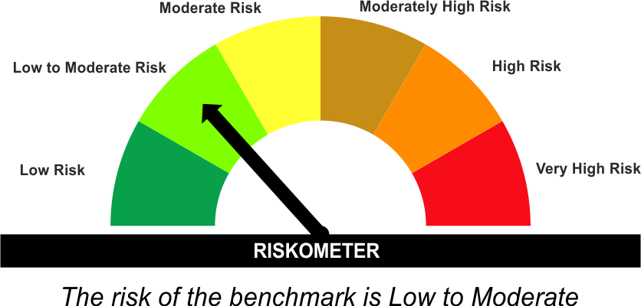
The product is suitable for investors who are seeking* | Scheme Riskometer# | Benchmark Riskometer (as applicable) #
•Income for medium term capital appreciation with current income. |  | As per AMFI Tier I Benchmark i . e . Nifty Banking & PSU Debt Index AII
•An income fund that invests predominantly in debt and money market instruments issued by Banks, Public Sector Undertakings, Public Financial Institutions and Municipal Bonds

*Investors should consult their financial advisers if in doubt about whether the product is suitable for them.
#The Scheme and Benchmark riskometer disclosed above is latest available riskometer, for any updates please visit the AMC’s website (https://www.licmf.com/downloads/risk-o-meter-disclosure).
Mutual Fund investments are subject to market risks, read all scheme related documents carefully.

Potential Risk Class
Credit Risk | Relatively Low (Class A) | Moderate (Class B) | Relatively High (Class C)
Interest Rate Risk
Relatively Low (Class I)
Moderate (Class II)
Relatively High (Class III) | A-III

 | Portfolio Information
Scheme Name : | LIC MF Banking & PSU Fund
Description (if any) | Banking and PSU Fund
Annualised Portfolio YTM* : | 7.07
Macaulay Duration | 2.75 Years
Residual Maturity | 3.55 Years
As on (Date) | 31 January 2026
* in case of semi annual YTM, it will be annualised
As the Regular and Direct plans have a common portfolio, the Portfolio yield given above is at the Scheme level

LDMIPF
LIC MF CONSERVATIVE HYBRID FUND |  |  |  |  | Index

Monthly Portfolio Statement as on January 31,2026
Name of the Instrument | ISIN | Industry / Rating | Quantity | Market/Fair Value (Rounded, Rs. In Lacs) | Rounded, % to Net Assets | Yield
Equity & Equity related
(a)Listed / Awaiting listing on Stock Exchanges
HDFC Bank Ltd. | INE040A01034 | Banks | 21,686.000 | 201.52 | 4.14%
Infosys Ltd. | INE009A01021 | IT - Software | 7,753.000 | 127.23 | 2.61%
Reliance Industries Ltd. | INE002A01018 | Petroleum Products | 9,031.000 | 126.02 | 2.59%
Bharat Forge Ltd. | INE465A01025 | Auto Components | 5,560.000 | 80.14 | 1.65%
Axis Bank Ltd. | INE238A01034 | Banks | 5,803.000 | 79.52 | 1.63%
Hindustan Unilever Ltd. | INE030A01027 | Diversified FMCG | 2,852.000 | 67.68 | 1.39%
Shriram Finance Ltd. | INE721A01047 | Finance | 6,116.000 | 62.38 | 1.28%
ICICI Bank Ltd. | INE090A01021 | Banks | 4,213.000 | 57.09 | 1.17%
Mahindra & Mahindra Ltd. | INE101A01026 | Automobiles | 1,354.000 | 46.47 | 0.95%
KWALITY WALL'S INDIA LTD # | INE2KCE01013 | Food Products | 2,852.000 | 1.03 | 0.02%
Sub Total |  |  |  | 849.08 | 17.44%
(b) Unlisted
Sub Total |  |  |  | NIL | NIL

TOTAL |  |  |  | 849.08 | 17.44%

Debt Instruments
(a)Listed / Awaiting listing on stock Exchanges
7.32% Government of India | IN0020230135 | SOVEREIGN | 500,000.000 | 526.28 | 10.81% | 6.52%
7.17% Government of India | IN0020230036 | SOVEREIGN | 500,000.000 | 524.71 | 10.78% | 6.48%
7.65% State Government of Tamil Nadu | IN3120230260 | SOVEREIGN | 500,000.000 | 520.36 | 10.69% | 7.46%
6.79% Government of India | IN0020240126 | SOVEREIGN | 500,000.000 | 512.50 | 10.53% | 6.85%
8.13% Nuclear Power Corporation ** | INE206D08378 | CRISIL AAA | 40.000 | 420.72 | 8.64% | 7.03%
Indian Railway Finance Corporation Ltd. (ZCB) ** | INE053F08536 | CRISIL AAA | 500.000 | 261.97 | 5.38% | 6.80%
7.38% Government of India | IN0020220037 | SOVEREIGN | 200,000.000 | 206.08 | 4.23% | 5.78%
7.19% State Government of Tamil Nadu | IN3120190225 | SOVEREIGN | 150,000.000 | 152.92 | 3.14% | 7.14%
Sub Total |  |  |  | 3,125.54 | 64.20%

(b)Privately Placed/Unlisted
Sub Total |  |  |  | NIL | NIL

(c)Securitised Debt Instruments
Sub Total |  |  |  | NIL | NIL

TOTAL |  |  |  | 3,125.54 | 64.19%

Money Market Instruments

Treasury Bill
364 DAYS TBILL RED 01-05-2026 | IN002025Z054 | SOVEREIGN | 600,000.000 | 592.11 | 12.16% | 5.46%
Sub Total |  |  |  | 592.11 | 12.16%

TOTAL |  |  |  | 592.11 | 12.16%

Others
Investment in Mutual fund
SBI CDMDF--A2 | INF0RQ622028 |  | 157.192 | 18.23 | 0.37%

TOTAL |  |  |  | 18.23 | 0.37%

Treps / Reverse Repo
Treps |  |  |  | 295.59 | 6.07%
Sub Total |  |  |  | 295.59 | 6.07%

TOTAL |  |  |  | 295.59 | 6.07%
Net Receivables / (Payables) |  |  |  | (11.19) | (0.23%)
GRAND TOTAL |  |  |  | 4,869.36 | 100.00%

# Unlisted Security
** Non Traded Security
ZCB - Zero Coupon Bond

The product is suitable for investors who are seeking* | Scheme Riskometer# | Benchmark Riskometer (as applicable) #
•Medium term capital appreciation with current income | 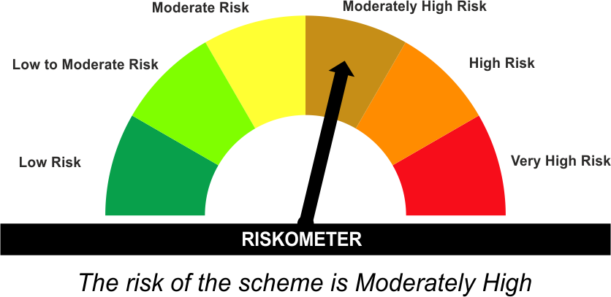 | As per AMFI Tier I Benchmark i.e. CRISIL Hybrid 85+15 Conservative Index
•A fund that invests predominantly in debt instruments with marginal equity exposure. |  | 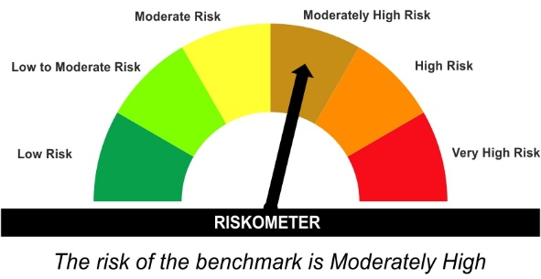

*Investors should consult their financial advisers if in doubt about whether the product is suitable for them.
#The Scheme and Benchmark riskometer disclosed above is latest available riskometer, for any updates please visit the AMC’s website (https://www.licmf.com/downloads/risk-o-meter-disclosure).
Mutual Fund investments are subject to market risks, read all scheme related documents carefully.

LDONTF
LIC MF OVERNIGHT FUND |  |  |  |  | Index

Monthly Portfolio Statement as on January 31,2026
Name of the Instrument | ISIN | Industry / Rating | Quantity | Market/Fair Value (Rounded, Rs. In Lacs) | Rounded, % to Net Assets | Yield

Money Market Instruments

Treasury Bill
364 DAYS TBILL RED 20-02-2026 | IN002024Z453 | SOVEREIGN | 2,500,000.000 | 2,493.38 | 3.50% | 5.10%
91 DAYS TBILL RED 06-02-2026 | IN002025X323 | SOVEREIGN | 1,500,000.000 | 1,498.97 | 2.10% | 5.00%
364 DAYS TBILL RED 12-02-2026 | IN002024Z446 | SOVEREIGN | 1,500,000.000 | 1,497.70 | 2.10% | 5.10%
Sub Total |  |  |  | 5,490.05 | 7.71%

TOTAL |  |  |  | 5,490.05 | 7.71%

Treps / Reverse Repo
Reverse Repo |  |  |  | 55,173.74 | 77.48%
Treps |  |  |  | 10,511.77 | 14.76%
Sub Total |  |  |  | 65,685.51 | 92.23%

TOTAL |  |  |  | 65,685.51 | 92.23%
Net Receivables / (Payables) |  |  |  | 39.31 | 0.06%
GRAND TOTAL |  |  |  | 71,214.87 | 100.00%

The product is suitable for investors who are seeking* | Scheme Riskometer# | Benchmark Riskometer (as applicable) #
•Income with high levels of safety and liquidity over short term. |  | As per AMFI Tier IBenchmark i . e . NIFTY 1D Rate Index
•Investment in debt and money market instruments with overnight maturity. |  | 

*Investors should consult their financial advisers if in doubt about whether the product is suitable for them.
#The Scheme and Benchmark riskometer disclosed above is latest available riskometer, for any updates please visit the AMC’s website (https://www.licmf.com/downloads/risk-o-meter-disclosure).
Mutual Fund investments are subject to market risks, read all scheme related documents carefully.

Potential Risk Class
Credit Risk | Relatively Low (Class A) | Moderate (Class B) | Relatively High (Class C)
Interest Rate Risk
Relatively Low (Class I) | A-I
Moderate (Class II)
Relatively High (Class III)

 | Portfolio Information
Scheme Name : | LIC MF Overnight Fund
Description (if any) | Overnight Fund
Annualised Portfolio YTM* : | 5.33
Macaulay Duration | 0.01 Years
Residual Maturity | 0.01 Years
As on (Date) | 31 January 2026
* in case of semi annual YTM, it will be annualised
As the Regular and Direct plans have a common portfolio, the Portfolio yield given above is at the Scheme level

LDSAPF
LIC MF LOW DURATION FUND |  |  |  |  | Index

Monthly Portfolio Statement as on January 31,2026
Name of the Instrument | ISIN | Industry / Rating | Quantity | Market/Fair Value (Rounded, Rs. In Lacs) | Rounded, % to Net Assets | Yield

Debt Instruments
(a)Listed / Awaiting listing on stock Exchanges
7.64% REC Ltd. ** | INE020B08EX7 | ICRA AAA | 7,500.000 | 7,972.56 | 4.27% | 7.16%
7.78% Bajaj Housing Finance Ltd. ** | INE377Y07425 | CRISIL AAA | 500.000 | 5,267.02 | 2.82% | 7.41%
7.865% LIC Housing Finance Ltd. ** | INE115A07QT1 | CRISIL AAA | 5,000.000 | 5,182.41 | 2.78% | 7.43%
8.75% 360 One Prime Ltd. ** | INE248U07GA9 | ICRA AA | 5,000.000 | 5,162.09 | 2.77% | 8.83%
6.6% REC Ltd. ** | INE020B08FZ9 | ICRA AAA | 5,000.000 | 5,160.63 | 2.76% | 7.16%
7.5% National Bk for Agriculture & Rural Dev. ** | INE261F08EA6 | CRISIL AAA | 5,000.000 | 5,154.47 | 2.76% | 7.40%
7.35% Bharti Telecom Ltd. ** | INE403D08272 | CRISIL AAA | 5,000.000 | 5,077.65 | 2.72% | 7.73%
6.9601% Mindspace Business Parks Reit ** | INE0CCU07181 | ICRA AAA | 5,000.000 | 4,977.76 | 2.67% | 7.58%
7.685% Tata Capital Housing Finance Ltd. ** | INE033L07IL7 | CRISIL AAA | 2,500.000 | 2,616.05 | 1.40% | 7.38%
7.49% National Bk for Agriculture & Rural Dev. ** | INE261F08EB4 | CRISIL AAA | 2,500.000 | 2,557.22 | 1.37% | 7.25%
7.5285% Poonawalla Fincorp Ltd. ** | INE511C07912 | CRISIL AAA | 2,500.000 | 2,554.47 | 1.37% | 7.82%
6.48% Government of India | IN0020250091 | SOVEREIGN | 2,500,000.000 | 2,513.84 | 1.35% | 6.81%
6.47% Indian Railway Finance Corporation Ltd. ** | INE053F08510 | CRISIL AAA | 1,500.000 | 1,546.28 | 0.83% | 7.09%
Government of India | IN001030C039 | SOVEREIGN | 1,541,400.000 | 1,130.68 | 0.61% | 6.89%
7.65% GIC Housing Finance Ltd. ** | INE289B07123 | CRISIL AA+ | 1,000.000 | 1,014.57 | 0.54% | 7.85%
7.77% REC Ltd. ** | INE020B08EH0 | CRISIL AAA | 500.000 | 539.50 | 0.29% | 7.05%
8.85% Power Grid Corporation of India Ltd. ** | INE752E07KL3 | CRISIL AAA | 40.000 | 517.26 | 0.28% | 7.33%
7.68% Tata Capital Ltd. ** | INE306N07NA6 | CRISIL AAA | 50.000 | 516.22 | 0.28% | 7.53%
Sub Total |  |  |  | 59,460.68 | 31.87%

(b)Privately Placed/Unlisted
Sub Total |  |  |  | NIL | NIL

(c)Securitised Debt Instruments
Sub Total |  |  |  | NIL | NIL

TOTAL |  |  |  | 59,460.68 | 31.85%

Money Market Instruments

Certificate of Deposit
Bank of Baroda ** # | INE028A16JR6 | FITCH A1+ | 2,500.000 | 12,226.70 | 6.55% | 7.22%
ICICI Bank Ltd. ** # | INE090AD6279 | CRISIL A1+ | 1,200.000 | 5,613.02 | 3.01% | 6.99%
Axis Bank Ltd. ** # | INE238AD6BA5 | CRISIL A1+ | 1,000.000 | 4,899.03 | 2.62% | 7.30%
Small Industries Development Bk of India ** # | INE556F16BI1 | CRISIL A1+ | 1,000.000 | 4,894.50 | 2.62% | 7.28%
Canara Bank ** # | INE476A16E87 | CRISIL A1+ | 1,000.000 | 4,889.85 | 2.62% | 7.21%
HDFC Bank Ltd. ** # | INE040A16HF0 | CRISIL A1+ | 1,000.000 | 4,823.67 | 2.58% | 7.21%
Axis Bank Ltd. ** # | INE238AD6BI8 | CRISIL A1+ | 1,000.000 | 4,760.76 | 2.55% | 7.17%
HDFC Bank Ltd. ** # | INE040A16HY1 | CRISIL A1+ | 1,000.000 | 4,731.25 | 2.53% | 7.13%
Bank of Baroda ** # | INE028A16KO1 | FITCH A1+ | 1,000.000 | 4,718.17 | 2.53% | 7.13%
Punjab National Bank ** # | INE160A16TZ9 | CRISIL A1+ | 1,000.000 | 4,708.63 | 2.52% | 7.13%
Canara Bank ** # | INE476A16G28 | CRISIL A1+ | 1,000.000 | 4,675.60 | 2.50% | 7.02%
National Bk for Agriculture & Rural Dev. ** # | INE261F16AF6 | CRISIL A1+ | 1,000.000 | 4,672.98 | 2.50% | 7.20%
Small Industries Development Bk of India ** # | INE556F16BW2 | CRISIL A1+ | 1,000.000 | 4,668.91 | 2.50% | 7.17%
Indian Bank ** # | INE562A16OL7 | FITCH A1+ | 600.000 | 2,975.08 | 1.59% | 6.65%
Small Industries Development Bk of India ** # | INE556F16BR2 | CRISIL A1+ | 600.000 | 2,840.41 | 1.52% | 7.27%
Export Import Bank of India ** # | INE514E16CK7 | CARE A1+ | 500.000 | 2,478.78 | 1.33% | 6.65%
AU Small Finance Bank Ltd. ** # | INE949L16DN2 | CRISIL A1+ | 500.000 | 2,456.28 | 1.32% | 7.56%
Axis Bank Ltd. ** # | INE238AD6BC1 | CRISIL A1+ | 500.000 | 2,409.43 | 1.29% | 7.22%
Indian Bank ** # | INE562A16OG7 | CRISIL A1+ | 100.000 | 497.02 | 0.27% | 6.63%
HDFC Bank Ltd. ** # | INE040A16GW7 | CRISIL A1+ | 100.000 | 489.61 | 0.26% | 7.24%
Sub Total |  |  |  | 84,429.68 | 45.23%

Commercial Paper
Angel One Ltd. ** | INE732I14CP0 | CRISIL A1+ | 1,000.000 | 4,954.19 | 2.65% | 7.85%
Standard Chartered Capital Ltd. ** | INE403G14TK7 | CRISIL A1+ | 1,000.000 | 4,911.73 | 2.63% | 8.00%
Time Technoplast Ltd. ** | INE508G14IF6 | ICRA A1+ | 1,000.000 | 4,833.42 | 2.59% | 8.50%
Indostar Capital Finance Ltd. ** | INE896L14EZ2 | CRISIL A1+ | 800.000 | 3,869.34 | 2.07% | 9.94%
Bajaj Finance Ltd. ** | INE296A14D21 | CRISIL A1+ | 700.000 | 3,307.30 | 1.77% | 7.65%
Sub Total |  |  |  | 21,875.98 | 11.72%

Treasury Bill
182 DAYS TBILL RED 21-05-2026 | IN002025Y347 | SOVEREIGN | 5,000,000.000 | 4,918.80 | 2.64% | 5.53%
364 DAYS TBILL RED 26-03-2026 | IN002024Z503 | SOVEREIGN | 2,500,000.000 | 2,481.11 | 1.33% | 5.24%
Sub Total |  |  |  | 7,399.91 | 3.96%

TOTAL |  |  |  | 113,705.57 | 60.91%

Others
Investment in Mutual fund
SBI CDMDF--A2 | INF0RQ622028 |  | 4,629.247 | 536.94 | 0.29%

TOTAL |  |  |  | 536.94 | 0.29%

Treps / Reverse Repo
Treps |  |  |  | 14,514.04 | 7.78%
Sub Total |  |  |  | 14,514.04 | 7.78%

TOTAL |  |  |  | 14,514.04 | 7.78%
Net Receivables / (Payables) |  |  |  | (1,553.60) | (0.83%)
GRAND TOTAL |  |  |  | 186,663.63 | 100.00%

# Unlisted Security
** Non Traded Security

The product is suitable for investors who are seeking* | Scheme Riskometer# | Benchmark Riskometer (as applicable) #
•Income for short term |  | As per AMFI Tier I Benchmark i.e. CRISIL Low Duration Debt A-I Index
•A fund that focuses on low duration securities.

*Investors should consult their financial advisers if in doubt about whether the product is suitable for them.
#The Scheme and Benchmark riskometer disclosed above is latest available riskometer, for any updates please visit the AMC’s website (https://www.licmf.com/downloads/risk-o-meter-disclosure).
Mutual Fund investments are subject to market risks, read all scheme related documents carefully.

Potential Risk Class
Credit Risk | Relatively Low (Class A) | Moderate (Class B) | Relatively High (Class C)
Interest Rate Risk
Relatively Low (Class I) |  | B-I
Moderate (Class II)
Relatively High (Class III)

 | Portfolio Information
Scheme Name : | LIC MF LOW DURATION FUND
Description (if any) | Low Duration Fund
Annualised Portfolio YTM* : | 7.15
Macaulay Duration | 0.83 Years
Residual Maturity | 0.87 Years
As on (Date) | 31 January 2026
* in case of semi annual YTM, it will be annualised
As the Regular and Direct plans have a common portfolio, the Portfolio yield given above is at the Scheme level

