YR47
 | Baroda BNP Paribas Ultra Short Duration Fund

 | Monthly Portfolio Statement as on May 31, 2026
 | Name of the Instrument | ISIN | Rating | Quantity | Market/Fair Value (Rs. in Lakhs) | % to Net Assets | YTM~ | YTC^ | null
 | Debt Instruments
 | (a) Listed / awaiting listing on Stock Exchange
LICH659 | 6.4% LIC Housing Finance Limited (30/11/2026) | INE115A07PN6 | CRISIL AAA | 280 | 2,775.90 | 3.58% | 7.94%
PHFP219 | 8.28% PNB Housing Finance Limited (30/12/2026) ** | INE572E07167 | CARE AAA | 2,500 | 2,501.37 | 3.23% | 8.23%
SUFI755 | 7.75% Sundaram Finance Limited (11/12/2026) ** | INE660A07RU2 | ICRA AAA | 2,500 | 2,491.66 | 3.22% | 8.12%
MUFL464 | 8.05% Muthoot Finance Limited (25/11/2027) ** | INE414G07JQ6 | CRISIL AA+ | 2,500 | 2,478.32 | 3.20% | 8.64%
NBAR701 | 7.58% National Bank For Agriculture and Rural Development (31/07/2026) ** | INE261F08DX0 | CRISIL AAA | 2,000 | 1,998.44 | 2.58% | 7.58%
SIDB519 | 7.44% Small Industries Dev Bank of India (04/09/2026) ** | INE556F08KI9 | CRISIL AAA | 2,000 | 1,996.22 | 2.58% | 7.76%
RECL312 | 7.54% REC Limited (30/12/2026) ** | INE020B08AC9 | CRISIL AAA | 200 | 1,993.65 | 2.57% | 7.87%
PFPL129 | 9% Piramal Finance Limited (28/06/2027) ** | INE202B07JT0 | ICRA AA+ | 1,500 | 1,501.29 | 1.94% | 8.89%
NBAR719 | 7.50% National Bank For Agriculture and Rural Development (31/08/2026) ** | INE261F08EA6 | CRISIL AAA | 1,500 | 1,497.85 | 1.93% | 7.66%
BHAT87 | 7.3% Bharti Telecom Limited (01/12/2027) ** | INE403D08306 | CRISIL AAA | 800 | 788.76 | 1.02% | 8.28%
IRLY371 | 7.23% Indian Railway Finance Corporation Limited (15/10/2026) ** | INE053F08304 | CRISIL AAA | 500 | 498.75 | 0.64% | 7.85%
 | Sub Total |  |  |  | 20,522.21 | 26.49%
 | (b) Privately placed / Unlisted |  |  |  | NIL | NIL
 | Sub Total |  |  |  | NIL | NIL
 | (c) Securitised Debt
VAJR27 | Vajra Trust (20/01/2028) ** | INE20NI15021 | CRISIL AAA(SO) | 19 | 1,124.62 | 1.45% | 10.76%
IUNT23 | India Universal Trust (21/11/2026) ** | INE1CBK15011 | CRISIL AAA(SO) | 13 | 148.40 | 0.19% | 8.53%
 | Sub Total |  |  |  | 1,273.02 | 1.64%
 | (b) Privately placed / Unlisted |  |  |  | NIL | NIL
 | Sub Total |  |  |  | NIL | NIL
 | Total |  |  |  | 21,795.23 | 28.13%
 | Money Market Instruments
 | Certificate of Deposit
UNBI444 | Union Bank of India (25/06/2026) # | INE692A16JQ1 | ICRA A1+ | 700 | 3,486.25 | 4.50% | 6.00%
IIBL1010 | IndusInd Bank Limited (27/01/2027) ** # | INE095A169C7 | CRISIL A1+ | 600 | 2,845.32 | 3.67% | 8.27%
HDFB1006 | HDFC Bank Limited (24/06/2026) ** # | INE040A16HB9 | CRISIL A1+ | 500 | 2,490.46 | 3.21% | 6.08%
UTIB1369 | Axis Bank Limited (11/08/2026) # | INE238AD6BD9 | CRISIL A1+ | 500 | 2,465.09 | 3.18% | 7.28%
AFPL169 | AU Small Finance Bank Limited (28/08/2026) ** # | INE949L16DQ5 | CARE A1+ | 500 | 2,455.57 | 3.17% | 7.50%
PUBA1162 | Punjab National Bank (02/09/2026) # | INE160A16UO1 | CRISIL A1+ | 500 | 2,453.43 | 3.17% | 7.45%
KMBK889 | Kotak Mahindra Bank Limited (24/09/2026) ** # | INE237AD6042 | CRISIL A1+ | 500 | 2,442.18 | 3.15% | 7.52%
SIDB630 | Small Industries Dev Bank of India (10/11/2026) ** # | INE556F16BR2 | CARE A1+ | 500 | 2,415.42 | 3.12% | 7.89%
INBK521 | Indian Bank (04/12/2026) # | INE562A16QM0 | CRISIL A1+ | 500 | 2,405.61 | 3.10% | 7.70%
CANB1089 | Canara Bank (12/02/2027) ** # | INE476A16H01 | CRISIL A1+ | 500 | 2,370.49 | 3.06% | 7.79%
IBCL1182 | ICICI Bank Limited (08/03/2027) ** # | INE090AD6295 | ICRA A1+ | 500 | 2,359.37 | 3.04% | 7.77%
UTIB1363 | Axis Bank Limited (25/06/2026) ** # | INE238AD6AZ4 | CRISIL A1+ | 300 | 1,494.06 | 1.93% | 6.04%
KMBK898 | Kotak Mahindra Bank Limited (21/12/2026) # | INE237AD6158 | CRISIL A1+ | 300 | 1,438.40 | 1.86% | 7.70%
SIDB649 | Small Industries Dev Bank of India (04/02/2027) ** # | INE556F16BY8 | CRISIL A1+ | 300 | 1,423.13 | 1.84% | 7.95%
HDFB1041 | HDFC Bank Limited (24/02/2027) # | INE040A16IO0 | CARE A1+ | 240 | 1,134.13 | 1.46% | 7.91%
HDFB1044 | HDFC Bank Limited (05/03/2027) ** # | INE040A16IU7 | CRISIL A1+ | 200 | 943.61 | 1.22% | 7.88%
CANB1100 | Canara Bank (15/09/2026) ** # | INE476A16I18 | ICRA A1+ | 100 | 489.36 | 0.63% | 7.49%
 | Sub Total |  |  |  | 35,111.88 | 45.31%
 | Commercial Paper
KOSE407 | Kotak Securities Limited (12/08/2026) ** | INE028E14WF1 | CRISIL A1+ | 500 | 2,460.62 | 3.18% | 8.11%
SCIN342 | Standard Chartered Capital Limited (23/09/2026) ** | INE403G14TV4 | CRISIL A1+ | 500 | 2,436.20 | 3.14% | 8.39%
LICH705 | LIC Housing Finance Limited (11/03/2027) ** | INE115A14FT0 | CRISIL A1+ | 300 | 1,412.91 | 1.82% | 7.95%
MUFL472 | Muthoot Finance Limited (11/09/2026) ** | INE414G14UU1 | CRISIL A1+ | 100 | 488.69 | 0.63% | 8.28%
 | Sub Total |  |  |  | 6,798.42 | 8.77%
 | Total |  |  |  | 41,910.30 | 54.08%
 | Others
 | Corporate Debt Market Development Fund
CDMD50ME | Corporate Debt Market Development Fund # | INF0RQ622028 |  | 2,878 | 339.27 | 0.44% | 5.80%
 | Sub Total |  |  |  | 339.27 | 0.44%
 | Total |  |  |  | 339.27 | 0.44%
 | Reverse Repo / TREPS
TRP_010626 | Clearing Corporation of India Ltd |  |  |  | 12,282.55 | 15.85% | 16.10%
 | Sub Total |  |  |  | 12,282.55 | 15.85%
 | (b) Privately placed / Unlisted |  |  |  | NIL | NIL
 | Sub Total |  |  |  | NIL | NIL
 | Total |  |  |  | 12,282.55 | 15.85%
 | Net Receivables / (Payables) |  |  |  | 1,170.69 | 1.50%
 | GRAND TOTAL |  |  |  | 77,498.04 | 100.00%

 | ** Thinly Traded / Non Traded Security
 | # Unlisted Security
 | ~ YTM as on May 31, 2026
 | ^ YTC represents Yield to Call provided by valuation agencies as on May 31, 2026. It is disclosed for Perpetual Bond issued by Banks (i.e. AT-1 Bond / Tier 1 Bond / Tier 2 Bond), as per AMFI Best Practices Guidelines Circular no. 135/BP/91/2020-21 read with SEBI circular No. SEBI/HO/IMD/DF4/CIR/P/2021/034 on Valuation of AT-1 Bonds and Tier 2 Bonds.

 | Notes & Symbols :-
 | # -> Less Than 0.005% ; A** -> Awaiting Listing on Stock Exchanges ; T** -> Thinly Traded Securities ; N** -> Non Traded Securities ; I** -> Illiquid Shares ; R** -> Rights Entitlement ; P** Preference Shares ; W** Warrants ; B** -> Below Investment Grade Security ; PP* -> Partly Paid;S** --> Suspended forTrading.
 | ^ -> Industry classification as recommended by AMFI and wherever not available, internal classification has been used ; D**->Does not include notional exposures to derivative instruments.
 | (1) Non Convertible Debentures and Bonds are considered as Traded based on information provided by external agencies.
 | (2) The Name of the Industry is in accordance with Industry Classification as recommended by AMFI.
 | (3) $ Yield based on aggregated yields as per Crisil's and ICRA's SLV price feeds and TREPS yield as per the trade.
 | (4) All corporate ratings are assigned by rating agencies like CRISIL; CARE; ICRA; IND; BRW.
 | (5) The provision made for securities classified as below investment grade or default as of May 31, 2026 is Rs Nil and its percentage to Net Asset Value is Nil .
 | (6) Aggregate value of illiquid shares of the fund amounts to Rs. Nil and their percentage to Net Asset value is Nil.
 | (7) Plan/option wise per unit Net Asset Value are as follows:
 | Plan/Option |  | As on April 30, 2026 | As on May 29, 2026
 | Regular Plan - Daily IDCW Option |  | 1006.0198 | 1006.2583
 | Regular Plan - Growth Option |  | 1620.7527 | 1625.5781
 | Regular Plan - Weekly IDCW Option |  | 1000.3504 | 1000.9769
 | Direct Plan - Daily IDCW Option |  | 1006.8453 | 1007.0751
 | Direct Plan - Growth Option |  | 1644.2443 | 1649.3488
 | Direct Plan - Weekly IDCW Option |  | 0.0000 | 0.0000

 | (8) Details of Dividend declared per unit (In Rupees) during the period are as follows |  | Individuals/HUF | Others
 | Regular Plan - Daily IDCW Option |  | 2.7528 | 2.7528
 | Regular Plan - Weekly IDCW Option |  | 2.3493 | 2.3493
 | Direct Plan - Daily IDCW Option |  | 2.8924 | 2.8924
 | Direct Plan - Weekly IDCW Option |  | 0.0000 | 0.0000

 | (9) There were no investments made in derivative instruments and no such derivative instrument was squared off/ expired /exercised during the period ended May 31, 2026. Further there are no investments in derivative instruments as on May 31, 2026.
 | (10) Total Market value of investments in Foreign Securities/American Depositary Receipts/Global Depositary Receipts as at May 31, 2026 is Rs. Nil.
 | (11) The Average Maturity period of the portfolio has been 153 days.
 | (12) Details of repo transaction in corporate debt securities for the period ended May 31, 2026 is Nil.
 | (13) Investments in debt instruments having structured obligations or credit enhancement features as at May 31, 2026 is Rs. 1273.02 Lacs.
 | (14) Investment in Partly paid Debentures during the periodly ended May 31, 2026 and as on May 31, 2026 is Rs. Nil.
 | (15) RATIONALE FOR DEVIATION FROM VALUATION AGENCY PRICE
 | Rationale for deviation from valuation price provided by the valuation agencies as per SEBI Circular dated 22nd March 2019 and 24th September 2019
 | during the period there were no cases of deviation from valuation agency price
 | To view the previous cases of deviation kindly refer the following link:
 | <<https://www.barodabnpparibasmf.in/statutory-disclosures/update-on-credit-events>>
 | (16) Transactions in Credit Default Swaps during period ended May 31, 2026 : Rs. Nil
 | (17) This scheme has exposure to floating rate instruments and / or interest rate derivatives. The duration of these instruments is linked to the interest rate reset period. The interest rate risk in a floating rate instrument or in a fixed rate instrument hedged with derivatives is likely to be lesser than that in an equivalent maturity fixed rate instrument. Under some market circumstances the volatility may be of an order greater than what may ordinarily be expected considering only its duration. Hence investors are recommended to consider the unadjusted portfolio maturity of the scheme as well and exercise adequate due diligence when deciding to make their investments.
 | (17) Macaulay Duration of the portfolio has been 143 days.
 | (18) Annualised Portfolio YTM has been 7.33.

 | †Concept of Macaulay duration: The Macaulay Duration is a measure of a bond’s sensitivity to interest rate changes. It is expressed in annual terms. It is the weighted average term to maturity of the cash flows from a bond. The weight of each cash flow is determined by dividing the present value of the cash flow by the price. Factors like a bond’s price, maturity, coupon, yield to maturity among others impact the calculation of Macaulay duration.

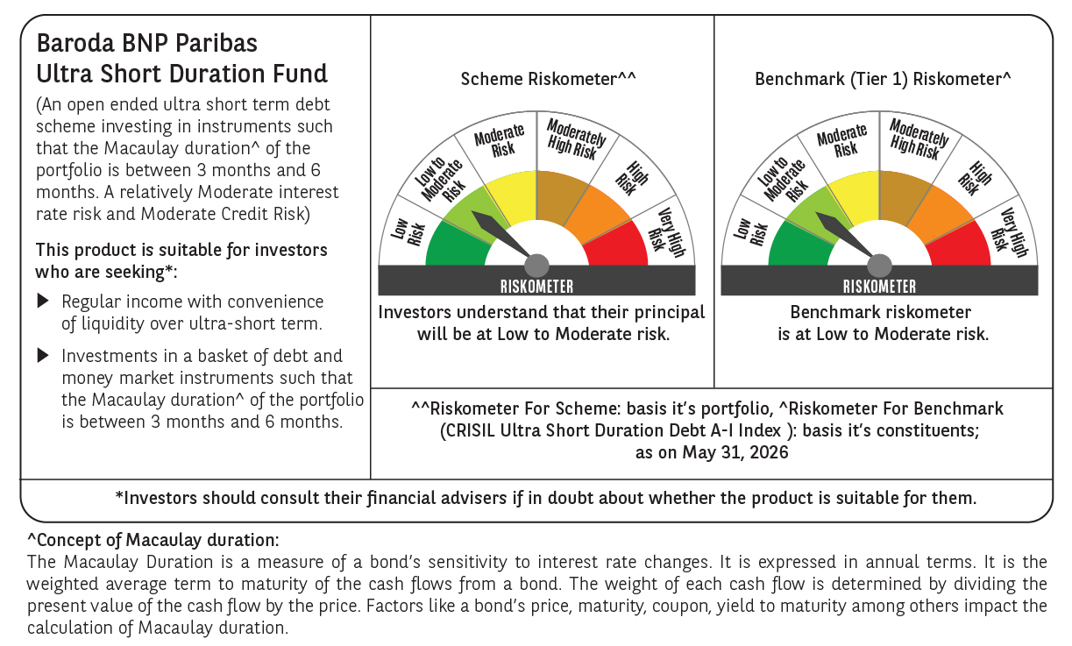

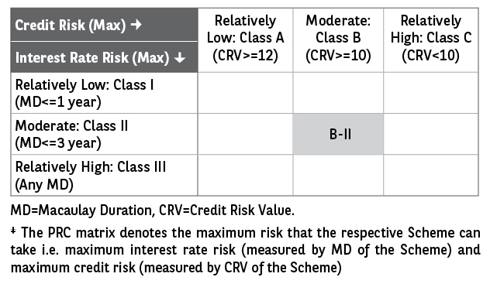

 | Monthly Performance Link: https://www.barodabnpparibasmf.in/assets/download_documents/Performance_of_Schemes_May_2026_18471.pdf

