YR29
 | Baroda BNP Paribas Banking & Financial Services Fund

 | Monthly Portfolio Statement as on May 31, 2026
 | Name of the Instrument | ISIN | Industry / Rating | Quantity | Market/Fair Value (Rs. in Lakhs) | % to Net Assets | YTM~ | YTC^ | null
 | Equity & Equity related
 | (a) Listed / awaiting listing on Stock Exchanges
SBAI02 | State Bank of India | INE062A01020 | Banks | 385,000 | 3,712.94 | 9.40%
UTIB02 | Axis Bank Limited | INE238A01034 | Banks | 270,000 | 3,473.82 | 8.80%
HDFB03 | HDFC Bank Limited | INE040A01034 | Banks | 450,000 | 3,350.48 | 8.48%
IBCL05 | ICICI Bank Limited | INE090A01021 | Banks | 250,000 | 3,141.00 | 7.95%
KOMA03 | Kotak Mahindra Bank Limited | INE237A01036 | Banks | 650,000 | 2,497.30 | 6.32%
IIBL01 | IndusInd Bank Limited | INE095A01012 | Banks | 225,000 | 2,057.29 | 5.21%
SHTR02 | Shriram Finance Limited | INE721A01047 | Finance | 145,000 | 1,373.37 | 3.48%
BAFL03 | Bajaj Finance Limited | INE296A01032 | Finance | 150,000 | 1,362.38 | 3.45%
MCEX02 | Multi Commodity Exchange of India Limited | INE745G01043 | Capital Markets | 45,000 | 1,329.53 | 3.37%
SLIF01 | SBI Life Insurance Company Limited | INE123W01016 | Insurance | 65,000 | 1,189.57 | 3.01%
KAVY06 | Karur Vysya Bank Limited | INE036D01028 | Banks | 375,000 | 1,082.81 | 2.74%
FEBA02 | The Federal Bank Limited | INE171A01029 | Banks | 350,000 | 1,011.33 | 2.56%
USFB01 | Ujjivan Small Finance Bank Limited | INE551W01018 | Banks | 1,800,000 | 979.02 | 2.48%
IPAM01 | ICICI Prudential Asset Management Company Limited | INE346A01027 | Capital Markets | 25,000 | 884.63 | 2.24%
ONCO02 | One 97 Communications Limited | INE982J01020 | Financial Technology (Fintech) | 76,038 | 850.71 | 2.15%
BSEL02 | BSE Limited | INE118H01025 | Capital Markets | 20,000 | 829.22 | 2.10%
UNBI01 | Union Bank of India | INE692A01016 | Banks | 475,000 | 797.43 | 2.02%
JKBL02 | The Jammu & Kashmir Bank Limited | INE168A01041 | Banks | 550,000 | 771.98 | 1.95%
MAXI02 | Max Financial Services Limited | INE180A01020 | Insurance | 44,722 | 748.65 | 1.90%
MUFL01 | Muthoot Finance Limited | INE414G01012 | Finance | 21,000 | 702.01 | 1.78%
AFPL02 | AU Small Finance Bank Limited | INE949L01017 | Banks | 70,000 | 689.29 | 1.75%
BAND01 | Bandhan Bank Limited | INE545U01014 | Banks | 300,000 | 624.90 | 1.58%
PRUD01 | Prudent Corporate Advisory Services Limited | INE00F201020 | Capital Markets | 20,000 | 544.04 | 1.38%
PHFP02 | PNB Housing Finance Limited | INE572E01012 | Finance | 52,500 | 541.01 | 1.37%
CUBI02 | City Union Bank Limited | INE491A01021 | Banks | 200,000 | 510.90 | 1.29%
CHOL02 | Cholamandalam Investment and Finance Company Ltd | INE121A01024 | Finance | 30,000 | 461.31 | 1.17%
ABFS01 | Aditya Birla Capital Limited | INE674K01013 | Finance | 125,000 | 454.13 | 1.15%
RATN01 | RBL Bank Limited | INE976G01028 | Banks | 120,000 | 414.00 | 1.05%
IIFM02 | 360 One WAM Limited | INE466L01038 | Capital Markets | 35,000 | 386.58 | 0.98%
 | Sub Total |  |  |  | 36,771.63 | 93.11%
 | (b) Unlisted |  |  |  | NIL | NIL
 | Sub Total |  |  |  | NIL | NIL
 | Total |  |  |  | 36,771.63 | 93.11%
 | Money Market Instruments
 | Treasury Bill
TBIL2566 | 364 Days Tbill (MD 17/09/2026) | IN002025Z252 | Sovereign | 500,000 | 491.92 | 1.25% | 5.55%
 | Sub Total |  |  |  | 491.92 | 1.25%
 | Total |  |  |  | 491.92 | 1.25%
 | Reverse Repo / TREPS
TRP_010626 | Clearing Corporation of India Ltd |  |  |  | 1,413.18 | 3.58% | 16.10%
 | Sub Total |  |  |  | 1,413.18 | 3.58%
 | Total |  |  |  | 1,413.18 | 3.58%
 | Net Receivables / (Payables) |  |  |  | 815.78 | 2.06%
 | GRAND TOTAL |  |  |  | 39,492.51 | 100.00%

 | ~ YTM as on May 31, 2026
 | ^ YTC represents Yield to Call provided by valuation agencies as on May 31, 2026. It is disclosed for Perpetual Bond issued by Banks (i.e. AT-1 Bond / Tier 1 Bond / Tier 2 Bond), as per AMFI Best Practices Guidelines Circular no. 135/BP/91/2020-21 read with SEBI circular No. SEBI/HO/IMD/DF4/CIR/P/2021/034 on Valuation of AT-1 Bonds and Tier 2 Bonds.

 | Notes & Symbols :-
 | # -> Less Than 0.005% ; A** -> Awaiting Listing on Stock Exchanges ; T** -> Thinly Traded Securities ; N** -> Non Traded Securities ; I** -> Illiquid Shares ; R** -> Rights Entitlement ; P** Preference Shares ; W** Warrants ; B** -> Below Investment Grade Security ; PP* -> Partly Paid;S** --> Suspended forTrading.
 | ^ -> Industry classification as recommended by AMFI and wherever not available, internal classification has been used ; D**->Does not include notional exposures to derivative instruments.
 | (1) Non Convertible Debentures and Bonds are considered as Traded based on information provided by external agencies.
 | (2) The Name of the Industry is in accordance with Industry Classification as recommended by AMFI.
 | (3) $ Yield based on aggregated yields as per Crisil's and ICRA's SLV price feeds and TREPS yield as per the trade.
 | (4) All corporate ratings are assigned by rating agencies like CRISIL; CARE; ICRA; IND; BRW.
 | (5) The provision made for securities classified as below investment grade or default as of May 31, 2026 is Rs Nil and its percentage to Net Asset Value is Nil .
 | (6) Aggregate value of illiquid shares of the fund amounts to Rs. Nil and their percentage to Net Asset value is Nil.
 | (7) Plan/option wise per unit Net Asset Value are as follows:
 | Plan/Option |  | As on April 30, 2026 | As on May 29, 2026
 | Regular Plan - IDCW Option |  | 19.2624 | 19.1770
 | Regular Plan - Growth Option |  | 46.9720 | 46.7637
 | Direct Plan - IDCW Option |  | 22.3189 | 22.2496
 | Direct Plan - Growth Option |  | 53.2498 | 53.0844

 | (8) No Dividend declared during the period ended May 31, 2026
 | (9) There were no investments in derivative instruments as on May 31, 2026.
 | (10) Total Market value of investments in Foreign Securities/American Depositary Receipts/Global Depositary Receipts as at May 31, 2026 is Rs. Nil.
 | (11) During the period, the portfolio turnover ratio is 0.76 times.
 | (12) Details of repo transaction in corporate debt securities for the period ended May 31, 2026 is Nil.
 | (13) Investments in debt instruments having structured obligations or credit enhancement features as at May 31, 2026 is Rs. Nil.
 | (14) Investment in Partly paid Debentures during the periodly ended May 31, 2026 and as on May 31, 2026 is Rs. Nil.
 | (15) RATIONALE FOR DEVIATION FROM VALUATION AGENCY PRICE
 | Rationale for deviation from valuation price provided by the valuation agencies as per SEBI Circular dated 22nd March 2019 and 24th September 2019
 | during the period there were no cases of deviation from valuation agency price
 | To view the previous cases of deviation kindly refer the following link:
 | <<https://www.barodabnpparibasmf.in/statutory-disclosures/update-on-credit-events>>
 | (16) Transactions in Credit Default Swaps during period ended May 31, 2026 : Rs. Nil

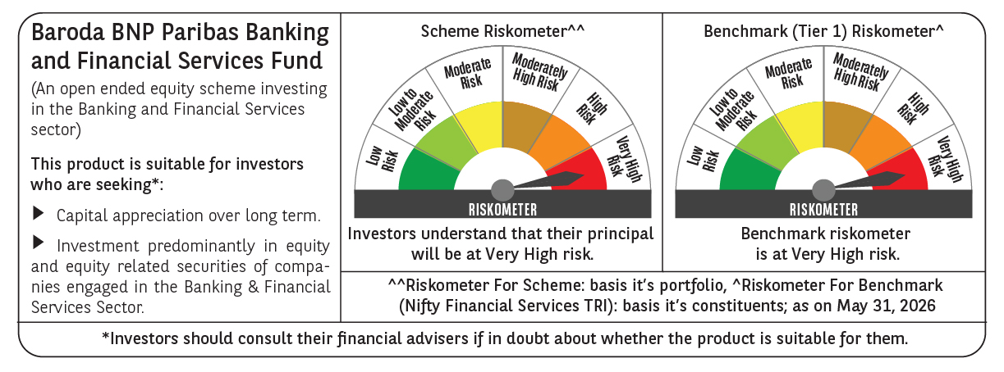

 | Monthly Performance Link: https://www.barodabnpparibasmf.in/assets/download_documents/Performance_of_Schemes_May_2026_18471.pdf

