YR07
 | Baroda BNP Paribas Gilt Fund

 | Monthly Portfolio Statement as on May 31, 2026
 | Name of the Instrument | ISIN | Rating | Quantity | Market/Fair Value (Rs. in Lakhs) | % to Net Assets | YTM~ | YTC^ | null
 | Debt Instruments
 | (a) Listed / awaiting listing on Stock Exchange
GOI6960 | 7.24% Government of India (18/08/2055) | IN0020250075 | Sovereign | 13,000,000 | 12,398.15 | 18.85% | 7.78%
GOI7411 | 6.36% Government of India (16/02/2031) | IN0020250141 | Sovereign | 8,528,000 | 8,370.97 | 12.73% | 6.94%
GOI6638 | 6.9% Government of India (15/04/2065) | IN0020250018 | Sovereign | 8,135,700 | 7,336.44 | 11.16% | 7.85%
GOI3591 | 6.91% State Government Securities (15/09/2033) | IN2220210248 | Sovereign | 5,700,000 | 5,466.23 | 8.31% | 7.80%
GOI6889 | 6.68% Government of India (07/07/2040) | IN0020250042 | Sovereign | 5,500,020 | 5,189.52 | 7.89% | 7.46%
GOI4333 | 7.29% State Government Securities (30/03/2032) | IN1520210239 | Sovereign | 5,000,000 | 4,928.29 | 7.49% | 7.74%
GOI6919 | 6.01% Government of India (21/07/2030) | IN0020250067 | Sovereign | 3,750,000 | 3,662.64 | 5.57% | 6.77%
GOI6019 | 7.09% Government of India (05/08/2054) | IN0020240118 | Sovereign | 3,800,000 | 3,563.55 | 5.42% | 7.77%
GOI7629 | 6.94% Government of India (11/05/2036) | IN0020260025 | Sovereign | 2,500,000 | 2,493.51 | 3.79% | 7.10%
GOI7336 | 6.68% Government of India (27/01/2033) | IN0020250133 | Sovereign | 2,500,000 | 2,459.25 | 3.74% | 7.11%
GOI3079 | 7.11% State Government Securities (17/03/2031) | IN1520200297 | Sovereign | 2,000,000 | 1,971.51 | 3.00% | 7.60%
GOI7094 | 6.48% Government of India (06/10/2035) | IN0020250091 | Sovereign | 1,700,000 | 1,639.39 | 2.49% | 7.13%
GOI5228 | 7.18% Government of India (14/08/2033) | IN0020230085 | Sovereign | 1,300,000 | 1,311.64 | 1.99% | 7.14%
GOI7446 | 7.4% State Government Securities (25/02/2036) | IN1520250318 | Sovereign | 500,000 | 489.46 | 0.74% | 7.86%
 | Sub Total |  |  |  | 61,280.55 | 93.17%
 | (b) Privately placed / Unlisted |  |  |  | NIL | NIL
 | Sub Total |  |  |  | NIL | NIL
 | Total |  |  |  | 61,280.55 | 93.17%
 | Money Market Instruments
 | Treasury Bill
TBIL2656 | 91 Days Tbill (MD 13/08/2026) | IN002026X065 | Sovereign | 2,500,000 | 2,472.80 | 3.76% | 5.50%
 | Sub Total |  |  |  | 2,472.80 | 3.76%
 | Total |  |  |  | 2,472.80 | 3.76%
 | Reverse Repo / TREPS
TRP_010626 | Clearing Corporation of India Ltd |  |  |  | 1,919.45 | 2.92% | 16.10%
 | Sub Total |  |  |  | 1,919.45 | 2.92%
 | (b) Privately placed / Unlisted |  |  |  | NIL | NIL
 | Sub Total |  |  |  | NIL | NIL
 | Total |  |  |  | 1,919.45 | 2.92%
 | Net Receivables / (Payables) |  |  |  | 84.35 | 0.15%
 | GRAND TOTAL |  |  |  | 65,757.15 | 100.00%

 | ~ YTM as on May 31, 2026
 | ^ YTC represents Yield to Call provided by valuation agencies as on May 31, 2026. It is disclosed for Perpetual Bond issued by Banks (i.e. AT-1 Bond / Tier 1 Bond / Tier 2 Bond), as per AMFI Best Practices Guidelines Circular no. 135/BP/91/2020-21 read with SEBI circular No. SEBI/HO/IMD/DF4/CIR/P/2021/034 on Valuation of AT-1 Bonds and Tier 2 Bonds.

 | Notes & Symbols :-
 | # -> Less Than 0.005% ; A** -> Awaiting Listing on Stock Exchanges ; T** -> Thinly Traded Securities ; N** -> Non Traded Securities ; I** -> Illiquid Shares ; R** -> Rights Entitlement ; P** Preference Shares ; W** Warrants ; B** -> Below Investment Grade Security ; PP* -> Partly Paid;S** --> Suspended forTrading.
 | ^ -> Industry classification as recommended by AMFI and wherever not available, internal classification has been used ; D**->Does not include notional exposures to derivative instruments.
 | (1) Non Convertible Debentures and Bonds are considered as Traded based on information provided by external agencies.
 | (2) The Name of the Industry is in accordance with Industry Classification as recommended by AMFI.
 | (3) $ Yield based on aggregated yields as per Crisil's and ICRA's SLV price feeds and TREPS yield as per the trade.
 | (4) All corporate ratings are assigned by rating agencies like CRISIL; CARE; ICRA; IND; BRW.
 | (5) The provision made for securities classified as below investment grade or default as of May 31, 2026 is Rs Nil and its percentage to Net Asset Value is Nil .
 | (6) Aggregate value of illiquid shares of the fund amounts to Rs. Nil and their percentage to Net Asset value is Nil.
 | (7) Plan/option wise per unit Net Asset Value are as follows:
 | Plan/Option |  | As on April 30, 2026 | As on May 29, 2026
 | Regular Plan - IDCW Option |  | 25.3774 | 25.4217
 | Regular Plan - Growth Option |  | 42.7552 | 42.8299
 | Direct Plan - IDCW Option |  | 34.5266 | 34.5945
 | Direct Plan - Growth Option |  | 47.0323 | 47.1248

 | (8) No Dividend declared during the period ended May 31, 2026
 | (9) There were no investments made in derivative instruments and no such derivative instrument was squared off/ expired /exercised during the period ended May 31, 2026. Further there are no investments in derivative instruments as on May 31, 2026.
 | (10) Total Market value of investments in Foreign Securities/American Depositary Receipts/Global Depositary Receipts as at May 31, 2026 is Rs. Nil.
 | (11) The Average Maturity period of the portfolio has been 5700 days.
 | (12) Details of repo transaction in corporate debt securities for the period ended May 31, 2026 is Nil.
 | (13) Investments in debt instruments having structured obligations or credit enhancement features as at May 31, 2026 is Rs. Nil.
 | (14) Investment in Partly paid Debentures during the periodly ended May 31, 2026 and as on May 31, 2026 is Rs. Nil.
 | (15) RATIONALE FOR DEVIATION FROM VALUATION AGENCY PRICE
 | Rationale for deviation from valuation price provided by the valuation agencies as per SEBI Circular dated 22nd March 2019 and 24th September 2019
 | during the period there were no cases of deviation from valuation agency price
 | To view the previous cases of deviation kindly refer the following link:
 | <<https://www.barodabnpparibasmf.in/statutory-disclosures/update-on-credit-events>>
 | (16) Transactions in Credit Default Swaps during period ended May 31, 2026 : Rs. Nil
 | (17) Macaulay Duration of the portfolio has been 2750 days.
 | (18) Annualised Portfolio YTM has been 7.23.

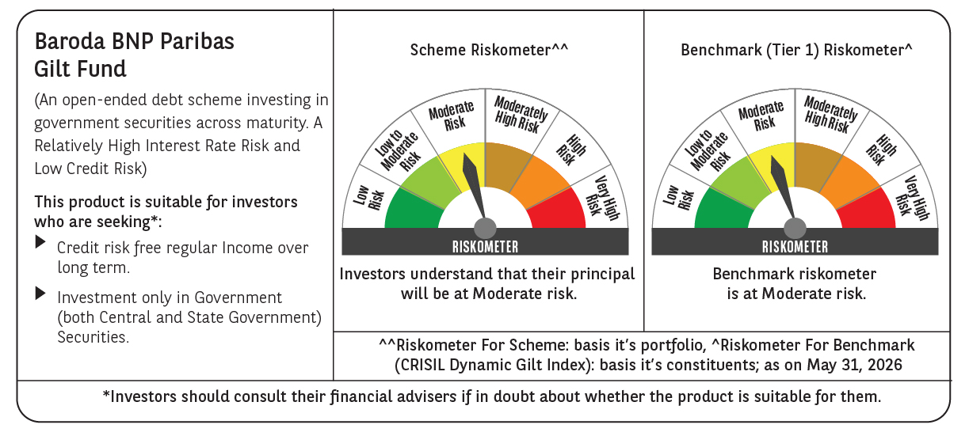



 | Monthly Performance Link: https://www.barodabnpparibasmf.in/assets/download_documents/Performance_of_Schemes_May_2026_18471.pdf

