T0ME45
 | Baroda BNP Paribas Health and Wellness Fund

 | Monthly Portfolio Statement as on May 31, 2026
 | Name of the Instrument | ISIN | Industry | Quantity | Market/Fair Value (Rs. in Lakhs) | % to Net Assets | YTM~ | YTC^ | null
 | Equity & Equity related
 | (a) Listed / awaiting listing on Stock Exchanges
SPIL03 | Sun Pharmaceutical Industries Limited | INE044A01036 | Pharmaceuticals & Biotechnology | 275,000 | 4,947.80 | 9.09%
LUPL02 | Lupin Limited | INE326A01037 | Pharmaceuticals & Biotechnology | 140,000 | 3,174.78 | 5.83%
LAUR02 | Laurus Labs Limited | INE947Q01028 | Pharmaceuticals & Biotechnology | 230,000 | 3,132.60 | 5.76%
BOOT01 | Abbott India Limited | INE358A01014 | Pharmaceuticals & Biotechnology | 11,000 | 2,954.05 | 5.43%
TOPH02 | Torrent Pharmaceuticals Limited | INE685A01028 | Pharmaceuticals & Biotechnology | 65,000 | 2,867.02 | 5.27%
IPCA03 | IPCA Laboratories Limited | INE571A01038 | Pharmaceuticals & Biotechnology | 185,000 | 2,820.14 | 5.18%
APOL02 | Apollo Hospitals Enterprise Limited | INE437A01024 | Healthcare Services | 31,000 | 2,534.72 | 4.66%
JBCH03 | JB Chemicals & Pharmaceuticals Limited | INE572A01036 | Pharmaceuticals & Biotechnology | 110,000 | 2,384.14 | 4.38%
FRHL01 | Fortis Healthcare Limited | INE061F01013 | Healthcare Services | 250,000 | 2,321.13 | 4.27%
ASPH02 | AstraZeneca Pharma India Limited | INE203A01020 | Pharmaceuticals & Biotechnology | 26,000 | 2,244.19 | 4.12%
DIVI02 | Divi's Laboratories Limited | INE361B01024 | Pharmaceuticals & Biotechnology | 30,000 | 2,000.10 | 3.68%
EMPH02 | Emcure Pharmaceuticals Limited | INE168P01015 | Pharmaceuticals & Biotechnology | 108,535 | 1,840.75 | 3.38%
SLIF01 | SBI Life Insurance Company Limited | INE123W01016 | Insurance | 100,000 | 1,830.10 | 3.36%
ADHL01 | Aster DM Healthcare Limited | INE914M01019 | Healthcare Services | 235,000 | 1,711.62 | 3.15%
IPLI01 | ICICI Prudential Life Insurance Company Limited | INE726G01019 | Insurance | 290,000 | 1,461.46 | 2.69%
AUPH03 | Aurobindo Pharma Limited | INE406A01037 | Pharmaceuticals & Biotechnology | 100,000 | 1,426.40 | 2.62%
GLPH03 | Glenmark Pharmaceuticals Limited | INE935A01035 | Pharmaceuticals & Biotechnology | 62,500 | 1,421.81 | 2.61%
DLPL01 | Dr. Lal Path Labs Limited | INE600L01024 | Healthcare Services | 85,000 | 1,366.29 | 2.51%
AMIO02 | Acutaas Chemicals Limited | INE00FF01025 | Pharmaceuticals & Biotechnology | 36,040 | 1,128.95 | 2.07%
CHEL02 | Zydus Lifesciences Limited | INE010B01027 | Pharmaceuticals & Biotechnology | 100,000 | 1,077.70 | 1.98%
NHSP02 | Nephrocare Health Services Ltd | INE428V01029 | Healthcare Services | 150,000 | 898.05 | 1.65%
MEDP01 | MedPlus Health Services Limited | INE804L01022 | Retailing | 100,000 | 895.20 | 1.65%
AJPH03 | Ajanta Pharma Limited | INE031B01049 | Pharmaceuticals & Biotechnology | 30,000 | 878.67 | 1.61%
INKN01 | Inventurus Knowledge Solutions Limited | INE115Q01022 | IT - Services | 50,000 | 837.80 | 1.54%
CONB01 | Concord Biotech Limited | INE338H01029 | Pharmaceuticals & Biotechnology | 75,000 | 788.40 | 1.45%
METR01 | Metropolis Healthcare Limited | INE112L01020 | Healthcare Services | 125,000 | 694.19 | 1.28%
EMER01 | Procter & Gamble Health Limited | INE199A01012 | Pharmaceuticals & Biotechnology | 11,000 | 666.16 | 1.22%
MAXI02 | Max Financial Services Limited | INE180A01020 | Insurance | 39,722 | 664.95 | 1.22%
DRRL03 | Dr. Reddy's Laboratories Limited | INE089A01031 | Pharmaceuticals & Biotechnology | 50,000 | 651.75 | 1.20%
CIPL03 | Cipla Limited | INE059A01026 | Pharmaceuticals & Biotechnology | 45,000 | 630.45 | 1.16%
POME02 | Poly Medicure Limited | INE205C01021 | Healthcare Equipment & Supplies | 38,119 | 514.49 | 0.95%
GLAN02 | Gland Pharma Limited | INE068V01023 | Pharmaceuticals & Biotechnology | 10,000 | 225.00 | 0.41%
MKIP01 | Mankind Pharma Limited | INE634S01028 | Pharmaceuticals & Biotechnology | 750 | 17.82 | 0.03%
 | Sub Total |  |  |  | 53,008.68 | 97.41%
 | (b) Unlisted |  |  |  | NIL | NIL
 | Sub Total |  |  |  | NIL | NIL
 | Total |  |  |  | 53,008.68 | 97.41%
 | Reverse Repo / TREPS
TRP_010626 | Clearing Corporation of India Ltd |  |  |  | 1,988.00 | 3.65% | 16.10%
 | Sub Total |  |  |  | 1,988.00 | 3.65%
 | Total |  |  |  | 1,988.00 | 3.65%
 | Net Receivables / (Payables) |  |  |  | (579.86) | (1.06)%
 | GRAND TOTAL |  |  |  | 54,416.82 | 100.00%

 | ~ YTM as on May 31, 2026
 | ^ YTC represents Yield to Call provided by valuation agencies as on May 31, 2026. It is disclosed for Perpetual Bond issued by Banks (i.e. AT-1 Bond / Tier 1 Bond / Tier 2 Bond), as per AMFI Best Practices Guidelines Circular no. 135/BP/91/2020-21 read with SEBI circular No. SEBI/HO/IMD/DF4/CIR/P/2021/034 on Valuation of AT-1 Bonds and Tier 2 Bonds.

 | Notes & Symbols :-
 | # -> Less Than 0.005% ; A** -> Awaiting Listing on Stock Exchanges ; T** -> Thinly Traded Securities ; N** -> Non Traded Securities ; I** -> Illiquid Shares ; R** -> Rights Entitlement ; P** Preference Shares ; W** Warrants ; B** -> Below Investment Grade Security ; PP* -> Partly Paid;S** --> Suspended forTrading.
 | ^ -> Industry classification as recommended by AMFI and wherever not available, internal classification has been used ; D**->Does not include notional exposures to derivative instruments.
 | (1) Non Convertible Debentures and Bonds are considered as Traded based on information provided by external agencies.
 | (2) The Name of the Industry is in accordance with Industry Classification as recommended by AMFI.
 | (3) $ Yield based on aggregated yields as per Crisil's and ICRA's SLV price feeds and TREPS yield as per the trade.
 | (4) All corporate ratings are assigned by rating agencies like CRISIL; CARE; ICRA; IND; BRW.
 | (5) The provision made for securities classified as below investment grade or default as of May 31, 2026 is Rs Nil and its percentage to Net Asset Value is Nil .
 | (6) Aggregate value of illiquid shares of the fund amounts to Rs. Nil and their percentage to Net Asset value is Nil.
 | (7) Plan/option wise per unit Net Asset Value are as follows:
 | Plan/Option |  | As on April 30, 2026 | As on May 29, 2026
 | Regular Plan - IDCW Option |  | 9.4451 | 9.8556
 | Regular Plan - Growth Option |  | 9.4451 | 9.8556
 | Direct Plan - IDCW Option |  | 9.5893 | 10.0199
 | Direct Plan - Growth Option |  | 9.5893 | 10.0199

 | (8) No Dividend declared during the period ended May 31, 2026
 | (9) There were no investments made in derivative instruments and no such derivative instrument was squared off/ expired /exercised during the period ended May 31, 2026. Further there are no investments in derivative instruments as on May 31, 2026.
 | (10) Total Market value of investments in Foreign Securities/American Depositary Receipts/Global Depositary Receipts as at May 31, 2026 is Rs. Nil.
 | (11) During the period, the portfolio turnover ratio is 0.76 times.
 | (12) Details of repo transaction in corporate debt securities for the period ended May 31, 2026 is Nil.
 | (13) Investments in debt instruments having structured obligations or credit enhancement features as at May 31, 2026 is Rs. Nil.
 | (14) Investment in Partly paid Debentures during the periodly ended May 31, 2026 and as on May 31, 2026 is Rs. Nil.
 | (15) RATIONALE FOR DEVIATION FROM VALUATION AGENCY PRICE
 | Rationale for deviation from valuation price provided by the valuation agencies as per SEBI Circular dated 22nd March 2019 and 24th September 2019
 | during the period there were no cases of deviation from valuation agency price
 | To view the previous cases of deviation kindly refer the following link:
 | <<https://www.barodabnpparibasmf.in/statutory-disclosures/update-on-credit-events>>
 | (16) Transactions in Credit Default Swaps during period ended May 31, 2026 : Rs. Nil

A. | Hedging positions through futures as at 31 May 2026:

 | Underlying | Long / Short | Number of Contracts | Futures Price when purchased ( In Rs.) | Current price of the contract ( In Rs.) | Margin maintained (In Rs. Lakhs)
 | Nil

 | Total % of existing assets hedged through futures: Nil.
 | For the month ended 31 May 2026 following details specified for hedging transactions through futures which have been squared off/expired:
 | Total Number of contract where future were bought | Total Number of contract where future were sold | Gross Notional Value of contracts where futures were bought ( In Rs.) | Gross Notional Value of contracts where futures were sold ( In Rs.) | Net Profit/Loss value on all contracts combined ( In Rs.)
 | Nil

B. | Other than hedging position through futures as at 31 May 2026:
 | Underlying | Long / Short | Number of Contracts | Futures Price when purchased ( In Rs.) | Current price of the contract ( In Rs.) | Margin maintained (In Rs. Lakhs)
 | Nil

 | Total exposure due to futures (non hedging positions) as a % of net assets: Nil
 | For the month ended 31 May 2026 following details specified for non-hedging transactions through futures which have been squared off/expired:
 | Total Number of contract where future were bought | Total Number of contract where future were sold | Gross Notional Value of contracts where futures were bought ( In Rs.) | Gross Notional Value of contracts where futures were sold ( In Rs.) | Net Profit/Loss Value on all contracts combined ( In Rs.)
 | 130 | 130 | 71,580,217 | 72,377,975 | 797,759

C. | Hedging position through put options as at 31 May 2026 : Nil.
 | Total % age of existing assets hedged through put options: Nil.
 | For the month ended 31 May 2026 following details specified with regard to non-hedging transactions through options which have already been exercised/expired: Nil.

D. | Other than hedging position through options as at 31 May 2026: Nil.
 | Total exposure through options as a % of net assets: Nil.
 | For the month ended 31 May 2026 following details specified with regard to non-hedging transactions through options which have already been exercised/expired: Nil.

E. | Hedging positions through swaps as at 31 May 2026: Nil.

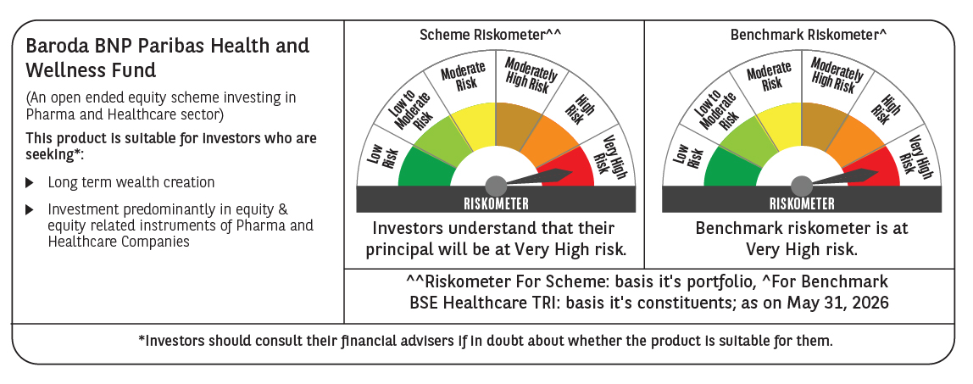

 | Monthly Performance Link: https://www.barodabnpparibasmf.in/assets/download_documents/Performance_of_Schemes_May_2026_18471.pdf

