T0ME42
 | Baroda BNP Paribas Energy Opportunities Fund

 | Monthly Portfolio Statement as on May 31, 2026
 | Name of the Instrument | ISIN | Industry / Rating | Quantity | Market/Fair Value (Rs. in Lakhs) | % to Net Assets | YTM~ | YTC^ | null
 | Equity & Equity related
 | (a) Listed / awaiting listing on Stock Exchanges
COAL01 | Coal India Limited | INE522F01014 | Consumable Fuels | 1,350,000 | 6,181.65 | 8.83%
RIND01 | Reliance Industries Limited | INE002A01018 | Petroleum Products | 420,000 | 5,549.04 | 7.92%
NTPC01 | NTPC Limited | INE733E01010 | Power | 1,200,000 | 4,642.80 | 6.63%
ONGC02 | Oil & Natural Gas Corporation Limited | INE213A01029 | Oil | 1,650,000 | 4,379.10 | 6.25%
PGCI01 | Power Grid Corporation of India Limited | INE752E01010 | Power | 1,300,000 | 3,777.15 | 5.39%
TPOW02 | Tata Power Company Limited | INE245A01021 | Power | 750,000 | 3,155.63 | 4.51%
BHAH02 | Bharat Heavy Electricals Limited | INE257A01026 | Electrical Equipment | 751,626 | 3,132.40 | 4.47%
ABBP01 | Hitachi Energy India Limited | INE07Y701011 | Electrical Equipment | 8,000 | 3,075.60 | 4.39%
KCUL02 | Cummins India Limited | INE298A01020 | Industrial Products | 50,000 | 2,940.50 | 4.20%
NHPC01 | NHPC Limited | INE848E01016 | Power | 3,600,000 | 2,839.32 | 4.05%
OIIL01 | Oil India Limited | INE274J01014 | Oil | 525,000 | 2,499.79 | 3.57%
LARS02 | Larsen & Toubro Limited | INE018A01030 | Construction | 60,000 | 2,445.90 | 3.49%
NAYV01 | NLC India Limited | INE589A01014 | Power | 600,000 | 2,085.30 | 2.98%
ASEA02 | ABB India Limited | INE117A01022 | Electrical Equipment | 25,000 | 1,813.25 | 2.59%
GAIL01 | GAIL (India) Limited | INE129A01019 | Gas | 1,100,000 | 1,809.61 | 2.58%
ALLI02 | GE Vernova T&D India Limited | INE200A01026 | Electrical Equipment | 35,000 | 1,802.01 | 2.57%
BOCL01 | Linde India Limited | INE473A01011 | Chemicals & Petrochemicals | 21,000 | 1,512.95 | 2.16%
KEII02 | KEI Industries Limited | INE878B01027 | Industrial Products | 26,667 | 1,404.68 | 2.01%
HPEC01 | Hindustan Petroleum Corporation Limited | INE094A01015 | Petroleum Products | 350,000 | 1,378.48 | 1.97%
CEES01 | Clean Max Enviro Energy Solutions Limited | INE647U01026 | Power | 119,309 | 1,324.21 | 1.89%
BPCL01 | Bharat Petroleum Corporation Limited | INE029A01011 | Petroleum Products | 400,000 | 1,192.40 | 1.70%
SIEM02 | Siemens Limited | INE003A01024 | Electrical Equipment | 30,000 | 1,153.20 | 1.65%
SENE01 | Siemens Energy India Limited | INE1NPP01017 | Electrical Equipment | 26,000 | 1,006.75 | 1.44%
ULCC01 | UltraTech Cement Limited | INE481G01011 | Cement & Cement Products | 8,000 | 918.56 | 1.31%
IOIC01 | Indian Oil Corporation Limited | INE242A01010 | Petroleum Products | 600,000 | 841.44 | 1.20%
PLNG01 | Petronet LNG Limited | INE347G01014 | Gas | 300,000 | 813.15 | 1.16%
IGAS02 | Indraprastha Gas Limited | INE203G01027 | Gas | 500,000 | 802.35 | 1.15%
ICEM01 | The India Cements Limited | INE383A01012 | Cement & Cement Products | 187,291 | 715.36 | 1.02%
TOPL01 | Torrent Power Limited | INE813H01021 | Power | 50,000 | 710.15 | 1.01%
KSPL02 | KSB Limited | INE999A01023 | Industrial Products | 82,500 | 651.67 | 0.93%
 | Sub Total |  |  |  | 66,554.40 | 95.02%
 | (b) Unlisted |  |  |  | NIL | NIL
 | Sub Total |  |  |  | NIL | NIL
 | Total |  |  |  | 66,554.40 | 95.02%
 | Money Market Instruments
 | Treasury Bill
TBIL2566 | 364 Days Tbill (MD 17/09/2026) | IN002025Z252 | Sovereign | 1,000,000 | 983.84 | 1.40% | 5.55%
 | Sub Total |  |  |  | 983.84 | 1.40%
 | Total |  |  |  | 983.84 | 1.40%
 | Reverse Repo / TREPS
TRP_010626 | Clearing Corporation of India Ltd |  |  |  | 2,008.97 | 2.87% | 16.10%
 | Sub Total |  |  |  | 2,008.97 | 2.87%
 | Total |  |  |  | 2,008.97 | 2.87%
 | Net Receivables / (Payables) |  |  |  | 479.96 | 0.71%
 | GRAND TOTAL |  |  |  | 70,027.17 | 100.00%

 | ~ YTM as on May 31, 2026
 | ^ YTC represents Yield to Call provided by valuation agencies as on May 31, 2026. It is disclosed for Perpetual Bond issued by Banks (i.e. AT-1 Bond / Tier 1 Bond / Tier 2 Bond), as per AMFI Best Practices Guidelines Circular no. 135/BP/91/2020-21 read with SEBI circular No. SEBI/HO/IMD/DF4/CIR/P/2021/034 on Valuation of AT-1 Bonds and Tier 2 Bonds.

 | Notes & Symbols :-
 | # -> Less Than 0.005% ; A** -> Awaiting Listing on Stock Exchanges ; T** -> Thinly Traded Securities ; N** -> Non Traded Securities ; I** -> Illiquid Shares ; R** -> Rights Entitlement ; P** Preference Shares ; W** Warrants ; B** -> Below Investment Grade Security ; PP* -> Partly Paid;S** --> Suspended forTrading.
 | ^ -> Industry classification as recommended by AMFI and wherever not available, internal classification has been used ; D**->Does not include notional exposures to derivative instruments.
 | (1) Non Convertible Debentures and Bonds are considered as Traded based on information provided by external agencies.
 | (2) The Name of the Industry is in accordance with Industry Classification as recommended by AMFI.
 | (3) $ Yield based on aggregated yields as per Crisil's and ICRA's SLV price feeds and TREPS yield as per the trade.
 | (4) All corporate ratings are assigned by rating agencies like CRISIL; CARE; ICRA; IND; BRW.
 | (5) The provision made for securities classified as below investment grade or default as of May 31, 2026 is Rs Nil and its percentage to Net Asset Value is Nil .
 | (6) Aggregate value of illiquid shares of the fund amounts to Rs. Nil and their percentage to Net Asset value is Nil.
 | (7) Plan/option wise per unit Net Asset Value are as follows:
 | Plan/Option |  | As on April 30, 2026 | As on May 29, 2026
 | Regular Plan - IDCW Option |  | 12.4673 | 12.3184
 | Regular Plan - Growth Option |  | 12.4673 | 12.3184
 | Direct Plan - IDCW Option |  | 12.6983 | 12.5581
 | Direct Plan - Growth Option |  | 12.6983 | 12.5581

 | (8) No Dividend declared during the period ended May 31, 2026
 | (9) There were no investments in derivative instruments as on May 31, 2026.
 | (10) Total Market value of investments in Foreign Securities/American Depositary Receipts/Global Depositary Receipts as at May 31, 2026 is Rs. Nil.
 | (11) During the period, the portfolio turnover ratio is 0.63 times.
 | (12) Details of repo transaction in corporate debt securities for the period ended May 31, 2026 is Nil.
 | (13) Investments in debt instruments having structured obligations or credit enhancement features as at May 31, 2026 is Rs. Nil.
 | (14) Investment in Partly paid Debentures during the periodly ended May 31, 2026 and as on May 31, 2026 is Rs. Nil.
 | (15) RATIONALE FOR DEVIATION FROM VALUATION AGENCY PRICE
 | Rationale for deviation from valuation price provided by the valuation agencies as per SEBI Circular dated 22nd March 2019 and 24th September 2019
 | during the period there were no cases of deviation from valuation agency price
 | To view the previous cases of deviation kindly refer the following link:
 | <<https://www.barodabnpparibasmf.in/statutory-disclosures/update-on-credit-events>>
 | (16) Transactions in Credit Default Swaps during period ended May 31, 2026 : Rs. Nil

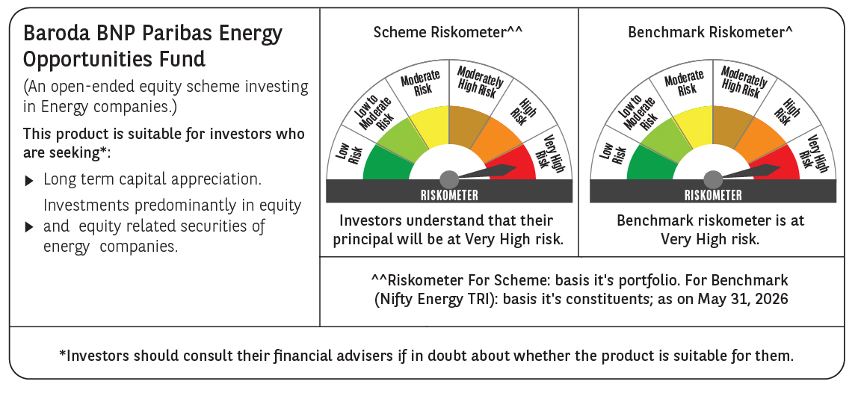

 | Monthly Performance Link: https://www.barodabnpparibasmf.in/assets/download_documents/Performance_of_Schemes_May_2026_18471.pdf

