T0ME41
 | Baroda BNP Paribas Childrens Fund

 | Monthly Portfolio Statement as on May 31, 2026
 | Name of the Instrument | ISIN | Industry / Rating | Quantity | Market/Fair Value (Rs. in Lakhs) | % to Net Assets | YTM~ | YTC^ | null
 | Equity & Equity related
 | (a) Listed / awaiting listing on Stock Exchanges
RIND01 | Reliance Industries Limited | INE002A01018 | Petroleum Products | 31,500 | 416.18 | 3.55%
BTVL02 | Bharti Airtel Limited | INE397D01024 | Telecom - Services | 22,500 | 411.53 | 3.51%
ABBP01 | Hitachi Energy India Limited | INE07Y701011 | Electrical Equipment | 881 | 338.70 | 2.89%
SBAI02 | State Bank of India | INE062A01020 | Banks | 35,000 | 337.54 | 2.88%
BHAH02 | Bharat Heavy Electricals Limited | INE257A01026 | Electrical Equipment | 74,200 | 309.23 | 2.64%
LARS02 | Larsen & Toubro Limited | INE018A01030 | Construction | 7,000 | 285.36 | 2.43%
TWAT02 | Titan Company Limited | INE280A01028 | Consumer Durables | 7,000 | 285.24 | 2.43%
PRRC03 | Navin Fluorine International Limited | INE048G01026 | Chemicals & Petrochemicals | 4,000 | 285.16 | 2.43%
POCA01 | Polycab India Limited | INE455K01017 | Industrial Products | 3,000 | 284.33 | 2.43%
SLIF01 | SBI Life Insurance Company Limited | INE123W01016 | Insurance | 15,000 | 274.52 | 2.34%
PSYL02 | Persistent Systems Limited | INE262H01021 | IT - Software | 5,000 | 259.72 | 2.22%
UTIB02 | Axis Bank Limited | INE238A01034 | Banks | 20,000 | 257.32 | 2.20%
KAVY06 | Karur Vysya Bank Limited | INE036D01028 | Banks | 87,600 | 252.95 | 2.16%
IBCL05 | ICICI Bank Limited | INE090A01021 | Banks | 20,000 | 251.28 | 2.14%
MCEX02 | Multi Commodity Exchange of India Limited | INE745G01043 | Capital Markets | 8,500 | 251.13 | 2.14%
MAHI02 | Mahindra & Mahindra Limited | INE101A01026 | Automobiles | 8,000 | 243.65 | 2.08%
HPEC01 | Hindustan Petroleum Corporation Limited | INE094A01015 | Petroleum Products | 60,000 | 236.31 | 2.02%
BHEL02 | Bharat Electronics Limited | INE263A01024 | Aerospace & Defense | 57,500 | 236.18 | 2.01%
KCUL02 | Cummins India Limited | INE298A01020 | Industrial Products | 4,000 | 235.24 | 2.01%
TEMA02 | Tech Mahindra Limited | INE669C01036 | IT - Software | 15,700 | 232.97 | 1.99%
FEBA02 | The Federal Bank Limited | INE171A01029 | Banks | 80,000 | 231.16 | 1.97%
BAFL03 | Bajaj Finance Limited | INE296A01032 | Finance | 25,000 | 227.06 | 1.94%
BOCL01 | Linde India Limited | INE473A01011 | Chemicals & Petrochemicals | 3,000 | 216.14 | 1.84%
HINI02 | Hindalco Industries Limited | INE038A01020 | Non - Ferrous Metals | 19,000 | 214.07 | 1.83%
BAND01 | Bandhan Bank Limited | INE545U01014 | Banks | 100,000 | 208.30 | 1.78%
BRIT03 | Britannia Industries Limited | INE216A01030 | Food Products | 3,950 | 205.58 | 1.75%
MAXI02 | Max Financial Services Limited | INE180A01020 | Insurance | 12,000 | 200.88 | 1.71%
DIVI02 | Divi's Laboratories Limited | INE361B01024 | Pharmaceuticals & Biotechnology | 3,000 | 200.01 | 1.71%
MAUD01 | Maruti Suzuki India Limited | INE585B01010 | Automobiles | 1,500 | 196.91 | 1.68%
NTPC01 | NTPC Limited | INE733E01010 | Power | 50,000 | 193.45 | 1.65%
SAGI01 | Sagility Limited | INE0W2G01015 | IT - Services | 451,000 | 185.09 | 1.58%
HERO02 | Hero MotoCorp Limited | INE158A01026 | Automobiles | 3,700 | 181.41 | 1.55%
TOPH02 | Torrent Pharmaceuticals Limited | INE685A01028 | Pharmaceuticals & Biotechnology | 4,000 | 176.43 | 1.51%
RCAM01 | Nippon Life India Asset Management Limited | INE298J01013 | Capital Markets | 16,000 | 176.03 | 1.50%
RAKH02 | Radico Khaitan Limited | INE944F01028 | Beverages | 5,000 | 175.93 | 1.50%
TRFO01 | Travel Food Services Limited | INE103V01028 | Leisure Services | 13,941 | 170.72 | 1.46%
LUPL02 | Lupin Limited | INE326A01037 | Pharmaceuticals & Biotechnology | 7,500 | 170.08 | 1.45%
METR01 | Metropolis Healthcare Limited | INE112L01020 | Healthcare Services | 30,000 | 166.61 | 1.42%
USFB01 | Ujjivan Small Finance Bank Limited | INE551W01018 | Banks | 306,255 | 166.57 | 1.42%
VMML01 | Vishal Mega Mart Limited | INE01EA01019 | Retailing | 128,333 | 156.27 | 1.33%
KOMA03 | Kotak Mahindra Bank Limited | INE237A01036 | Banks | 40,500 | 155.60 | 1.33%
TMLC01 | Tata Motors Ltd | INE1TAE01010 | Agricultural, Commercial & Construction Vehicles | 40,000 | 151.80 | 1.30%
ULCC01 | UltraTech Cement Limited | INE481G01011 | Cement & Cement Products | 1,250 | 143.53 | 1.22%
SAEL02 | TVS Motor Company Limited | INE494B01023 | Automobiles | 3,675 | 123.32 | 1.05%
ONCO02 | One 97 Communications Limited | INE982J01020 | Financial Technology (Fintech) | 11,000 | 123.07 | 1.05%
FRHL01 | Fortis Healthcare Limited | INE061F01013 | Healthcare Services | 13,000 | 120.70 | 1.03%
OLAE01 | Ola Electric Mobility Ltd | INE0LXG01040 | Automobiles | 289,000 | 119.91 | 1.02%
INFS02 | Infosys Limited | INE009A01021 | IT - Software | 10,000 | 116.09 | 0.99%
CHOL02 | Cholamandalam Investment and Finance Company Ltd | INE121A01024 | Finance | 7,309 | 112.39 | 0.96%
SPIL03 | Sun Pharmaceutical Industries Limited | INE044A01036 | Pharmaceuticals & Biotechnology | 6,000 | 107.95 | 0.92%
AFPL02 | AU Small Finance Bank Limited | INE949L01017 | Banks | 9,500 | 93.55 | 0.80%
HDFB03 | HDFC Bank Limited | INE040A01034 | Banks | 10,000 | 74.46 | 0.64%
 | Sub Total |  |  |  | 10,945.61 | 93.39%
 | (b) Unlisted |  |  |  | NIL | NIL
 | Sub Total |  |  |  | NIL | NIL
 | Total |  |  |  | 10,945.61 | 93.39%
 | Debt Instruments
 | (a) Listed / awaiting listing on Stock Exchange
GOI5228 | 7.18% Government of India (14/08/2033) | IN0020230085 | Sovereign | 200,000 | 201.79 | 1.72% | 7.14%
SAEL21PS | 6% TVS Motor Company Limited | INE494B04019 | CARE A1+ | 14,000 | 1.45 | 0.01%
 | Sub Total |  |  |  | 203.24 | 1.73%
 | (b) Privately placed / Unlisted |  |  |  | NIL | NIL
 | Sub Total |  |  |  | NIL | NIL
 | Total |  |  |  | 203.24 | 1.73%
 | Reverse Repo / TREPS
TRP_010626 | Clearing Corporation of India Ltd |  |  |  | 361.81 | 3.09% | 16.10%
 | Sub Total |  |  |  | 361.81 | 3.09%
 | (b) Privately placed / Unlisted |  |  |  | NIL | NIL
 | Sub Total |  |  |  | NIL | NIL
 | Total |  |  |  | 361.81 | 3.09%
 | Net Receivables / (Payables) |  |  |  | 211.30 | 1.79%
 | GRAND TOTAL |  |  |  | 11,721.96 | 100.00%

 | ~ YTM as on May 31, 2026
 | ^ YTC represents Yield to Call provided by valuation agencies as on May 31, 2026. It is disclosed for Perpetual Bond issued by Banks (i.e. AT-1 Bond / Tier 1 Bond / Tier 2 Bond), as per AMFI Best Practices Guidelines Circular no. 135/BP/91/2020-21 read with SEBI circular No. SEBI/HO/IMD/DF4/CIR/P/2021/034 on Valuation of AT-1 Bonds and Tier 2 Bonds.

 | Notes & Symbols :-
 | # -> Less Than 0.005% ; A** -> Awaiting Listing on Stock Exchanges ; T** -> Thinly Traded Securities ; N** -> Non Traded Securities ; I** -> Illiquid Shares ; R** -> Rights Entitlement ; P** Preference Shares ; W** Warrants ; B** -> Below Investment Grade Security ; PP* -> Partly Paid;S** --> Suspended forTrading.
 | ^ -> Industry classification as recommended by AMFI and wherever not available, internal classification has been used ; D**->Does not include notional exposures to derivative instruments.
 | (1) Non Convertible Debentures and Bonds are considered as Traded based on information provided by external agencies.
 | (2) The Name of the Industry is in accordance with Industry Classification as recommended by AMFI.
 | (3) $ Yield based on aggregated yields as per Crisil's and ICRA's SLV price feeds and TREPS yield as per the trade.
 | (4) All corporate ratings are assigned by rating agencies like CRISIL; CARE; ICRA; IND; BRW.
 | (5) The provision made for securities classified as below investment grade or default as of May 31, 2026 is Rs Nil and its percentage to Net Asset Value is Nil .
 | (6) Aggregate value of illiquid shares of the fund amounts to Rs. Nil and their percentage to Net Asset value is Nil.
 | (7) Plan/option wise per unit Net Asset Value are as follows:
 | Plan/Option |  | As on April 30, 2026 | As on May 29, 2026
 | Regular Plan - IDCW Option |  | 10.7738 | 10.8238
 | Regular Plan - Growth Option |  | 10.7738 | 10.8238
 | Direct Plan - IDCW Option |  | 0.0000 | 0.0000
 | Direct Plan - Growth Option |  | 11.0556 | 11.1192

 | (8) No Dividend declared during the period ended May 31, 2026
 | (9) There were no investments made in derivative instruments and no such derivative instrument was squared off/ expired /exercised during the period ended May 31, 2026. Further there are no investments in derivative instruments as on May 31, 2026.
 | (10) Total Market value of investments in Foreign Securities/American Depositary Receipts/Global Depositary Receipts as at May 31, 2026 is Rs. Nil.
 | (11) During the period, the portfolio turnover ratio is 0.37 times.
 | (12) Details of repo transaction in corporate debt securities for the period ended May 31, 2026 is Nil.
 | (13) Investments in debt instruments having structured obligations or credit enhancement features as at May 31, 2026 is Rs. Nil.
 | (14) Investment in Partly paid Debentures during the periodly ended May 31, 2026 and as on May 31, 2026 is Rs. Nil.
 | (15) RATIONALE FOR DEVIATION FROM VALUATION AGENCY PRICE
 | Rationale for deviation from valuation price provided by the valuation agencies as per SEBI Circular dated 22nd March 2019 and 24th September 2019
 | during the period there were no cases of deviation from valuation agency price
 | To view the previous cases of deviation kindly refer the following link:
 | <<https://www.barodabnpparibasmf.in/statutory-disclosures/update-on-credit-events>>
 | (16) Transactions in Credit Default Swaps during period ended May 31, 2026 : Rs. Nil

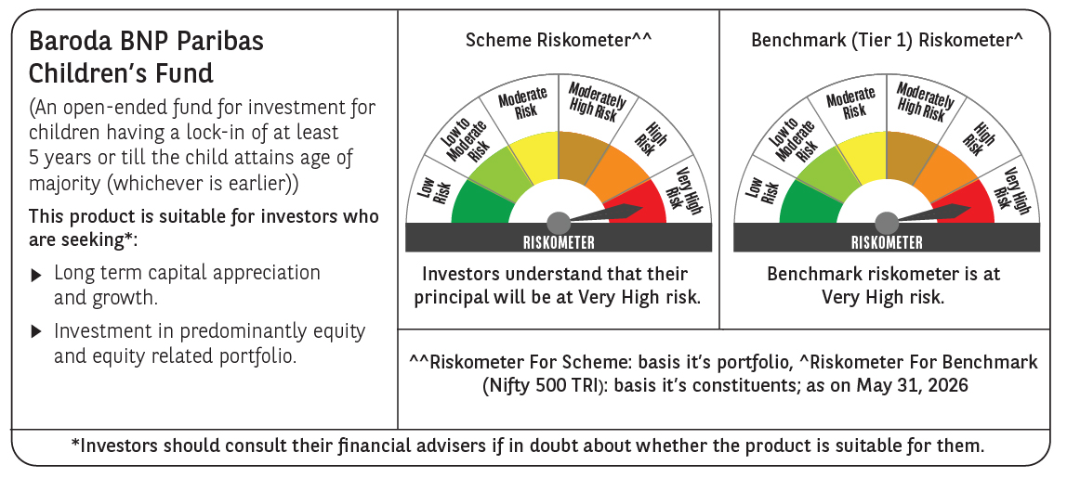

 | Monthly Performance Link: https://www.barodabnpparibasmf.in/assets/download_documents/Performance_of_Schemes_May_2026_18471.pdf

