T0ME39
 | Baroda BNP Paribas Nifty200 Momentum 30 Index Fund

 | Monthly Portfolio Statement as on May 31, 2026
 | Name of the Instrument | ISIN | Industry | Quantity | Market/Fair Value (Rs. in Lakhs) | % to Net Assets | YTM~ | YTC^ | null
 | Equity & Equity related
 | (a) Listed / awaiting listing on Stock Exchanges
HINI02 | Hindalco Industries Limited | INE038A01020 | Non - Ferrous Metals | 12,700 | 143.09 | 6.47%
BSEL02 | BSE Limited | INE118H01025 | Capital Markets | 3,219 | 133.46 | 6.04%
EIML02 | Eicher Motors Limited | INE066A01021 | Automobiles | 1,550 | 111.24 | 5.03%
SHTR02 | Shriram Finance Limited | INE721A01047 | Finance | 11,686 | 110.68 | 5.01%
SBAI02 | State Bank of India | INE062A01020 | Banks | 11,476 | 110.67 | 5.01%
ASPA02 | Asian Paints Limited | INE021A01026 | Consumer Durables | 3,948 | 105.47 | 4.77%
BAFL03 | Bajaj Finance Limited | INE296A01032 | Finance | 11,158 | 101.34 | 4.58%
BTVL02 | Bharti Airtel Limited | INE397D01024 | Telecom - Services | 5,306 | 97.05 | 4.39%
SAEL02 | TVS Motor Company Limited | INE494B01023 | Automobiles | 2,625 | 88.09 | 3.98%
MAUD01 | Maruti Suzuki India Limited | INE585B01010 | Automobiles | 668 | 87.69 | 3.97%
KCUL02 | Cummins India Limited | INE298A01020 | Industrial Products | 1,454 | 85.51 | 3.87%
INAV01 | InterGlobe Aviation Limited | INE646L01027 | Transport Services | 1,850 | 81.49 | 3.69%
HERO02 | Hero MotoCorp Limited | INE158A01026 | Automobiles | 1,657 | 81.24 | 3.67%
SLIF01 | SBI Life Insurance Company Limited | INE123W01016 | Insurance | 4,225 | 77.32 | 3.50%
AFPL02 | AU Small Finance Bank Limited | INE949L01017 | Banks | 7,410 | 72.97 | 3.30%
FEBA02 | The Federal Bank Limited | INE171A01029 | Banks | 24,715 | 71.41 | 3.23%
MUFL01 | Muthoot Finance Limited | INE414G01012 | Finance | 2,079 | 69.50 | 3.14%
LTFL01 | L&T Finance Limited | INE498L01015 | Finance | 18,763 | 53.77 | 2.43%
CANB02 | Canara Bank | INE476A01022 | Banks | 39,291 | 51.39 | 2.32%
FRHL01 | Fortis Healthcare Limited | INE061F01013 | Healthcare Services | 5,258 | 48.82 | 2.21%
ONCO02 | One 97 Communications Limited | INE982J01020 | Financial Technology (Fintech) | 4,349 | 48.66 | 2.20%
ASHL02 | Ashok Leyland Limited | INE208A01029 | Agricultural, Commercial & Construction Vehicles | 30,903 | 48.04 | 2.17%
ABFS01 | Aditya Birla Capital Limited | INE674K01013 | Finance | 13,065 | 47.47 | 2.15%
CHOL02 | Cholamandalam Investment and Finance Company Ltd | INE121A01024 | Finance | 3,059 | 47.04 | 2.13%
MAXI02 | Max Financial Services Limited | INE180A01020 | Insurance | 2,784 | 46.60 | 2.11%
FSNE01 | FSN E-Commerce Ventures Limited | INE388Y01029 | Retailing | 16,834 | 44.16 | 2.00%
INBK01 | Indian Bank | INE562A01011 | Banks | 4,683 | 39.01 | 1.76%
GMRI03 | GMR Airports Limited | INE776C01039 | Transport Infrastructure | 35,397 | 35.53 | 1.61%
SECH03 | UPL Limited | INE628A01036 | Fertilizers & Agrochemicals | 5,459 | 35.20 | 1.59%
GLPH03 | Glenmark Pharmaceuticals Limited | INE935A01035 | Pharmaceuticals & Biotechnology | 1,436 | 32.67 | 1.48%
 | Sub Total |  |  |  | 2,206.58 | 99.81%
 | (b) Unlisted |  |  |  | NIL | NIL
 | Sub Total |  |  |  | NIL | NIL
 | Total |  |  |  | 2,206.58 | 99.81%
 | Reverse Repo / TREPS
TRP_010626 | Clearing Corporation of India Ltd |  |  |  | 1.10 | 0.05% | 16.10%
 | Sub Total |  |  |  | 1.10 | 0.05%
 | Total |  |  |  | 1.10 | 0.05%
 | Net Receivables / (Payables) |  |  |  | 3.46 | 0.14%
 | GRAND TOTAL |  |  |  | 2,211.14 | 100.00%

 | ~ YTM as on May 31, 2026
 | ^ YTC represents Yield to Call provided by valuation agencies as on May 31, 2026. It is disclosed for Perpetual Bond issued by Banks (i.e. AT-1 Bond / Tier 1 Bond / Tier 2 Bond), as per AMFI Best Practices Guidelines Circular no. 135/BP/91/2020-21 read with SEBI circular No. SEBI/HO/IMD/DF4/CIR/P/2021/034 on Valuation of AT-1 Bonds and Tier 2 Bonds.

 | Notes & Symbols :-
 | # -> Less Than 0.005% ; A** -> Awaiting Listing on Stock Exchanges ; T** -> Thinly Traded Securities ; N** -> Non Traded Securities ; I** -> Illiquid Shares ; R** -> Rights Entitlement ; P** Preference Shares ; W** Warrants ; B** -> Below Investment Grade Security ; PP* -> Partly Paid;S** --> Suspended forTrading.
 | ^ -> Industry classification as recommended by AMFI and wherever not available, internal classification has been used ; D**->Does not include notional exposures to derivative instruments.
 | (1) Non Convertible Debentures and Bonds are considered as Traded based on information provided by external agencies.
 | (2) The Name of the Industry is in accordance with Industry Classification as recommended by AMFI.
 | (3) $ Yield based on aggregated yields as per Crisil's and ICRA's SLV price feeds and TREPS yield as per the trade.
 | (4) All corporate ratings are assigned by rating agencies like CRISIL; CARE; ICRA; IND; BRW.
 | (5) The provision made for securities classified as below investment grade or default as of May 31, 2026 is Rs Nil and its percentage to Net Asset Value is Nil .
 | (6) Aggregate value of illiquid shares of the fund amounts to Rs. Nil and their percentage to Net Asset value is Nil.
 | (7) Plan/option wise per unit Net Asset Value are as follows:
 | Plan/Option |  | As on April 30, 2026 | As on May 29, 2026
 | Regular Plan - Growth Option |  | 7.8930 | 7.9723
 | Direct Plan - Growth Option |  | 7.9691 | 8.0531

 | (8) No Dividend declared during the period ended May 31, 2026
 | (9) There were no investments made in derivative instruments and no such derivative instrument was squared off/ expired /exercised during the period ended May 31, 2026. Further there are no investments in derivative instruments as on May 31, 2026.
 | (10) Total Market value of investments in Foreign Securities/American Depositary Receipts/Global Depositary Receipts as at May 31, 2026 is Rs. Nil.
 | (11) During the period, the portfolio turnover ratio is 2.04 times.
 | (12) Details of repo transaction in corporate debt securities for the period ended May 31, 2026 is Nil.
 | (13) Investments in debt instruments having structured obligations or credit enhancement features as at May 31, 2026 is Rs. Nil.
 | (14) Investment in Partly paid Debentures during the periodly ended May 31, 2026 and as on May 31, 2026 is Rs. Nil.
 | (15) RATIONALE FOR DEVIATION FROM VALUATION AGENCY PRICE
 | Rationale for deviation from valuation price provided by the valuation agencies as per SEBI Circular dated 22nd March 2019 and 24th September 2019
 | during the period there were no cases of deviation from valuation agency price
 | To view the previous cases of deviation kindly refer the following link:
 | <<https://www.barodabnpparibasmf.in/statutory-disclosures/update-on-credit-events>>
 | (16) Transactions in Credit Default Swaps during period ended May 31, 2026 : Rs. Nil

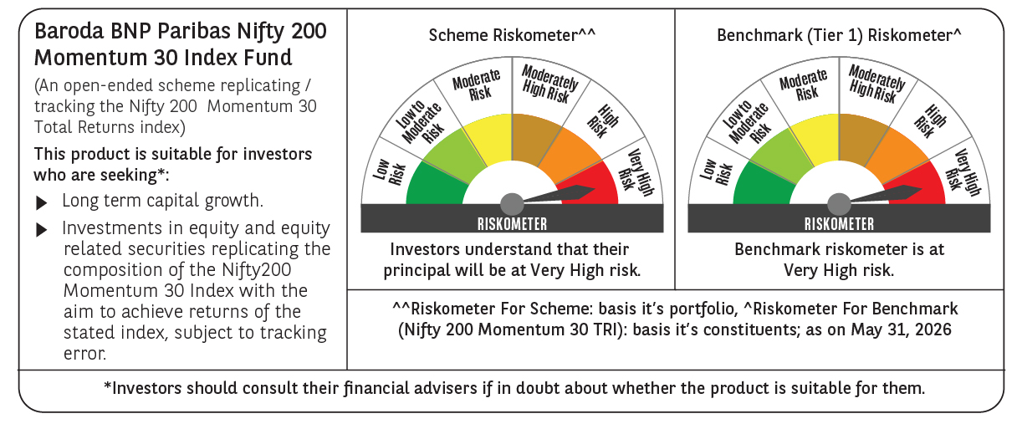

 | Monthly Performance Link: https://www.barodabnpparibasmf.in/assets/download_documents/Performance_of_Schemes_May_2026_18471.pdf

