T0ME36
 | Baroda BNP Paribas NIFTY BANK ETF

 | Monthly Portfolio Statement as on May 31, 2026
 | Name of the Instrument | ISIN | Industry | Quantity | Market/Fair Value (Rs. in Lakhs) | % to Net Assets | YTM~ | YTC^ | null
 | Equity & Equity related
 | (a) Listed / awaiting listing on Stock Exchanges
HDFB03 | HDFC Bank Limited | INE040A01034 | Banks | 9,672 | 72.01 | 17.91%
IBCL05 | ICICI Bank Limited | INE090A01021 | Banks | 4,335 | 54.46 | 13.55%
UTIB02 | Axis Bank Limited | INE238A01034 | Banks | 3,209 | 41.29 | 10.27%
KOMA03 | Kotak Mahindra Bank Limited | INE237A01036 | Banks | 10,220 | 39.27 | 9.77%
SBAI02 | State Bank of India | INE062A01020 | Banks | 3,770 | 36.36 | 9.04%
FEBA02 | The Federal Bank Limited | INE171A01029 | Banks | 8,854 | 25.58 | 6.36%
IIBL01 | IndusInd Bank Limited | INE095A01012 | Banks | 2,389 | 21.84 | 5.43%
AFPL02 | AU Small Finance Bank Limited | INE949L01017 | Banks | 2,010 | 19.79 | 4.92%
BKBA02 | Bank of Baroda | INE028A01039 | Banks | 6,696 | 17.98 | 4.47%
IDBK01 | IDFC First Bank Limited | INE092T01019 | Banks | 23,841 | 17.00 | 4.23%
CANB02 | Canara Bank | INE476A01022 | Banks | 12,313 | 16.11 | 4.01%
YESB03 | Yes Bank Limited | INE528G01035 | Banks | 61,903 | 14.33 | 3.56%
PUBA02 | Punjab National Bank | INE160A01022 | Banks | 12,511 | 13.27 | 3.30%
UNBI01 | Union Bank of India | INE692A01016 | Banks | 6,963 | 11.69 | 2.91%
 | Sub Total |  |  |  | 400.98 | 99.73%
 | (b) Unlisted |  |  |  | NIL | NIL
 | Sub Total |  |  |  | NIL | NIL
 | Total |  |  |  | 400.98 | 99.73%
 | Reverse Repo / TREPS
TRP_010626 | Clearing Corporation of India Ltd |  |  |  | 0.39 | 0.10% | 16.10%
 | Sub Total |  |  |  | 0.39 | 0.10%
 | Total |  |  |  | 0.39 | 0.10%
 | Net Receivables / (Payables) |  |  |  | 0.65 | 0.17%
 | GRAND TOTAL |  |  |  | 402.02 | 100.00%

 | ~ YTM as on May 31, 2026
 | ^ YTC represents Yield to Call provided by valuation agencies as on May 31, 2026. It is disclosed for Perpetual Bond issued by Banks (i.e. AT-1 Bond / Tier 1 Bond / Tier 2 Bond), as per AMFI Best Practices Guidelines Circular no. 135/BP/91/2020-21 read with SEBI circular No. SEBI/HO/IMD/DF4/CIR/P/2021/034 on Valuation of AT-1 Bonds and Tier 2 Bonds.

 | Notes & Symbols :-
 | # -> Less Than 0.005% ; A** -> Awaiting Listing on Stock Exchanges ; T** -> Thinly Traded Securities ; N** -> Non Traded Securities ; I** -> Illiquid Shares ; R** -> Rights Entitlement ; P** Preference Shares ; W** Warrants ; B** -> Below Investment Grade Security ; PP* -> Partly Paid;S** --> Suspended forTrading.
 | ^ -> Industry classification as recommended by AMFI and wherever not available, internal classification has been used ; D**->Does not include notional exposures to derivative instruments.
 | (1) Non Convertible Debentures and Bonds are considered as Traded based on information provided by external agencies.
 | (2) The Name of the Industry is in accordance with Industry Classification as recommended by AMFI.
 | (3) $ Yield based on aggregated yields as per Crisil's and ICRA's SLV price feeds and TREPS yield as per the trade.
 | (4) All corporate ratings are assigned by rating agencies like CRISIL; CARE; ICRA; IND; BRW.
 | (5) The provision made for securities classified as below investment grade or default as of May 31, 2026 is Rs Nil and its percentage to Net Asset Value is Nil .
 | (6) Aggregate value of illiquid shares of the fund amounts to Rs. Nil and their percentage to Net Asset value is Nil.
 | (7) Plan/option wise per unit Net Asset Value are as follows:
 | Plan/Option |  | As on April 30, 2026 | As on May 29, 2026
 | Baroda BNP Paribas Gold ETF |  | 55.0970 | 54.5371

 | (8) No Dividend declared during the period ended May 31, 2026
 | (9) There were no investments made in derivative instruments and no such derivative instrument was squared off/ expired /exercised during the period ended May 31, 2026. Further there are no investments in derivative instruments as on May 31, 2026.
 | (10) Total Market value of investments in Foreign Securities/American Depositary Receipts/Global Depositary Receipts as at March 31 ,2025 is Rs. Nil.
 | (11) During the period, the portfolio turnover ratio is 0.69 times.
 | (12) Details of repo transaction in corporate debt securities for the period ended May 31, 2026 is Nil.
 | (13) Investments in debt instruments having structured obligations or credit enhancement features as at May 31, 2026 is Rs. Nil.
 | (14) Investment in Partly paid Debentures during the periodly ended May 31, 2026 and as on May 31, 2026 is Rs. Nil.
 | (15) RATIONALE FOR DEVIATION FROM VALUATION AGENCY PRICE
 | Rationale for deviation from valuation price provided by the valuation agencies as per SEBI Circular dated 22nd March 2019 and 24th September 2019
 | during the period there were no cases of deviation from valuation agency price
 | To view the previous cases of deviation kindly refer the following link:
 | <<https://www.barodabnpparibasmf.in/statutory-disclosures/update-on-credit-events>>
 | (16) Transactions in Credit Default Swaps during period ended May 31, 2026 : Rs. Nil

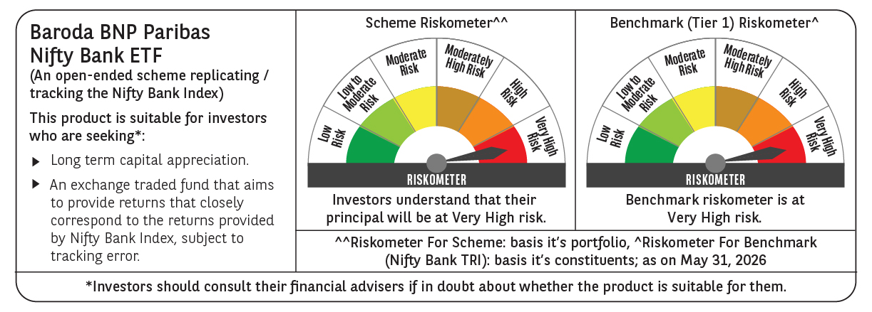

 | Monthly Performance Link: https://www.barodabnpparibasmf.in/assets/download_documents/Performance_of_Schemes_May_2026_18471.pdf

