T0ME21
 | Baroda BNP Paribas India Consumption Fund

 | Monthly Portfolio Statement as on May 31, 2026
 | Name of the Instrument | ISIN | Industry / Rating | Quantity | Market/Fair Value (Rs. in Lakhs) | % to Net Assets | YTM~ | YTC^ | null
 | Equity & Equity related
 | (a) Listed / awaiting listing on Stock Exchanges
BTVL02 | Bharti Airtel Limited | INE397D01024 | Telecom - Services | 600,000 | 10,974.00 | 7.93%
TWAT02 | Titan Company Limited | INE280A01028 | Consumer Durables | 230,000 | 9,372.27 | 6.78%
MAUD01 | Maruti Suzuki India Limited | INE585B01010 | Automobiles | 66,300 | 8,703.20 | 6.29%
MAHI02 | Mahindra & Mahindra Limited | INE101A01026 | Automobiles | 285,000 | 8,679.96 | 6.27%
EIML02 | Eicher Motors Limited | INE066A01021 | Automobiles | 100,000 | 7,177.00 | 5.19%
SAEL02 | TVS Motor Company Limited | INE494B01023 | Automobiles | 165,000 | 5,536.91 | 4.00%
ITCL02 | ITC Limited | INE154A01025 | Diversified FMCG | 1,700,000 | 4,877.30 | 3.53%
NEST02 | Nestle India Limited | INE239A01024 | Food Products | 325,000 | 4,619.88 | 3.34%
PHMI02 | The Phoenix Mills Limited | INE211B01039 | Realty | 240,000 | 4,250.88 | 3.07%
HLEL02 | Hindustan Unilever Limited | INE030A01027 | Diversified FMCG | 189,904 | 4,089.58 | 2.96%
MARC02 | Marico Limited | INE196A01026 | Agricultural Food & other Products | 484,000 | 3,977.03 | 2.87%
BRIT03 | Britannia Industries Limited | INE216A01030 | Food Products | 75,000 | 3,903.38 | 2.82%
AVSP01 | Avenue Supermarts Limited | INE192R01011 | Retailing | 90,000 | 3,649.05 | 2.64%
BALN01 | Bajaj Auto Limited | INE917I01010 | Automobiles | 30,000 | 3,138.00 | 2.27%
TTEA02 | Tata Consumer Products Limited | INE192A01025 | Agricultural Food & other Products | 265,000 | 3,122.76 | 2.26%
ZMPL01 | Eternal Limited | INE758T01015 | Retailing | 1,200,000 | 3,006.96 | 2.17%
RAKH02 | Radico Khaitan Limited | INE944F01028 | Beverages | 85,000 | 2,990.81 | 2.16%
LENS01 | Lenskart Solutions Limited | INE956O01016 | Retailing | 550,000 | 2,881.18 | 2.08%
POCA01 | Polycab India Limited | INE455K01017 | Industrial Products | 30,000 | 2,843.25 | 2.06%
LAKM02 | Trent Limited | INE849A01020 | Retailing | 66,000 | 2,787.84 | 2.02%
TELC03 | Tata Motors Passenger Vehicles Limited | INE155A01022 | Automobiles | 700,000 | 2,757.30 | 1.99%
FSNE01 | FSN E-Commerce Ventures Limited | INE388Y01029 | Retailing | 1,000,000 | 2,623.00 | 1.90%
APOL02 | Apollo Hospitals Enterprise Limited | INE437A01024 | Healthcare Services | 30,000 | 2,452.95 | 1.77%
HERO02 | Hero MotoCorp Limited | INE158A01026 | Automobiles | 50,000 | 2,451.50 | 1.77%
BINL01 | Indus Towers Limited | INE121J01017 | Telecom - Services | 435,000 | 1,922.92 | 1.39%
VNBL03 | Varun Beverages Limited | INE200M01039 | Beverages | 320,000 | 1,689.60 | 1.22%
ICII01 | JSW Dulux Limited | INE133A01011 | Consumer Durables | 52,692 | 1,660.75 | 1.20%
OLAE01 | Ola Electric Mobility Ltd | INE0LXG01040 | Automobiles | 3,948,850 | 1,638.38 | 1.18%
VMML01 | Vishal Mega Mart Limited | INE01EA01019 | Retailing | 1,300,000 | 1,583.01 | 1.14%
SCLB01 | Leela Palaces Hotels & Resorts Limited | INE0AQ201015 | Leisure Services | 380,000 | 1,570.92 | 1.14%
ORKL01 | Orkla India Limited | INE16NZ01023 | Food Products | 250,000 | 1,534.63 | 1.11%
LGEL01 | LG Electronics India Ltd | INE324D01010 | Consumer Durables | 100,000 | 1,523.90 | 1.10%
CNAF02 | Zydus Wellness Limited | INE768C01028 | Food Products | 300,000 | 1,521.15 | 1.10%
MCSP02 | United Spirits Limited | INE854D01024 | Beverages | 96,000 | 1,219.20 | 0.88%
ISHA01 | Gillette India Limited | INE322A01010 | Personal Products | 15,000 | 1,202.48 | 0.87%
NAHR01 | Narayana Hrudayalaya Limited | INE410P01011 | Healthcare Services | 50,000 | 947.00 | 0.68%
PROG01 | Procter & Gamble Hygiene and Health Care Limited | INE179A01014 | Personal Products | 9,235 | 891.27 | 0.64%
DIXO02 | Dixon Technologies (India) Limited | INE935N01020 | Consumer Durables | 7,500 | 864.30 | 0.62%
BEFS02 | Mrs. Bectors Food Specialities Limited | INE495P01020 | Food Products | 375,000 | 643.91 | 0.47%
KWWA01 | Kwality Walls (India) Limited | INE2KCE01013 | Food Products | 265,000 | 71.52 | 0.05%
 | Sub Total |  |  |  | 131,350.93 | 94.93%
 | (b) Unlisted |  |  |  | NIL | NIL
 | Sub Total |  |  |  | NIL | NIL
 | Total |  |  |  | 131,350.93 | 94.93%
 | Debt Instruments
 | (a) Listed / awaiting listing on Stock Exchange
SAEL21PS | 6% TVS Motor Company Limited | INE494B04019 | CARE A1+ | 540,000 | 55.89 | 0.04%
 | Sub Total |  |  |  | 55.89 | 0.04%
 | (b) Privately placed / Unlisted |  |  |  | NIL | NIL
 | Sub Total |  |  |  | NIL | NIL
 | Total |  |  |  | 55.89 | 0.04%
 | Money Market Instruments
 | Treasury Bill
TBIL2525 | 364 Days Tbill (MD 25/06/2026) | IN002025Z138 | Sovereign | 1,000,000 | 996.58 | 0.72% | 5.22%
 | Sub Total |  |  |  | 996.58 | 0.72%
 | Total |  |  |  | 996.58 | 0.72%
 | Reverse Repo / TREPS
TRP_010626 | Clearing Corporation of India Ltd |  |  |  | 3,172.06 | 2.29% | 16.10%
 | Sub Total |  |  |  | 3,172.06 | 2.29%
 | (b) Privately placed / Unlisted |  |  |  | NIL | NIL
 | Sub Total |  |  |  | NIL | NIL
 | Total |  |  |  | 3,172.06 | 2.29%
 | Net Receivables / (Payables) |  |  |  | 2,757.63 | 2.02%
 | GRAND TOTAL |  |  |  | 138,333.09 | 100.00%

 | ~ YTM as on May 31, 2026
 | ^ YTC represents Yield to Call provided by valuation agencies as on May 31, 2026. It is disclosed for Perpetual Bond issued by Banks (i.e. AT-1 Bond / Tier 1 Bond / Tier 2 Bond), as per AMFI Best Practices Guidelines Circular no. 135/BP/91/2020-21 read with SEBI circular No. SEBI/HO/IMD/DF4/CIR/P/2021/034 on Valuation of AT-1 Bonds and Tier 2 Bonds.

 | Notes & Symbols :-
 | # -> Less Than 0.005% ; A** -> Awaiting Listing on Stock Exchanges ; T** -> Thinly Traded Securities ; N** -> Non Traded Securities ; I** -> Illiquid Shares ; R** -> Rights Entitlement ; P** Preference Shares ; W** Warrants ; B** -> Below Investment Grade Security ; PP* -> Partly Paid;S** --> Suspended forTrading.
 | ^ -> Industry classification as recommended by AMFI and wherever not available, internal classification has been used ; D**->Does not include notional exposures to derivative instruments.
 | (1) Non Convertible Debentures and Bonds are considered as Traded based on information provided by external agencies.
 | (2) The Name of the Industry is in accordance with Industry Classification as recommended by AMFI.
 | (3) $ Yield based on aggregated yields as per Crisil's and ICRA's SLV price feeds and TREPS yield as per the trade.
 | (4) All corporate ratings are assigned by rating agencies like CRISIL; CARE; ICRA; IND; BRW.
 | (5) The provision made for securities classified as below investment grade or default as of May 31, 2026 is Rs Nil and its percentage to Net Asset Value is Nil .
 | (6) Aggregate value of illiquid shares of the fund amounts to Rs. Nil and their percentage to Net Asset value is Nil.
 | (7) Plan/option wise per unit Net Asset Value are as follows:
 | Plan/Option |  | As on April 30, 2026 | As on May 29, 2026
 | Regular Plan - IDCW Option |  | 18.2278 | 17.8786
 | Regular Plan - Growth Option |  | 29.5510 | 28.9848
 | Direct Plan - IDCW Option |  | 21.0641 | 20.6842
 | Direct Plan - Growth Option |  | 33.1023 | 32.5054

 | (8) No Dividend declared during the period ended May 31, 2026
 | (9) There were no investments in derivative instruments as on May 31, 2026.
 | (10) Total Market value of investments in Foreign Securities/American Depositary Receipts/Global Depositary Receipts as at May 31, 2026 is Rs. Nil.
 | (11) During the period, the portfolio turnover ratio is 0.67 times.
 | (12) Details of repo transaction in corporate debt securities for the period ended May 31, 2026 is Nil.
 | (13) Investments in debt instruments having structured obligations or credit enhancement features as at May 31, 2026 is Rs. Nil.
 | (14) Investment in Partly paid Debentures during the periodly ended May 31, 2026 and as on May 31, 2026 is Rs. Nil.
 | (15) RATIONALE FOR DEVIATION FROM VALUATION AGENCY PRICE
 | Rationale for deviation from valuation price provided by the valuation agencies as per SEBI Circular dated 22nd March 2019 and 24th September 2019
 | during the period there were no cases of deviation from valuation agency price
 | To view the previous cases of deviation kindly refer the following link:
 | <<https://www.barodabnpparibasmf.in/statutory-disclosures/update-on-credit-events>>
 | (16) Transactions in Credit Default Swaps during period ended May 31, 2026 : Rs. Nil

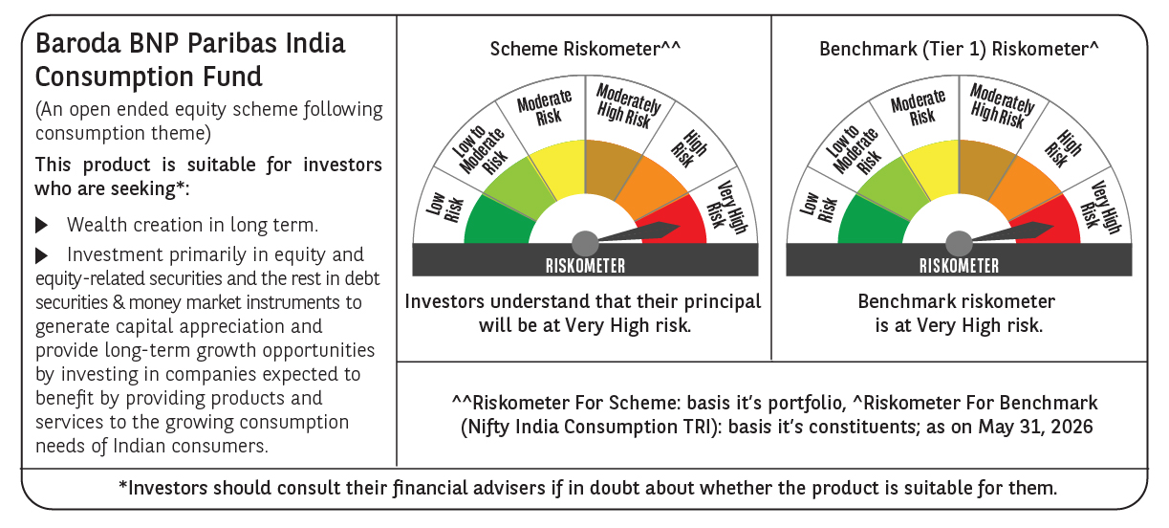

 | Monthly Performance Link: https://www.barodabnpparibasmf.in/assets/download_documents/Performance_of_Schemes_May_2026_18471.pdf

