T0ME20
 | Baroda BNP Paribas Focused Fund

 | Monthly Portfolio Statement as on May 31, 2026
 | Name of the Instrument | ISIN | Industry | Quantity | Market/Fair Value (Rs. in Lakhs) | % to Net Assets | YTM~ | YTC^ | null
 | Equity & Equity related
 | (a) Listed / awaiting listing on Stock Exchanges
BTVL02 | Bharti Airtel Limited | INE397D01024 | Telecom - Services | 325,000 | 5,944.25 | 9.18%
UTIB02 | Axis Bank Limited | INE238A01034 | Banks | 300,000 | 3,859.80 | 5.96%
IIBL01 | IndusInd Bank Limited | INE095A01012 | Banks | 375,000 | 3,428.81 | 5.30%
MCEX02 | Multi Commodity Exchange of India Limited | INE745G01043 | Capital Markets | 110,000 | 3,249.95 | 5.02%
TWAT02 | Titan Company Limited | INE280A01028 | Consumer Durables | 70,000 | 2,852.43 | 4.41%
PRRC03 | Navin Fluorine International Limited | INE048G01026 | Chemicals & Petrochemicals | 40,000 | 2,851.60 | 4.40%
NHPC01 | NHPC Limited | INE848E01016 | Power | 3,500,000 | 2,760.45 | 4.26%
COAL01 | Coal India Limited | INE522F01014 | Consumable Fuels | 600,000 | 2,747.40 | 4.24%
SBAI02 | State Bank of India | INE062A01020 | Banks | 275,000 | 2,652.10 | 4.10%
MAHI02 | Mahindra & Mahindra Limited | INE101A01026 | Automobiles | 85,000 | 2,588.76 | 4.00%
TEMA02 | Tech Mahindra Limited | INE669C01036 | IT - Software | 167,500 | 2,485.53 | 3.84%
BHEL02 | Bharat Electronics Limited | INE263A01024 | Aerospace & Defense | 600,000 | 2,464.50 | 3.81%
LARS02 | Larsen & Toubro Limited | INE018A01030 | Construction | 60,000 | 2,445.90 | 3.78%
PGCI01 | Power Grid Corporation of India Limited | INE752E01010 | Power | 800,000 | 2,324.40 | 3.59%
BHAH02 | Bharat Heavy Electricals Limited | INE257A01026 | Electrical Equipment | 535,501 | 2,231.70 | 3.45%
ONCO02 | One 97 Communications Limited | INE982J01020 | Financial Technology (Fintech) | 190,097 | 2,126.81 | 3.29%
SLIF01 | SBI Life Insurance Company Limited | INE123W01016 | Insurance | 100,000 | 1,830.10 | 2.83%
KOMA03 | Kotak Mahindra Bank Limited | INE237A01036 | Banks | 475,000 | 1,824.95 | 2.82%
PSYL02 | Persistent Systems Limited | INE262H01021 | IT - Software | 30,000 | 1,558.29 | 2.41%
POCA01 | Polycab India Limited | INE455K01017 | Industrial Products | 15,000 | 1,421.63 | 2.20%
BRIT03 | Britannia Industries Limited | INE216A01030 | Food Products | 25,000 | 1,301.13 | 2.01%
KAVY06 | Karur Vysya Bank Limited | INE036D01028 | Banks | 450,000 | 1,299.38 | 2.01%
BFLS01 | Mphasis Limited | INE356A01018 | IT - Software | 55,000 | 1,249.27 | 1.93%
HDFB03 | HDFC Bank Limited | INE040A01034 | Banks | 125,000 | 930.69 | 1.44%
SPIL03 | Sun Pharmaceutical Industries Limited | INE044A01036 | Pharmaceuticals & Biotechnology | 50,000 | 899.60 | 1.39%
UNBI01 | Union Bank of India | INE692A01016 | Banks | 450,000 | 755.46 | 1.17%
EIML02 | Eicher Motors Limited | INE066A01021 | Automobiles | 10,000 | 717.70 | 1.11%
OLAE01 | Ola Electric Mobility Ltd | INE0LXG01040 | Automobiles | 1,605,000 | 665.91 | 1.03%
 | Sub Total |  |  |  | 61,468.50 | 94.98%
 | (b) Unlisted |  |  |  | NIL | NIL
 | Sub Total |  |  |  | NIL | NIL
 | Total |  |  |  | 61,468.50 | 94.98%
 | Reverse Repo / TREPS
TRP_010626 | Clearing Corporation of India Ltd |  |  |  | 1,830.41 | 2.83% | 16.10%
 | Sub Total |  |  |  | 1,830.41 | 2.83%
 | Total |  |  |  | 1,830.41 | 2.83%
 | Net Receivables / (Payables) |  |  |  | 1,439.70 | 2.19%
 | GRAND TOTAL |  |  |  | 64,738.61 | 100.00%

 | ~ YTM as on May 31, 2026
 | ^ YTC represents Yield to Call provided by valuation agencies as on May 31, 2026. It is disclosed for Perpetual Bond issued by Banks (i.e. AT-1 Bond / Tier 1 Bond / Tier 2 Bond), as per AMFI Best Practices Guidelines Circular no. 135/BP/91/2020-21 read with SEBI circular No. SEBI/HO/IMD/DF4/CIR/P/2021/034 on Valuation of AT-1 Bonds and Tier 2 Bonds.

 | Notes & Symbols :-
 | # -> Less Than 0.005% ; A** -> Awaiting Listing on Stock Exchanges ; T** -> Thinly Traded Securities ; N** -> Non Traded Securities ; I** -> Illiquid Shares ; R** -> Rights Entitlement ; P** Preference Shares ; W** Warrants ; B** -> Below Investment Grade Security ; PP* -> Partly Paid;S** --> Suspended forTrading.
 | ^ -> Industry classification as recommended by AMFI and wherever not available, internal classification has been used ; D**->Does not include notional exposures to derivative instruments.
 | (1) Non Convertible Debentures and Bonds are considered as Traded based on information provided by external agencies.
 | (2) The Name of the Industry is in accordance with Industry Classification as recommended by AMFI.
 | (3) $ Yield based on aggregated yields as per Crisil's and ICRA's SLV price feeds and TREPS yield as per the trade.
 | (4) All corporate ratings are assigned by rating agencies like CRISIL; CARE; ICRA; IND; BRW.
 | (5) The provision made for securities classified as below investment grade or default as of May 31, 2026 is Rs Nil and its percentage to Net Asset Value is Nil .
 | (6) Aggregate value of illiquid shares of the fund amounts to Rs. Nil and their percentage to Net Asset value is Nil.
 | (7) Plan/option wise per unit Net Asset Value are as follows:
 | Plan/Option |  | As on April 30, 2026 | As on May 29, 2026
 | Regular Plan - IDCW Option |  | 13.6901 | 13.5614
 | Regular Plan - Growth Option |  | 20.7711 | 20.5758
 | Direct Plan - IDCW Option |  | 15.6885 | 15.5632
 | Direct Plan - Growth Option |  | 23.8559 | 23.6655

 | (8) No Dividend declared during the period ended May 31, 2026
 | (9) There were no investments made in derivative instruments and no such derivative instrument was squared off/ expired /exercised during the period ended May 31, 2026. Further there are no investments in derivative instruments as on May 31, 2026.
 | (10) Total Market value of investments in Foreign Securities/American Depositary Receipts/Global Depositary Receipts as at May 31, 2026 is Rs. Nil.
 | (11) During the period, the portfolio turnover ratio is 1.40 times.
 | (12) Details of repo transaction in corporate debt securities for the period ended May 31, 2026 is Nil.
 | (13) Investments in debt instruments having structured obligations or credit enhancement features as at May 31, 2026 is Rs. Nil.
 | (14) Investment in Partly paid Debentures during the periodly ended May 31, 2026 and as on May 31, 2026 is Rs. Nil.
 | (15) RATIONALE FOR DEVIATION FROM VALUATION AGENCY PRICE
 | Rationale for deviation from valuation price provided by the valuation agencies as per SEBI Circular dated 22nd March 2019 and 24th September 2019
 | during the period there were no cases of deviation from valuation agency price
 | To view the previous cases of deviation kindly refer the following link:
 | <<https://www.barodabnpparibasmf.in/statutory-disclosures/update-on-credit-events>>
 | (16) Transactions in Credit Default Swaps during period ended May 31, 2026 : Rs. Nil

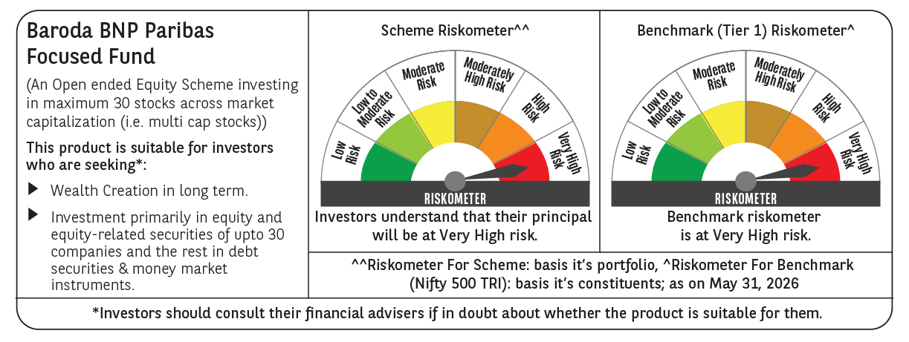

 | Monthly Performance Link: https://www.barodabnpparibasmf.in/assets/download_documents/Performance_of_Schemes_May_2026_18471.pdf

