T0MD12
 | Baroda BNP Paribas Dynamic Bond Fund

 | Monthly Portfolio Statement as on May 31, 2026
 | Name of the Instrument | ISIN | Industry / Rating | Quantity | Market/Fair Value (Rs. in Lakhs) | % to Net Assets | YTM~ | YTC^ | null
 | Equity & Equity related
 | (b) Invits
RIIT01 | Raajmarg Infra Investment Trust | INE2PB023011 | Transport Infrastructure | 15,527 | 17.23 | 0.14%
 | Sub Total |  |  |  | 17.23 | 0.14%
 | Total |  |  |  | 17.23 | 0.14%
 | Debt Instruments
 | (a) Listed / awaiting listing on Stock Exchange
GOI6889 | 6.68% Government of India (07/07/2040) | IN0020250042 | Sovereign | 2,000,000 | 1,887.09 | 15.68% | 7.46%
EXIM794 | 7.35% Export Import Bank of India (27/07/2028) ** | INE514E08GE8 | CRISIL AAA | 1,000 | 994.31 | 8.26% | 7.65%
NBAR838 | 7.48% National Bank For Agriculture and Rural Development (15/09/2028) | INE261F08EO7 | CRISIL AAA | 1,000 | 993.05 | 8.25% | 7.79%
LICH659 | 6.4% LIC Housing Finance Limited (30/11/2026) | INE115A07PN6 | CRISIL AAA | 100 | 991.39 | 8.24% | 7.94%
POWF560 | 6.92% Power Finance Corporation Limited (16/02/2028) ** | INE134E08OA7 | CRISIL AAA | 1,000 | 986.62 | 8.20% | 7.75%
GOI6156 | 6.79% Government of India (07/10/2034) | IN0020240126 | Sovereign | 1,000,000 | 984.62 | 8.18% | 7.16%
RECL473 | 6.87% REC Limited (31/05/2030) ** | INE020B08FU0 | ICRA AAA | 900 | 874.22 | 7.26% | 7.73%
NHBA329 | 7.59% National Housing Bank (14/07/2027) ** | INE557F08FY4 | CRISIL AAA | 700 | 698.99 | 5.81% | 7.76%
GOI6960 | 7.24% Government of India (18/08/2055) | IN0020250075 | Sovereign | 500,000 | 476.85 | 3.96% | 7.78%
GOI5228 | 7.18% Government of India (14/08/2033) | IN0020230085 | Sovereign | 300,000 | 302.69 | 2.52% | 7.14%
GOI7094 | 6.48% Government of India (06/10/2035) | IN0020250091 | Sovereign | 300,000 | 289.30 | 2.40% | 7.13%
GOI2174 | 8.26% State Government Securities (02/01/2029) | IN2220180060 | Sovereign | 500 | 0.51 | 0.00% | 7.42%
GOI1830 | 7.64% State Government Securities (29/03/2027) | IN1620160292 | Sovereign | 300 | 0.30 | 0.00% | 6.42%
 | Sub Total |  |  |  | 9,479.94 | 78.76%
 | (b) Privately placed / Unlisted |  |  |  | NIL | NIL
 | Sub Total |  |  |  | NIL | NIL
 | Total |  |  |  | 9,479.94 | 78.76%
 | Money Market Instruments
 | Certificate of Deposit
CANB1100 | Canara Bank (15/09/2026) ** # | INE476A16I18 | ICRA A1+ | 200 | 978.73 | 8.13% | 7.49%
IBCL1180 | ICICI Bank Limited (27/01/2027) ** # | INE090AD6279 | ICRA A1+ | 100 | 475.70 | 3.95% | 7.77%
SIDB655 | Small Industries Dev Bank of India (18/02/2027) ** # | INE556F16CB4 | CRISIL A1+ | 100 | 473.01 | 3.93% | 7.95%
 | Sub Total |  |  |  | 1,927.44 | 16.01%
 | Total |  |  |  | 1,927.44 | 16.01%
 | Others
 | Corporate Debt Market Development Fund
CDMD50ME | Corporate Debt Market Development Fund # | INF0RQ622028 |  | 516 | 60.83 | 0.51% | 5.80%
 | Sub Total |  |  |  | 60.83 | 0.51%
 | Total |  |  |  | 60.83 | 0.51%
 | Reverse Repo / TREPS
TRP_010626 | Clearing Corporation of India Ltd |  |  |  | 260.36 | 2.16% | 16.10%
 | Sub Total |  |  |  | 260.36 | 2.16%
 | (b) Privately placed / Unlisted |  |  |  | NIL | NIL
 | Sub Total |  |  |  | NIL | NIL
 | Total |  |  |  | 260.36 | 2.16%
 | Net Receivables / (Payables) |  |  |  | 287.69 | 2.42%
 | GRAND TOTAL |  |  |  | 12,033.49 | 100.00%

 | ** Thinly Traded / Non Traded Security
 | # Unlisted Security
 | $ Less Than 0.01% of Net Asset Value
 | ~ YTM as on May 31, 2026
 | ^ YTC represents Yield to Call provided by valuation agencies as on May 31, 2026. It is disclosed for Perpetual Bond issued by Banks (i.e. AT-1 Bond / Tier 1 Bond / Tier 2 Bond), as per AMFI Best Practices Guidelines Circular no. 135/BP/91/2020-21 read with SEBI circular No. SEBI/HO/IMD/DF4/CIR/P/2021/034 on Valuation of AT-1 Bonds and Tier 2 Bonds.

 | Notes & Symbols :-
 | # -> Less Than 0.005% ; A** -> Awaiting Listing on Stock Exchanges ; T** -> Thinly Traded Securities ; N** -> Non Traded Securities ; I** -> Illiquid Shares ; R** -> Rights Entitlement ; P** Preference Shares ; W** Warrants ; B** -> Below Investment Grade Security ; PP* -> Partly Paid;S** --> Suspended forTrading.
 | ^ -> Industry classification as recommended by AMFI and wherever not available, internal classification has been used ; D**->Does not include notional exposures to derivative instruments.
 | (1) Non Convertible Debentures and Bonds are considered as Traded based on information provided by external agencies.
 | (2) The Name of the Industry is in accordance with Industry Classification as recommended by AMFI.
 | (3) $ Yield based on aggregated yields as per Crisil's and ICRA's SLV price feeds and TREPS yield as per the trade.
 | (4) All corporate ratings are assigned by rating agencies like CRISIL; CARE; ICRA; IND; BRW.
 | (5) The provision made for securities classified as below investment grade or default as of May 31, 2026 is Rs Nil and its percentage to Net Asset Value is Nil .
 | (6) Aggregate value of illiquid shares of the fund amounts to Rs. Nil and their percentage to Net Asset value is Nil.
 | (7) Plan/option wise per unit Net Asset Value are as follows:
 | Plan/Option |  | As on April 30, 2026 | As on May 29, 2026
 | Regular Plan - Daily IDCW Option |  | 9.9492 | 9.9682
 | Regular Plan - Growth Option |  | 45.6239 | 45.7111
 | Regular Plan - Half Yearly IDCW Option |  | 10.0118 | 10.0310
 | Regular Plan - Monthly IDCW Option |  | 10.0316 | 10.0508
 | Regular Plan - Quarterly IDCW Option |  | 9.9773 | 9.9963
 | Regular Plan - Weekly IDCW Option |  | 9.9297 | 9.9487
 | Defunct Plan - Growth Option |  | 32.1291 | 32.1905
 | Direct Plan - Daily IDCW Option |  | 10.0369 | 10.0638
 | Direct Plan - Growth Option |  | 51.2165 | 51.3542
 | Direct Plan - Monthly IDCW Option |  | 10.3214 | 10.2991
 | Direct Plan - Quarterly IDCW Option |  | 10.2926 | 10.3203
 | Direct Plan - Weekly IDCW Option |  | 10.0190 | 10.0459
 | Direct Plan - Half Yearly IDCW Option |  | 0.0000 | 0.0000

 | (8) Details of Dividend declared per unit (In Rupees) during the period are as follows |  | Individuals/HUF | Others
 | Regular Plan - Daily IDCW Option |  | 0.0000 | 0.0000
 | Regular Plan - Half Yearly IDCW Option |  | 0.0000 | 0.0000
 | Regular Plan - Monthly IDCW Option |  | 0.0000 | 0.0000
 | Regular Plan - Quarterly IDCW Option |  | 0.0000 | 0.0000
 | Regular Plan - Weekly IDCW Option |  | 0.0000 | 0.0000
 | Direct Plan - Daily IDCW Option |  | 0.0000 | 0.0000
 | Direct Plan - Monthly IDCW Option |  | 0.0500 | 0.0500
 | Direct Plan - Quarterly IDCW Option |  | 0.0000 | 0.0000
 | Direct Plan - Weekly IDCW Option |  | 0.0000 | 0.0000

 | (9) There were no investments made in derivative instruments and no such derivative instrument was squared off/ expired /exercised during the period ended May 31, 2026. Further there are no investments in derivative instruments as on May 31, 2026.
 | (10) Total Market value of investments in Foreign Securities/American Depositary Receipts/Global Depositary Receipts as at May 31, 2026 is Rs. Nil.
 | (11) The Average Maturity period of the portfolio has been 2050 days.
 | (12) Details of repo transaction in corporate debt securities for the period ended May 31, 2026 is Nil.
 | (13) Investments in debt instruments having structured obligations or credit enhancement features as at May 31, 2026 is Rs. Nil.
 | (14) Investment in Partly paid Debentures during the periodly ended May 31, 2026 and as on May 31, 2026 is Rs. Nil.
 | (15) RATIONALE FOR DEVIATION FROM VALUATION AGENCY PRICE
 | Rationale for deviation from valuation price provided by the valuation agencies as per SEBI Circular dated 22nd March 2019 and 24th September 2019
 | during the period there were no cases of deviation from valuation agency price
 | To view the previous cases of deviation kindly refer the following link:
 | <<https://www.barodabnpparibasmf.in/statutory-disclosures/update-on-credit-events>>
 | (16) Transactions in Credit Default Swaps during period ended May 31, 2026 : Rs. Nil
 | (17) Macaulay Duration of the portfolio has been 1367 days.
 | (18) Annualised Portfolio YTM has been 7.47.

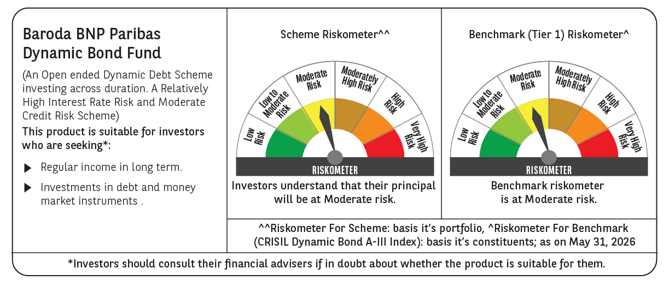



 | Monthly Performance Link: https://www.barodabnpparibasmf.in/assets/download_documents/Performance_of_Schemes_May_2026_18471.pdf

