T0MD09
 | Baroda BNP Paribas Low Duration Fund

 | Monthly Portfolio Statement as on May 31, 2026
 | Name of the Instrument | ISIN | Rating | Quantity | Market/Fair Value (Rs. in Lakhs) | % to Net Assets | YTM~ | YTC^ | null
 | Debt Instruments
 | (a) Listed / awaiting listing on Stock Exchange
LICH659 | 6.4% LIC Housing Finance Limited (30/11/2026) | INE115A07PN6 | CRISIL AAA | 220 | 2,181.06 | 7.45% | 7.94%
IRLY371 | 7.23% Indian Railway Finance Corporation Limited (15/10/2026) ** | INE053F08304 | CRISIL AAA | 2,000 | 1,994.98 | 6.81% | 7.85%
PHFP225 | 8.15% PNB Housing Finance Limited (29/07/2027) ** | INE572E07183 | CARE AAA | 1,450 | 1,448.19 | 4.95% | 8.23%
RECL474 | 6.52% REC Limited (31/01/2028) ** | INE020B08FW6 | ICRA AAA | 1,300 | 1,274.46 | 4.35% | 7.79%
NBAR719 | 7.50% National Bank For Agriculture and Rural Development (31/08/2026) ** | INE261F08EA6 | CRISIL AAA | 1,150 | 1,148.35 | 3.92% | 7.66%
PFPL129 | 9% Piramal Finance Limited (28/06/2027) ** | INE202B07JT0 | ICRA AA+ | 1,000 | 1,000.86 | 3.42% | 8.89%
RUPL36 | 6.4% Jamnagar Utilities & Power Private Limited (29/09/2026) ** | INE936D07174 | CRISIL AAA | 100 | 993.66 | 3.39% | 8.04%
MEBP36 | 7% Mindspace Business Parks REIT (14/09/2027) ** | INE0CCU07165 | CRISIL AAA | 1,000 | 988.43 | 3.38% | 8.19%
TOPL49 | 8.32% Torrent Power Limited (28/02/2027) ** | INE813H07382 | CRISIL AA+ | 900 | 897.96 | 3.07% | 8.51%
BAFL943 | 7.7951% Bajaj Finance Limited (10/12/2027) | INE296A07TF2 | CRISIL AAA | 700 | 696.52 | 2.38% | 8.10%
GOI5817 | 7.04% Government of India (03/06/2029) | IN0020240050 | Sovereign | 600,000 | 607.80 | 2.08% | 6.66%
GOI6306 | 6.75% Government of India (23/12/2029) | IN0020240183 | Sovereign | 500,000 | 502.00 | 1.71% | 6.73%
ICFP147 | 10.5% IndoStar Capital Finance Limited (25/09/2026) ** | INE896L07983 | CARE AA- | 50,000 | 501.57 | 1.71% | 8.85%
RECL454 | 7.59% REC Limited (31/05/2027) | INE020B08FA2 | CRISIL AAA | 500 | 498.56 | 1.70% | 7.90%
EXIM794 | 7.35% Export Import Bank of India (27/07/2028) ** | INE514E08GE8 | CRISIL AAA | 500 | 497.15 | 1.70% | 7.65%
EOPR38 | 7.21% Embassy Office Parks REIT (17/03/2028) ** | INE041007167 | CRISIL AAA | 500 | 493.91 | 1.69% | 8.17%
BHAT85 | 7.35% Bharti Telecom Limited (15/10/2027) ** | INE403D08272 | CRISIL AAA | 500 | 493.85 | 1.69% | 8.28%
GOI4485 | 7.38% Government of India (20/06/2027) | IN0020220037 | Sovereign | 200,000 | 202.65 | 0.69% | 6.15%
SHTR526 | 8.7% Shriram Finance Limited (09/04/2028) | INE721A07SL9 | CRISIL AAA | 200 | 201.51 | 0.69% | 8.22%
NBAR701 | 7.58% National Bank For Agriculture and Rural Development (31/07/2026) ** | INE261F08DX0 | CRISIL AAA | 200 | 199.84 | 0.68% | 7.58%
 | Sub Total |  |  |  | 16,823.31 | 57.46%
 | (b) Privately placed / Unlisted |  |  |  | NIL | NIL
 | Sub Total |  |  |  | NIL | NIL
 | (c) Securitised Debt
VAJR28 | Vajra Trust (20/01/2029) ** | INE20NI15039 | CRISIL AAA(SO) | 5 | 495.32 | 1.69% | 10.59%
IUNT23 | India Universal Trust (21/11/2026) ** | INE1CBK15011 | CRISIL AAA(SO) | 5 | 57.08 | 0.19% | 8.53%
 | Sub Total |  |  |  | 552.40 | 1.88%
 | (b) Privately placed / Unlisted |  |  |  | NIL | NIL
 | Sub Total |  |  |  | NIL | NIL
 | Total |  |  |  | 17,375.71 | 59.34%
 | Money Market Instruments
 | Certificate of Deposit
IIBL1010 | IndusInd Bank Limited (27/01/2027) ** # | INE095A169C7 | CRISIL A1+ | 400 | 1,896.88 | 6.48% | 8.27%
SIDB655 | Small Industries Dev Bank of India (18/02/2027) ** # | INE556F16CB4 | CRISIL A1+ | 300 | 1,419.02 | 4.85% | 7.95%
UTIB1363 | Axis Bank Limited (25/06/2026) ** # | INE238AD6AZ4 | CRISIL A1+ | 200 | 996.04 | 3.40% | 6.04%
IBCL1180 | ICICI Bank Limited (27/01/2027) ** # | INE090AD6279 | ICRA A1+ | 200 | 951.39 | 3.25% | 7.77%
SIDB649 | Small Industries Dev Bank of India (04/02/2027) ** # | INE556F16BY8 | CRISIL A1+ | 200 | 948.75 | 3.24% | 7.95%
IBCL1182 | ICICI Bank Limited (08/03/2027) ** # | INE090AD6295 | ICRA A1+ | 200 | 943.75 | 3.22% | 7.77%
HDFB1041 | HDFC Bank Limited (24/02/2027) # | INE040A16IO0 | CARE A1+ | 160 | 756.09 | 2.58% | 7.91%
UNBI444 | Union Bank of India (25/06/2026) # | INE692A16JQ1 | ICRA A1+ | 100 | 498.04 | 1.70% | 6.00%
 | Sub Total |  |  |  | 8,409.96 | 28.72%
 | Commercial Paper
CHOL1101 | Cholamandalam Investment and Finance Company Ltd (27/11/2026) ** | INE121A14YB7 | ICRA A1+ | 200 | 960.48 | 3.28% | 8.39%
 | Sub Total |  |  |  | 960.48 | 3.28%
 | Total |  |  |  | 9,370.44 | 32.00%
 | Others
 | Corporate Debt Market Development Fund
CDMD50ME | Corporate Debt Market Development Fund # | INF0RQ622028 |  | 746 | 87.99 | 0.30% | 5.80%
 | Sub Total |  |  |  | 87.99 | 0.30%
 | Total |  |  |  | 87.99 | 0.30%
 | Reverse Repo / TREPS
TRP_010626 | Clearing Corporation of India Ltd |  |  |  | 1,874.02 | 6.40% | 16.10%
 | Sub Total |  |  |  | 1,874.02 | 6.40%
 | (b) Privately placed / Unlisted |  |  |  | NIL | NIL
 | Sub Total |  |  |  | NIL | NIL
 | Total |  |  |  | 1,874.02 | 6.40%
 | Net Receivables / (Payables) |  |  |  | 568.92 | 1.96%
 | GRAND TOTAL |  |  |  | 29,277.08 | 100.00%

 | ** Thinly Traded / Non Traded Security
 | # Unlisted Security
 | ~ YTM as on May 31, 2026
 | ^ YTC represents Yield to Call provided by valuation agencies as on May 31, 2026. It is disclosed for Perpetual Bond issued by Banks (i.e. AT-1 Bond / Tier 1 Bond / Tier 2 Bond), as per AMFI Best Practices Guidelines Circular no. 135/BP/91/2020-21 read with SEBI circular No. SEBI/HO/IMD/DF4/CIR/P/2021/034 on Valuation of AT-1 Bonds and Tier 2 Bonds.

 | Notes & Symbols :-
 | (1) Non Convertible Debentures and Bonds are considered as Traded based on information provided by external agencies.
 | (2) The Name of the Industry is in accordance with Industry Classification as recommended by AMFI.
 | (3) $ Yield based on aggregated yields as per Crisil's and ICRA's SLV price feeds and TREPS yield as per the trade.
 | (4) All corporate ratings are assigned by rating agencies like CRISIL; CARE; ICRA; IND; BRW.
 | (5) The provision made for securities classified as below investment grade or default as of May 31, 2026 is Rs Nil and its percentage to Net Asset Value is Nil .
 | (6) Aggregate value of illiquid shares of the fund amounts to Rs. Nil and their percentage to Net Asset value is Nil.
 | (7) Plan/option wise per unit Net Asset Value are as follows:
 | Plan/Option |  | As on April 30, 2026 | As on May 29, 2026
 | Regular Plan - Daily IDCW Option |  | 10.0521 | 10.0577
 | Regular Plan - Growth Option |  | 41.8994 | 41.9626
 | Regular Plan - Monthly IDCW Option |  | 10.2194 | 10.1848
 | Regular Plan - Weekly IDCW Option |  | 10.0032 | 10.0092
 | Defunct Plan - Daily IDCW Option |  | 10.0416 | 10.0472
 | Defunct Plan - Growth Option |  | 41.9721 | 42.0355
 | Defunct Plan - Monthly IDCW Option |  | 10.4451 | 10.4108
 | Defunct Plan - Weekly IDCW Option |  | 10.0032 | 10.0092
 | Direct Plan - Daily IDCW Option |  | 10.0876 | 10.0943
 | Direct Plan - Growth Option |  | 46.1696 | 46.2670
 | Direct Plan - Monthly IDCW Option |  | 10.3622 | 10.3347
 | Direct Plan - Weekly IDCW Option |  | 10.0044 | 10.0127

 | (8) Details of Dividend declared per unit (In Rupees) during the period are as follows |  | Individuals/HUF | Others
 | Regular Plan - Daily IDCW Option |  | 0.0095 | 0.0095
 | Regular Plan - Monthly IDCW Option |  | 0.0500 | 0.0500
 | Regular Plan - Weekly IDCW Option |  | 0.0092 | 0.0092
 | Defunct Plan - Daily IDCW Option |  | 0.0095 | 0.0095
 | Defunct Plan - Monthly IDCW Option |  | 0.0500 | 0.0500
 | Defunct Plan - Weekly IDCW Option |  | 0.0092 | 0.0092
 | Direct Plan - Daily IDCW Option |  | 0.0146 | 0.0146
 | Direct Plan - Monthly IDCW Option |  | 0.0500 | 0.0500
 | Direct Plan - Weekly IDCW Option |  | 0.0128 | 0.0128

 | (9) There were no investments made in derivative instruments and no such derivative instrument was squared off/ expired /exercised during the period ended April 30, 2025. Further there are no investments in derivative instruments as on May 31, 2026.
 | (10) Total Market value of investments in Foreign Securities/American Depositary Receipts/Global Depositary Receipts as at May 31, 2026 is Rs. Nil.
 | (11) The Average Maturity period of the portfolio has been 314 days.
 | (12) Details of repo transaction in corporate debt securities for the period ended May 31, 2026 is Nil.
 | (13) Investments in debt instruments having structured obligations or credit enhancement features as at May 31, 2026 is Rs. 552.4 Lacs.
 | (14) Investment in Partly paid Debentures during the periodly ended May 31, 2026 and as on May 31, 2026 is Rs. Nil.
 | (15) RATIONALE FOR DEVIATION FROM VALUATION AGENCY PRICE
 | Rationale for deviation from valuation price provided by the valuation agencies as per SEBI Circular dated 22nd March 2019 and 24th September 2019
 | during the period there were no cases of deviation from valuation agency price
 | To view the previous cases of deviation kindly refer the following link:
 | <<https://www.barodabnpparibasmf.in/statutory-disclosures/update-on-credit-events>>
 | (16) Transactions in Credit Default Swaps during period ended May 31, 2026 : Rs. Nil
 | (17) Macaulay Duration of the portfolio has been 291 days.
 | (18) Annualised Portfolio YTM has been 7.71.

 | †Concept of Macaulay duration: The Macaulay Duration is a measure of a bond’s sensitivity to interest rate changes. It is expressed in annual terms. It is the weighted average term to maturity of the cash flows from a bond. The weight of each cash flow is determined by dividing the present value of the cash flow by the price. Factors like a bond’s price, maturity, coupon, yield to maturity among others impact the calculation of Macaulay duration.

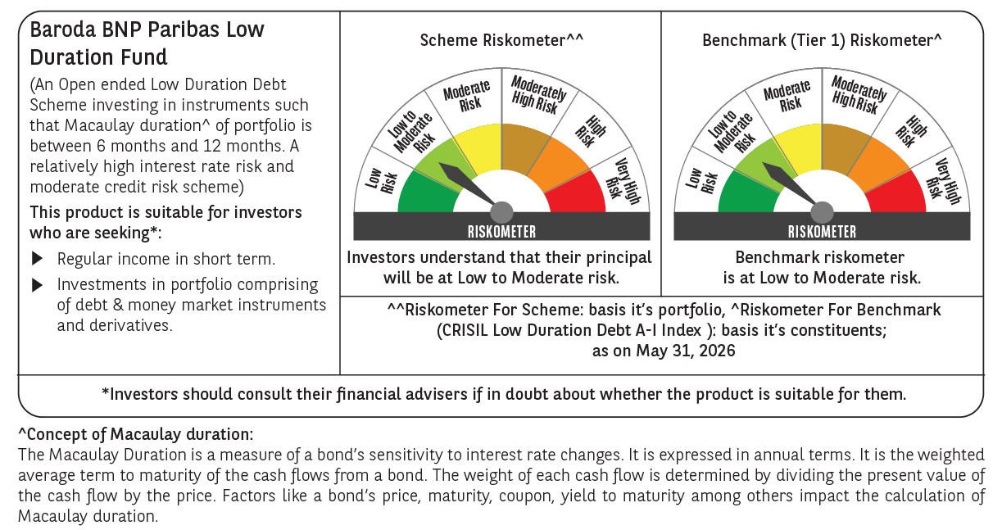




 | Monthly Performance Link: https://www.barodabnpparibasmf.in/assets/download_documents/Performance_of_Schemes_May_2026_18471.pdf

