YR51
 | Baroda BNP Paribas Overnight Fund

 | Monthly Portfolio Statement as on April 30, 2026
 | Name of the Instrument | ISIN | Rating | Quantity | Market/Fair Value (Rs. in Lakhs) | % to Net Assets | YTM~ | YTC^ | null
 | Money Market Instruments
 | Treasury Bill
TBIL2620 | 91 Days Tbill (MD 07/05/2026) | IN002025X448 | Sovereign | 500,000 | 499.58 | 0.58% | 5.11%
TBIL2635 | 364 Days Tbill (MD 21/05/2026) | IN002025Z088 | Sovereign | 500,000 | 498.61 | 0.57% | 5.10%
 | Sub Total |  |  |  | 998.19 | 1.15%
 | Total |  |  |  | 998.19 | 1.15%
 | Reverse Repo / TREPS
REP6_300426 | Clearing Corporation of India Ltd |  |  |  | 38,199.93 | 44.04% | 5.28%
TRP_040526 | Clearing Corporation of India Ltd |  |  |  | 20,064.22 | 23.13% | 5.26%
REP4_300426 | Clearing Corporation of India Ltd |  |  |  | 18,099.62 | 20.87% | 5.30%
REP5_300426 | Clearing Corporation of India Ltd |  |  |  | 9,599.65 | 11.07% | 5.40%
 | Sub Total |  |  |  | 85,963.42 | 99.11%
 | Total |  |  |  | 85,963.42 | 99.11%
 | Net Receivables / (Payables) |  |  |  | (229.15) | (0.26)%
 | GRAND TOTAL |  |  |  | 86,732.46 | 100.00%

 | ~ YTM as on April 30, 2026
 | ^ YTC represents Yield to Call provided by valuation agencies as on April 30, 2026. It is disclosed for Perpetual Bond issued by Banks (i.e. AT-1 Bond / Tier 1 Bond / Tier 2 Bond), as per AMFI Best Practices Guidelines Circular no. 135/BP/91/2020-21 read with SEBI circular No. SEBI/HO/IMD/DF4/CIR/P/2021/034 on Valuation of AT-1 Bonds and Tier 2 Bonds.

 | Notes & Symbols :-
 | # -> Less Than 0.005% ; A** -> Awaiting Listing on Stock Exchanges ; T** -> Thinly Traded Securities ; N** -> Non Traded Securities ; I** -> Illiquid Shares ; R** -> Rights Entitlement ; P** Preference Shares ; W** Warrants ; B** -> Below Investment Grade Security ; PP* -> Partly Paid;S** --> Suspended forTrading.
 | ^ -> Industry classification as recommended by AMFI and wherever not available, internal classification has been used ; D**->Does not include notional exposures to derivative instruments.
 | (1) Non Convertible Debentures and Bonds are considered as Traded based on information provided by external agencies.
 | (2) The Name of the Industry is in accordance with Industry Classification as recommended by AMFI.
 | (3) $ Yield based on aggregated yields as per Crisil's and ICRA's SLV price feeds and TREPS yield as per the trade.
 | (4) All corporate ratings are assigned by rating agencies like CRISIL; CARE; ICRA; IND; BRW.
 | (5) The provision made for securities classified as below investment grade or default as of April 30, 2026 is Rs Nil and its percentage to Net Asset Value is Nil .
 | (6) Aggregate value of illiquid shares of the fund amounts to Rs. Nil and their percentage to Net Asset value is Nil.
 | (7) Plan/option wise per unit Net Asset Value are as follows:
 | Plan/Option |  | As on March 31, 2026 | As on April 30, 2026
 | Unclaimed IDCW - Up to 3 Yrs |  | 1269.3260 | 1274.5680
 | Unclaimed IDCW - Greater than 3 years |  | 1000.0000 | 1000.0000
 | Unclaimed Redemption - Up to 3 Yrs |  | 1269.2964 | 1274.5382
 | Unclaimed Redemption - Greater than 3 years |  | 1000.0000 | 1000.0000
 | Regular Plan - Daily IDCW Option |  | 1000.0018 | 1000.0018
 | Regular Plan - Growth Option |  | 1408.2126 | 1413.9736
 | Regular Plan - Weekly IDCW Option |  | 1001.6830 | 1000.8714
 | Direct Plan - Daily IDCW Option |  | 1000.0028 | 1000.0028
 | Direct Plan - Growth Option |  | 1414.7208 | 1420.5631
 | Direct Plan - Weekly IDCW Option |  | 1001.2168 | 1000.3878

 | (8) Details of Dividend declared per unit (In Rupees) during the period are as follows |  | Individuals/HUF | Others
 | Regular Plan - Daily IDCW Option |  | 4.0152 | 4.0152
 | Regular Plan - Weekly IDCW Option |  | 4.9030 | 4.9030
 | Direct Plan - Daily IDCW Option |  | 4.1166 | 4.1166
 | Direct Plan - Weekly IDCW Option |  | 4.9524 | 4.9524

 | (9) There were no investments made in derivative instruments and no such derivative instrument was squared off/ expired /exercised during the period ended April 30, 2026. Further there are no investments in derivative instruments as on April 30, 2026.
 | (10) Total Market value of investments in Foreign Securities/American Depositary Receipts/Global Depositary Receipts as at April 30, 2026 is Rs. Nil.
 | (11) The Average Maturity period of the portfolio has been 4 days.
 | (12) Details of repo transaction in corporate debt securities for the period ended April 30, 2026 is Nil.
 | (13) Investments in debt instruments having structured obligations or credit enhancement features as at April 30, 2026 is Rs. Nil.
 | (14) Investment in Partly paid Debentures during the period ended April 30, 2026 is Rs. Nil.
 | (15) RATIONALE FOR DEVIATION FROM VALUATION AGENCY PRICE
 | Rationale for deviation from valuation price provided by the valuation agencies as per SEBI Circular dated 22nd March 2019 and 24th September 2019
 | during the period there were no cases of deviation from valuation agency price
 | To view the previous cases of deviation kindly refer the following link:
 | <<https://www.barodabnpparibasmf.in/statutory-disclosures/update-on-credit-events>>
 | (16) Transactions in Credit Default Swaps during period ended April 30, 2026 : Rs. Nil
 | (17) Macaulay Duration of the portfolio has been 1 days.
 | (18) Annualised Portfolio YTM has been 5.29.

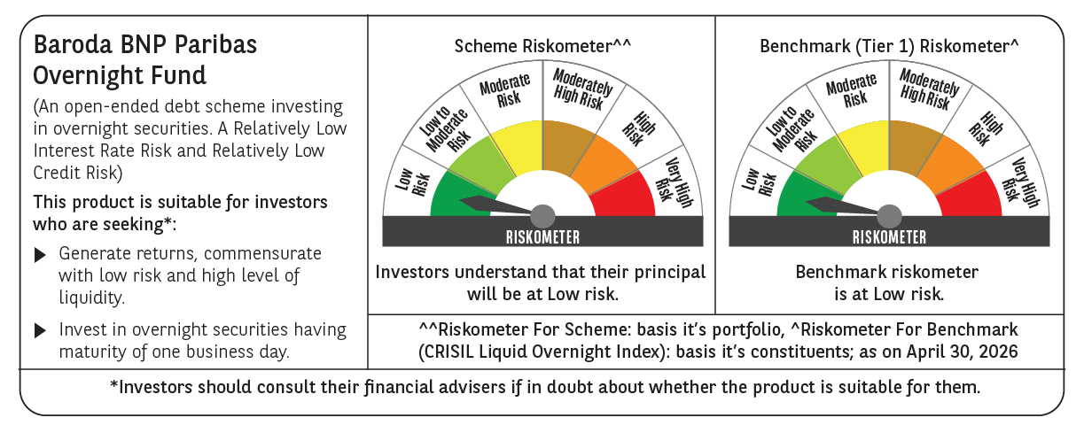

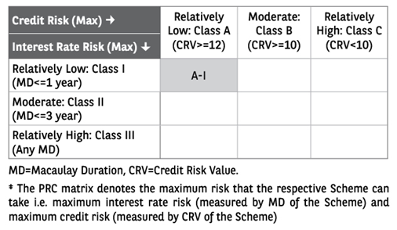

 | Monthly Performance Link: https://www.barodabnpparibasmf.in/assets/download_documents/Performance_of_Schemes-april_2026.pdf

 |  |  |  |  | 2429.79

