YR15
 | Baroda BNP Paribas Short Duration Fund

 | Monthly Portfolio Statement as on April 30, 2026
 | Name of the Instrument | ISIN | Rating | Quantity | Market/Fair Value (Rs. in Lakhs) | % to Net Assets | YTM~ | YTC^ | null
 | Debt Instruments
 | (a) Listed / awaiting listing on Stock Exchange
NHBA331 | 7.59% National Housing Bank (08/09/2027) ** | INE557F08FZ1 | CRISIL AAA | 1,500 | 1,504.95 | 5.80% | 7.33%
NBAR838 | 7.48% National Bank For Agriculture and Rural Development (15/09/2028) | INE261F08EO7 | CRISIL AAA | 1,500 | 1,492.84 | 5.75% | 7.68%
SIDB553 | 7.68% Small Industries Dev Bank of India (10/08/2027) ** | INE556F08KP4 | CRISIL AAA | 1,300 | 1,302.98 | 5.02% | 7.52%
HPEC300 | 7.64% Hindustan Petroleum Corporation Limited (04/11/2027) ** | INE094A08135 | CRISIL AAA | 120 | 1,206.65 | 4.65% | 7.19%
SHTR526 | 8.7% Shriram Finance Limited (09/04/2028) ** | INE721A07SL9 | CRISIL AAA | 1,000 | 1,013.51 | 3.90% | 7.91%
LARS419 | 7.725% Larsen & Toubro Limited (28/04/2028) ** | INE018A08BE9 | CRISIL AAA | 1,000 | 1,005.71 | 3.87% | 7.41%
NCIP36 | 8.50% Nomura Capital India Pvt Limited (21/10/2026) ** | INE357L07457 | FITCH AAA | 1,000 | 1,003.74 | 3.87% | 7.40%
PHFP225 | 8.15% PNB Housing Finance Limited (29/07/2027) | INE572E07183 | CARE AA+ | 1,000 | 1,002.43 | 3.86% | 7.89%
LICH680 | 7.74% LIC Housing Finance Limited (11/02/2028) ** | INE115A07QW5 | CRISIL AAA | 1,000 | 1,000.40 | 3.85% | 7.69%
IRLY303 | 7.27% Indian Railway Finance Corporation Limited (15/06/2027) ** | INE053F07AB5 | CRISIL AAA | 100 | 999.71 | 3.85% | 7.32%
ULCC169 | 7.34% UltraTech Cement Limited (03/03/2028) ** | INE481G08123 | CRISIL AAA | 1,000 | 998.51 | 3.85% | 7.41%
IOIC673 | 7.25% Indian Oil Corporation Limited (05/01/2030) ** | INE242A08569 | CRISIL AAA | 800 | 795.56 | 3.06% | 7.41%
EXIM794 | 7.35% Export Import Bank of India (27/07/2028) ** | INE514E08GE8 | CRISIL AAA | 700 | 699.06 | 2.69% | 7.42%
HPEC303 | 7.74% Hindustan Petroleum Corporation Limited (02/03/2028) ** | INE094A08150 | CRISIL AAA | 650 | 654.49 | 2.52% | 7.30%
RECL473 | 6.87% REC Limited (31/05/2030) ** | INE020B08FU0 | ICRA AAA | 600 | 583.57 | 2.25% | 7.67%
GOI5379 | 7.32% Government of India (13/11/2030) | IN0020230135 | Sovereign | 500,000 | 511.77 | 1.97% | 6.82%
GOI5228 | 7.18% Government of India (14/08/2033) | IN0020230085 | Sovereign | 500,000 | 505.36 | 1.95% | 7.11%
ICFP147 | 10.5% IndoStar Capital Finance Limited (25/09/2026) ** | INE896L07983 | CARE AA- | 50,000 | 503.56 | 1.94% | 8.16%
NHBA329 | 7.59% National Housing Bank (14/07/2027) ** | INE557F08FY4 | CRISIL AAA | 500 | 501.48 | 1.93% | 7.33%
RUPL50 | 7.90% Jamnagar Utilities & Power Private Limited (10/08/2028) ** | INE936D07182 | CRISIL AAA | 500 | 501.11 | 1.93% | 7.76%
RECL454 | 7.59% REC Limited (31/05/2027) ** | INE020B08FA2 | CRISIL AAA | 500 | 501.03 | 1.93% | 7.37%
BHAT85 | 7.35% Bharti Telecom Limited (15/10/2027) ** | INE403D08272 | CRISIL AAA | 500 | 496.07 | 1.91% | 7.89%
MEBP36 | 7% Mindspace Business Parks REIT (14/09/2027) ** | INE0CCU07165 | CRISIL AAA | 500 | 495.60 | 1.91% | 7.90%
EOPR38 | 7.21% Embassy Office Parks REIT (17/03/2028) ** | INE041007167 | CRISIL AAA | 500 | 495.60 | 1.91% | 7.94%
BAFL990 | 7.07% Bajaj Finance Limited (21/09/2028) ** | INE296A07TN6 | CRISIL AAA | 500 | 491.00 | 1.89% | 7.88%
GOI6900 | 6.28% Government of India (14/07/2032) | IN0020250059 | Sovereign | 500,000 | 484.48 | 1.87% | 7.02%
GOI7094 | 6.48% Government of India (06/10/2035) | IN0020250091 | Sovereign | 500,000 | 481.41 | 1.85% | 7.15%
SIDB657 | 7.22% Small Industries Dev Bank of India (10/04/2029) ** | INE556F08LC0 | CRISIL AAA | 400 | 395.29 | 1.52% | 7.68%
GOI3079 | 7.11% State Government Securities (17/03/2031) | IN1520200297 | Sovereign | 200,000 | 198.30 | 0.76% | 7.45%
SIDB598 | 7.39% Small Industries Dev Bank of India (21/03/2030) ** | INE556F08KY6 | CRISIL AAA | 200 | 198.08 | 0.76% | 7.68%
GOI7411 | 6.36% Government of India (16/02/2031) | IN0020250141 | Sovereign | 200,000 | 196.75 | 0.76% | 6.87%
BSNL21 | 6.79% Bharat Sanchar Nigam Limited (23/09/2030) ** | INE103D08021 | CRISIL AAA(CE) | 20 | 192.49 | 0.74% | 7.97%
PGCI456 | 7.56% Power Grid Corporation of India Limited (31/03/2033) ** | INE752E08692 | CRISIL AAA | 250 | 182.25 | 0.70% | 7.58%
 | Sub Total |  |  |  | 22,595.74 | 87.02%
 | (b) Privately placed / Unlisted |  |  |  | NIL | NIL
 | Sub Total |  |  |  | NIL | NIL
 | (c) Securitised Debt
VAJR28 | Vajra Trust (20/01/2029) ** | INE20NI15039 | CRISIL AAA(SO) | 9 | 894.09 | 3.44% | 10.26%
IUNT24 | India Universal Trust (21/11/2027) ** | INE1CBK15029 | CRISIL AAA(SO) | 5 | 331.77 | 1.28% | 8.29%
 | Sub Total |  |  |  | 1,225.86 | 4.72%
 | (b) Privately placed / Unlisted |  |  |  | NIL | NIL
 | Sub Total |  |  |  | NIL | NIL
 | Total |  |  |  | 23,821.60 | 91.74%
 | Money Market Instruments
 | Certificate of Deposit
IBCL1180 | ICICI Bank Limited (27/01/2027) ** # | INE090AD6279 | ICRA A1+ | 200 | 949.72 | 3.66% | 7.13%
 | Sub Total |  |  |  | 949.72 | 3.66%
 | Total |  |  |  | 949.72 | 3.66%
 | Others
 | Corporate Debt Market Development Fund
CDMD50ME | Corporate Debt Market Development Fund # | INF0RQ622028 |  | 867 | 101.90 | 0.39% | 5.61%
 | Sub Total |  |  |  | 101.90 | 0.39%
 | Total |  |  |  | 101.90 | 0.39%
 | Reverse Repo / TREPS
TRP_040526 | Clearing Corporation of India Ltd |  |  |  | 913.20 | 3.52% | 5.26%
 | Sub Total |  |  |  | 913.20 | 3.52%
 | (b) Privately placed / Unlisted |  |  |  | NIL | NIL
 | Sub Total |  |  |  | NIL | NIL
 | Total |  |  |  | 913.20 | 3.52%
 | Net Receivables / (Payables) |  |  |  | 178.32 | 0.69%
 | GRAND TOTAL |  |  |  | 25,964.74 | 100.00%

 | ** Thinly Traded / Non Traded Security
 | # Unlisted Security
 | ~ YTM as on April 30, 2026
 | ^ YTC represents Yield to Call provided by valuation agencies as on April 30, 2026. It is disclosed for Perpetual Bond issued by Banks (i.e. AT-1 Bond / Tier 1 Bond / Tier 2 Bond), as per AMFI Best Practices Guidelines Circular no. 135/BP/91/2020-21 read with SEBI circular No. SEBI/HO/IMD/DF4/CIR/P/2021/034 on Valuation of AT-1 Bonds and Tier 2 Bonds.

 | Notes & Symbols :-
 | # -> Less Than 0.005% ; A** -> Awaiting Listing on Stock Exchanges ; T** -> Thinly Traded Securities ; N** -> Non Traded Securities ; I** -> Illiquid Shares ; R** -> Rights Entitlement ; P** Preference Shares ; W** Warrants ; B** -> Below Investment Grade Security ; PP* -> Partly Paid;S** --> Suspended forTrading.
 | ^ -> Industry classification as recommended by AMFI and wherever not available, internal classification has been used ; D**->Does not include notional exposures to derivative instruments.
 | (1) Non Convertible Debentures and Bonds are considered as Traded based on information provided by external agencies.
 | (2) The Name of the Industry is in accordance with Industry Classification as recommended by AMFI.
 | (3) $ Yield based on aggregated yields as per Crisil's and ICRA's SLV price feeds and TREPS yield as per the trade.
 | (4) All corporate ratings are assigned by rating agencies like CRISIL; CARE; ICRA; IND; BRW.
 | (5) The provision made for securities classified as below investment grade or default as of April 30, 2026 is Rs Nil and its percentage to Net Asset Value is Nil .
 | (6) Aggregate value of illiquid shares of the fund amounts to Rs. Nil and their percentage to Net Asset value is Nil.
 | (7) Plan/option wise per unit Net Asset Value are as follows:
 | Plan/Option |  | As on March 31, 2026 | As on April 30, 2026
 | Regular Plan - Monthly IDCW Option |  | 10.1035 | 10.1106
 | Regular Plan - Growth Option |  | 30.1371 | 30.3071
 | Regular Plan - Quarterly IDCW Option |  | 10.4762 | 10.5353
 | Direct Plan - Monthly IDCW Option |  | 10.3678 | 10.3816
 | Direct Plan - Growth Option |  | 32.8662 | 33.0680
 | Direct Plan - Quarterly IDCW Option |  | 11.0628 | 11.1307

 | (8) Details of Dividend declared per unit (In Rupees) during the period are as follows |  | Individuals/HUF | Others
 | Regular Plan - Monthly IDCW Option |  | 0.0500 | 0.0500
 | Regular Plan - Quarterly IDCW Option |  | 0.0000 | 0.0000
 | Direct Plan - Monthly IDCW Option |  | 0.0500 | 0.0500
 | Direct Plan - Quarterly IDCW Option |  | 0.0000 | 0.0000

 | (9) There were no investments made in derivative instruments and no such derivative instrument was squared off/ expired /exercised during the period ended April 30, 2026. Further there are no investments in derivative instruments as on April 30, 2026.
 | (10) Total Market value of investments in Foreign Securities/American Depositary Receipts/Global Depositary Receipts as at April 30, 2026 is Rs. Nil.
 | (11) The Average Maturity period of the portfolio has been 808 days.
 | (12) Details of repo transaction in corporate debt securities for the period ended April 30, 2026 is Nil.
 | (13) Investments in debt instruments having structured obligations or credit enhancement features as at April 30, 2026 is Rs. 1,418.35 Lacs.
 | (14) Investment in Partly paid Debentures during the period ended April 30, 2026 is Rs. Nil.
 | (15) RATIONALE FOR DEVIATION FROM VALUATION AGENCY PRICE
 | Rationale for deviation from valuation price provided by the valuation agencies as per SEBI Circular dated 22nd March 2019 and 24th September 2019
 | during the period there were no cases of deviation from valuation agency price
 | To view the previous cases of deviation kindly refer the following link:
 | <<https://www.barodabnpparibasmf.in/statutory-disclosures/update-on-credit-events>>
 | (16) Transactions in Credit Default Swaps during period ended April 30, 2026 : Rs. Nil
 | (17) Macaulay Duration of the portfolio has been 695 days.
 | (18) Annualised Portfolio YTM has been 7.5.

 | †Concept of Macaulay duration: The Macaulay Duration is a measure of a bond’s sensitivity to interest rate changes. It is expressed in annual terms. It is the weighted average term to maturity of the cash flows from a bond. The weight of each cash flow is determined by dividing the present value of the cash flow by the price. Factors like a bond’s price, maturity, coupon, yield to maturity among others impact the calculation of Macaulay duration.

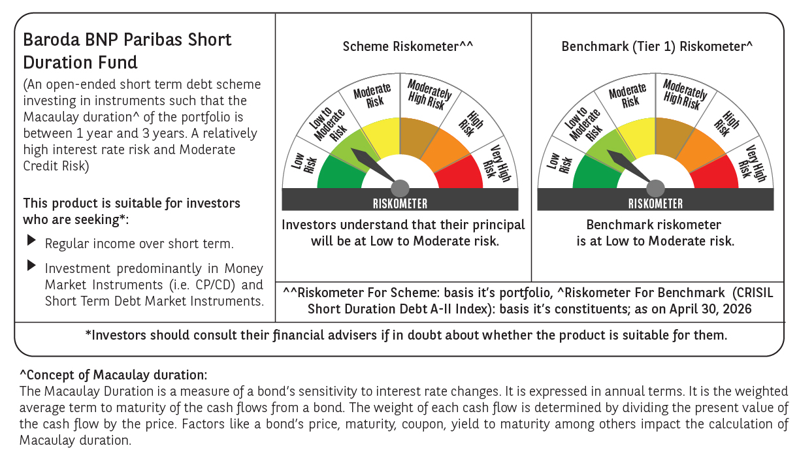



 | Monthly Performance Link: https://www.barodabnpparibasmf.in/assets/download_documents/Performance_of_Schemes-april_2026.pdf

