YR07
 | Baroda BNP Paribas Gilt Fund

 | Monthly Portfolio Statement as on April 30, 2026
 | Name of the Instrument | ISIN | Rating | Quantity | Market/Fair Value (Rs. in Lakhs) | % to Net Assets | YTM~ | YTC^ | null
 | Debt Instruments
 | (a) Listed / awaiting listing on Stock Exchange
GOI6960 | 7.24% Government of India (18/08/2055) | IN0020250075 | Sovereign | 14,500,000 | 13,922.94 | 18.60% | 7.72%
GOI6638 | 6.9% Government of India (15/04/2065) | IN0020250018 | Sovereign | 11,635,700 | 10,548.46 | 14.09% | 7.80%
GOI7411 | 6.36% Government of India (16/02/2031) | IN0020250141 | Sovereign | 8,128,000 | 7,995.79 | 10.68% | 6.87%
GOI3591 | 6.91% State Government Securities (15/09/2033) | IN2220210248 | Sovereign | 5,700,000 | 5,483.39 | 7.33% | 7.73%
GOI4967 | 7.65% State Government Securities (01/02/2033) | IN1520220212 | Sovereign | 5,000,000 | 5,020.62 | 6.71% | 7.71%
GOI4333 | 7.29% State Government Securities (30/03/2032) | IN1520210239 | Sovereign | 5,000,000 | 4,957.21 | 6.62% | 7.61%
GOI7094 | 6.48% Government of India (06/10/2035) | IN0020250091 | Sovereign | 4,000,000 | 3,851.28 | 5.15% | 7.15%
GOI6919 | 6.01% Government of India (21/07/2030) | IN0020250067 | Sovereign | 3,750,000 | 3,670.24 | 4.90% | 6.70%
GOI6019 | 7.09% Government of India (05/08/2054) | IN0020240118 | Sovereign | 3,800,000 | 3,577.69 | 4.78% | 7.74%
GOI3079 | 7.11% State Government Securities (17/03/2031) | IN1520200297 | Sovereign | 2,000,000 | 1,983.00 | 2.65% | 7.45%
GOI5228 | 7.18% Government of India (14/08/2033) | IN0020230085 | Sovereign | 1,300,000 | 1,313.93 | 1.76% | 7.11%
GOI7446 | 7.4% State Government Securities (25/02/2036) | IN1520250318 | Sovereign | 1,000,000 | 983.14 | 1.31% | 7.79%
 | Sub Total |  |  |  | 63,307.69 | 84.58%
 | (b) Privately placed / Unlisted |  |  |  | NIL | NIL
 | Sub Total |  |  |  | NIL | NIL
 | Total |  |  |  | 63,307.69 | 84.58%
 | Reverse Repo / TREPS
TRP_040526 | Clearing Corporation of India Ltd |  |  |  | 11,777.77 | 15.74% | 5.26%
 | Sub Total |  |  |  | 11,777.77 | 15.74%
 | (b) Privately placed / Unlisted |  |  |  | NIL | NIL
 | Sub Total |  |  |  | NIL | NIL
 | Total |  |  |  | 11,777.77 | 15.74%
 | Net Receivables / (Payables) |  |  |  | (240.30) | (0.32)%
 | GRAND TOTAL |  |  |  | 74,845.16 | 100.00%

 | ~ YTM as on April 30, 2026
 | ^ YTC represents Yield to Call provided by valuation agencies as on April 30, 2026. It is disclosed for Perpetual Bond issued by Banks (i.e. AT-1 Bond / Tier 1 Bond / Tier 2 Bond), as per AMFI Best Practices Guidelines Circular no. 135/BP/91/2020-21 read with SEBI circular No. SEBI/HO/IMD/DF4/CIR/P/2021/034 on Valuation of AT-1 Bonds and Tier 2 Bonds.

 | Notes & Symbols :-
 | # -> Less Than 0.005% ; A** -> Awaiting Listing on Stock Exchanges ; T** -> Thinly Traded Securities ; N** -> Non Traded Securities ; I** -> Illiquid Shares ; R** -> Rights Entitlement ; P** Preference Shares ; W** Warrants ; B** -> Below Investment Grade Security ; PP* -> Partly Paid;S** --> Suspended forTrading.
 | ^ -> Industry classification as recommended by AMFI and wherever not available, internal classification has been used ; D**->Does not include notional exposures to derivative instruments.
 | (1) Non Convertible Debentures and Bonds are considered as Traded based on information provided by external agencies.
 | (2) The Name of the Industry is in accordance with Industry Classification as recommended by AMFI.
 | (3) $ Yield based on aggregated yields as per Crisil's and ICRA's SLV price feeds and TREPS yield as per the trade.
 | (4) All corporate ratings are assigned by rating agencies like CRISIL; CARE; ICRA; IND; BRW.
 | (5) The provision made for securities classified as below investment grade or default as of April 30, 2026 is Rs Nil and its percentage to Net Asset Value is Nil .
 | (6) Aggregate value of illiquid shares of the fund amounts to Rs. Nil and their percentage to Net Asset value is Nil.
 | (7) Plan/option wise per unit Net Asset Value are as follows:
 | Plan/Option |  | As on March 31, 2026 | As on April 30, 2026
 | Regular Plan - IDCW Option |  | 25.1299 | 25.3774
 | Regular Plan - Growth Option |  | 42.3383 | 42.7552
 | Direct Plan - IDCW Option |  | 34.1820 | 34.5266
 | Direct Plan - Growth Option |  | 46.5631 | 47.0323

 | (8) No Dividend declared during the period ended April 30, 2026

 | (9) There were no investments made in derivative instruments and no such derivative instrument was squared off/ expired /exercised during the period ended April 30, 2026. Further there are no investments in derivative instruments as on April 30, 2026.
 | (10) Total Market value of investments in Foreign Securities/American Depositary Receipts/Global Depositary Receipts as at April 30, 2026 is Rs. Nil.
 | (11) The Average Maturity period of the portfolio has been 5560 days.
 | (12) Details of repo transaction in corporate debt securities for the period ended April 30, 2026 is Nil.
 | (13) Investments in debt instruments having structured obligations or credit enhancement features as at April 30, 2026 is Rs. Nil.
 | (14) Investment in Partly paid Debentures during the period ended April 30, 2026 is Rs. Nil.
 | (15) RATIONALE FOR DEVIATION FROM VALUATION AGENCY PRICE
 | Rationale for deviation from valuation price provided by the valuation agencies as per SEBI Circular dated 22nd March 2019 and 24th September 2019
 | during the period there were no cases of deviation from valuation agency price
 | To view the previous cases of deviation kindly refer the following link:
 | <<https://www.barodabnpparibasmf.in/statutory-disclosures/update-on-credit-events>>
 | (16) Transactions in Credit Default Swaps during period ended April 30, 2026 : Rs. Nil
 | (17) Macaulay Duration of the portfolio has been 2561 days.
 | (18) Annualised Portfolio YTM has been 7.04.

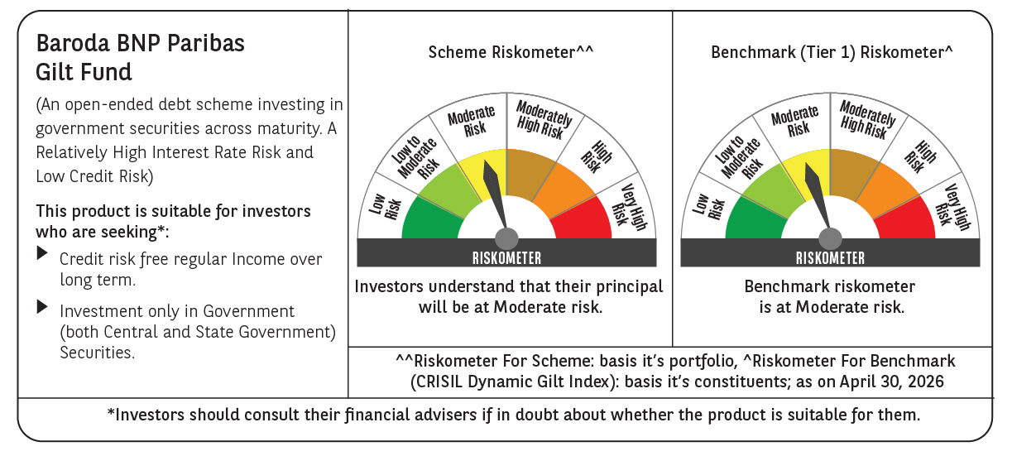



 | Monthly Performance Link: https://www.barodabnpparibasmf.in/assets/download_documents/Performance_of_Schemes-april_2026.pdf

