T0ME45
 | Baroda BNP Paribas Health and Wellness Fund

 | Monthly Portfolio Statement as on April 30, 2026
 | Name of the Instrument | ISIN | Industry | Quantity | Market/Fair Value (Rs. in Lakhs) | % to Net Assets | YTM~ | YTC^ | null
 | Equity & Equity related
 | (a) Listed / awaiting listing on Stock Exchanges
SPIL03 | Sun Pharmaceutical Industries Limited | INE044A01036 | Pharmaceuticals & Biotechnology | 275,000 | 4,972.83 | 9.38%
LUPL02 | Lupin Limited | INE326A01037 | Pharmaceuticals & Biotechnology | 140,000 | 3,227.28 | 6.09%
IPCA03 | IPCA Laboratories Limited | INE571A01038 | Pharmaceuticals & Biotechnology | 185,000 | 2,832.17 | 5.34%
BOOT01 | Abbott India Limited | INE358A01014 | Pharmaceuticals & Biotechnology | 11,000 | 2,797.85 | 5.28%
TOPH02 | Torrent Pharmaceuticals Limited | INE685A01028 | Pharmaceuticals & Biotechnology | 65,000 | 2,720.32 | 5.13%
LAUR02 | Laurus Labs Limited | INE947Q01028 | Pharmaceuticals & Biotechnology | 230,000 | 2,532.19 | 4.78%
FRHL01 | Fortis Healthcare Limited | INE061F01013 | Healthcare Services | 250,000 | 2,307.38 | 4.35%
APOL02 | Apollo Hospitals Enterprise Limited | INE437A01024 | Healthcare Services | 30,000 | 2,290.95 | 4.32%
JBCH03 | JB Chemicals & Pharmaceuticals Limited | INE572A01036 | Pharmaceuticals & Biotechnology | 110,000 | 2,247.74 | 4.24%
ASPH02 | AstraZeneca Pharma India Limited | INE203A01020 | Pharmaceuticals & Biotechnology | 26,000 | 2,135.38 | 4.03%
EMPH02 | Emcure Pharmaceuticals Limited | INE168P01015 | Pharmaceuticals & Biotechnology | 108,535 | 1,823.50 | 3.44%
SLIF01 | SBI Life Insurance Company Limited | INE123W01016 | Insurance | 100,000 | 1,819.00 | 3.43%
ADHL01 | Aster DM Healthcare Limited | INE914M01019 | Healthcare Services | 225,000 | 1,577.36 | 2.97%
IPLI01 | ICICI Prudential Life Insurance Company Limited | INE726G01019 | Insurance | 290,000 | 1,490.17 | 2.81%
GLPH03 | Glenmark Pharmaceuticals Limited | INE935A01035 | Pharmaceuticals & Biotechnology | 60,000 | 1,443.78 | 2.72%
AUPH03 | Aurobindo Pharma Limited | INE406A01037 | Pharmaceuticals & Biotechnology | 100,000 | 1,389.50 | 2.62%
DLPL01 | Dr. Lal Path Labs Limited | INE600L01024 | Healthcare Services | 100,000 | 1,367.20 | 2.58%
GLAN02 | Gland Pharma Limited | INE068V01023 | Pharmaceuticals & Biotechnology | 63,401 | 1,110.02 | 2.09%
DIVI02 | Divi's Laboratories Limited | INE361B01024 | Pharmaceuticals & Biotechnology | 16,900 | 1,098.92 | 2.07%
AJPH03 | Ajanta Pharma Limited | INE031B01049 | Pharmaceuticals & Biotechnology | 35,000 | 987.95 | 1.86%
AMIO02 | Acutaas Chemicals Limited | INE00FF01025 | Pharmaceuticals & Biotechnology | 36,040 | 934.91 | 1.76%
MEDP01 | MedPlus Health Services Limited | INE804L01022 | Retailing | 100,000 | 872.15 | 1.64%
INKN01 | Inventurus Knowledge Solutions Limited | INE115Q01022 | IT - Services | 50,000 | 827.35 | 1.56%
NHSP02 | Nephrocare Health Services Ltd | INE428V01029 | Healthcare Services | 150,000 | 793.88 | 1.50%
CONB01 | Concord Biotech Limited | INE338H01029 | Pharmaceuticals & Biotechnology | 60,000 | 685.20 | 1.29%
MKIP01 | Mankind Pharma Limited | INE634S01028 | Pharmaceuticals & Biotechnology | 30,000 | 674.01 | 1.27%
DRRL03 | Dr. Reddy's Laboratories Limited | INE089A01031 | Pharmaceuticals & Biotechnology | 50,000 | 661.45 | 1.25%
METR01 | Metropolis Healthcare Limited | INE112L01020 | Healthcare Services | 125,000 | 595.63 | 1.12%
CIPL03 | Cipla Limited | INE059A01026 | Pharmaceuticals & Biotechnology | 45,000 | 589.32 | 1.11%
POME02 | Poly Medicure Limited | INE205C01021 | Healthcare Equipment & Supplies | 38,119 | 576.40 | 1.09%
EMER01 | Procter & Gamble Health Limited | INE199A01012 | Pharmaceuticals & Biotechnology | 11,000 | 573.86 | 1.08%
MAXI02 | Max Financial Services Limited | INE180A01020 | Insurance | 35,000 | 555.00 | 1.05%
JLLH01 | Jupiter Life Line Hospitals Limited | INE682M01012 | Healthcare Services | 45,000 | 551.66 | 1.04%
SUVP01 | Cohance Lifesciences Limited | INE03QK01018 | Pharmaceuticals & Biotechnology | 105,630 | 510.46 | 0.96%
RACM01 | Rainbow Childrens Medicare Limited | INE961O01016 | Healthcare Services | 591 | 7.40 | 0.01%
 | Sub Total |  |  |  | 51,580.17 | 97.26%
 | (b) Unlisted |  |  |  | NIL | NIL
 | Sub Total |  |  |  | NIL | NIL
 | Total |  |  |  | 51,580.17 | 97.26%
 | Reverse Repo / TREPS
TRP_040526 | Clearing Corporation of India Ltd |  |  |  | 1,529.07 | 2.88% | 5.26%
 | Sub Total |  |  |  | 1,529.07 | 2.88%
 | Total |  |  |  | 1,529.07 | 2.88%
 | Net Receivables / (Payables) |  |  |  | (88.01) | (0.14)%
 | GRAND TOTAL |  |  |  | 53,021.23 | 100.00%

 | ~ YTM as on April 30, 2026
 | ^ YTC represents Yield to Call provided by valuation agencies as on April 30, 2026. It is disclosed for Perpetual Bond issued by Banks (i.e. AT-1 Bond / Tier 1 Bond / Tier 2 Bond), as per AMFI Best Practices Guidelines Circular no. 135/BP/91/2020-21 read with SEBI circular No. SEBI/HO/IMD/DF4/CIR/P/2021/034 on Valuation of AT-1 Bonds and Tier 2 Bonds.

 | Notes & Symbols :-
 | # -> Less Than 0.005% ; A** -> Awaiting Listing on Stock Exchanges ; T** -> Thinly Traded Securities ; N** -> Non Traded Securities ; I** -> Illiquid Shares ; R** -> Rights Entitlement ; P** Preference Shares ; W** Warrants ; B** -> Below Investment Grade Security ; PP* -> Partly Paid;S** --> Suspended forTrading.
 | ^ -> Industry classification as recommended by AMFI and wherever not available, internal classification has been used ; D**->Does not include notional exposures to derivative instruments.
 | (1) Non Convertible Debentures and Bonds are considered as Traded based on information provided by external agencies.
 | (2) The Name of the Industry is in accordance with Industry Classification as recommended by AMFI.
 | (3) $ Yield based on aggregated yields as per Crisil's and ICRA's SLV price feeds and TREPS yield as per the trade.
 | (4) All corporate ratings are assigned by rating agencies like CRISIL; CARE; ICRA; IND; BRW.
 | (5) The provision made for securities classified as below investment grade or default as of April 30, 2026 is Rs Nil and its percentage to Net Asset Value is Nil .
 | (6) Aggregate value of illiquid shares of the fund amounts to Rs. Nil and their percentage to Net Asset value is Nil.
 | (7) Plan/option wise per unit Net Asset Value are as follows:
 | Plan/Option |  | As on March 31, 2026 | As on April 30, 2026
 | Regular Plan - IDCW Option |  | 9.1037 | 9.4451
 | Regular Plan - Growth Option |  | 9.1037 | 9.4451
 | Direct Plan - IDCW Option |  | 9.2295 | 9.5893
 | Direct Plan - Growth Option |  | 9.2295 | 9.5893

 | (8) No Dividend declared during the period ended April 30, 2026
 | (9) There were no investments made in derivative instruments and no such derivative instrument was squared off/ expired /exercised during the period ended April 30, 2026. Further there are no investments in derivative instruments as on April 30, 2026.
 | (10) Total Market value of investments in Foreign Securities/American Depositary Receipts/Global Depositary Receipts as at April 30, 2026 is Rs. Nil.
 | (11) During the period, the portfolio turnover ratio is 0.69 times.
 | (12) Details of repo transaction in corporate debt securities for the period ended April 30, 2026 is Nil.
 | (13) Investments in debt instruments having structured obligations or credit enhancement features as at April 30, 2026 is Rs. Nil.
 | (14) Investment in Partly paid Debentures during the period ended April 30, 2026 is Rs. Nil.
 | (15) RATIONALE FOR DEVIATION FROM VALUATION AGENCY PRICE
 | Rationale for deviation from valuation price provided by the valuation agencies as per SEBI Circular dated 22nd March 2019 and 24th September 2019
 | during the period there were no cases of deviation from valuation agency price
 | To view the previous cases of deviation kindly refer the following link:
 | <<https://www.barodabnpparibasmf.in/statutory-disclosures/update-on-credit-events>>
 | (16) Transactions in Credit Default Swaps during period ended April 30, 2026 : Rs. Nil

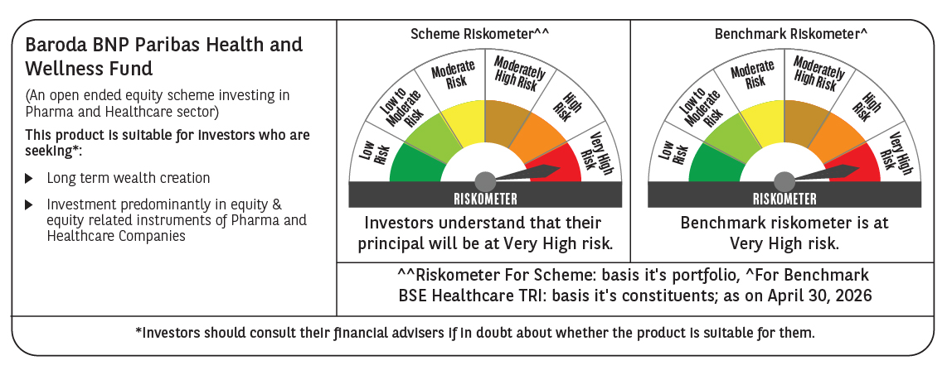

 | Monthly Performance Link: https://www.barodabnpparibasmf.in/assets/download_documents/Performance_of_Schemes-april_2026.pdf

