T0ME42
 | Baroda BNP Paribas Energy Opportunities Fund

 | Monthly Portfolio Statement as on April 30, 2026
 | Name of the Instrument | ISIN | Industry / Rating | Quantity | Market/Fair Value (Rs. in Lakhs) | % to Net Assets | YTM~ | YTC^ | null
 | Equity & Equity related
 | (a) Listed / awaiting listing on Stock Exchanges
RIND01 | Reliance Industries Limited | INE002A01018 | Petroleum Products | 470,000 | 6,724.76 | 9.44%
COAL01 | Coal India Limited | INE522F01014 | Consumable Fuels | 1,350,000 | 6,499.58 | 9.12%
ONGC02 | Oil & Natural Gas Corporation Limited | INE213A01029 | Oil | 1,650,000 | 4,942.58 | 6.94%
NTPC01 | NTPC Limited | INE733E01010 | Power | 1,200,000 | 4,789.80 | 6.72%
PGCI01 | Power Grid Corporation of India Limited | INE752E01010 | Power | 1,300,000 | 4,138.55 | 5.81%
TPOW02 | Tata Power Company Limited | INE245A01021 | Power | 750,000 | 3,334.13 | 4.68%
KCUL02 | Cummins India Limited | INE298A01020 | Industrial Products | 60,000 | 3,159.84 | 4.44%
BHAH02 | Bharat Heavy Electricals Limited | INE257A01026 | Electrical Equipment | 875,000 | 3,083.59 | 4.33%
NHPC01 | NHPC Limited | INE848E01016 | Power | 3,600,000 | 2,995.20 | 4.20%
ABBP01 | Hitachi Energy India Limited | INE07Y701011 | Electrical Equipment | 8,000 | 2,684.00 | 3.77%
OIIL01 | Oil India Limited | INE274J01014 | Oil | 525,000 | 2,576.70 | 3.62%
NAYV01 | NLC India Limited | INE589A01014 | Power | 600,000 | 1,899.60 | 2.67%
ALLI02 | GE Vernova T&D India Limited | INE200A01026 | Electrical Equipment | 40,576 | 1,812.21 | 2.54%
ASEA02 | ABB India Limited | INE117A01022 | Electrical Equipment | 25,000 | 1,807.50 | 2.54%
GAIL01 | GAIL (India) Limited | INE129A01019 | Gas | 1,100,000 | 1,795.53 | 2.52%
BOCL01 | Linde India Limited | INE473A01011 | Chemicals & Petrochemicals | 21,000 | 1,537.20 | 2.16%
CEES01 | Clean Max Enviro Energy Solutions Limited | INE647U01026 | Power | 119,309 | 1,362.69 | 1.91%
LARS02 | Larsen & Toubro Limited | INE018A01030 | Construction | 30,000 | 1,204.20 | 1.69%
ULCC01 | UltraTech Cement Limited | INE481G01011 | Cement & Cement Products | 10,000 | 1,158.60 | 1.63%
SIEM02 | Siemens Limited | INE003A01024 | Electrical Equipment | 30,000 | 1,142.46 | 1.60%
TOPL01 | Torrent Power Limited | INE813H01021 | Power | 50,000 | 868.00 | 1.22%
IOIC01 | Indian Oil Corporation Limited | INE242A01010 | Petroleum Products | 600,000 | 853.50 | 1.20%
SENE01 | Siemens Energy India Limited | INE1NPP01017 | Electrical Equipment | 26,000 | 852.49 | 1.20%
PLNG01 | Petronet LNG Limited | INE347G01014 | Gas | 300,000 | 830.28 | 1.17%
KSPL02 | KSB Limited | INE999A01023 | Industrial Products | 82,500 | 807.35 | 1.13%
ICEM01 | The India Cements Limited | INE383A01012 | Cement & Cement Products | 190,085 | 752.55 | 1.06%
BPCL01 | Bharat Petroleum Corporation Limited | INE029A01011 | Petroleum Products | 200,000 | 600.90 | 0.84%
HPEC01 | Hindustan Petroleum Corporation Limited | INE094A01015 | Petroleum Products | 150,000 | 561.83 | 0.79%
KEII02 | KEI Industries Limited | INE878B01027 | Industrial Products | 3,000 | 145.73 | 0.20%
 | Sub Total |  |  |  | 64,921.35 | 91.14%
 | (b) Unlisted |  |  |  | NIL | NIL
 | Sub Total |  |  |  | NIL | NIL
 | Total |  |  |  | 64,921.35 | 91.14%
 | Money Market Instruments
 | Treasury Bill
TBIL2566 | 364 Days Tbill (MD 17/09/2026) | IN002025Z252 | Sovereign | 1,000,000 | 980.01 | 1.38% | 5.36%
 | Sub Total |  |  |  | 980.01 | 1.38%
 | Total |  |  |  | 980.01 | 1.38%
 | Reverse Repo / TREPS
TRP_040526 | Clearing Corporation of India Ltd |  |  |  | 5,477.06 | 7.69% | 5.26%
 | Sub Total |  |  |  | 5,477.06 | 7.69%
 | Total |  |  |  | 5,477.06 | 7.69%
 | Net Receivables / (Payables) |  |  |  | (137.72) | (0.21)%
 | GRAND TOTAL |  |  |  | 71,240.70 | 100.00%

 | ~ YTM as on April 30, 2026
 | ^ YTC represents Yield to Call provided by valuation agencies as on April 30, 2026. It is disclosed for Perpetual Bond issued by Banks (i.e. AT-1 Bond / Tier 1 Bond / Tier 2 Bond), as per AMFI Best Practices Guidelines Circular no. 135/BP/91/2020-21 read with SEBI circular No. SEBI/HO/IMD/DF4/CIR/P/2021/034 on Valuation of AT-1 Bonds and Tier 2 Bonds.

 | Notes & Symbols :-
 | # -> Less Than 0.005% ; A** -> Awaiting Listing on Stock Exchanges ; T** -> Thinly Traded Securities ; N** -> Non Traded Securities ; I** -> Illiquid Shares ; R** -> Rights Entitlement ; P** Preference Shares ; W** Warrants ; B** -> Below Investment Grade Security ; PP* -> Partly Paid;S** --> Suspended forTrading.
 | ^ -> Industry classification as recommended by AMFI and wherever not available, internal classification has been used ; D**->Does not include notional exposures to derivative instruments.
 | (1) Non Convertible Debentures and Bonds are considered as Traded based on information provided by external agencies.
 | (2) The Name of the Industry is in accordance with Industry Classification as recommended by AMFI.
 | (3) $ Yield based on aggregated yields as per Crisil's and ICRA's SLV price feeds and TREPS yield as per the trade.
 | (4) All corporate ratings are assigned by rating agencies like CRISIL; CARE; ICRA; IND; BRW.
 | (5) The provision made for securities classified as below investment grade or default as of April 30, 2026 is Rs Nil and its percentage to Net Asset Value is Nil .
 | (6) Aggregate value of illiquid shares of the fund amounts to Rs. Nil and their percentage to Net Asset value is Nil.
 | (7) Plan/option wise per unit Net Asset Value are as follows:
 | Plan/Option |  | As on March 31, 2026 | As on April 30, 2026
 | Regular Plan - IDCW Option |  | 11.0967 | 12.4673
 | Regular Plan - Growth Option |  | 11.0967 | 12.4673
 | Direct Plan - IDCW Option |  | 11.2915 | 12.6983
 | Direct Plan - Growth Option |  | 11.2915 | 12.6983

 | (8) No Dividend declared during the period ended April 30, 2026
 | (9) There were no investments in derivative instruments as on April 30, 2026.
 | (10) Total Market value of investments in Foreign Securities/American Depositary Receipts/Global Depositary Receipts as at April 30, 2026 is Rs. Nil.
 | (11) During the period, the portfolio turnover ratio is 0.66 times.
 | (12) Details of repo transaction in corporate debt securities for the period ended April 30, 2026 is Nil.
 | (13) Investments in debt instruments having structured obligations or credit enhancement features as at April 30, 2026 is Rs. Nil.
 | (14) Investment in Partly paid Debentures during the period ended April 30, 2026 is Rs. Nil.
 | (15) RATIONALE FOR DEVIATION FROM VALUATION AGENCY PRICE
 | Rationale for deviation from valuation price provided by the valuation agencies as per SEBI Circular dated 22nd March 2019 and 24th September 2019
 | during the period there were no cases of deviation from valuation agency price
 | To view the previous cases of deviation kindly refer the following link:
 | <<https://www.barodabnpparibasmf.in/statutory-disclosures/update-on-credit-events>>
 | (16) Transactions in Credit Default Swaps during period ended April 30, 2026 : Rs. Nil

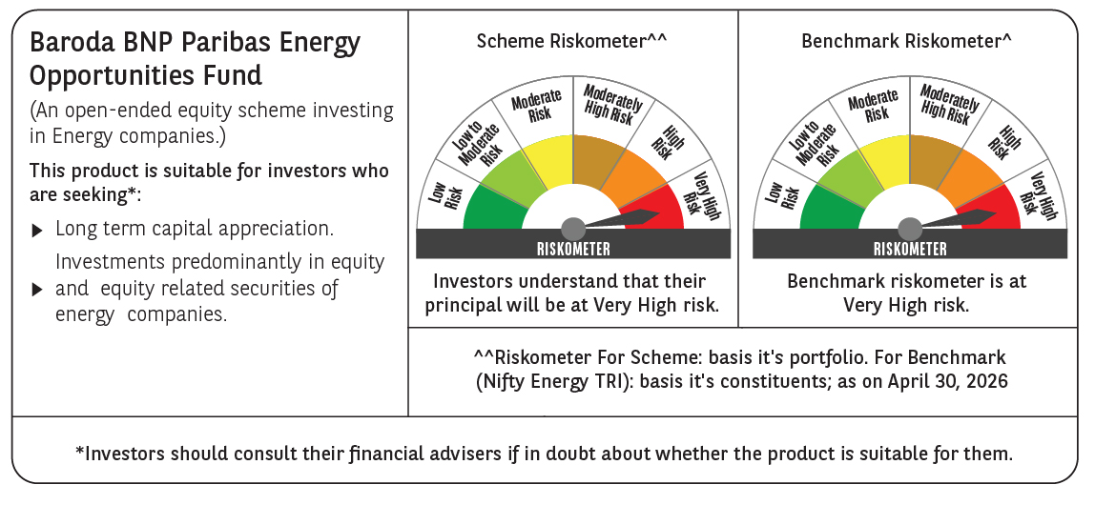

 | Monthly Performance Link: https://www.barodabnpparibasmf.in/assets/download_documents/Performance_of_Schemes-april_2026.pdf

