T0ME39
 | Baroda BNP Paribas Nifty200 Momentum 30 Index Fund

 | Monthly Portfolio Statement as on April 30, 2026
 | Name of the Instrument | ISIN | Industry | Quantity | Market/Fair Value (Rs. in Lakhs) | % to Net Assets | YTM~ | YTC^ | null
 | Equity & Equity related
 | (a) Listed / awaiting listing on Stock Exchanges
HINI02 | Hindalco Industries Limited | INE038A01020 | Non - Ferrous Metals | 12,964 | 134.57 | 6.09%
SBAI02 | State Bank of India | INE062A01020 | Banks | 11,673 | 124.72 | 5.65%
BSEL02 | BSE Limited | INE118H01025 | Capital Markets | 3,219 | 117.19 | 5.31%
SHTR02 | Shriram Finance Limited | INE721A01047 | Finance | 11,650 | 109.20 | 4.94%
EIML02 | Eicher Motors Limited | INE066A01021 | Automobiles | 1,513 | 107.56 | 4.87%
BAFL03 | Bajaj Finance Limited | INE296A01032 | Finance | 11,193 | 104.88 | 4.75%
ASPA02 | Asian Paints Limited | INE021A01026 | Consumer Durables | 4,108 | 100.42 | 4.55%
BTVL02 | Bharti Airtel Limited | INE397D01024 | Telecom - Services | 5,213 | 98.36 | 4.45%
SAEL02 | TVS Motor Company Limited | INE494B01023 | Automobiles | 2,671 | 93.30 | 4.22%
MAUD01 | Maruti Suzuki India Limited | INE585B01010 | Automobiles | 658 | 87.61 | 3.97%
HERO02 | Hero MotoCorp Limited | INE158A01026 | Automobiles | 1,653 | 84.29 | 3.82%
INAV01 | InterGlobe Aviation Limited | INE646L01027 | Transport Services | 1,866 | 80.15 | 3.63%
SLIF01 | SBI Life Insurance Company Limited | INE123W01016 | Insurance | 4,242 | 77.16 | 3.49%
KCUL02 | Cummins India Limited | INE298A01020 | Industrial Products | 1,450 | 76.36 | 3.46%
AFPL02 | AU Small Finance Bank Limited | INE949L01017 | Banks | 7,423 | 75.41 | 3.41%
FEBA02 | The Federal Bank Limited | INE171A01029 | Banks | 25,411 | 72.92 | 3.30%
MUFL01 | Muthoot Finance Limited | INE414G01012 | Finance | 2,105 | 72.08 | 3.26%
LTFL01 | L&T Finance Limited | INE498L01015 | Finance | 19,299 | 53.99 | 2.44%
CANB02 | Canara Bank | INE476A01022 | Banks | 39,531 | 53.23 | 2.41%
ONCO02 | One 97 Communications Limited | INE982J01020 | Financial Technology (Fintech) | 4,524 | 49.57 | 2.24%
ASHL02 | Ashok Leyland Limited | INE208A01029 | Agricultural, Commercial & Construction Vehicles | 30,513 | 49.46 | 2.24%
FRHL01 | Fortis Healthcare Limited | INE061F01013 | Healthcare Services | 5,317 | 49.07 | 2.22%
CHOL02 | Cholamandalam Investment and Finance Company Ltd | INE121A01024 | Finance | 3,018 | 47.17 | 2.14%
FSNE01 | FSN E-Commerce Ventures Limited | INE388Y01029 | Retailing | 17,262 | 45.70 | 2.07%
MAXI02 | Max Financial Services Limited | INE180A01020 | Insurance | 2,854 | 45.26 | 2.05%
ABFS01 | Aditya Birla Capital Limited | INE674K01013 | Finance | 12,861 | 44.43 | 2.01%
INBK01 | Indian Bank | INE562A01011 | Banks | 4,709 | 40.11 | 1.82%
GMRI03 | GMR Airports Limited | INE776C01039 | Transport Infrastructure | 38,091 | 36.73 | 1.66%
SECH03 | UPL Limited | INE628A01036 | Fertilizers & Agrochemicals | 5,567 | 35.73 | 1.62%
GLPH03 | Glenmark Pharmaceuticals Limited | INE935A01035 | Pharmaceuticals & Biotechnology | 1,431 | 34.43 | 1.56%
 | Sub Total |  |  |  | 2,201.06 | 99.65%
 | (b) Unlisted |  |  |  | NIL | NIL
 | Sub Total |  |  |  | NIL | NIL
 | Total |  |  |  | 2,201.06 | 99.65%
 | Reverse Repo / TREPS
TRP_040526 | Clearing Corporation of India Ltd |  |  |  | 7.81 | 0.35% | 5.26%
 | Sub Total |  |  |  | 7.81 | 0.35%
 | Total |  |  |  | 7.81 | 0.35%
 | Net Receivables / (Payables) |  |  |  | (0.24) | 0.00%
 | GRAND TOTAL |  |  |  | 2,208.63 | 100.00%

 | ~ YTM as on April 30, 2026
 | ^ YTC represents Yield to Call provided by valuation agencies as on April 30, 2026. It is disclosed for Perpetual Bond issued by Banks (i.e. AT-1 Bond / Tier 1 Bond / Tier 2 Bond), as per AMFI Best Practices Guidelines Circular no. 135/BP/91/2020-21 read with SEBI circular No. SEBI/HO/IMD/DF4/CIR/P/2021/034 on Valuation of AT-1 Bonds and Tier 2 Bonds.

 | Notes & Symbols :-
 | # -> Less Than 0.005% ; A** -> Awaiting Listing on Stock Exchanges ; T** -> Thinly Traded Securities ; N** -> Non Traded Securities ; I** -> Illiquid Shares ; R** -> Rights Entitlement ; P** Preference Shares ; W** Warrants ; B** -> Below Investment Grade Security ; PP* -> Partly Paid;S** --> Suspended forTrading.
 | ^ -> Industry classification as recommended by AMFI and wherever not available, internal classification has been used ; D**->Does not include notional exposures to derivative instruments.
 | (1) Non Convertible Debentures and Bonds are considered as Traded based on information provided by external agencies.
 | (2) The Name of the Industry is in accordance with Industry Classification as recommended by AMFI.
 | (3) $ Yield based on aggregated yields as per Crisil's and ICRA's SLV price feeds and TREPS yield as per the trade.
 | (4) All corporate ratings are assigned by rating agencies like CRISIL; CARE; ICRA; IND; BRW.
 | (5) The provision made for securities classified as below investment grade or default as of April 30, 2026 is Rs Nil and its percentage to Net Asset Value is Nil .
 | (6) Aggregate value of illiquid shares of the fund amounts to Rs. Nil and their percentage to Net Asset value is Nil.
 | (7) Plan/option wise per unit Net Asset Value are as follows:
 | Plan/Option |  | As on March 31, 2026 | As on April 30, 2026
 | Regular Plan - Growth Option |  | 7.0915 | 7.8930
 | Direct Plan - Growth Option |  | 7.1562 | 7.9691

 | (8) No Dividend declared during the period ended April 30, 2026
 | (9) There were no investments made in derivative instruments and no such derivative instrument was squared off/ expired /exercised during the period ended April 30, 2026. Further there are no investments in derivative instruments as on April 30, 2026.
 | (10) Total Market value of investments in Foreign Securities/American Depositary Receipts/Global Depositary Receipts as at April 30, 2026 is Rs. Nil.
 | (11) During the period, the portfolio turnover ratio is 2.06 times.
 | (12) Details of repo transaction in corporate debt securities for the period ended April 30, 2026 is Nil.
 | (13) Investments in debt instruments having structured obligations or credit enhancement features as at April 30, 2026 is Rs. Nil.
 | (14) Investment in Partly paid Debentures during the period ended April 30, 2026 is Rs. Nil.
 | (15) RATIONALE FOR DEVIATION FROM VALUATION AGENCY PRICE
 | Rationale for deviation from valuation price provided by the valuation agencies as per SEBI Circular dated 22nd March 2019 and 24th September 2019
 | during the period there were no cases of deviation from valuation agency price
 | To view the previous cases of deviation kindly refer the following link:
 | <<https://www.barodabnpparibasmf.in/statutory-disclosures/update-on-credit-events>>
 | (16) Transactions in Credit Default Swaps during period ended April 30, 2026 : Rs. Nil

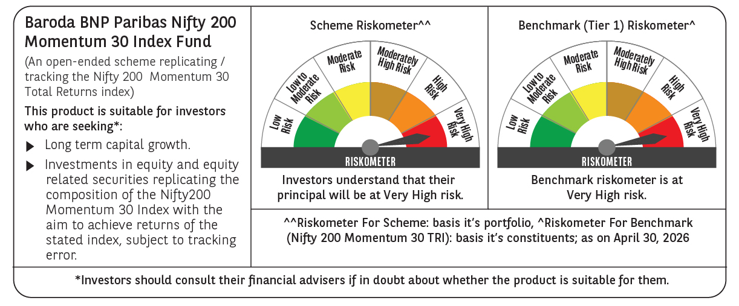

 | Monthly Performance Link: https://www.barodabnpparibasmf.in/assets/download_documents/Performance_of_Schemes-april_2026.pdf

