T0ME21
 | Baroda BNP Paribas India Consumption Fund

 | Monthly Portfolio Statement as on April 30, 2026
 | Name of the Instrument | ISIN | Industry / Rating | Quantity | Market/Fair Value (Rs. in Lakhs) | % to Net Assets | YTM~ | YTC^ | null
 | Equity & Equity related
 | (a) Listed / awaiting listing on Stock Exchanges
BTVL02 | Bharti Airtel Limited | INE397D01024 | Telecom - Services | 600,000 | 11,320.80 | 7.98%
MAUD01 | Maruti Suzuki India Limited | INE585B01010 | Automobiles | 66,300 | 8,827.18 | 6.22%
TWAT02 | Titan Company Limited | INE280A01028 | Consumer Durables | 200,000 | 8,770.40 | 6.18%
MAHI02 | Mahindra & Mahindra Limited | INE101A01026 | Automobiles | 262,500 | 8,130.94 | 5.73%
EIML02 | Eicher Motors Limited | INE066A01021 | Automobiles | 95,000 | 6,753.55 | 4.76%
SAEL02 | TVS Motor Company Limited | INE494B01023 | Automobiles | 165,000 | 5,763.29 | 4.06%
ITCL02 | ITC Limited | INE154A01025 | Diversified FMCG | 1,700,000 | 5,353.30 | 3.77%
HLEL02 | Hindustan Unilever Limited | INE030A01027 | Diversified FMCG | 235,000 | 5,289.62 | 3.73%
NEST02 | Nestle India Limited | INE239A01024 | Food Products | 325,000 | 4,740.45 | 3.34%
ZMPL01 | Eternal Limited | INE758T01015 | Retailing | 1,800,000 | 4,446.54 | 3.13%
BRIT03 | Britannia Industries Limited | INE216A01030 | Food Products | 75,000 | 4,294.50 | 3.03%
PHMI02 | The Phoenix Mills Limited | INE211B01039 | Realty | 240,000 | 4,236.00 | 2.98%
AVSP01 | Avenue Supermarts Limited | INE192R01011 | Retailing | 90,000 | 4,127.31 | 2.91%
MARC02 | Marico Limited | INE196A01026 | Agricultural Food & other Products | 484,000 | 3,751.00 | 2.64%
LGEL01 | LG Electronics India Ltd | INE324D01010 | Consumer Durables | 220,000 | 3,504.60 | 2.47%
GCPL02 | Godrej Consumer Products Limited | INE102D01028 | Personal Products | 323,000 | 3,446.73 | 2.43%
TTEA02 | Tata Consumer Products Limited | INE192A01025 | Agricultural Food & other Products | 265,000 | 3,033.19 | 2.14%
RAKH02 | Radico Khaitan Limited | INE944F01028 | Beverages | 85,000 | 2,909.64 | 2.05%
LAKM02 | Trent Limited | INE849A01020 | Retailing | 66,000 | 2,735.44 | 1.93%
HERO02 | Hero MotoCorp Limited | INE158A01026 | Automobiles | 50,000 | 2,549.50 | 1.80%
BEFS02 | Mrs. Bectors Food Specialities Limited | INE495P01020 | Food Products | 1,250,000 | 2,452.63 | 1.73%
MEBR01 | Metro Brands Limited | INE317I01021 | Consumer Durables | 212,821 | 2,176.84 | 1.53%
BLTE01 | Swiggy Limited | INE00H001014 | Retailing | 800,000 | 2,162.40 | 1.52%
DABU02 | Dabur India Limited | INE016A01026 | Personal Products | 450,000 | 1,986.75 | 1.40%
MAHE01 | Max Healthcare Institute Limited | INE027H01010 | Healthcare Services | 200,000 | 1,986.10 | 1.40%
FSNE01 | FSN E-Commerce Ventures Limited | INE388Y01029 | Retailing | 700,000 | 1,853.32 | 1.31%
BINL01 | Indus Towers Limited | INE121J01017 | Telecom - Services | 435,000 | 1,783.28 | 1.26%
JUFL02 | Jubilant Foodworks Limited | INE797F01020 | Leisure Services | 360,000 | 1,722.96 | 1.21%
ESMC02 | PB Fintech Limited | INE417T01026 | Financial Technology (Fintech) | 100,000 | 1,666.20 | 1.17%
VNBL03 | Varun Beverages Limited | INE200M01039 | Beverages | 320,000 | 1,643.84 | 1.16%
SCLB01 | Leela Palaces Hotels & Resorts Limited | INE0AQ201015 | Leisure Services | 380,000 | 1,627.35 | 1.15%
VMML01 | Vishal Mega Mart Limited | INE01EA01019 | Retailing | 1,300,000 | 1,589.77 | 1.12%
ICII01 | JSW Dulux Limited | INE133A01011 | Consumer Durables | 52,692 | 1,554.78 | 1.10%
CNAF02 | Zydus Wellness Limited | INE768C01028 | Food Products | 300,000 | 1,525.65 | 1.08%
HAIL03 | Havells India Limited | INE176B01034 | Consumer Durables | 115,000 | 1,426.69 | 1.01%
ORKL01 | Orkla India Limited | INE16NZ01023 | Food Products | 211,280 | 1,348.60 | 0.95%
PROG01 | Procter & Gamble Hygiene and Health Care Limited | INE179A01014 | Personal Products | 13,000 | 1,319.05 | 0.93%
MCSP02 | United Spirits Limited | INE854D01024 | Beverages | 96,000 | 1,272.58 | 0.90%
ISHA01 | Gillette India Limited | INE322A01010 | Personal Products | 15,000 | 1,193.03 | 0.84%
TBOT01 | TBO Tek Limited | INE673O01025 | Leisure Services | 55,000 | 690.47 | 0.49%
UBBL02 | United Breweries Limited | INE686F01025 | Beverages | 24,000 | 350.06 | 0.25%
KWWA01 | Kwality Walls (India) Limited | INE2KCE01013 | Food Products | 265,000 | 72.16 | 0.05%
 | Sub Total |  |  |  | 137,388.49 | 96.84%
 | (b) Unlisted |  |  |  | NIL | NIL
 | Sub Total |  |  |  | NIL | NIL
 | Total |  |  |  | 137,388.49 | 96.84%
 | Debt Instruments
 | (a) Listed / awaiting listing on Stock Exchange
SAEL21PS | 6% TVS Motor Company Limited | INE494B04019 | CARE A1+ | 540,000 | 55.08 | 0.04%
 | Sub Total |  |  |  | 55.08 | 0.04%
 | (b) Privately placed / Unlisted |  |  |  | NIL | NIL
 | Sub Total |  |  |  | NIL | NIL
 | Total |  |  |  | 55.08 | 0.04%
 | Money Market Instruments
 | Treasury Bill
TBIL2525 | 364 Days Tbill (MD 25/06/2026) | IN002025Z138 | Sovereign | 1,000,000 | 992.34 | 0.70% | 5.12%
 | Sub Total |  |  |  | 992.34 | 0.70%
 | Total |  |  |  | 992.34 | 0.70%
 | Reverse Repo / TREPS
TRP_040526 | Clearing Corporation of India Ltd |  |  |  | 3,686.97 | 2.60% | 5.26%
 | Sub Total |  |  |  | 3,686.97 | 2.60%
 | (b) Privately placed / Unlisted |  |  |  | NIL | NIL
 | Sub Total |  |  |  | NIL | NIL
 | Total |  |  |  | 3,686.97 | 2.60%
 | Net Receivables / (Payables) |  |  |  | (207.34) | (0.18)%
 | GRAND TOTAL |  |  |  | 141,915.54 | 100.00%

 | ~ YTM as on April 30, 2026
 | ^ YTC represents Yield to Call provided by valuation agencies as on April 30, 2026. It is disclosed for Perpetual Bond issued by Banks (i.e. AT-1 Bond / Tier 1 Bond / Tier 2 Bond), as per AMFI Best Practices Guidelines Circular no. 135/BP/91/2020-21 read with SEBI circular No. SEBI/HO/IMD/DF4/CIR/P/2021/034 on Valuation of AT-1 Bonds and Tier 2 Bonds.

 | Notes & Symbols :-
 | # -> Less Than 0.005% ; A** -> Awaiting Listing on Stock Exchanges ; T** -> Thinly Traded Securities ; N** -> Non Traded Securities ; I** -> Illiquid Shares ; R** -> Rights Entitlement ; P** Preference Shares ; W** Warrants ; B** -> Below Investment Grade Security ; PP* -> Partly Paid;S** --> Suspended forTrading.
 | ^ -> Industry classification as recommended by AMFI and wherever not available, internal classification has been used ; D**->Does not include notional exposures to derivative instruments.
 | (1) Non Convertible Debentures and Bonds are considered as Traded based on information provided by external agencies.
 | (2) The Name of the Industry is in accordance with Industry Classification as recommended by AMFI.
 | (3) $ Yield based on aggregated yields as per Crisil's and ICRA's SLV price feeds and TREPS yield as per the trade.
 | (4) All corporate ratings are assigned by rating agencies like CRISIL; CARE; ICRA; IND; BRW.
 | (5) The provision made for securities classified as below investment grade or default as of April 30, 2026 is Rs Nil and its percentage to Net Asset Value is Nil .
 | (6) Aggregate value of illiquid shares of the fund amounts to Rs. Nil and their percentage to Net Asset value is Nil.
 | (7) Plan/option wise per unit Net Asset Value are as follows:
 | Plan/Option |  | As on March 31, 2026 | As on April 30, 2026
 | Regular Plan - IDCW Option |  | 16.7206 | 18.2278
 | Regular Plan - Growth Option |  | 27.1074 | 29.5510
 | Direct Plan - IDCW Option |  | 19.2992 | 21.0641
 | Direct Plan - Growth Option |  | 30.3288 | 33.1023

 | (8) No Dividend declared during the period ended April 30, 2026
 | (9) There were no investments in derivative instruments as on April 30, 2026.
 | (10) Total Market value of investments in Foreign Securities/American Depositary Receipts/Global Depositary Receipts as at April 30, 2026 is Rs. Nil.
 | (11) During the period, the portfolio turnover ratio is 0.55 times.
 | (12) Details of repo transaction in corporate debt securities for the period ended April 30, 2026 is Nil.
 | (13) Investments in debt instruments having structured obligations or credit enhancement features as at April 30, 2026 is Rs. Nil.
 | (14) Investment in Partly paid Debentures during the period ended April 30, 2026 is Rs. Nil.
 | (15) RATIONALE FOR DEVIATION FROM VALUATION AGENCY PRICE
 | Rationale for deviation from valuation price provided by the valuation agencies as per SEBI Circular dated 22nd March 2019 and 24th September 2019
 | during the period there were no cases of deviation from valuation agency price
 | To view the previous cases of deviation kindly refer the following link:
 | <<https://www.barodabnpparibasmf.in/statutory-disclosures/update-on-credit-events>>
 | (16) Transactions in Credit Default Swaps during period ended April 30, 2026 : Rs. Nil

A. | Hedging positions through futures as at 30 April 2026:

 | Underlying | Long / Short | Number of Contracts | Futures Price when purchased ( In Rs.) | Current price of the contract ( In Rs.) | Margin maintained (In Rs. Lakhs)
 | Nil

 | Total % of existing assets hedged through futures: Nil
 | For the month ended 30 April 2026 following details specified for hedging transactions through futures which have been squared off/expired:
 | Total Number of contract where future were bought | Total Number of contract where future were sold | Gross Notional Value of contracts where futures were bought ( In Rs.) | Gross Notional Value of contracts where futures were sold ( In Rs.) | Net Profit/Loss value on all contracts combined ( In Rs.)
 | Nil

B. | Other than hedging position through futures as at 30 April 2026:
 | Underlying | Long / Short | Number of Contracts | Futures Price when purchased ( In Rs.) | Current price of the contract ( In Rs.) | Margin maintained (In Rs. Lakhs)
 | Nil

 | Total exposure due to futures (non hedging positions) as a % of net assets: Nil.
 | For the month ended 30 April 2026 following details specified for non-hedging transactions through futures which have been squared off/expired:
 | Total Number of contract where future were bought | Total Number of contract where future were sold | Gross Notional Value of contracts where futures were bought ( In Rs.) | Gross Notional Value of contracts where futures were sold ( In Rs.) | Net Profit/Loss Value on all contracts combined ( In Rs.)
 | 0 | 240 | 0 | 131,942,400 | 5,579,846

C. | Hedging position through put options as at 30 April 2026 : Nil.
 | Total % age of existing assets hedged through put options: Nil.
 | For the month ended 30 April 2026 following details specified with regard to non-hedging transactions through options which have already been exercised/expired: Nil.

D. | Other than hedging position through options as at 30 April 2026: Nil.
 | Total exposure through options as a % of net assets: Nil.
 | For the month ended 30 April 2026 following details specified with regard to non-hedging transactions through options which have already been exercised/expired: Nil.

E. | Hedging positions through swaps as at 30 April 2026: Nil.

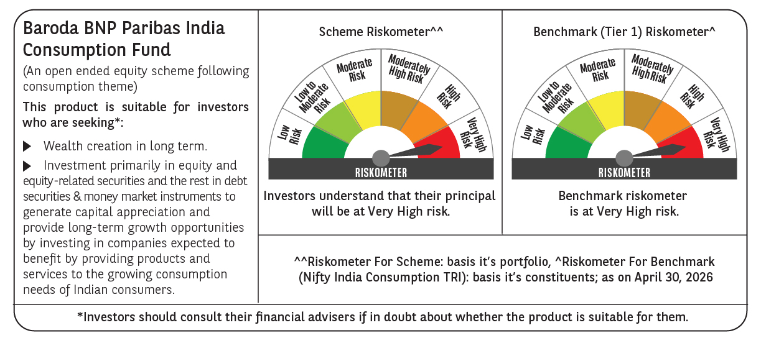

 | Monthly Performance Link: https://www.barodabnpparibasmf.in/assets/download_documents/Performance_of_Schemes-april_2026.pdf

