T0ME20
 | Baroda BNP Paribas Focused Fund

 | Monthly Portfolio Statement as on April 30, 2026
 | Name of the Instrument | ISIN | Industry | Quantity | Market/Fair Value (Rs. in Lakhs) | % to Net Assets | YTM~ | YTC^ | null
 | Equity & Equity related
 | (a) Listed / awaiting listing on Stock Exchanges
BTVL02 | Bharti Airtel Limited | INE397D01024 | Telecom - Services | 325,000 | 6,132.10 | 9.36%
UTIB02 | Axis Bank Limited | INE238A01034 | Banks | 300,000 | 3,804.90 | 5.81%
IIBL01 | IndusInd Bank Limited | INE095A01012 | Banks | 375,000 | 3,435.19 | 5.24%
MCEX02 | Multi Commodity Exchange of India Limited | INE745G01043 | Capital Markets | 110,000 | 3,268.65 | 4.99%
NHPC01 | NHPC Limited | INE848E01016 | Power | 3,500,000 | 2,912.00 | 4.44%
COAL01 | Coal India Limited | INE522F01014 | Consumable Fuels | 600,000 | 2,888.70 | 4.41%
PRRC03 | Navin Fluorine International Limited | INE048G01026 | Chemicals & Petrochemicals | 40,000 | 2,728.40 | 4.16%
MAHI02 | Mahindra & Mahindra Limited | INE101A01026 | Automobiles | 85,000 | 2,632.88 | 4.02%
TWAT02 | Titan Company Limited | INE280A01028 | Consumer Durables | 60,000 | 2,631.12 | 4.01%
BHAH02 | Bharat Heavy Electricals Limited | INE257A01026 | Electrical Equipment | 725,000 | 2,554.97 | 3.90%
PGCI01 | Power Grid Corporation of India Limited | INE752E01010 | Power | 800,000 | 2,546.80 | 3.89%
TEMA02 | Tech Mahindra Limited | INE669C01036 | IT - Software | 167,500 | 2,468.11 | 3.77%
BHEL02 | Bharat Electronics Limited | INE263A01024 | Aerospace & Defense | 550,000 | 2,372.15 | 3.62%
SPIL03 | Sun Pharmaceutical Industries Limited | INE044A01036 | Pharmaceuticals & Biotechnology | 120,000 | 2,169.96 | 3.31%
ONCO02 | One 97 Communications Limited | INE982J01020 | Financial Technology (Fintech) | 190,097 | 2,083.08 | 3.18%
LARS02 | Larsen & Toubro Limited | INE018A01030 | Construction | 50,000 | 2,007.00 | 3.06%
HDFB03 | HDFC Bank Limited | INE040A01034 | Banks | 250,000 | 1,929.25 | 2.94%
PSYL02 | Persistent Systems Limited | INE262H01021 | IT - Software | 40,000 | 1,920.00 | 2.93%
KOMA03 | Kotak Mahindra Bank Limited | INE237A01036 | Banks | 475,000 | 1,820.68 | 2.78%
CANB02 | Canara Bank | INE476A01022 | Banks | 1,100,000 | 1,481.15 | 2.26%
BRIT03 | Britannia Industries Limited | INE216A01030 | Food Products | 25,000 | 1,431.50 | 2.18%
KAVY06 | Karur Vysya Bank Limited | INE036D01028 | Banks | 450,000 | 1,320.75 | 2.02%
BFLS01 | Mphasis Limited | INE356A01018 | IT - Software | 55,000 | 1,252.19 | 1.91%
IBCL05 | ICICI Bank Limited | INE090A01021 | Banks | 75,000 | 947.55 | 1.45%
UNBI01 | Union Bank of India | INE692A01016 | Banks | 450,000 | 746.73 | 1.14%
BAFL03 | Bajaj Finance Limited | INE296A01032 | Finance | 75,000 | 702.75 | 1.07%
ZMPL01 | Eternal Limited | INE758T01015 | Retailing | 250,000 | 617.58 | 0.94%
 | Sub Total |  |  |  | 60,806.14 | 92.79%
 | (b) Unlisted |  |  |  | NIL | NIL
 | Sub Total |  |  |  | NIL | NIL
 | Total |  |  |  | 60,806.14 | 92.79%
 | Reverse Repo / TREPS
TRP_040526 | Clearing Corporation of India Ltd |  |  |  | 4,826.84 | 7.37% | 5.26%
 | Sub Total |  |  |  | 4,826.84 | 7.37%
 | Total |  |  |  | 4,826.84 | 7.37%
 | Net Receivables / (Payables) |  |  |  | (95.80) | (0.16)%
 | GRAND TOTAL |  |  |  | 65,537.18 | 100.00%

 | ~ YTM as on April 30, 2026
 | ^ YTC represents Yield to Call provided by valuation agencies as on April 30, 2026. It is disclosed for Perpetual Bond issued by Banks (i.e. AT-1 Bond / Tier 1 Bond / Tier 2 Bond), as per AMFI Best Practices Guidelines Circular no. 135/BP/91/2020-21 read with SEBI circular No. SEBI/HO/IMD/DF4/CIR/P/2021/034 on Valuation of AT-1 Bonds and Tier 2 Bonds.

 | Notes & Symbols :-
 | # -> Less Than 0.005% ; A** -> Awaiting Listing on Stock Exchanges ; T** -> Thinly Traded Securities ; N** -> Non Traded Securities ; I** -> Illiquid Shares ; R** -> Rights Entitlement ; P** Preference Shares ; W** Warrants ; B** -> Below Investment Grade Security ; PP* -> Partly Paid;S** --> Suspended forTrading.
 | ^ -> Industry classification as recommended by AMFI and wherever not available, internal classification has been used ; D**->Does not include notional exposures to derivative instruments.
 | (1) Non Convertible Debentures and Bonds are considered as Traded based on information provided by external agencies.
 | (2) The Name of the Industry is in accordance with Industry Classification as recommended by AMFI.
 | (3) $ Yield based on aggregated yields as per Crisil's and ICRA's SLV price feeds and TREPS yield as per the trade.
 | (4) All corporate ratings are assigned by rating agencies like CRISIL; CARE; ICRA; IND; BRW.
 | (5) The provision made for securities classified as below investment grade or default as of April 30, 2026 is Rs Nil and its percentage to Net Asset Value is Nil .
 | (6) Aggregate value of illiquid shares of the fund amounts to Rs. Nil and their percentage to Net Asset value is Nil.
 | (7) Plan/option wise per unit Net Asset Value are as follows:
 | Plan/Option |  | As on March 31, 2026 | As on April 30, 2026
 | Regular Plan - IDCW Option |  | 12.4460 | 13.6901
 | Regular Plan - Growth Option |  | 18.8835 | 20.7711
 | Direct Plan - IDCW Option |  | 14.2416 | 15.6885
 | Direct Plan - Growth Option |  | 21.6557 | 23.8559

 | (8) No Dividend declared during the period ended April 30, 2026
 | (9) There were no investments made in derivative instruments and no such derivative instrument was squared off/ expired /exercised during the period ended April 30, 2026. Further there are no investments in derivative instruments as on April 30, 2026.
 | (10) Total Market value of investments in Foreign Securities/American Depositary Receipts/Global Depositary Receipts as at April 30, 2026 is Rs. Nil.
 | (11) During the period, the portfolio turnover ratio is 1.47 times.
 | (12) Details of repo transaction in corporate debt securities for the period ended April 30, 2026 is Nil.
 | (13) Investments in debt instruments having structured obligations or credit enhancement features as at April 30, 2026 is Rs. Nil.
 | (14) Investment in Partly paid Debentures during the period ended April 30, 2026 is Rs. Nil.
 | (15) RATIONALE FOR DEVIATION FROM VALUATION AGENCY PRICE
 | Rationale for deviation from valuation price provided by the valuation agencies as per SEBI Circular dated 22nd March 2019 and 24th September 2019
 | during the period there were no cases of deviation from valuation agency price
 | To view the previous cases of deviation kindly refer the following link:
 | <<https://www.barodabnpparibasmf.in/statutory-disclosures/update-on-credit-events>>
 | (16) Transactions in Credit Default Swaps during period ended April 30, 2026 : Rs. Nil

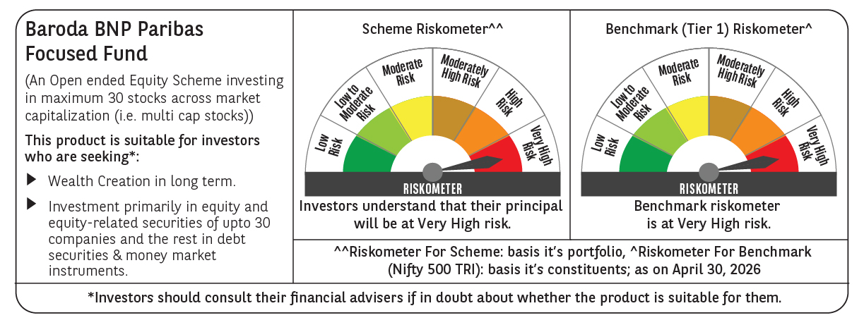

 | Monthly Performance Link: https://www.barodabnpparibasmf.in/assets/download_documents/Performance_of_Schemes-april_2026.pdf

