T0MD09
 | Baroda BNP Paribas Low Duration Fund

 | Monthly Portfolio Statement as on April 30, 2026
 | Name of the Instrument | ISIN | Rating | Quantity | Market/Fair Value (Rs. in Lakhs) | % to Net Assets | YTM~ | YTC^ | null
 | Debt Instruments
 | (a) Listed / awaiting listing on Stock Exchange
LICH659 | 6.4% LIC Housing Finance Limited (30/11/2026) | INE115A07PN6 | CRISIL AAA | 220 | 2,187.28 | 7.49% | 7.24%
IRLY371 | 7.23% Indian Railway Finance Corporation Limited (15/10/2026) ** | INE053F08304 | CRISIL AAA | 2,000 | 2,001.44 | 6.85% | 7.05%
NBAR719 | 7.50% National Bank For Agriculture and Rural Development (31/08/2026) ** | INE261F08EA6 | CRISIL AAA | 1,900 | 1,901.42 | 6.51% | 6.93%
PHFP225 | 8.15% PNB Housing Finance Limited (29/07/2027) | INE572E07183 | CARE AA+ | 1,700 | 1,704.13 | 5.83% | 7.89%
RECL474 | 6.52% REC Limited (31/01/2028) ** | INE020B08FW6 | ICRA AAA | 1,300 | 1,280.38 | 4.38% | 7.44%
PFPL129 | 9% Piramal Finance Limited (28/06/2027) ** | INE202B07JT0 | ICRA AA+ | 1,000 | 1,004.83 | 3.44% | 8.51%
MEBP36 | 7% Mindspace Business Parks REIT (14/09/2027) ** | INE0CCU07165 | CRISIL AAA | 1,000 | 991.19 | 3.39% | 7.90%
TOPL49 | 8.32% Torrent Power Limited (28/02/2027) ** | INE813H07382 | CRISIL AA+ | 900 | 903.17 | 3.09% | 7.80%
BAFL943 | 7.7951% Bajaj Finance Limited (10/12/2027) ** | INE296A07TF2 | CRISIL AAA | 700 | 699.93 | 2.40% | 7.76%
GOI5817 | 7.04% Government of India (03/06/2029) | IN0020240050 | Sovereign | 600,000 | 609.92 | 2.09% | 6.54%
GOI6306 | 6.75% Government of India (23/12/2029) | IN0020240183 | Sovereign | 500,000 | 504.69 | 1.73% | 6.56%
ICFP147 | 10.5% IndoStar Capital Finance Limited (25/09/2026) ** | INE896L07983 | CARE AA- | 50,000 | 503.56 | 1.72% | 8.16%
RECL454 | 7.59% REC Limited (31/05/2027) ** | INE020B08FA2 | CRISIL AAA | 500 | 501.03 | 1.72% | 7.37%
EXIM794 | 7.35% Export Import Bank of India (27/07/2028) ** | INE514E08GE8 | CRISIL AAA | 500 | 499.33 | 1.71% | 7.42%
BHAT85 | 7.35% Bharti Telecom Limited (15/10/2027) ** | INE403D08272 | CRISIL AAA | 500 | 496.07 | 1.70% | 7.89%
EOPR38 | 7.21% Embassy Office Parks REIT (17/03/2028) ** | INE041007167 | CRISIL AAA | 500 | 495.60 | 1.70% | 7.94%
GOI4485 | 7.38% Government of India (20/06/2027) | IN0020220037 | Sovereign | 200,000 | 203.02 | 0.70% | 6.06%
SHTR526 | 8.7% Shriram Finance Limited (09/04/2028) ** | INE721A07SL9 | CRISIL AAA | 200 | 202.70 | 0.69% | 7.91%
NBAR701 | 7.58% National Bank For Agriculture and Rural Development (31/07/2026) | INE261F08DX0 | CRISIL AAA | 200 | 200.14 | 0.69% | 6.90%
 | Sub Total |  |  |  | 16,889.83 | 57.83%
 | (b) Privately placed / Unlisted |  |  |  | NIL | NIL
 | Sub Total |  |  |  | NIL | NIL
 | (c) Securitised Debt
VAJR28 | Vajra Trust (20/01/2029) ** | INE20NI15039 | CRISIL AAA(SO) | 5 | 496.71 | 1.70% | 10.26%
IUNT23 | India Universal Trust (21/11/2026) ** | INE1CBK15011 | CRISIL AAA(SO) | 5 | 80.75 | 0.28% | 7.56%
 | Sub Total |  |  |  | 577.46 | 1.98%
 | (b) Privately placed / Unlisted |  |  |  | NIL | NIL
 | Sub Total |  |  |  | NIL | NIL
 | Total |  |  |  | 17,467.29 | 59.81%
 | Money Market Instruments
 | Certificate of Deposit
IIBL1010 | IndusInd Bank Limited (27/01/2027) ** # | INE095A169C7 | CRISIL A1+ | 400 | 1,892.34 | 6.48% | 7.66%
SIDB655 | Small Industries Dev Bank of India (18/02/2027) ** # | INE556F16CB4 | CRISIL A1+ | 300 | 1,416.97 | 4.85% | 7.30%
UTIB1363 | Axis Bank Limited (25/06/2026) # | INE238AD6AZ4 | CRISIL A1+ | 200 | 990.57 | 3.39% | 6.32%
IBCL1180 | ICICI Bank Limited (27/01/2027) ** # | INE090AD6279 | ICRA A1+ | 200 | 949.72 | 3.25% | 7.13%
SIDB649 | Small Industries Dev Bank of India (04/02/2027) # | INE556F16BY8 | CRISIL A1+ | 200 | 947.15 | 3.24% | 7.30%
IBCL1182 | ICICI Bank Limited (08/03/2027) # | INE090AD6295 | ICRA A1+ | 200 | 942.73 | 3.23% | 7.13%
HDFB1041 | HDFC Bank Limited (24/02/2027) # | INE040A16IO0 | CARE A1+ | 160 | 755.09 | 2.59% | 7.26%
UNBI444 | Union Bank of India (25/06/2026) ** # | INE692A16JQ1 | ICRA A1+ | 100 | 495.36 | 1.70% | 6.21%
 | Sub Total |  |  |  | 8,389.93 | 28.73%
 | Commercial Paper
CHOL1101 | Cholamandalam Investment and Finance Company Ltd (27/11/2026) ** | INE121A14YB7 | ICRA A1+ | 200 | 957.58 | 3.28% | 7.70%
 | Sub Total |  |  |  | 957.58 | 3.28%
 | Total |  |  |  | 9,347.51 | 32.01%
 | Others
 | Corporate Debt Market Development Fund
CDMD50ME | Corporate Debt Market Development Fund # | INF0RQ622028 |  | 746 | 87.71 | 0.30% | 5.61%
 | Sub Total |  |  |  | 87.71 | 0.30%
 | Total |  |  |  | 87.71 | 0.30%
 | Reverse Repo / TREPS
TRP_040526 | Clearing Corporation of India Ltd |  |  |  | 1,963.99 | 6.72% | 5.26%
 | Sub Total |  |  |  | 1,963.99 | 6.72%
 | (b) Privately placed / Unlisted |  |  |  | NIL | NIL
 | Sub Total |  |  |  | NIL | NIL
 | Total |  |  |  | 1,963.99 | 6.72%
 | Net Receivables / (Payables) |  |  |  | 341.89 | 1.16%
 | GRAND TOTAL |  |  |  | 29,208.39 | 100.00%

 | ** Thinly Traded / Non Traded Security
 | # Unlisted Security
 | ~ YTM as on April 30, 2026
 | ^ YTC represents Yield to Call provided by valuation agencies as on April 30, 2026. It is disclosed for Perpetual Bond issued by Banks (i.e. AT-1 Bond / Tier 1 Bond / Tier 2 Bond), as per AMFI Best Practices Guidelines Circular no. 135/BP/91/2020-21 read with SEBI circular No. SEBI/HO/IMD/DF4/CIR/P/2021/034 on Valuation of AT-1 Bonds and Tier 2 Bonds.

 | Notes & Symbols :-
 | (1) Non Convertible Debentures and Bonds are considered as Traded based on information provided by external agencies.
 | (2) The Name of the Industry is in accordance with Industry Classification as recommended by AMFI.
 | (3) $ Yield based on aggregated yields as per Crisil's and ICRA's SLV price feeds and TREPS yield as per the trade.
 | (4) All corporate ratings are assigned by rating agencies like CRISIL; CARE; ICRA; IND; BRW.
 | (5) The provision made for securities classified as below investment grade or default as of April 30, 2026 is Rs Nil and its percentage to Net Asset Value is Nil .
 | (6) Aggregate value of illiquid shares of the fund amounts to Rs. Nil and their percentage to Net Asset value is Nil.
 | (7) Plan/option wise per unit Net Asset Value are as follows:
 | Plan/Option |  | As on March 31, 2026 | As on April 30, 2026
 | Regular Plan - Daily IDCW Option |  | 10.0621 | 10.0521
 | Regular Plan - Growth Option |  | 41.6521 | 41.8994
 | Regular Plan - Monthly IDCW Option |  | 10.2088 | 10.2194
 | Regular Plan - Weekly IDCW Option |  | 10.0205 | 10.0032
 | Defunct Plan - Daily IDCW Option |  | 10.0516 | 10.0416
 | Defunct Plan - Growth Option |  | 41.7244 | 41.9721
 | Defunct Plan - Monthly IDCW Option |  | 10.4331 | 10.4451
 | Defunct Plan - Weekly IDCW Option |  | 10.0205 | 10.0032
 | Direct Plan - Daily IDCW Option |  | 10.0962 | 10.0876
 | Direct Plan - Growth Option |  | 45.8686 | 46.1696
 | Direct Plan - Monthly IDCW Option |  | 10.3432 | 10.3622
 | Direct Plan - Weekly IDCW Option |  | 10.0231 | 10.0044

 | (8) Details of Dividend declared per unit (In Rupees) during the period are as follows |  | Individuals/HUF | Others
 | Regular Plan - Daily IDCW Option |  | 0.0696 | 0.0696
 | Regular Plan - Monthly IDCW Option |  | 0.0500 | 0.0500
 | Regular Plan - Weekly IDCW Option |  | 0.0766 | 0.0766
 | Defunct Plan - Daily IDCW Option |  | 0.0656 | 0.0656
 | Defunct Plan - Monthly IDCW Option |  | 0.0500 | 0.0500
 | Defunct Plan - Weekly IDCW Option |  | 0.0766 | 0.0766
 | Direct Plan - Daily IDCW Option |  | 0.0747 | 0.0747
 | Direct Plan - Monthly IDCW Option |  | 0.0500 | 0.0500
 | Direct Plan - Weekly IDCW Option |  | 0.0843 | 0.0843

 | (9) There were no investments made in derivative instruments and no such derivative instrument was squared off/ expired /exercised during the period ended April 30, 2025. Further there are no investments in derivative instruments as on April 30, 2025.
 | (10) Total Market value of investments in Foreign Securities/American Depositary Receipts/Global Depositary Receipts as at April 30, 2026 is Rs. Nil.
 | (11) The Average Maturity period of the portfolio has been 345 days.
 | (12) Details of repo transaction in corporate debt securities for the period ended April 30, 2026 is Nil.
 | (13) Investments in debt instruments having structured obligations or credit enhancement features as at April 30, 2026 is Rs. 577.46.
 | (14) Investment in Partly paid Debentures during the period ended April 30, 2026 is Rs. Nil.
 | (15) RATIONALE FOR DEVIATION FROM VALUATION AGENCY PRICE
 | Rationale for deviation from valuation price provided by the valuation agencies as per SEBI Circular dated 22nd March 2019 and 24th September 2019
 | during the period there were no cases of deviation from valuation agency price
 | To view the previous cases of deviation kindly refer the following link:
 | <<https://www.barodabnpparibasmf.in/statutory-disclosures/update-on-credit-events>>
 | (16) Transactions in Credit Default Swaps during period ended April 30, 2026 : Rs. Nil
 | (17) Macaulay Duration of the portfolio has been 321 days.
 | (18) Annualised Portfolio YTM has been 7.24.

 | †Concept of Macaulay duration: The Macaulay Duration is a measure of a bond’s sensitivity to interest rate changes. It is expressed in annual terms. It is the weighted average term to maturity of the cash flows from a bond. The weight of each cash flow is determined by dividing the present value of the cash flow by the price. Factors like a bond’s price, maturity, coupon, yield to maturity among others impact the calculation of Macaulay duration.

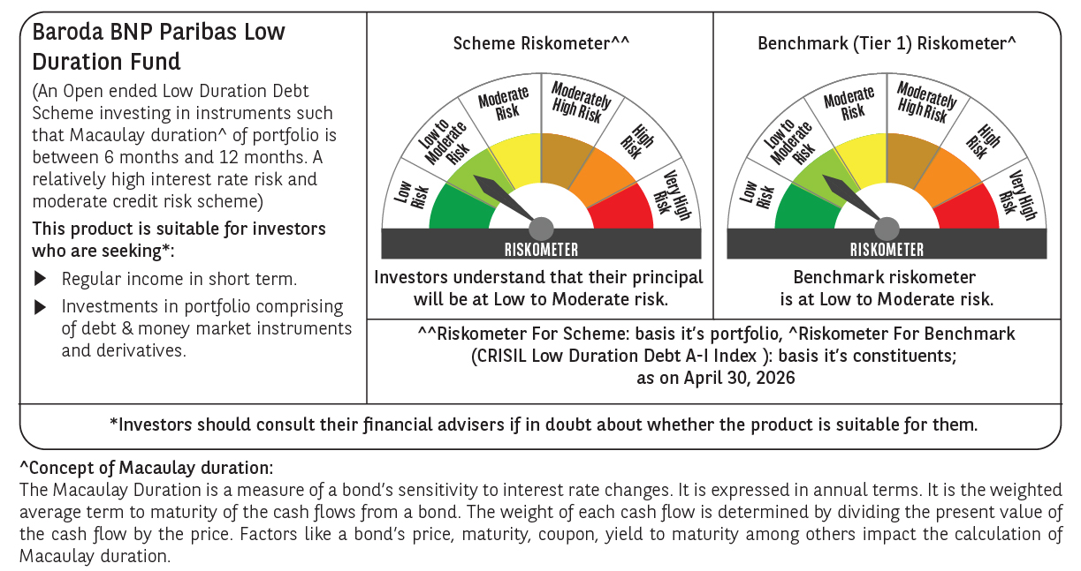




 | Monthly Performance Link: https://www.barodabnpparibasmf.in/assets/download_documents/Performance_of_Schemes-april_2026.pdf

