Monthly Portfolio
 | Baroda BNP Paribas Business Cycle Fund

 | Monthly Portfolio Statement as on March 31, 2026
 | Name of the Instrument | ISIN | Industry / Rating | Quantity | Market/Fair Value (Rs. in Lakhs) | % to Net Assets | YTM~ | YTC^ | null
 | Equity & Equity related
 | (a) Listed / awaiting listing on Stock Exchanges
RIND01 | Reliance Industries Limited | INE002A01018 | Petroleum Products | 207,000 | 2,781.87 | 5.49%
IBCL05 | ICICI Bank Limited | INE090A01021 | Banks | 225,000 | 2,713.28 | 5.35%
ABBP01 | Hitachi Energy India Limited | INE07Y701011 | Electrical Equipment | 10,980 | 2,661.00 | 5.25%
HDFB03 | HDFC Bank Limited | INE040A01034 | Banks | 342,000 | 2,501.90 | 4.93%
LARS02 | Larsen & Toubro Limited | INE018A01030 | Construction | 58,500 | 2,049.90 | 4.04%
SPIL03 | Sun Pharmaceutical Industries Limited | INE044A01036 | Pharmaceuticals & Biotechnology | 94,500 | 1,660.55 | 3.27%
SBAI02 | State Bank of India | INE062A01020 | Banks | 130,500 | 1,278.12 | 2.52%
INFS02 | Infosys Limited | INE009A01021 | IT - Software | 90,000 | 1,125.54 | 2.22%
BTVL02 | Bharti Airtel Limited | INE397D01024 | Telecom - Services | 63,000 | 1,122.91 | 2.21%
KOMA03 | Kotak Mahindra Bank Limited | INE237A01036 | Banks | 315,000 | 1,113.21 | 2.19%
DIVI02 | Divi's Laboratories Limited | INE361B01024 | Pharmaceuticals & Biotechnology | 18,000 | 1,070.46 | 2.11%
SAEL02 | TVS Motor Company Limited | INE494B01023 | Automobiles | 31,500 | 1,059.60 | 2.09%
PSYL02 | Persistent Systems Limited | INE262H01021 | IT - Software | 20,700 | 1,009.58 | 1.99%
NEST02 | Nestle India Limited | INE239A01024 | Food Products | 81,000 | 951.59 | 1.88%
EIML02 | Eicher Motors Limited | INE066A01021 | Automobiles | 13,500 | 889.11 | 1.75%
BHAH02 | Bharat Heavy Electricals Limited | INE257A01026 | Electrical Equipment | 360,000 | 883.80 | 1.74%
WABT01 | ZF Commercial Vehicle Control Systems India Limited | INE342J01019 | Auto Components | 6,300 | 867.38 | 1.71%
ZMPL01 | Eternal Limited | INE758T01015 | Retailing | 378,000 | 865.54 | 1.71%
BOCL01 | Linde India Limited | INE473A01011 | Chemicals & Petrochemicals | 12,600 | 862.34 | 1.70%
TMLC01 | Tata Motors Ltd | INE1TAE01010 | Agricultural, Commercial & Construction Vehicles | 189,000 | 746.17 | 1.47%
PHMI02 | The Phoenix Mills Limited | INE211B01039 | Realty | 46,800 | 704.95 | 1.39%
PINP01 | Pine Labs Limited | INE15B701018 | Financial Technology (Fintech) | 450,000 | 702.81 | 1.39%
FEBA02 | The Federal Bank Limited | INE171A01029 | Banks | 270,000 | 700.38 | 1.38%
HZIN02 | Hindustan Zinc Limited | INE267A01025 | Non - Ferrous Metals | 135,000 | 677.90 | 1.34%
MAUD01 | Maruti Suzuki India Limited | INE585B01010 | Automobiles | 5,400 | 664.52 | 1.31%
ICEM01 | The India Cements Limited | INE383A01012 | Cement & Cement Products | 188,491 | 648.03 | 1.28%
ITCL02 | ITC Limited | INE154A01025 | Diversified FMCG | 225,000 | 647.33 | 1.28%
ASEA02 | ABB India Limited | INE117A01022 | Electrical Equipment | 10,800 | 641.68 | 1.27%
TCSL01 | Tata Consultancy Services Limited | INE467B01029 | IT - Software | 27,000 | 636.90 | 1.26%
UTIB02 | Axis Bank Limited | INE238A01034 | Banks | 54,000 | 627.10 | 1.24%
BHEL02 | Bharat Electronics Limited | INE263A01024 | Aerospace & Defense | 153,000 | 612.99 | 1.21%
NHPC01 | NHPC Limited | INE848E01016 | Power | 828,000 | 610.40 | 1.20%
LGEL01 | LG Electronics India Ltd | INE324D01010 | Consumer Durables | 41,400 | 596.57 | 1.18%
FRHL01 | Fortis Healthcare Limited | INE061F01013 | Healthcare Services | 72,000 | 572.40 | 1.13%
TOPH02 | Torrent Pharmaceuticals Limited | INE685A01028 | Pharmaceuticals & Biotechnology | 13,500 | 569.73 | 1.12%
DRRL03 | Dr. Reddy's Laboratories Limited | INE089A01031 | Pharmaceuticals & Biotechnology | 45,000 | 564.71 | 1.11%
BFSL02 | Bajaj Finserv Limited | INE918I01026 | Finance | 34,200 | 558.08 | 1.10%
IIFM02 | 360 One WAM Limited | INE466L01038 | Capital Markets | 58,500 | 555.52 | 1.10%
VNBL03 | Varun Beverages Limited | INE200M01039 | Beverages | 144,000 | 553.10 | 1.09%
SCLB01 | Leela Palaces Hotels & Resorts Limited | INE0AQ201015 | Leisure Services | 135,000 | 552.96 | 1.09%
TCAL01 | Tata Capital Limited | INE976I01016 | Finance | 180,000 | 549.00 | 1.08%
ICII01 | Akzo Nobel India Limited | INE133A01011 | Consumer Durables | 19,000 | 540.49 | 1.07%
SAGI01 | Sagility Limited | INE0W2G01015 | IT - Services | 1,350,000 | 539.33 | 1.06%
TWAT02 | Titan Company Limited | INE280A01028 | Consumer Durables | 13,500 | 533.44 | 1.05%
SOKO03 | Jtekt India Limited | INE643A01035 | Auto Components | 441,000 | 518.40 | 1.02%
IFEL01 | Oracle Financial Services Software Limited | INE881D01027 | IT - Software | 7,650 | 514.92 | 1.02%
YESB03 | Yes Bank Limited | INE528G01035 | Banks | 2,970,000 | 512.33 | 1.01%
COLG02 | Colgate Palmolive (India) Limited | INE259A01022 | Personal Products | 27,000 | 482.95 | 0.95%
HYUN01 | Hyundai Motor India Ltd | INE0V6F01027 | Automobiles | 27,000 | 480.06 | 0.95%
HDLI01 | HDFC Life Insurance Company Limited | INE795G01014 | Insurance | 81,000 | 478.39 | 0.94%
MOTI02 | Bosch Limited | INE323A01026 | Auto Components | 1,620 | 465.67 | 0.92%
PFIZ01 | Pfizer Limited | INE182A01018 | Pharmaceuticals & Biotechnology | 7,470 | 352.62 | 0.70%
SCDL01 | Sundaram Clayton Limited | INE0Q3R01026 | Auto Components | 23,792 | 283.65 | 0.56%
TAEL01 | Tata Elxsi Limited | INE670A01012 | IT - Software | 6,300 | 250.53 | 0.49%
GMRI03 | GMR Airports Limited | INE776C01039 | Transport Infrastructure | 173,553 | 147.09 | 0.29%
FRAN01 | Fractal Analytics Ltd | INE212S01015 | IT - Software | 6,004 | 45.60 | 0.09%
 | Sub Total |  |  |  | 47,306.38 | 93.29%
 | (b) Unlisted |  |  |  | NIL | NIL
 | Sub Total |  |  |  | NIL | NIL
 | Total |  |  |  | 47,306.38 | 93.29%
 | Derivatives
 | Index / Stock Futures
MCEXAPR26 | Multi Commodity Exchange of India Limited April 2026 Future |  |  | 28,125 | 673.34 | 1.33%
PGCIAPR26 | Power Grid Corporation of India Limited April 2026 Future |  |  | 171,000 | 507.10 | 1.00%
 | Sub Total |  |  |  | 1,180.44 | 2.33%
 | Total |  |  |  | 1,180.44 | 2.33%
 | Money Market Instruments
 | Treasury Bill
TBIL2525 | 364 Days Tbill (MD 25/06/2026) | IN002025Z138 | Sovereign | 500,000 | 493.80 | 0.97% | 5.39%
 | Sub Total |  |  |  | 493.80 | 0.97%
 | Total |  |  |  | 493.80 | 0.97%
 | Reverse Repo / TREPS
TRP_020426 | Clearing Corporation of India Ltd |  |  |  | 3,093.81 | 6.10% | 6.64%
 | Sub Total |  |  |  | 3,093.81 | 6.10%
 | Total |  |  |  | 3,093.81 | 6.10%
 | Net Receivables / (Payables) |  |  |  | (1,358.58) | (2.69)%
 | GRAND TOTAL |  |  |  | 50,715.85 | 100.00%

 | ~ YTM as on March 31, 2026
 | ^ YTC represents Yield to Call provided by valuation agencies as on March 31, 2026. It is disclosed for Perpetual Bond issued by Banks (i.e. AT-1 Bond / Tier 1 Bond / Tier 2 Bond), as per AMFI Best Practices Guidelines Circular no. 135/BP/91/2020-21 read with SEBI circular No. SEBI/HO/IMD/DF4/CIR/P/2021/034 on Valuation of AT-1 Bonds and Tier 2 Bonds.
 | Details of Stock Future / Index Future
 | Long/Short | Name of the Instrument | Industry | Quantity. | Market/Fair Value (Rs. in Lacs). | % to NAV.
 | Long | Multi Commodity Exchange of India Limited_28/04/2026 | Capital Markets | 28,125 | 673.34 | 1.33%
 | Long | Power Grid Corporation of India Limited_28/04/2026 | Power | 171,000 | 507.10 | 1.00%

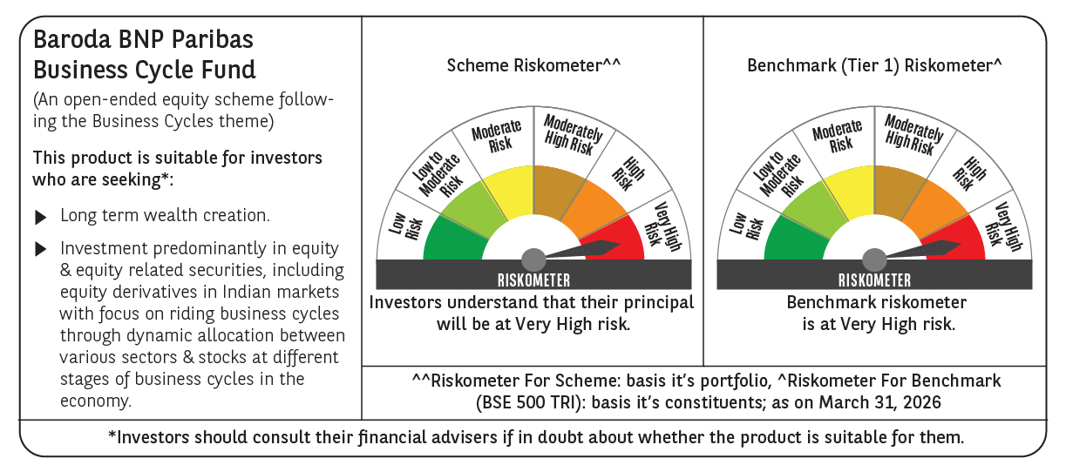

 | Monthly Performance Link: https://www.barodabnpparibasmf.in/assets/download_documents/Performance_of_Schemes-march_2026_17502.pdf

