Monthly Portfolio
 | Baroda BNP Paribas Large & Mid Cap Fund

 | Monthly Portfolio Statement as on March 31, 2026
 | Name of the Instrument | ISIN | Industry / Rating | Quantity | Market/Fair Value (Rs. in Lakhs) | % to Net Assets | YTM~ | YTC^ | null
 | Equity & Equity related
 | (a) Listed / awaiting listing on Stock Exchanges
HDFB03 | HDFC Bank Limited | INE040A01034 | Banks | 925,000 | 6,766.84 | 4.40%
RIND01 | Reliance Industries Limited | INE002A01018 | Petroleum Products | 385,000 | 5,174.02 | 3.36%
BTVL02 | Bharti Airtel Limited | INE397D01024 | Telecom - Services | 275,000 | 4,901.60 | 3.19%
FEBA02 | The Federal Bank Limited | INE171A01029 | Banks | 1,850,000 | 4,798.90 | 3.12%
BHAH02 | Bharat Heavy Electricals Limited | INE257A01026 | Electrical Equipment | 1,900,000 | 4,664.50 | 3.03%
IIBL01 | IndusInd Bank Limited | INE095A01012 | Banks | 600,000 | 4,514.70 | 2.93%
JSPL03 | Jindal Steel Limited | INE749A01030 | Ferrous Metals | 375,000 | 4,174.13 | 2.71%
SPIL03 | Sun Pharmaceutical Industries Limited | INE044A01036 | Pharmaceuticals & Biotechnology | 225,000 | 3,953.70 | 2.57%
PSYL02 | Persistent Systems Limited | INE262H01021 | IT - Software | 80,000 | 3,901.76 | 2.54%
JKCE01 | JK Cement Limited | INE823G01014 | Cement & Cement Products | 75,000 | 3,810.00 | 2.48%
ZMPL01 | Eternal Limited | INE758T01015 | Retailing | 1,650,000 | 3,778.17 | 2.46%
PRRC03 | Navin Fluorine International Limited | INE048G01026 | Chemicals & Petrochemicals | 61,241 | 3,773.98 | 2.45%
RAKH02 | Radico Khaitan Limited | INE944F01028 | Beverages | 140,000 | 3,681.02 | 2.39%
BRIT03 | Britannia Industries Limited | INE216A01030 | Food Products | 65,000 | 3,524.95 | 2.29%
KCUL02 | Cummins India Limited | INE298A01020 | Industrial Products | 75,000 | 3,375.08 | 2.19%
MCEX02 | Multi Commodity Exchange of India Limited | INE745G01043 | Capital Markets | 140,000 | 3,345.16 | 2.17%
EIML02 | Eicher Motors Limited | INE066A01021 | Automobiles | 50,000 | 3,293.00 | 2.14%
MAXI02 | Max Financial Services Limited | INE180A01020 | Insurance | 220,000 | 3,279.54 | 2.13%
SHTR02 | Shriram Finance Limited | INE721A01047 | Finance | 375,000 | 3,270.38 | 2.13%
BLUS03 | Blue Star Limited | INE472A01039 | Consumer Durables | 200,000 | 3,221.40 | 2.09%
MOSU03 | Samvardhana Motherson International Limited | INE775A01035 | Auto Components | 3,000,000 | 3,152.40 | 2.05%
KAVY06 | Karur Vysya Bank Limited | INE036D01028 | Banks | 1,085,762 | 3,142.20 | 2.04%
INFS02 | Infosys Limited | INE009A01021 | IT - Software | 250,000 | 3,126.50 | 2.03%
ONCO02 | One 97 Communications Limited | INE982J01020 | Financial Technology (Fintech) | 325,000 | 3,116.75 | 2.03%
MAHI02 | Mahindra & Mahindra Limited | INE101A01026 | Automobiles | 105,000 | 3,102.44 | 2.02%
CANB02 | Canara Bank | INE476A01022 | Banks | 2,450,000 | 3,024.53 | 1.97%
SOEL02 | Solar Industries India Limited | INE343H01029 | Chemicals & Petrochemicals | 25,000 | 3,019.00 | 1.96%
IBCL05 | ICICI Bank Limited | INE090A01021 | Banks | 250,000 | 3,014.75 | 1.96%
ESCO01 | Escorts Kubota Limited | INE042A01014 | Agricultural, Commercial & Construction Vehicles | 110,000 | 3,014.33 | 1.96%
LARS02 | Larsen & Toubro Limited | INE018A01030 | Construction | 85,000 | 2,978.49 | 1.94%
UTIB02 | Axis Bank Limited | INE238A01034 | Banks | 250,000 | 2,903.25 | 1.89%
IHOT02 | The Indian Hotels Company Limited | INE053A01029 | Leisure Services | 500,000 | 2,854.75 | 1.86%
KOMA03 | Kotak Mahindra Bank Limited | INE237A01036 | Banks | 755,000 | 2,668.17 | 1.73%
BOCL01 | Linde India Limited | INE473A01011 | Chemicals & Petrochemicals | 38,500 | 2,634.94 | 1.71%
SAGI01 | Sagility Limited | INE0W2G01015 | IT - Services | 6,302,521 | 2,517.86 | 1.64%
TEMA02 | Tech Mahindra Limited | INE669C01036 | IT - Software | 180,000 | 2,491.20 | 1.62%
ALLI02 | GE Vernova T&D India Limited | INE200A01026 | Electrical Equipment | 67,161 | 2,444.93 | 1.59%
LGEL01 | LG Electronics India Ltd | INE324D01010 | Consumer Durables | 164,278 | 2,367.25 | 1.54%
HYUN01 | Hyundai Motor India Ltd | INE0V6F01027 | Automobiles | 130,000 | 2,311.40 | 1.50%
AJPH03 | Ajanta Pharma Limited | INE031B01049 | Pharmaceuticals & Biotechnology | 72,500 | 2,033.70 | 1.32%
IIFM02 | 360 One WAM Limited | INE466L01038 | Capital Markets | 200,000 | 1,899.20 | 1.23%
SMAW01 | Smartworks Coworking Spaces Ltd | INE0NAZ01010 | Commercial Services & Supplies | 507,384 | 1,889.75 | 1.23%
NHPC01 | NHPC Limited | INE848E01016 | Power | 2,350,000 | 1,732.42 | 1.13%
JLLH01 | Jupiter Life Line Hospitals Limited | INE682M01012 | Healthcare Services | 128,626 | 1,647.96 | 1.07%
MALE02 | Poonawalla Fincorp Limited | INE511C01022 | Finance | 445,000 | 1,639.38 | 1.07%
FRAN01 | Fractal Analytics Ltd | INE212S01015 | IT - Software | 140,003 | 1,063.25 | 0.69%
HPEC01 | Hindustan Petroleum Corporation Limited | INE094A01015 | Petroleum Products | 300,000 | 1,006.20 | 0.65%
 | Sub Total |  |  |  | 147,999.83 | 96.20%
 | (b) Unlisted |  |  |  | NIL | NIL
 | Sub Total |  |  |  | NIL | NIL
 | Total |  |  |  | 147,999.83 | 96.20%
 | Money Market Instruments
 | Treasury Bill
TBIL2566 | 364 Days Tbill (MD 17/09/2026) | IN002025Z252 | Sovereign | 1,500,000 | 1,462.56 | 0.95% | 5.53%
 | Sub Total |  |  |  | 1,462.56 | 0.95%
 | Total |  |  |  | 1,462.56 | 0.95%
 | Reverse Repo / TREPS
TRP_020426 | Clearing Corporation of India Ltd |  |  |  | 4,919.49 | 3.20% | 6.64%
 | Sub Total |  |  |  | 4,919.49 | 3.20%
 | Total |  |  |  | 4,919.49 | 3.20%
 | Net Receivables / (Payables) |  |  |  | (537.62) | (0.35)%
 | GRAND TOTAL |  |  |  | 153,844.26 | 100.00%

 | ~ YTM as on March 31, 2026
 | ^ YTC represents Yield to Call provided by valuation agencies as on March 31, 2026. It is disclosed for Perpetual Bond issued by Banks (i.e. AT-1 Bond / Tier 1 Bond / Tier 2 Bond), as per AMFI Best Practices Guidelines Circular no. 135/BP/91/2020-21 read with SEBI circular No. SEBI/HO/IMD/DF4/CIR/P/2021/034 on Valuation of AT-1 Bonds and Tier 2 Bonds.

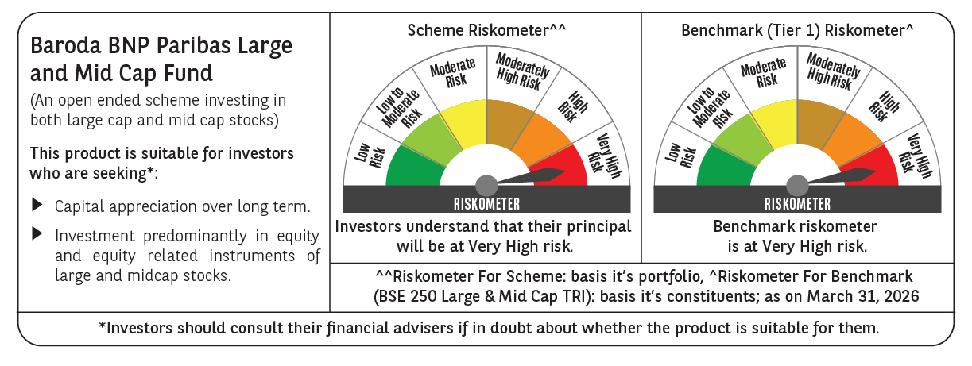

 | Monthly Performance Link: https://www.barodabnpparibasmf.in/assets/download_documents/Performance_of_Schemes-march_2026_17502.pdf

