Monthly Portfolio
 | Baroda BNP Paribas Overnight Fund

 | Monthly Portfolio Statement as on March 31, 2026
 | Name of the Instrument | ISIN | Rating | Quantity | Market/Fair Value (Rs. in Lakhs) | % to Net Assets | YTM~ | YTC^ | null
 | Money Market Instruments
 | Treasury Bill
TBIL2575 | 182 Days Tbill (MD 16/04/2026) | IN002025Y297 | Sovereign | 2,500,000 | 2,494.57 | 6.41% | 5.30%
TBIL2589 | 182 Days Tbill (MD 09/04/2026) | IN002025Y289 | Sovereign | 1,500,000 | 1,498.26 | 3.85% | 5.30%
TBIL2610 | 91 Days Tbill (MD 09/04/2026) | IN002025X406 | Sovereign | 1,000,000 | 998.84 | 2.57% | 5.30%
TBIL2499 | 364 Days Tbill (MD 16/04/2026) | IN002025Z039 | Sovereign | 500,000 | 498.92 | 1.28% | 5.25%
 | Sub Total |  |  |  | 5,490.59 | 14.11%
 | Total |  |  |  | 5,490.59 | 14.11%
 | Reverse Repo / TREPS
TRP_020426 | Clearing Corporation of India Ltd |  |  |  | 21,452.22 | 55.11% | 6.64%
REP10_300326 | Clearing Corporation of India Ltd |  |  |  | 6,799.87 | 17.47% | 7.60%
REP9_300326 | Clearing Corporation of India Ltd |  |  |  | 4,224.43 | 10.85% | 7.25%
REP11_300326 | Clearing Corporation of India Ltd |  |  |  | 1,006.73 | 2.59% | 7.50%
 | Sub Total |  |  |  | 33,483.25 | 86.02%
 | Total |  |  |  | 33,483.25 | 86.02%
 | Net Receivables / (Payables) |  |  |  | (49.71) | (0.13)%
 | GRAND TOTAL |  |  |  | 38,924.13 | 100.00%

 | ~ YTM as on March 31, 2026
 | ^ YTC represents Yield to Call provided by valuation agencies as on March 31, 2026. It is disclosed for Perpetual Bond issued by Banks (i.e. AT-1 Bond / Tier 1 Bond / Tier 2 Bond), as per AMFI Best Practices Guidelines Circular no. 135/BP/91/2020-21 read with SEBI circular No. SEBI/HO/IMD/DF4/CIR/P/2021/034 on Valuation of AT-1 Bonds and Tier 2 Bonds.

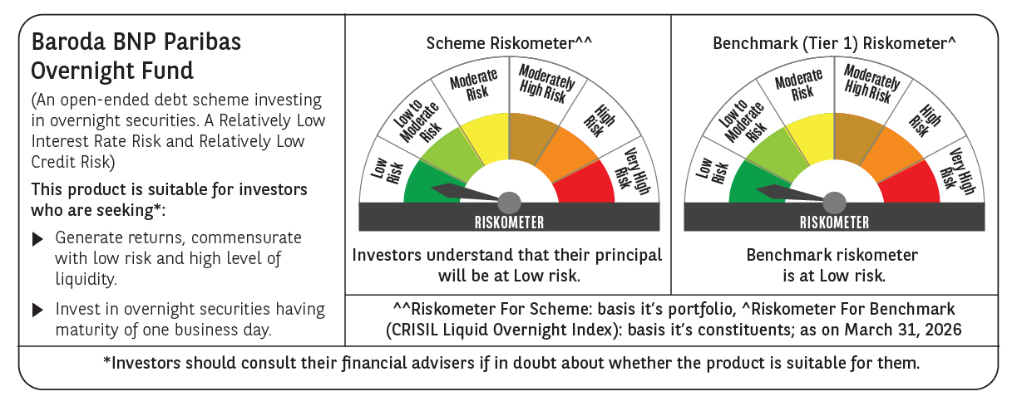

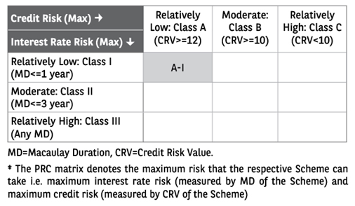

 | Monthly Performance Link: https://www.barodabnpparibasmf.in/assets/download_documents/Performance_of_Schemes-march_2026_17502.pdf

