Monthly Portfolio
 | Baroda BNP Paribas Ultra Short Duration Fund

 | Monthly Portfolio Statement as on March 31, 2026
 | Name of the Instrument | ISIN | Rating | Quantity | Market/Fair Value (Rs. in Lakhs) | % to Net Assets | YTM~ | YTC^ | null
 | Debt Instruments
 | (a) Listed / awaiting listing on Stock Exchange
MUFL464 | 8.05% Muthoot Finance Limited (25/11/2027) ** | INE414G07JQ6 | CRISIL AA+ | 2,500 | 2,496.75 | 3.54% | 8.09%
MEBP27 | 8.02% Mindspace Business Parks REIT (13/04/2026) ** | INE0CCU07074 | CRISIL AAA | 2,100 | 2,099.89 | 2.98% | 8.18%
RECL312 | 7.54% REC Limited (30/12/2026) ** | INE020B08AC9 | CRISIL AAA | 200 | 1,998.35 | 2.83% | 7.52%
SIDB519 | 7.44% Small Industries Dev Bank of India (04/09/2026) ** | INE556F08KI9 | CRISIL AAA | 2,000 | 1,996.68 | 2.83% | 7.52%
RECL428 | 7.56% REC Limited (30/06/2026) ** | INE020B08ED9 | CRISIL AAA | 1,600 | 1,598.70 | 2.27% | 7.47%
PFPL129 | 9% Piramal Finance Limited (28/06/2027) ** | INE202B07JT0 | ICRA AA+ | 1,500 | 1,503.13 | 2.13% | 8.77%
SHTR490 | 8.75% Shriram Finance Limited (15/06/2026) ** | INE721A07RH9 | CRISIL AA+ | 1,500 | 1,500.88 | 2.13% | 8.42%
IRLY371 | 7.23% Indian Railway Finance Corporation Limited (15/10/2026) ** | INE053F08304 | CRISIL AAA | 500 | 499.90 | 0.71% | 7.37%
LICH678 | 7.8650% LIC Housing Finance Limited (20/08/2026) ** | INE115A07QT1 | CRISIL AAA | 500 | 499.81 | 0.71% | 7.60%
 | Sub Total |  |  |  | 14,194.09 | 20.13%
 | (b) Privately placed / Unlisted |  |  |  | NIL | NIL
 | Sub Total |  |  |  | NIL | NIL
 | (c) Securitised Debt
VAJR27 | Vajra Trust (20/01/2028) ** | INE20NI15021 | CRISIL AAA(SO) | 19 | 1,537.76 | 2.18% | 10.08%
IUNT23 | India Universal Trust (21/11/2026) ** | INE1CBK15011 | CRISIL AAA(SO) | 13 | 271.18 | 0.38% | 8.15%
 | Sub Total |  |  |  | 1,808.94 | 2.56%
 | (b) Privately placed / Unlisted |  |  |  | NIL | NIL
 | Sub Total |  |  |  | NIL | NIL
 | Total |  |  |  | 16,003.03 | 22.69%
 | Money Market Instruments
 | Certificate of Deposit
UNBI444 | Union Bank of India (25/06/2026) ** # | INE692A16JQ1 | ICRA A1+ | 900 | 4,423.97 | 6.27% | 7.38%
NBAR874 | National Bank For Agriculture and Rural Development (28/01/2027) ** # | INE261F16AH2 | CRISIL A1+ | 600 | 2,830.22 | 4.01% | 7.25%
IIBL1010 | IndusInd Bank Limited (27/01/2027) ** # | INE095A169C7 | CRISIL A1+ | 600 | 2,820.85 | 4.00% | 7.70%
CANB1077 | Canara Bank (03/06/2026) # | INE476A16F60 | CRISIL A1+ | 520 | 2,567.36 | 3.64% | 7.36%
IIBL1002 | IndusInd Bank Limited (15/05/2026) ** # | INE095A160C6 | CRISIL A1+ | 500 | 2,475.05 | 3.51% | 8.36%
HDFB1006 | HDFC Bank Limited (24/06/2026) # | INE040A16HB9 | CRISIL A1+ | 500 | 2,457.58 | 3.49% | 7.50%
UTIB1369 | Axis Bank Limited (11/08/2026) ** # | INE238AD6BD9 | CRISIL A1+ | 500 | 2,435.27 | 3.45% | 7.35%
AFPL169 | AU Small Finance Bank Limited (28/08/2026) ** # | INE949L16DQ5 | CARE A1+ | 500 | 2,423.36 | 3.44% | 7.75%
KMBK889 | Kotak Mahindra Bank Limited (24/09/2026) ** # | INE237AD6042 | CRISIL A1+ | 500 | 2,415.56 | 3.43% | 7.25%
SIDB630 | Small Industries Dev Bank of India (10/11/2026) # | INE556F16BR2 | CARE A1+ | 500 | 2,393.96 | 3.39% | 7.25%
INBK521 | Indian Bank (04/12/2026) ** # | INE562A16QM0 | CRISIL A1+ | 500 | 2,382.39 | 3.38% | 7.30%
CANB1089 | Canara Bank (12/02/2027) ** # | INE476A16H01 | CRISIL A1+ | 500 | 2,351.43 | 3.33% | 7.28%
UTIB1363 | Axis Bank Limited (25/06/2026) ** # | INE238AD6AZ4 | CRISIL A1+ | 300 | 1,474.66 | 2.09% | 7.38%
HDFB1041 | HDFC Bank Limited (24/02/2027) ** # | INE040A16IO0 | CARE A1+ | 240 | 1,125.30 | 1.60% | 7.37%
IBCL1182 | ICICI Bank Limited (08/03/2027) ** # | INE090AD6295 | ICRA A1+ | 200 | 936.97 | 1.33% | 7.20%
HDFB1044 | HDFC Bank Limited (05/03/2027) ** # | INE040A16IU7 | CRISIL A1+ | 200 | 936.48 | 1.33% | 7.33%
 | Sub Total |  |  |  | 36,450.41 | 51.69%
 | Commercial Paper
POWF564 | Power Finance Corporation Limited (25/06/2026) ** | INE134E14AY4 | CRISIL A1+ | 1,000 | 4,914.62 | 6.97% | 7.46%
MUFL472 | Muthoot Finance Limited (11/09/2026) ** | INE414G14UU1 | CRISIL A1+ | 600 | 2,897.58 | 4.11% | 7.92%
SCIN342 | Standard Chartered Capital Limited (23/09/2026) ** | INE403G14TV4 | CRISIL A1+ | 500 | 2,407.60 | 3.41% | 8.01%
LICH705 | LIC Housing Finance Limited (11/03/2027) ** | INE115A14FT0 | CRISIL A1+ | 300 | 1,402.33 | 1.99% | 7.39%
 | Sub Total |  |  |  | 11,622.13 | 16.48%
 | Total |  |  |  | 48,072.54 | 68.17%
 | Others
 | Corporate Debt Market Development Fund
CDMD50ME | Corporate Debt Market Development Fund # | INF0RQ622028 |  | 2,878 | 336.51 | 0.48% | 5.72%
 | Sub Total |  |  |  | 336.51 | 0.48%
 | Total |  |  |  | 336.51 | 0.48%
 | Reverse Repo / TREPS
TRP_020426 | Clearing Corporation of India Ltd |  |  |  | 5,095.94 | 7.23% | 6.64%
 | Sub Total |  |  |  | 5,095.94 | 7.23%
 | (b) Privately placed / Unlisted |  |  |  | NIL | NIL
 | Sub Total |  |  |  | NIL | NIL
 | Total |  |  |  | 5,095.94 | 7.23%
 | Net Receivables / (Payables) |  |  |  | 1,007.55 | 1.43%
 | GRAND TOTAL |  |  |  | 70,515.57 | 100.00%

 | ** Thinly Traded / Non Traded Security
 | # Unlisted Security
 | ~ YTM as on March 31, 2026
 | ^ YTC represents Yield to Call provided by valuation agencies as on March 31, 2026. It is disclosed for Perpetual Bond issued by Banks (i.e. AT-1 Bond / Tier 1 Bond / Tier 2 Bond), as per AMFI Best Practices Guidelines Circular no. 135/BP/91/2020-21 read with SEBI circular No. SEBI/HO/IMD/DF4/CIR/P/2021/034 on Valuation of AT-1 Bonds and Tier 2 Bonds.

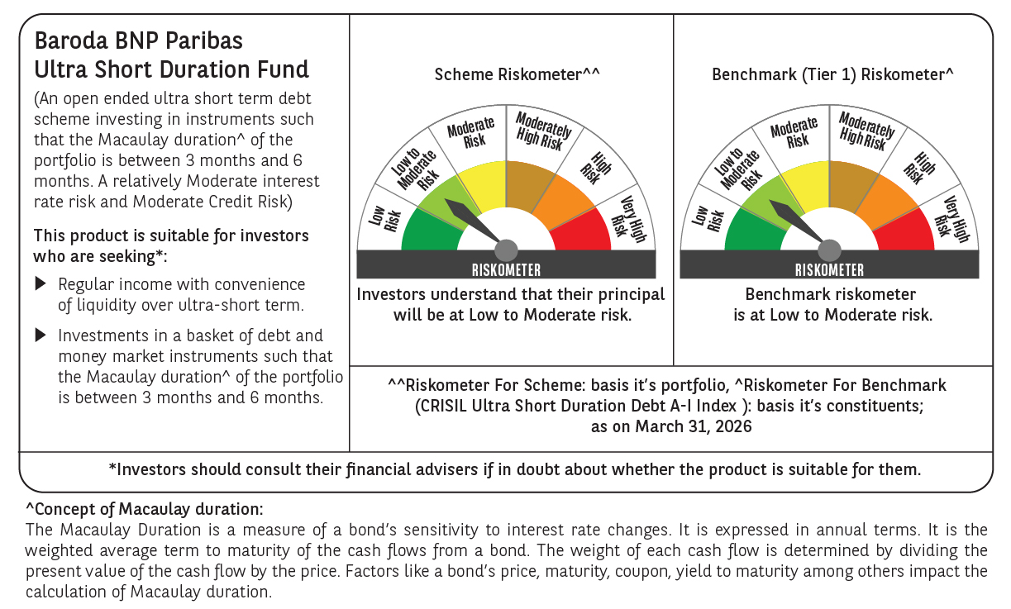

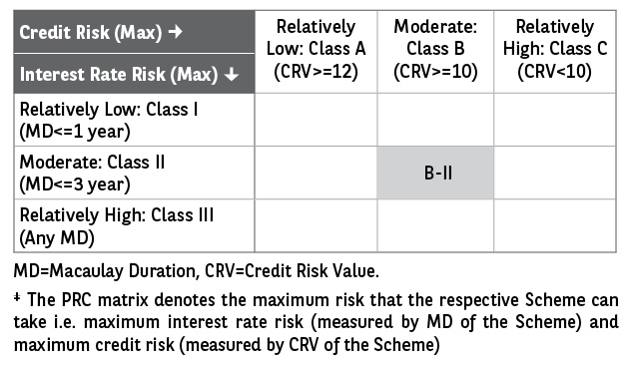

 | Monthly Performance Link: https://www.barodabnpparibasmf.in/assets/download_documents/Performance_of_Schemes-march_2026_17502.pdf

