Monthly Portfolio
 | Baroda BNP Paribas Banking & Financial Services Fund

 | Monthly Portfolio Statement as on March 31, 2026
 | Name of the Instrument | ISIN | Industry / Rating | Quantity | Market/Fair Value (Rs. in Lakhs) | % to Net Assets | YTM~ | YTC^ | null
 | Equity & Equity related
 | (a) Listed / awaiting listing on Stock Exchanges
HDFB03 | HDFC Bank Limited | INE040A01034 | Banks | 500,000 | 3,657.75 | 10.59%
IBCL05 | ICICI Bank Limited | INE090A01021 | Banks | 275,000 | 3,316.23 | 9.60%
UTIB02 | Axis Bank Limited | INE238A01034 | Banks | 260,000 | 3,019.38 | 8.74%
SBAI02 | State Bank of India | INE062A01020 | Banks | 271,200 | 2,656.13 | 7.69%
KOMA03 | Kotak Mahindra Bank Limited | INE237A01036 | Banks | 650,000 | 2,297.10 | 6.65%
IIBL01 | IndusInd Bank Limited | INE095A01012 | Banks | 225,000 | 1,693.01 | 4.90%
BAFL03 | Bajaj Finance Limited | INE296A01032 | Finance | 200,000 | 1,603.10 | 4.64%
CANB02 | Canara Bank | INE476A01022 | Banks | 1,100,000 | 1,357.95 | 3.93%
SHTR02 | Shriram Finance Limited | INE721A01047 | Finance | 145,000 | 1,264.55 | 3.66%
USFB01 | Ujjivan Small Finance Bank Limited | INE551W01018 | Banks | 2,150,000 | 1,085.97 | 3.14%
MCEX02 | Multi Commodity Exchange of India Limited | INE745G01043 | Capital Markets | 45,000 | 1,075.23 | 3.11%
SLIF01 | SBI Life Insurance Company Limited | INE123W01016 | Insurance | 50,000 | 888.65 | 2.57%
KAVY06 | Karur Vysya Bank Limited | INE036D01028 | Banks | 267,881 | 775.25 | 2.24%
IINF02 | IIFL Finance Limited | INE530B01024 | Finance | 175,000 | 753.29 | 2.18%
IPAM01 | ICICI Prudential Asset Management Company Limited | INE346A01027 | Capital Markets | 25,000 | 700.38 | 2.03%
CHOL02 | Cholamandalam Investment and Finance Company Ltd | INE121A01024 | Finance | 50,000 | 677.35 | 1.96%
AFPL02 | AU Small Finance Bank Limited | INE949L01017 | Banks | 70,000 | 589.89 | 1.71%
MUFL01 | Muthoot Finance Limited | INE414G01012 | Finance | 18,500 | 584.62 | 1.69%
ONCO02 | One 97 Communications Limited | INE982J01020 | Financial Technology (Fintech) | 60,000 | 575.40 | 1.67%
IIFM02 | 360 One WAM Limited | INE466L01038 | Capital Markets | 60,000 | 569.76 | 1.65%
FEBA02 | The Federal Bank Limited | INE171A01029 | Banks | 200,000 | 518.80 | 1.50%
MAXI02 | Max Financial Services Limited | INE180A01020 | Insurance | 32,500 | 484.48 | 1.40%
UNBI01 | Union Bank of India | INE692A01016 | Banks | 275,000 | 451.55 | 1.31%
PRUD01 | Prudent Corporate Advisory Services Limited | INE00F201020 | Capital Markets | 20,000 | 435.00 | 1.26%
BSEL02 | BSE Limited | INE118H01025 | Capital Markets | 15,000 | 402.53 | 1.16%
ABFS01 | Aditya Birla Capital Limited | INE674K01013 | Finance | 125,000 | 365.31 | 1.06%
RATN01 | RBL Bank Limited | INE976G01028 | Banks | 125,000 | 362.19 | 1.05%
MALE02 | Poonawalla Fincorp Limited | INE511C01022 | Finance | 90,000 | 331.56 | 0.96%
 | Sub Total |  |  |  | 32,492.41 | 94.05%
 | (b) Unlisted |  |  |  | NIL | NIL
 | Sub Total |  |  |  | NIL | NIL
 | Total |  |  |  | 32,492.41 | 94.05%
 | Money Market Instruments
 | Treasury Bill
TBIL2566 | 364 Days Tbill (MD 17/09/2026) | IN002025Z252 | Sovereign | 500,000 | 487.52 | 1.41% | 5.53%
 | Sub Total |  |  |  | 487.52 | 1.41%
 | Total |  |  |  | 487.52 | 1.41%
 | Reverse Repo / TREPS
TRP_020426 | Clearing Corporation of India Ltd |  |  |  | 1,574.48 | 4.56% | 6.64%
 | Sub Total |  |  |  | 1,574.48 | 4.56%
 | Total |  |  |  | 1,574.48 | 4.56%
 | Net Receivables / (Payables) |  |  |  | 1.13 | (0.02)%
 | GRAND TOTAL |  |  |  | 34,555.54 | 100.00%

 | ~ YTM as on March 31, 2026
 | ^ YTC represents Yield to Call provided by valuation agencies as on March 31, 2026. It is disclosed for Perpetual Bond issued by Banks (i.e. AT-1 Bond / Tier 1 Bond / Tier 2 Bond), as per AMFI Best Practices Guidelines Circular no. 135/BP/91/2020-21 read with SEBI circular No. SEBI/HO/IMD/DF4/CIR/P/2021/034 on Valuation of AT-1 Bonds and Tier 2 Bonds.

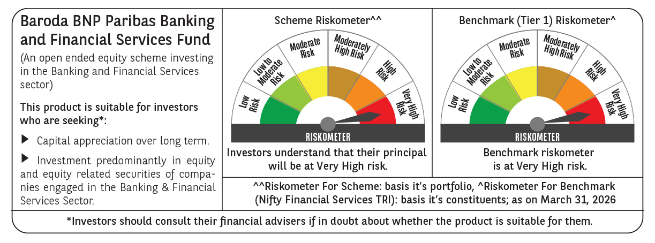

 | Monthly Performance Link: https://www.barodabnpparibasmf.in/assets/download_documents/Performance_of_Schemes-march_2026_17502.pdf

