Monthly Portfolio
 | Baroda BNP Paribas Short Duration Fund

 | Monthly Portfolio Statement as on March 31, 2026
 | Name of the Instrument | ISIN | Rating | Quantity | Market/Fair Value (Rs. in Lakhs) | % to Net Assets | YTM~ | YTC^ | null
 | Debt Instruments
 | (a) Listed / awaiting listing on Stock Exchange
NHBA331 | 7.59% National Housing Bank (08/09/2027) ** | INE557F08FZ1 | CRISIL AAA | 1,500 | 1,503.23 | 5.37% | 7.42%
NBAR838 | 7.48% National Bank For Agriculture and Rural Development (15/09/2028) | INE261F08EO7 | CRISIL AAA | 1,500 | 1,497.03 | 5.35% | 7.54%
SIDB553 | 7.68% Small Industries Dev Bank of India (10/08/2027) ** | INE556F08KP4 | CRISIL AAA | 1,300 | 1,302.88 | 4.66% | 7.55%
HPEC300 | 7.64% Hindustan Petroleum Corporation Limited (04/11/2027) ** | INE094A08135 | CRISIL AAA | 120 | 1,205.07 | 4.31% | 7.31%
SHTR526 | 8.7% Shriram Finance Limited (09/04/2028) ** | INE721A07SL9 | CRISIL AA+ | 1,000 | 1,008.55 | 3.61% | 8.22%
LARS419 | 7.725% Larsen & Toubro Limited (28/04/2028) ** | INE018A08BE9 | CRISIL AAA | 1,000 | 1,006.98 | 3.60% | 7.34%
PHFP225 | 8.15% PNB Housing Finance Limited (29/07/2027) ** | INE572E07183 | CARE AA+ | 1,000 | 1,003.64 | 3.59% | 7.80%
NCIP36 | 8.50% Nomura Capital India Pvt Limited (21/10/2026) ** | INE357L07457 | FITCH AAA | 1,000 | 1,002.30 | 3.58% | 7.83%
LICH680 | 7.74% LIC Housing Finance Limited (11/02/2028) ** | INE115A07QW5 | CRISIL AAA | 1,000 | 1,001.18 | 3.58% | 7.65%
ULCC169 | 7.34% UltraTech Cement Limited (03/03/2028) ** | INE481G08123 | CRISIL AAA | 1,000 | 999.40 | 3.57% | 7.37%
IRLY303 | 7.27% Indian Railway Finance Corporation Limited (15/06/2027) ** | INE053F07AB5 | CRISIL AAA | 100 | 999.01 | 3.57% | 7.38%
GOI7411 | 6.36% Government of India (16/02/2031) | IN0020250141 | Sovereign | 1,000,000 | 984.13 | 3.52% | 6.86%
GOI5228 | 7.18% Government of India (14/08/2033) | IN0020230085 | Sovereign | 975,000 | 979.88 | 3.50% | 7.22%
IOIC673 | 7.25% Indian Oil Corporation Limited (05/01/2030) ** | INE242A08569 | CRISIL AAA | 800 | 796.71 | 2.85% | 7.37%
EXIM794 | 7.35% Export Import Bank of India (27/07/2028) ** | INE514E08GE8 | CRISIL AAA | 700 | 699.19 | 2.50% | 7.42%
HPEC303 | 7.74% Hindustan Petroleum Corporation Limited (02/03/2028) ** | INE094A08150 | CRISIL AAA | 650 | 654.36 | 2.34% | 7.34%
RECL473 | 6.87% REC Limited (31/05/2030) ** | INE020B08FU0 | ICRA AAA | 600 | 585.52 | 2.09% | 7.56%
GOI5379 | 7.32% Government of India (13/11/2030) | IN0020230135 | Sovereign | 500,000 | 508.13 | 1.82% | 7.02%
ICFP147 | 10.5% IndoStar Capital Finance Limited (25/09/2026) ** | INE896L07983 | CARE AA- | 50,000 | 502.96 | 1.80% | 8.75%
RUPL50 | 7.90% Jamnagar Utilities & Power Private Limited (10/08/2028) ** | INE936D07182 | CRISIL AAA | 500 | 502.22 | 1.80% | 7.66%
NHBA329 | 7.59% National Housing Bank (14/07/2027) ** | INE557F08FY4 | CRISIL AAA | 500 | 500.95 | 1.79% | 7.42%
NBAR701 | 7.58% National Bank For Agriculture and Rural Development (31/07/2026) | INE261F08DX0 | CRISIL AAA | 500 | 499.26 | 1.78% | 7.65%
EOPR38 | 7.21% Embassy Office Parks REIT (17/03/2028) ** | INE041007167 | CRISIL AAA | 500 | 495.91 | 1.77% | 7.88%
MEBP36 | 7% Mindspace Business Parks REIT (14/09/2027) ** | INE0CCU07165 | CRISIL AAA | 500 | 495.56 | 1.77% | 7.87%
BHAT85 | 7.35% Bharti Telecom Limited (15/10/2027) ** | INE403D08272 | CRISIL AAA | 500 | 495.18 | 1.77% | 7.99%
BAFL990 | 7.07% Bajaj Finance Limited (21/09/2028) ** | INE296A07TN6 | CRISIL AAA | 500 | 491.18 | 1.76% | 7.84%
GOI6900 | 6.28% Government of India (14/07/2032) | IN0020250059 | Sovereign | 500,000 | 483.37 | 1.73% | 7.06%
SIDB657 | 7.22% Small Industries Dev Bank of India (10/04/2029) | INE556F08LC0 | CRISIL AAA | 400 | 396.67 | 1.42% | 7.54%
SIDB598 | 7.39% Small Industries Dev Bank of India (21/03/2030) | INE556F08KY6 | CRISIL AAA | 200 | 198.85 | 0.71% | 7.56%
GOI3079 | 7.11% State Government Securities (17/03/2031) | IN1520200297 | Sovereign | 200,000 | 198.18 | 0.71% | 7.47%
BSNL21 | 6.79% Bharat Sanchar Nigam Limited (23/09/2030) ** | INE103D08021 | CRISIL AAA(CE) | 20 | 192.57 | 0.69% | 7.94%
PGCI456 | 7.56% Power Grid Corporation of India Limited (31/03/2033) ** | INE752E08692 | CRISIL AAA | 250 | 182.24 | 0.65% | 7.59%
 | Sub Total |  |  |  | 23,372.29 | 83.56%
 | (b) Privately placed / Unlisted |  |  |  | NIL | NIL
 | Sub Total |  |  |  | NIL | NIL
 | (c) Securitised Debt
VAJR28 | Vajra Trust (20/01/2029) ** | INE20NI15039 | CRISIL AAA(SO) | 9 | 894.30 | 3.20% | 10.19%
IUNT24 | India Universal Trust (21/11/2027) ** | INE1CBK15029 | CRISIL AAA(SO) | 5 | 341.02 | 1.22% | 8.39%
 | Sub Total |  |  |  | 1,235.32 | 4.42%
 | (b) Privately placed / Unlisted |  |  |  | NIL | NIL
 | Sub Total |  |  |  | NIL | NIL
 | Total |  |  |  | 24,607.61 | 87.98%
 | Money Market Instruments
 | Certificate of Deposit
INBK515 | Indian Bank (12/01/2027) ** # | INE562A16QE7 | CRISIL A1+ | 240 | 1,135.07 | 4.06% | 7.30%
IBCL1180 | ICICI Bank Limited (27/01/2027) ** # | INE090AD6279 | ICRA A1+ | 200 | 943.95 | 3.37% | 7.20%
 | Sub Total |  |  |  | 2,079.02 | 7.43%
 | Total |  |  |  | 2,079.02 | 7.43%
 | Others
 | Corporate Debt Market Development Fund
CDMD50ME | Corporate Debt Market Development Fund # | INF0RQ622028 |  | 867 | 101.39 | 0.36% | 5.72%
 | Sub Total |  |  |  | 101.39 | 0.36%
 | Total |  |  |  | 101.39 | 0.36%
 | Reverse Repo / TREPS
TRP_020426 | Clearing Corporation of India Ltd |  |  |  | 563.24 | 2.01% | 6.64%
 | Sub Total |  |  |  | 563.24 | 2.01%
 | (b) Privately placed / Unlisted |  |  |  | NIL | NIL
 | Sub Total |  |  |  | NIL | NIL
 | Total |  |  |  | 563.24 | 2.01%
 | Net Receivables / (Payables) |  |  |  | 624.53 | 2.22%
 | GRAND TOTAL |  |  |  | 27,975.79 | 100.00%

 | ** Thinly Traded / Non Traded Security
 | # Unlisted Security
 | ~ YTM as on March 31, 2026
 | ^ YTC represents Yield to Call provided by valuation agencies as on March 31, 2026. It is disclosed for Perpetual Bond issued by Banks (i.e. AT-1 Bond / Tier 1 Bond / Tier 2 Bond), as per AMFI Best Practices Guidelines Circular no. 135/BP/91/2020-21 read with SEBI circular No. SEBI/HO/IMD/DF4/CIR/P/2021/034 on Valuation of AT-1 Bonds and Tier 2 Bonds.

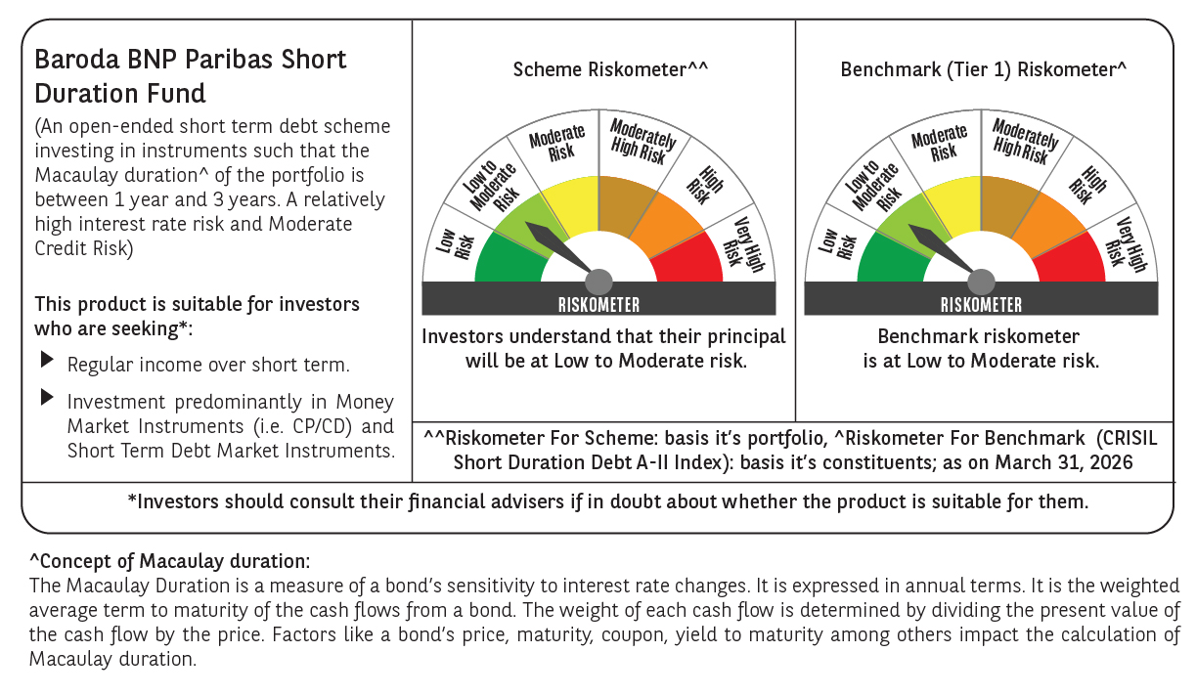



 | Monthly Performance Link: https://www.barodabnpparibasmf.in/assets/download_documents/Performance_of_Schemes-march_2026_17502.pdf

