Monthly Portfolio
 | Baroda BNP Paribas Liquid Fund

 | Monthly Portfolio Statement as on March 31, 2026
 | Name of the Instrument | ISIN | Rating | Quantity | Market/Fair Value (Rs. in Lakhs) | % to Net Assets | YTM~ | YTC^ | null
 | Debt Instruments
 | (a) Listed / awaiting listing on Stock Exchange
CHOL1013 | 8.25% Cholamandalam Investment and Finance Company Ltd (15/05/2026) ** | INE121A07RC3 | ICRA AA+ | 7,500 | 7,492.10 | 0.87% | 8.52%
 | Sub Total |  |  |  | 7,492.10 | 0.87%
 | (b) Privately placed / Unlisted |  |  |  | NIL | NIL
 | Sub Total |  |  |  | NIL | NIL
 | Total |  |  |  | 7,492.10 | 0.87%
 | Money Market Instruments
 | Certificate of Deposit
EXIM806 | Export Import Bank of India (28/05/2026) ** # | INE514E16CL5 | CRISIL A1+ | 6,500 | 32,103.21 | 3.73% | 7.92%
INBK477 | Indian Bank (06/05/2026) # | INE562A16OS2 | CRISIL A1+ | 5,000 | 24,811.28 | 2.89% | 7.93%
PUBA1143 | Punjab National Bank (07/05/2026) # | INE160A16UF9 | CARE A1+ | 5,000 | 24,804.28 | 2.88% | 8.00%
UNBI477 | Union Bank of India (19/06/2026) ** # | INE692A16LK0 | ICRA A1+ | 5,000 | 24,606.95 | 2.86% | 7.38%
UTIB1387 | Axis Bank Limited (06/05/2026) ** # | INE238AD6BZ2 | CRISIL A1+ | 4,000 | 19,845.86 | 2.31% | 8.10%
CANB1070 | Canara Bank (15/05/2026) # | INE476A16E79 | CRISIL A1+ | 4,000 | 19,808.96 | 2.30% | 8.00%
AFPL184 | AU Small Finance Bank Limited (29/05/2026) ** # | INE949L16DP7 | CRISIL A1+ | 4,000 | 19,742.14 | 2.30% | 8.22%
PUBA1153 | Punjab National Bank (09/06/2026) ** # | INE160A16US2 | CRISIL A1+ | 4,000 | 19,725.38 | 2.29% | 7.36%
HDFB1042 | HDFC Bank Limited (05/06/2026) ** # | INE040A16IS1 | CARE A1+ | 3,000 | 14,805.89 | 1.72% | 7.36%
CANB1096 | Canara Bank (09/06/2026) ** # | INE476A16H76 | CRISIL A1+ | 3,000 | 14,794.04 | 1.72% | 7.36%
HDFB1047 | HDFC Bank Limited (10/06/2026) # | INE040A16IW3 | CRISIL A1+ | 3,000 | 14,791.50 | 1.72% | 7.35%
INBK528 | Indian Bank (19/06/2026) ** # | INE562A16QT5 | CRISIL A1+ | 3,000 | 14,764.02 | 1.72% | 7.39%
UTIB1365 | Axis Bank Limited (15/05/2026) # | INE238AD6BA5 | CRISIL A1+ | 2,500 | 12,379.13 | 1.44% | 8.10%
UNBI454 | Union Bank of India (01/06/2026) ** # | INE692A16KH8 | ICRA A1+ | 2,500 | 12,347.71 | 1.44% | 7.38%
INBK504 | Indian Bank (29/05/2026) ** # | INE562A16PR1 | CRISIL A1+ | 2,500 | 12,344.94 | 1.44% | 7.91%
EXIM808 | Export Import Bank of India (11/06/2026) ** # | INE514E16CM3 | CRISIL A1+ | 2,500 | 12,323.93 | 1.43% | 7.35%
UTIB1357 | Axis Bank Limited (11/06/2026) # | INE238AD6AT7 | CRISIL A1+ | 2,500 | 12,322.63 | 1.43% | 7.40%
SIDB604 | Small Industries Dev Bank of India (05/05/2026) # | INE556F16BH3 | CRISIL A1+ | 2,000 | 9,926.94 | 1.15% | 7.90%
INBK519 | Indian Bank (12/05/2026) # | INE562A16QK4 | CRISIL A1+ | 2,000 | 9,911.49 | 1.15% | 7.95%
UNBI451 | Union Bank of India (15/05/2026) # | INE692A16KC9 | ICRA A1+ | 2,000 | 9,905.63 | 1.15% | 7.90%
IDBK536 | IDFC First Bank Limited (18/05/2026) ** # | INE092T16YQ3 | CRISIL A1+ | 1,500 | 7,422.82 | 0.86% | 8.08%
CANB1077 | Canara Bank (03/06/2026) # | INE476A16F60 | CRISIL A1+ | 1,000 | 4,937.24 | 0.57% | 7.36%
HDFB1020 | HDFC Bank Limited (04/06/2026) ** # | INE040A16HT1 | CARE A1+ | 1,000 | 4,936.28 | 0.57% | 7.36%
UNBI465 | Union Bank of India (10/06/2026) ** # | INE692A16KT3 | FITCH A1+ | 1,000 | 4,930.22 | 0.57% | 7.38%
HDFB1002 | HDFC Bank Limited (19/05/2026) # | INE040A16GW7 | CRISIL A1+ | 500 | 2,473.88 | 0.29% | 8.03%
UTIB1358 | Axis Bank Limited (12/06/2026) # | INE238AD6AU5 | CRISIL A1+ | 500 | 2,464.42 | 0.29% | 7.32%
 | Sub Total |  |  |  | 363,230.77 | 42.22%
 | Commercial Paper
RECL480 | REC Limited (10/06/2026) ** | INE020B14698 | CRISIL A1+ | 10,500 | 51,763.90 | 6.02% | 7.41%
TCHF428 | Tata Capital Housing Finance Limited (10/06/2026) ** | INE033L14OD8 | CRISIL A1+ | 5,000 | 24,648.78 | 2.87% | 7.43%
POWF564 | Power Finance Corporation Limited (25/06/2026) ** | INE134E14AY4 | CRISIL A1+ | 5,000 | 24,573.10 | 2.86% | 7.46%
ICBR652 | ICICI Securities Limited (05/05/2026) ** | INE763G14F01 | CRISIL A1+ | 4,000 | 19,845.18 | 2.31% | 8.38%
HDFS343 | HDFC Securities Limited (14/05/2026) ** | INE700G14SI2 | CARE A1+ | 4,000 | 19,804.60 | 2.30% | 8.38%
RRVL213 | Reliance Retail Ventures Limited (20/05/2026) ** | INE929O14ES0 | CRISIL A1+ | 4,000 | 19,785.92 | 2.30% | 8.06%
CANH124 | Can Fin Homes Limited (05/06/2026) ** | INE477A14EE9 | ICRA A1+ | 4,000 | 19,735.54 | 2.29% | 7.53%
ABHF166 | Aditya Birla Housing Finance Limited (08/06/2026) ** | INE831R14FS8 | CRISIL A1+ | 4,000 | 19,724.40 | 2.29% | 7.50%
NEFL346 | Network18 Media & Investments Limited (04/05/2026) ** | INE870H14WN3 | CARE A1+ | 3,000 | 14,890.55 | 1.73% | 8.13%
NBAR877 | National Bank For Agriculture and Rural Development (08/05/2026) | INE261F14OR7 | CRISIL A1+ | 3,000 | 14,877.84 | 1.73% | 8.10%
NBAR879 | National Bank For Agriculture and Rural Development (14/05/2026) ** | INE261F14OS5 | ICRA A1+ | 3,000 | 14,858.22 | 1.73% | 8.10%
IIFW351 | 360 One Prime Limited (18/05/2026) ** | INE248U14TA8 | CRISIL A1+ | 3,000 | 14,832.41 | 1.72% | 8.78%
EXIM818 | Export Import Bank of India (01/06/2026) | INE514E14TE9 | CRISIL A1+ | 3,000 | 14,810.69 | 1.72% | 7.65%
NBAR889 | National Bank For Agriculture and Rural Development (09/06/2026) ** | INE261F14OX5 | CRISIL A1+ | 3,000 | 14,788.52 | 1.72% | 7.57%
TCAL541 | Tata Capital Limited (10/06/2026) ** | INE976I14QD9 | CRISIL A1+ | 3,000 | 14,778.23 | 1.72% | 7.83%
RICL216 | Barclays Investments & Loans (India) Private Limited (05/06/2026) ** | INE704I14KT4 | CRISIL A1+ | 2,500 | 12,326.05 | 1.43% | 7.92%
HHFL235 | Hero Fincorp Limited (18/05/2026) ** | INE957N14JU8 | CRISIL A1+ | 2,000 | 9,890.60 | 1.15% | 8.59%
MNGF340 | Manappuram Finance Limited (18/05/2026) ** | INE522D14PE2 | CRISIL A1+ | 2,000 | 9,888.59 | 1.15% | 8.75%
BAFL1023 | Bajaj Finance Limited (04/06/2026) ** | INE296A14F37 | CRISIL A1+ | 2,000 | 9,866.36 | 1.15% | 7.73%
RRVL214 | Reliance Retail Ventures Limited (08/06/2026) ** | INE929O14EU6 | CRISIL A1+ | 2,000 | 9,863.47 | 1.15% | 7.43%
KOSE396 | Kotak Securities Limited (05/06/2026) ** | INE028E14VK3 | CRISIL A1+ | 2,000 | 9,862.57 | 1.15% | 7.83%
IIFM101 | 360 One WAM Limited (29/05/2026) ** | INE466L14FY4 | ICRA A1+ | 2,000 | 9,862.48 | 1.15% | 8.78%
MUFL470 | Muthoot Finance Limited (12/06/2026) ** | INE414G14UW7 | CRISIL A1+ | 2,000 | 9,843.79 | 1.14% | 8.04%
BAFL1025 | Bajaj Finance Limited (17/06/2026) ** | INE296A14F60 | CRISIL A1+ | 2,000 | 9,840.67 | 1.14% | 7.67%
MUFL487 | Muthoot Finance Limited (11/05/2026) ** | INE414G14UP1 | CRISIL A1+ | 1,500 | 7,430.09 | 0.86% | 8.59%
DIIP236 | Deutsche Investments India Pvt Limited (15/05/2026) ** | INE144H14IG6 | CRISIL A1+ | 1,500 | 7,423.83 | 0.86% | 8.51%
EOPR43 | Embassy Office Parks REIT (16/06/2026) ** | INE041014072 | CRISIL A1+ | 1,300 | 6,398.68 | 0.74% | 7.60%
MNGF339 | Manappuram Finance Limited (15/05/2026) ** | INE522D14PD4 | CRISIL A1+ | 1,000 | 4,947.81 | 0.58% | 8.75%
MNGF327 | Manappuram Finance Limited (10/06/2026) ** | INE522D14OO4 | CARE A1+ | 1,000 | 4,921.90 | 0.57% | 8.27%
MOFS267 | Motilal Oswal Financial Services Limited (15/06/2026) ** | INE338I14KQ7 | CRISIL A1+ | 1,000 | 4,917.70 | 0.57% | 8.14%
BAFL1017 | Bajaj Finance Limited (04/05/2026) ** | INE296A14E95 | CRISIL A1+ | 500 | 2,481.38 | 0.29% | 8.30%
ICBR657 | ICICI Securities Limited (15/05/2026) ** | INE763G14YJ6 | CRISIL A1+ | 500 | 2,475.01 | 0.29% | 8.38%
 | Sub Total |  |  |  | 435,958.86 | 50.68%
 | Treasury Bill
TBIL2621 | 364 Days Tbill (MD 07/05/2026) | IN002025Z062 | Sovereign | 42,500,000 | 42,279.00 | 4.92% | 5.30%
TBIL2582 | 182 Days Tbill (MD 30/04/2026) | IN002025Y313 | Sovereign | 25,000,000 | 24,894.78 | 2.89% | 5.32%
TBIL2632 | 91 Days Tbill (MD 04/06/2026) | IN002025X489 | Sovereign | 15,000,000 | 14,859.30 | 1.73% | 5.40%
TBIL2588 | 182 Days Tbill (MD 14/05/2026) | IN002025Y339 | Sovereign | 8,500,000 | 8,447.75 | 0.98% | 5.25%
TBIL2517 | 364 Days Tbill (MD 04/06/2026) | IN002025Z104 | Sovereign | 8,500,000 | 8,420.27 | 0.98% | 5.40%
TBIL2503 | 364 Days Tbill (MD 01/05/2026) | IN002025Z054 | Sovereign | 7,500,000 | 7,467.80 | 0.87% | 5.25%
 | Sub Total |  |  |  | 106,368.90 | 12.37%
 | Total |  |  |  | 905,558.53 | 105.27%
 | Others
 | Corporate Debt Market Development Fund
CDMD50ME | Corporate Debt Market Development Fund # | INF0RQ622028 |  | 22,524 | 2,633.73 | 0.31% | 5.72%
 | Sub Total |  |  |  | 2,633.73 | 0.31%
 | Total |  |  |  | 2,633.73 | 0.31%
 | Reverse Repo / TREPS
TRP_020426 | Clearing Corporation of India Ltd |  |  |  | 1.78 | 0.00% | 6.64%
 | Sub Total |  |  |  | 1.78 | 0.00%
 | (b) Privately placed / Unlisted |  |  |  | NIL | NIL
 | Sub Total |  |  |  | NIL | NIL
 | Total |  |  |  | 1.78 | 0.00%
 | Net Receivables / (Payables) |  |  |  | (55,748.00) | (6.45)%
 | GRAND TOTAL |  |  |  | 859,938.14 | 100.00%

 | ** Thinly Traded / Non Traded Security
 | # Unlisted Security
 | $ Less Than 0.01% of Net Asset Value
 | ~ YTM as on March 31, 2026
 | ^ YTC represents Yield to Call provided by valuation agencies as on March 31, 2026. It is disclosed for Perpetual Bond issued by Banks (i.e. AT-1 Bond / Tier 1 Bond / Tier 2 Bond), as per AMFI Best Practices Guidelines Circular no. 135/BP/91/2020-21 read with SEBI circular No. SEBI/HO/IMD/DF4/CIR/P/2021/034 on Valuation of AT-1 Bonds and Tier 2 Bonds.

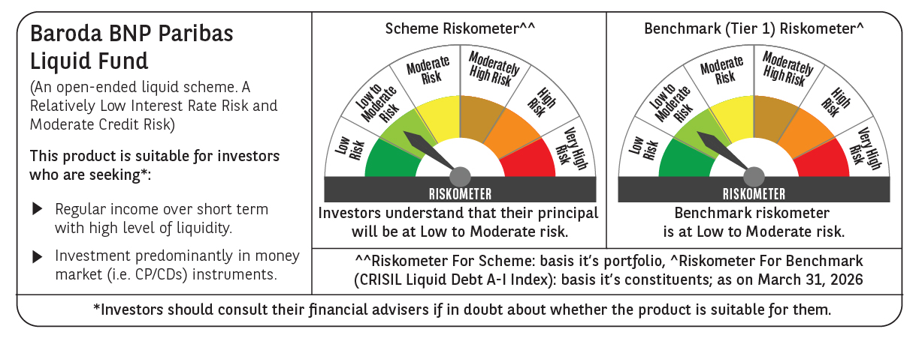

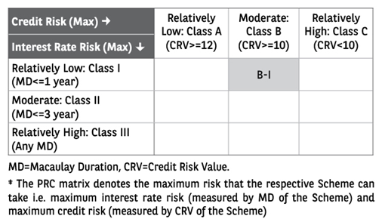

 | Monthly Performance Link: https://www.barodabnpparibasmf.in/assets/download_documents/Performance_of_Schemes-march_2026_17502.pdf

