Monthly Portfolio
 | Baroda BNP Paribas Gilt Fund

 | Monthly Portfolio Statement as on March 31, 2026
 | Name of the Instrument | ISIN | Rating | Quantity | Market/Fair Value (Rs. in Lakhs) | % to Net Assets | YTM~ | YTC^ | null
 | Debt Instruments
 | (a) Listed / awaiting listing on Stock Exchange
GOI7094 | 6.48% Government of India (06/10/2035) | IN0020250091 | Sovereign | 11,300,000 | 10,881.76 | 13.47% | 7.14%
GOI7411 | 6.36% Government of India (16/02/2031) | IN0020250141 | Sovereign | 9,000,000 | 8,857.20 | 10.97% | 6.86%
GOI6919 | 6.01% Government of India (21/07/2030) | IN0020250067 | Sovereign | 8,450,000 | 8,213.62 | 10.17% | 6.88%
GOI6638 | 6.9% Government of India (15/04/2065) | IN0020250018 | Sovereign | 8,135,700 | 7,241.68 | 8.97% | 7.95%
GOI3591 | 6.91% State Government Securities (15/09/2033) | IN2220210248 | Sovereign | 5,700,000 | 5,500.90 | 6.81% | 7.67%
GOI4967 | 7.65% State Government Securities (01/02/2033) | IN1520220212 | Sovereign | 5,000,000 | 5,028.20 | 6.23% | 7.68%
GOI4333 | 7.29% State Government Securities (30/03/2032) | IN1520210239 | Sovereign | 5,000,000 | 4,968.21 | 6.15% | 7.56%
GOI5590 | 7.43% State Government Securities (28/02/2035) | IN2220230253 | Sovereign | 5,000,000 | 4,938.86 | 6.12% | 7.77%
GOI6960 | 7.24% Government of India (18/08/2055) | IN0020250075 | Sovereign | 5,000,000 | 4,707.07 | 5.83% | 7.90%
GOI6019 | 7.09% Government of India (05/08/2054) | IN0020240118 | Sovereign | 3,800,000 | 3,509.24 | 4.35% | 7.91%
GOI5621 | 7.36% State Government Securities (13/03/2034) | IN1920230316 | Sovereign | 2,500,000 | 2,468.24 | 3.06% | 7.72%
GOI3079 | 7.11% State Government Securities (17/03/2031) | IN1520200297 | Sovereign | 2,000,000 | 1,981.77 | 2.45% | 7.47%
GOI6889 | 6.68% Government of India (07/07/2040) | IN0020250042 | Sovereign | 1,800,000 | 1,680.50 | 2.08% | 7.58%
GOI5228 | 7.18% Government of India (14/08/2033) | IN0020230085 | Sovereign | 1,300,000 | 1,306.51 | 1.62% | 7.22%
GOI7446 | 7.4% State Government Securities (25/02/2036) | IN1520250318 | Sovereign | 1,000,000 | 981.40 | 1.22% | 7.82%
 | Sub Total |  |  |  | 72,265.16 | 89.50%
 | (b) Privately placed / Unlisted |  |  |  | NIL | NIL
 | Sub Total |  |  |  | NIL | NIL
 | Total |  |  |  | 72,265.16 | 89.50%
 | Reverse Repo / TREPS
TRP_020426 | Clearing Corporation of India Ltd |  |  |  | 3,973.73 | 4.92% | 6.64%
 | Sub Total |  |  |  | 3,973.73 | 4.92%
 | (b) Privately placed / Unlisted |  |  |  | NIL | NIL
 | Sub Total |  |  |  | NIL | NIL
 | Total |  |  |  | 3,973.73 | 4.92%
 | Net Receivables / (Payables) |  |  |  | 4,521.03 | 5.58%
 | GRAND TOTAL |  |  |  | 80,759.92 | 100.00%

 | ~ YTM as on March 31, 2026
 | ^ YTC represents Yield to Call provided by valuation agencies as on March 31, 2026. It is disclosed for Perpetual Bond issued by Banks (i.e. AT-1 Bond / Tier 1 Bond / Tier 2 Bond), as per AMFI Best Practices Guidelines Circular no. 135/BP/91/2020-21 read with SEBI circular No. SEBI/HO/IMD/DF4/CIR/P/2021/034 on Valuation of AT-1 Bonds and Tier 2 Bonds.

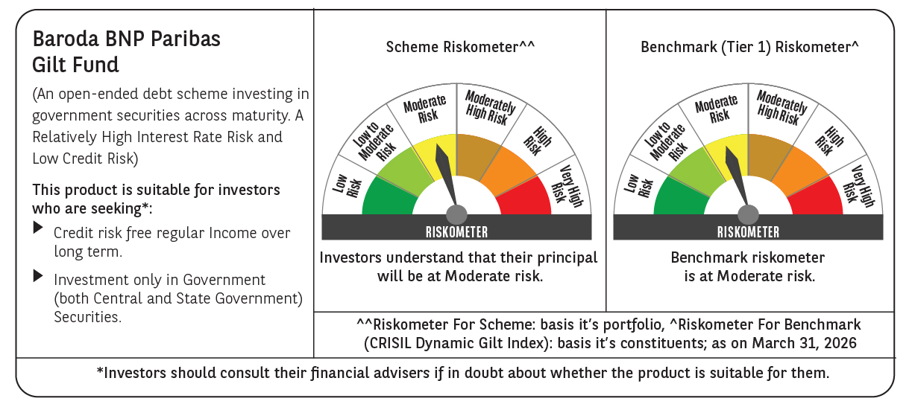



 | Monthly Performance Link: https://www.barodabnpparibasmf.in/assets/download_documents/Performance_of_Schemes-march_2026_17502.pdf

