Monthly Portfolio
 | Baroda BNP Paribas ESG Best-in-Class Strategy Fund

 | Monthly Portfolio Statement as on March 31, 2026
 | Name of the Instrument | ISIN | Industry / Rating | Quantity | Market/Fair Value (Rs. in Lakhs) | % to Net Assets | YTM~ | YTC^ | ESG Rating/ Score* | Core ESG Rating/ Score* | BRSR Link**
 | Equity & Equity related
 | (a) Listed / awaiting listing on Stock Exchanges
INFS02 | Infosys Limited | INE009A01021 | IT - Software | 180,000 | 2,251.08 | 3.55% |  |  | 79.52 | 81.11 | https://nsearchives.nseindia.com/corporate/Infosys_03072025215225_Infosys_Integrated_Annual_Report_2024-25.pdf
BTVL02 | Bharti Airtel Limited | INE397D01024 | Telecom - Services | 108,000 | 1,924.99 | 3.03% |  |  | 76.56 | 60.48 | https://nsearchives.nseindia.com/corporate/BHARTIARTL_16072025232215_BAL_STX_BRSR_FY24-25.pdf
SBAI02 | State Bank of India | INE062A01020 | Banks | 153,000 | 1,498.48 | 2.36% |  |  | 73.06 | 77.09 | https://nsearchives.nseindia.com/corporate/SBIN_26062025191305_mergedDSC.pdf
PGCI01 | Power Grid Corporation of India Limited | INE752E01010 | Power | 495,000 | 1,465.70 | 2.31% |  |  | 69.71 | 73.87 | https://nsearchives.nseindia.com/corporate/POWERGRID1_03082025201817_BRSRfinal.pdf
UTIB02 | Axis Bank Limited | INE238A01034 | Banks | 117,000 | 1,358.72 | 2.14% |  |  | 76.88 | 75.97 | https://nsearchives.nseindia.com/corporate/AXISBANK1_27062025105124_SEBRSRSignedFinal.pdf
IBCL05 | ICICI Bank Limited | INE090A01021 | Banks | 108,000 | 1,302.37 | 2.05% |  |  | 77.83 | 73.19 | https://nsearchives.nseindia.com/corporate/ICICI2022_05082025202810_NSEBSEAnnualReport05082025.pdf
ABBP01 | Hitachi Energy India Limited | INE07Y701011 | Electrical Equipment | 4,950 | 1,199.63 | 1.89% |  |  | 62.00 | 42.00 | https://nsearchives.nseindia.com/corporate/HitachiEnergy_24072025163636_SEBRSR_.pdf
HDFB03 | HDFC Bank Limited | INE040A01034 | Banks | 162,000 | 1,185.11 | 1.87% |  |  | 72.87 | 72.76 | https://nsearchives.nseindia.com/corporate/HDFCBANK_14072025080813_BRSR.pdf
MOTI02 | Bosch Limited | INE323A01026 | Auto Components | 3,600 | 1,034.82 | 1.63% |  |  | 74.30 | 55.47 | https://nsearchives.nseindia.com/corporate/BOSCHLTD2024_08072025154647_LettertoSEBRSR2025.pdf
NHPC01 | NHPC Limited | INE848E01016 | Power | 1,350,000 | 995.22 | 1.57% |  |  | 69.36 | 56.32 | https://nsearchives.nseindia.com/corporate/NHPC_08082025202148_Intimation_BRSR_202425.pdf
RIND01 | Reliance Industries Limited | INE002A01018 | Petroleum Products | 72,000 | 967.61 | 1.52% |  |  | 61.13 | 37.82 | https://nsearchives.nseindia.com/corporate/kavinavora_07082025133236_SE_BRSR.pdf
JBCH03 | JB Chemicals & Pharmaceuticals Limited | INE572A01036 | Pharmaceuticals & Biotechnology | 44,000 | 908.34 | 1.43% |  |  | 73.00 | 61.00 | https://nsearchives.nseindia.com/corporate/JBCHEPHARM_11072025195106_NSE_BRSR_2025.pdf
PSYL02 | Persistent Systems Limited | INE262H01021 | IT - Software | 16,200 | 790.11 | 1.25% |  |  | 79.13 | 84.48 | https://nsearchives.nseindia.com/corporate/PERSISTENTUSER1_25062025134906_PSLBusinessResponsibilityandSustainabilityReport2025signed.pdf
DIVI02 | Divi's Laboratories Limited | INE361B01024 | Pharmaceuticals & Biotechnology | 12,600 | 749.32 | 1.18% |  |  | 66.23 | 55.97 | https://nsearchives.nseindia.com/corporate/DIVISLAB_14072025185732_BRSR2024-25_Divislabs_Submission.pdf
BOCL01 | Linde India Limited | INE473A01011 | Chemicals & Petrochemicals | 10,637 | 728.00 | 1.15% |  |  | 62.00 | 50.00 | https://nsearchives.nseindia.com/corporate/LINDEINDIA1_12082025174254_Linde_India_BRSR_FY_2024-25.pdf
BSEL02 | BSE Limited | INE118H01025 | Capital Markets | 27,000 | 724.55 | 1.14% |  |  | 70.63 | 74.59 | https://nsearchives.nseindia.com/corporate/BSE1_24072025105146_NSEIntimationBRSR.pdf
VNBL03 | Varun Beverages Limited | INE200M01039 | Beverages | 180,000 | 691.38 | 1.09% |  |  | 64.34 | 50.01 | https://nsearchives.nseindia.com/corporate/VBL_09032026162453_VBLNoticeARFY2025.pdf
HZIN02 | Hindustan Zinc Limited | INE267A01025 | Non - Ferrous Metals | 135,000 | 677.90 | 1.07% |  |  | 66.91 | 56.13 | https://nsearchives.nseindia.com/corporate/HINDZINCNSE_01082025184432_SEIntimationBRSR01082025.pdf
MAGL01 | Mahanagar Gas Limited | INE002S01010 | Gas | 72,000 | 667.94 | 1.05% |  |  | 66.00 | 53.00 | https://nsearchives.nseindia.com/corporate/MGL25_31072025224204_SEIntimationMGLBRSR20242531072025.pdf
APOL02 | Apollo Hospitals Enterprise Limited | INE437A01024 | Healthcare Services | 9,000 | 667.71 | 1.05% |  |  | 71.00 | 58.00 | https://nsearchives.nseindia.com/corporate/APOLLOHOSP_07082025190409_brsr_2025.pdf
MAHI02 | Mahindra & Mahindra Limited | INE101A01026 | Automobiles | 22,500 | 664.81 | 1.05% |  |  | 74.49 | 59.31 | https://nsearchives.nseindia.com/corporate/Shree_28062025234543_MMAnnual_ReportFY2025_1.pdf
TAEL01 | Tata Elxsi Limited | INE670A01012 | IT - Software | 16,200 | 644.21 | 1.02% |  |  | 74.07 | 66.30 | https://nsearchives.nseindia.com/corporate/TELNSE_19062025144340_TELBRSRFY25.pdf
COLG02 | Colgate Palmolive (India) Limited | INE259A01022 | Personal Products | 36,000 | 643.93 | 1.01% |  |  | 73.89 | 61.95 | https://nsearchives.nseindia.com/corporate/CPIL_26062025171902_SE_Intimation_-_BRSR_2025__1_.pdf
ASEA02 | ABB India Limited | INE117A01022 | Electrical Equipment | 10,800 | 641.68 | 1.01% |  |  | 76.33 | 68.27 | https://nsearchives.nseindia.com/corporate/ABB_09042025200907_Annual_Report_2024.pdf
TWAT02 | Titan Company Limited | INE280A01028 | Consumer Durables | 16,200 | 640.13 | 1.01% |  |  | 69.00 | 58.00 | https://nsearchives.nseindia.com/corporate/TITAN_27062025154702_SEnoticeofbrsr.pdf
SLIF01 | SBI Life Insurance Company Limited | INE123W01016 | Insurance | 36,000 | 639.83 | 1.01% |  |  | 76.20 | 70.20 | https://nsearchives.nseindia.com/corporate/SBILIFE_07082025192458_SE07082025BRSR_signed.pdf
TCSL01 | Tata Consultancy Services Limited | INE467B01029 | IT - Software | 27,000 | 636.90 | 1.00% |  |  | 72.80 | 66.07 | https://nsearchives.nseindia.com/corporate/TCS_CORPCS_30062025164004_BRSR-2024-25.pdf
NEST02 | Nestle India Limited | INE239A01024 | Food Products | 54,000 | 634.39 | 1.00% |  |  | 66.90 | 52.26 | https://nsearchives.nseindia.com/corporate/NESTLEIND1_27062025152549_Nestle_India_BRSR.pdf
TOPH02 | Torrent Pharmaceuticals Limited | INE685A01028 | Pharmaceuticals & Biotechnology | 14,000 | 590.83 | 0.93% |  |  | 70.08 | 60.40 | https://nsearchives.nseindia.com/corporate/TORNTPHARM_04072025183426_brsrintimation.pdf
ZMPL01 | Eternal Limited | INE758T01015 | Retailing | 243,000 | 556.42 | 0.88% |  |  | 77.00 | 62.00 | https://nsearchives.nseindia.com/corporate/ZOMATO_24072025203100_EternalBRSRSigned.pdf
KOMA03 | Kotak Mahindra Bank Limited | INE237A01036 | Banks | 135,000 | 477.09 | 0.75% |  |  | 73.03 | 66.47 | https://nsearchives.nseindia.com/corporate/Kotakmahindrabank_19092025171829_BRSR_FY25.pdf
FEBA02 | The Federal Bank Limited | INE171A01029 | Banks | 180,000 | 466.92 | 0.74% |  |  | 78.00 | 80.00 | https://nsearchives.nseindia.com/corporate/FEDERALBNK_07082025200630_FBL_BRSR_070825_Final_S.pdf
EIML02 | Eicher Motors Limited | INE066A01021 | Automobiles | 6,300 | 414.92 | 0.65% |  |  | 68.66 | 74.97 | https://nsearchives.nseindia.com/corporate/EICHERMOT_28072025190434_EMLIR25BRSRFinal28072025Signed.pdf
 | Sub Total |  |  |  | 29,441.04 | 46.39%
 | (b) Unlisted |  |  |  | NIL | NIL
 | Sub Total |  |  |  | NIL | NIL
 | Total |  |  |  | 29,441.04 | 46.39%
 | Money Market Instruments
 | Treasury Bill
TBIL2618 | 364 Days Tbill (MD 28/01/2027) | IN002025Z435 | Sovereign | 1,000,000 | 954.96 | 1.50% | 5.70%
 | Sub Total |  |  |  | 954.96 | 1.50%
 | Total |  |  |  | 954.96 | 1.50%
 | Reverse Repo / TREPS
TRP_020426 | Clearing Corporation of India Ltd |  |  |  | 35,410.46 | 55.80% | 6.64%
 | Sub Total |  |  |  | 35,410.46 | 55.80%
 | Total |  |  |  | 35,410.46 | 55.80%
 | Net Receivables / (Payables) |  |  |  | (2,344.54) | (3.69)%
 | GRAND TOTAL |  |  |  | 63,461.92 | 100.00%

 | ~ YTM as on March 31, 2026
 | ^ YTC represents Yield to Call provided by valuation agencies as on March 31, 2026. It is disclosed for Perpetual Bond issued by Banks (i.e. AT-1 Bond / Tier 1 Bond / Tier 2 Bond), as per AMFI Best Practices Guidelines Circular no. 135/BP/91/2020-21 read with SEBI circular No. SEBI/HO/IMD/DF4/CIR/P/2021/034 on Valuation of AT-1 Bonds and Tier 2 Bonds.
 | *ESG ratings/ scores are based on SEBI registered ESG Rating Provider - NSE Sustainability Ratings & Analytics Ltd.
 | **BRSR - Business Responsibility and Sustainability Reporting for select companies is part of their Annual Report.

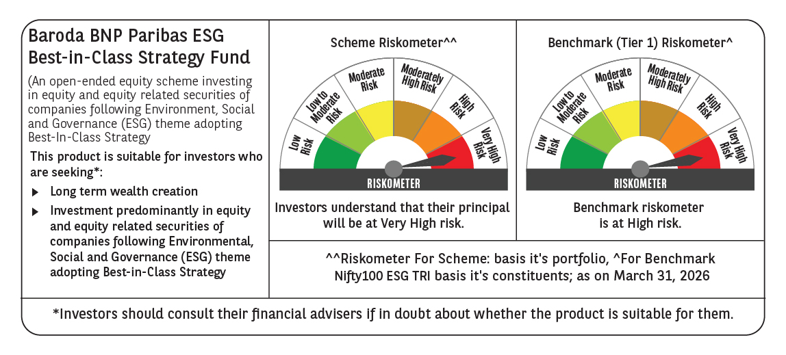

 | Monthly Performance Link: https://www.barodabnpparibasmf.in/assets/download_documents/Performance_of_Schemes-march_2026_17502.pdf

