Monthly Portfolio
 | Baroda BNP Paribas Business Conglomerates Fund

 | Monthly Portfolio Statement as on March 31, 2026
 | Name of the Instrument | ISIN | Industry / Rating | Quantity | Market/Fair Value (Rs. in Lakhs) | % to Net Assets | YTM~ | YTC^ | null
 | Equity & Equity related
 | (a) Listed / awaiting listing on Stock Exchanges
RIND01 | Reliance Industries Limited | INE002A01018 | Petroleum Products | 405,000 | 5,442.80 | 8.75%
LARS02 | Larsen & Toubro Limited | INE018A01030 | Construction | 144,000 | 5,045.90 | 8.11%
MAHI02 | Mahindra & Mahindra Limited | INE101A01026 | Automobiles | 153,000 | 4,520.69 | 7.27%
BAFL03 | Bajaj Finance Limited | INE296A01032 | Finance | 315,000 | 2,524.88 | 4.06%
TWAT02 | Titan Company Limited | INE280A01028 | Consumer Durables | 54,000 | 2,133.76 | 3.43%
TCSL01 | Tata Consultancy Services Limited | INE467B01029 | IT - Software | 81,000 | 1,910.71 | 3.07%
SBAI02 | State Bank of India | INE062A01020 | Banks | 171,000 | 1,674.77 | 2.69%
HZIN02 | Hindustan Zinc Limited | INE267A01025 | Non - Ferrous Metals | 333,000 | 1,672.16 | 2.69%
JVSL04 | JSW Steel Limited | INE019A01038 | Ferrous Metals | 144,000 | 1,616.40 | 2.60%
BALN01 | Bajaj Auto Limited | INE917I01010 | Automobiles | 18,000 | 1,580.67 | 2.54%
TOPH02 | Torrent Pharmaceuticals Limited | INE685A01028 | Pharmaceuticals & Biotechnology | 36,000 | 1,519.27 | 2.44%
TCAL01 | Tata Capital Limited | INE976I01016 | Finance | 486,000 | 1,482.30 | 2.38%
MUND02 | Adani Ports and Special Economic Zone Limited | INE742F01042 | Transport Infrastructure | 108,000 | 1,417.61 | 2.28%
TPOW02 | Tata Power Company Limited | INE245A01021 | Power | 360,000 | 1,363.50 | 2.19%
ULCC01 | UltraTech Cement Limited | INE481G01011 | Cement & Cement Products | 12,600 | 1,353.87 | 2.18%
TEMA02 | Tech Mahindra Limited | INE669C01036 | IT - Software | 89,932 | 1,244.66 | 2.00%
SAEL02 | TVS Motor Company Limited | INE494B01023 | Automobiles | 36,000 | 1,210.97 | 1.95%
ICII01 | Akzo Nobel India Limited | INE133A01011 | Consumer Durables | 42,300 | 1,203.31 | 1.94%
TMLC01 | Tata Motors Ltd | INE1TAE01010 | Agricultural, Commercial & Construction Vehicles | 297,000 | 1,172.56 | 1.89%
IIBL01 | IndusInd Bank Limited | INE095A01012 | Banks | 153,000 | 1,151.25 | 1.85%
ITCL02 | ITC Limited | INE154A01025 | Diversified FMCG | 396,000 | 1,139.29 | 1.83%
COFE03 | Coromandel International Limited | INE169A01031 | Fertilizers & Agrochemicals | 49,500 | 945.35 | 1.52%
LGEL01 | LG Electronics India Ltd | INE324D01010 | Consumer Durables | 63,000 | 907.83 | 1.46%
IHOT02 | The Indian Hotels Company Limited | INE053A01029 | Leisure Services | 153,000 | 873.55 | 1.40%
LTIL01 | LTIMindtree Limited | INE214T01019 | IT - Software | 21,600 | 866.98 | 1.39%
CHEL02 | Zydus Lifesciences Limited | INE010B01027 | Pharmaceuticals & Biotechnology | 99,000 | 862.49 | 1.39%
OIIL01 | Oil India Limited | INE274J01014 | Oil | 180,000 | 855.81 | 1.38%
ISHA01 | Gillette India Limited | INE322A01010 | Personal Products | 10,800 | 783.38 | 1.26%
BFSL02 | Bajaj Finserv Limited | INE918I01026 | Finance | 45,000 | 734.31 | 1.18%
CHOL02 | Cholamandalam Investment and Finance Company Ltd | INE121A01024 | Finance | 54,000 | 731.54 | 1.18%
ICEM01 | The India Cements Limited | INE383A01012 | Cement & Cement Products | 208,791 | 717.82 | 1.15%
CROM02 | CG Power and Industrial Solutions Limited | INE067A01029 | Electrical Equipment | 108,000 | 707.45 | 1.14%
JUFL02 | Jubilant Foodworks Limited | INE797F01020 | Leisure Services | 162,000 | 703.24 | 1.13%
SCHI01 | Sanofi Consumer Healthcare India Limited | INE0UOS01011 | Pharmaceuticals & Biotechnology | 16,200 | 696.31 | 1.12%
JSWC01 | JSW Cement Limited | INE718I01012 | Cement & Cement Products | 630,000 | 694.20 | 1.12%
ZMPL01 | Eternal Limited | INE758T01015 | Retailing | 297,000 | 680.07 | 1.09%
LTFL01 | L&T Finance Limited | INE498L01015 | Finance | 270,000 | 648.54 | 1.04%
ADAN02 | Adani Enterprises Limited | INE423A01024 | Metals & Minerals Trading | 36,000 | 633.17 | 1.02%
ICON01 | Firstsource Solutions Limited | INE684F01012 | Commercial Services & Supplies | 306,000 | 625.43 | 1.01%
TAEL01 | Tata Elxsi Limited | INE670A01012 | IT - Software | 15,300 | 608.42 | 0.98%
ESMC02 | PB Fintech Limited | INE417T01026 | Financial Technology (Fintech) | 40,500 | 578.26 | 0.93%
CALC03 | CESC Limited | INE486A01021 | Power | 360,000 | 540.61 | 0.87%
 | Sub Total |  |  |  | 57,776.09 | 92.90%
 | (b) Unlisted |  |  |  | NIL | NIL
 | Sub Total |  |  |  | NIL | NIL
 | Total |  |  |  | 57,776.09 | 92.90%
 | Derivatives
 | Index / Stock Futures
MCEXAPR26 | Multi Commodity Exchange of India Limited April 2026 Future |  |  | 33,750 | 808.01 | 1.30%
 | Sub Total |  |  |  | 808.01 | 1.30%
 | Total |  |  |  | 808.01 | 1.30%
 | Debt Instruments
 | (a) Listed / awaiting listing on Stock Exchange
GOI6156 | 6.79% Government of India (07/10/2034) | IN0020240126 | Sovereign | 1,500,000 | 1,474.02 | 2.37% | 7.19%
 | Sub Total |  |  |  | 1,474.02 | 2.37%
 | (b) Privately placed / Unlisted |  |  |  | NIL | NIL
 | Sub Total |  |  |  | NIL | NIL
 | Total |  |  |  | 1,474.02 | 2.37%
 | Reverse Repo / TREPS
TRP_020426 | Clearing Corporation of India Ltd |  |  |  | 2,618.45 | 4.21% | 6.64%
 | Sub Total |  |  |  | 2,618.45 | 4.21%
 | (b) Privately placed / Unlisted |  |  |  | NIL | NIL
 | Sub Total |  |  |  | NIL | NIL
 | Total |  |  |  | 2,618.45 | 4.21%
 | Net Receivables / (Payables) |  |  |  | (495.03) | (0.78)%
 | GRAND TOTAL |  |  |  | 62,181.54 | 100.00%

 | ~ YTM as on March 31, 2026
 | ^ YTC represents Yield to Call provided by valuation agencies as on March 31, 2026. It is disclosed for Perpetual Bond issued by Banks (i.e. AT-1 Bond / Tier 1 Bond / Tier 2 Bond), as per AMFI Best Practices Guidelines Circular no. 135/BP/91/2020-21 read with SEBI circular No. SEBI/HO/IMD/DF4/CIR/P/2021/034 on Valuation of AT-1 Bonds and Tier 2 Bonds.
 | Details of Stock Future / Index Future
 | Long/Short | Name of the Instrument | Industry | Quantity. | Market/Fair Value (Rs. in Lacs). | % to NAV.
 | Long | Multi Commodity Exchange of India Limited_28/04/2026 | Capital Markets | 33,750 | 808.01 | 1.30%

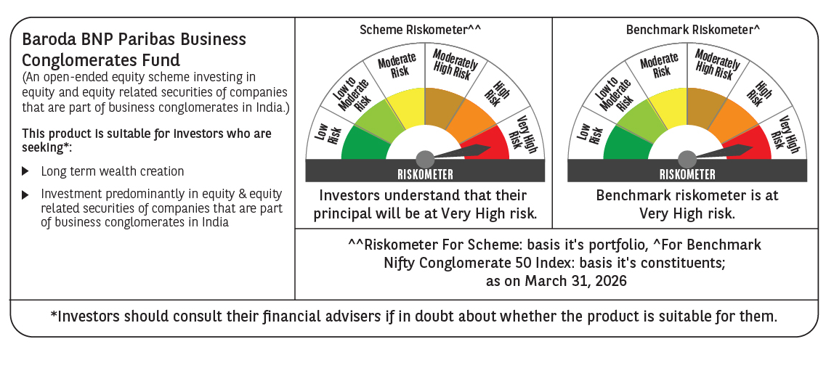

 | Monthly Performance Link: https://www.barodabnpparibasmf.in/assets/download_documents/Performance_of_Schemes-march_2026_17502.pdf

