Monthly Portfolio
 | Baroda BNP Paribas Health and Wellness Fund

 | Monthly Portfolio Statement as on March 31, 2026
 | Name of the Instrument | ISIN | Industry | Quantity | Market/Fair Value (Rs. in Lakhs) | % to Net Assets | YTM~ | YTC^ | null
 | Equity & Equity related
 | (a) Listed / awaiting listing on Stock Exchanges
SPIL03 | Sun Pharmaceutical Industries Limited | INE044A01036 | Pharmaceuticals & Biotechnology | 300,000 | 5,271.60 | 10.23%
LUPL02 | Lupin Limited | INE326A01037 | Pharmaceuticals & Biotechnology | 140,000 | 3,239.46 | 6.29%
BOOT01 | Abbott India Limited | INE358A01014 | Pharmaceuticals & Biotechnology | 11,000 | 2,850.65 | 5.53%
TOPH02 | Torrent Pharmaceuticals Limited | INE685A01028 | Pharmaceuticals & Biotechnology | 65,000 | 2,743.13 | 5.32%
IPCA03 | IPCA Laboratories Limited | INE571A01038 | Pharmaceuticals & Biotechnology | 170,000 | 2,722.04 | 5.28%
LAUR02 | Laurus Labs Limited | INE947Q01028 | Pharmaceuticals & Biotechnology | 230,000 | 2,283.21 | 4.43%
JBCH03 | JB Chemicals & Pharmaceuticals Limited | INE572A01036 | Pharmaceuticals & Biotechnology | 110,000 | 2,270.84 | 4.41%
ASPH02 | AstraZeneca Pharma India Limited | INE203A01020 | Pharmaceuticals & Biotechnology | 26,000 | 2,019.03 | 3.92%
SLIF01 | SBI Life Insurance Company Limited | INE123W01016 | Insurance | 100,000 | 1,777.30 | 3.45%
EMPH02 | Emcure Pharmaceuticals Limited | INE168P01015 | Pharmaceuticals & Biotechnology | 108,535 | 1,731.68 | 3.36%
ADHL01 | Aster DM Healthcare Limited | INE914M01019 | Healthcare Services | 250,000 | 1,675.00 | 3.25%
APOL02 | Apollo Hospitals Enterprise Limited | INE437A01024 | Healthcare Services | 22,500 | 1,669.28 | 3.24%
FRHL01 | Fortis Healthcare Limited | INE061F01013 | Healthcare Services | 200,000 | 1,590.00 | 3.09%
GLAN02 | Gland Pharma Limited | INE068V01023 | Pharmaceuticals & Biotechnology | 90,000 | 1,526.49 | 2.96%
IPLI01 | ICICI Prudential Life Insurance Company Limited | INE726G01019 | Insurance | 290,000 | 1,477.70 | 2.87%
DLPL01 | Dr. Lal Path Labs Limited | INE600L01024 | Healthcare Services | 100,000 | 1,312.10 | 2.55%
AUPH03 | Aurobindo Pharma Limited | INE406A01037 | Pharmaceuticals & Biotechnology | 100,000 | 1,304.40 | 2.53%
MAHE01 | Max Healthcare Institute Limited | INE027H01010 | Healthcare Services | 125,000 | 1,202.88 | 2.33%
RACM01 | Rainbow Childrens Medicare Limited | INE961O01016 | Healthcare Services | 100,000 | 1,163.10 | 2.26%
DIVI02 | Divi's Laboratories Limited | INE361B01024 | Pharmaceuticals & Biotechnology | 16,900 | 1,005.04 | 1.95%
AJPH03 | Ajanta Pharma Limited | INE031B01049 | Pharmaceuticals & Biotechnology | 35,000 | 981.79 | 1.91%
AMIO02 | Acutaas Chemicals Limited | INE00FF01025 | Pharmaceuticals & Biotechnology | 35,000 | 895.51 | 1.74%
MEDP01 | MedPlus Health Services Limited | INE804L01022 | Retailing | 100,000 | 839.90 | 1.63%
DRRL03 | Dr. Reddy's Laboratories Limited | INE089A01031 | Pharmaceuticals & Biotechnology | 65,000 | 815.69 | 1.58%
NHSP02 | Nephrocare Health Services Ltd | INE428V01029 | Healthcare Services | 150,000 | 760.28 | 1.48%
POME02 | Poly Medicure Limited | INE205C01021 | Healthcare Equipment & Supplies | 60,000 | 714.66 | 1.39%
INKN01 | Inventurus Knowledge Solutions Limited | INE115Q01022 | IT - Services | 50,000 | 664.20 | 1.29%
GLPH03 | Glenmark Pharmaceuticals Limited | INE935A01035 | Pharmaceuticals & Biotechnology | 30,000 | 639.51 | 1.24%
MKIP01 | Mankind Pharma Limited | INE634S01028 | Pharmaceuticals & Biotechnology | 30,000 | 601.74 | 1.17%
JLLH01 | Jupiter Life Line Hospitals Limited | INE682M01012 | Healthcare Services | 45,000 | 576.54 | 1.12%
CIPL03 | Cipla Limited | INE059A01026 | Pharmaceuticals & Biotechnology | 45,000 | 550.89 | 1.07%
METR01 | Metropolis Healthcare Limited | INE112L01020 | Healthcare Services | 125,000 | 542.50 | 1.05%
 | Sub Total |  |  |  | 49,418.14 | 95.92%
 | (b) Unlisted |  |  |  | NIL | NIL
 | Sub Total |  |  |  | NIL | NIL
 | Total |  |  |  | 49,418.14 | 95.92%
 | Reverse Repo / TREPS
TRP_020426 | Clearing Corporation of India Ltd |  |  |  | 2,330.22 | 4.52% | 6.64%
 | Sub Total |  |  |  | 2,330.22 | 4.52%
 | Total |  |  |  | 2,330.22 | 4.52%
 | Net Receivables / (Payables) |  |  |  | (229.05) | (0.44)%
 | GRAND TOTAL |  |  |  | 51,519.31 | 100.00%

 | ~ YTM as on March 31, 2026
 | ^ YTC represents Yield to Call provided by valuation agencies as on March 31, 2026. It is disclosed for Perpetual Bond issued by Banks (i.e. AT-1 Bond / Tier 1 Bond / Tier 2 Bond), as per AMFI Best Practices Guidelines Circular no. 135/BP/91/2020-21 read with SEBI circular No. SEBI/HO/IMD/DF4/CIR/P/2021/034 on Valuation of AT-1 Bonds and Tier 2 Bonds.

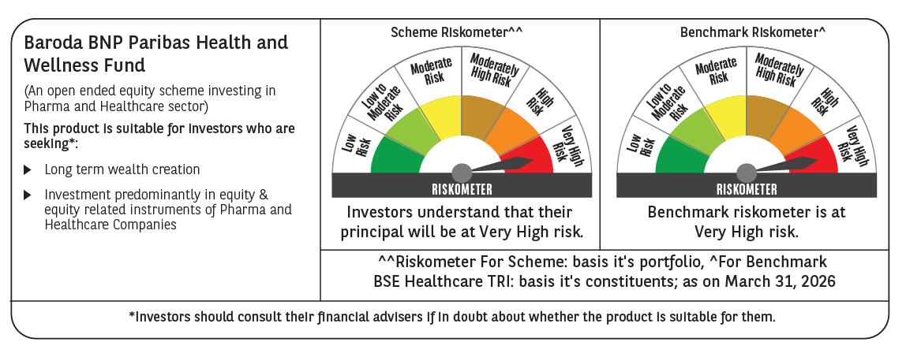

 | Monthly Performance Link: https://www.barodabnpparibasmf.in/assets/download_documents/Performance_of_Schemes-march_2026_17502.pdf

