Monthly Portfolio
 | Baroda BNP Paribas Multi Asset Active FOF

 | Monthly Portfolio Statement as on March 31, 2026
 | Name of the Instrument | ISIN | Industry / Rating | Quantity | Market/Fair Value (Rs. in Lakhs) | % to Net Assets | YTM~ | YTC^ | null
 | Others
 | Exchange Traded Funds
152231 | Baroda BNP Paribas Gold ETF-RG | INF251K01SU9 |  | 1,894,032 | 2,679.11 | 21.89%
 | Sub Total |  |  |  | 2,679.11 | 21.89%
 | Mutual Fund Units
119400 | Baroda BNP Paribas Short Duration Dr Plan Growth | INF955L01BD5 |  | 19,487,347 | 6,404.75 | 52.34%
150187 | Baroda BNP Paribas Large Cap Direct Plan Growth | INF251K01HN7 |  | 936,897 | 2,163.97 | 17.68%
150180 | Baroda BNP Paribas Dynamic Bond Dr Plan Growth | INF251K01GW0 |  | 1,744,500 | 886.63 | 7.25%
150264 | BARODA BNP PARIBAS Focused Fund Dr Pl - Growth | INF251K01PN0 |  | 391,701 | 84.83 | 0.69%
 | Sub Total |  |  |  | 9,540.18 | 77.96%
 | Total |  |  |  | 12,219.29 | 99.85%
 | Reverse Repo / TREPS
TRP_020426 | Clearing Corporation of India Ltd |  |  |  | 107.83 | 0.88% | 6.64%
 | Sub Total |  |  |  | 107.83 | 0.88%
 | Total |  |  |  | 107.83 | 0.88%
 | Net Receivables / (Payables) |  |  |  | (90.86) | (0.73)%
 | GRAND TOTAL |  |  |  | 12,236.26 | 100.00%

 | ~ YTM as on March 31, 2026
 | ^ YTC represents Yield to Call provided by valuation agencies as on March 31, 2026. It is disclosed for Perpetual Bond issued by Banks (i.e. AT-1 Bond / Tier 1 Bond / Tier 2 Bond), as per AMFI Best Practices Guidelines Circular no. 135/BP/91/2020-21 read with SEBI circular No. SEBI/HO/IMD/DF4/CIR/P/2021/034 on Valuation of AT-1 Bonds and Tier 2 Bonds.

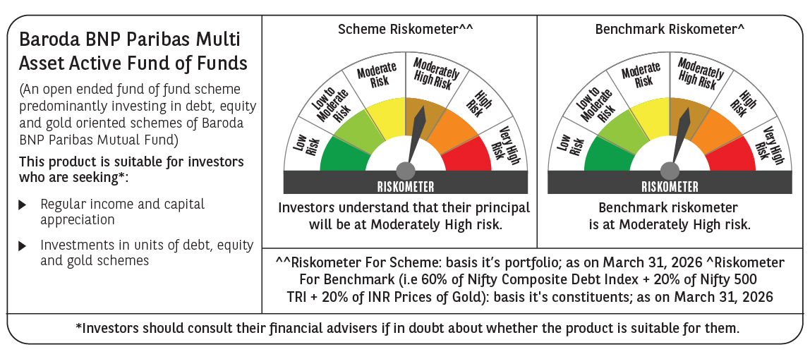

 | Monthly Performance Link: https://www.barodabnpparibasmf.in/assets/download_documents/Performance_of_Schemes-march_2026_17502.pdf

