Monthly Portfolio
 | Baroda BNP Paribas Energy Opportunities Fund

 | Monthly Portfolio Statement as on March 31, 2026
 | Name of the Instrument | ISIN | Industry / Rating | Quantity | Market/Fair Value (Rs. in Lakhs) | % to Net Assets | YTM~ | YTC^ | null
 | Equity & Equity related
 | (a) Listed / awaiting listing on Stock Exchanges
COAL01 | Coal India Limited | INE522F01014 | Consumable Fuels | 1,350,000 | 6,081.08 | 9.50%
RIND01 | Reliance Industries Limited | INE002A01018 | Petroleum Products | 435,000 | 5,845.97 | 9.13%
NTPC01 | NTPC Limited | INE733E01010 | Power | 1,550,000 | 5,745.08 | 8.97%
ONGC02 | Oil & Natural Gas Corporation Limited | INE213A01029 | Oil | 1,650,000 | 4,696.73 | 7.34%
PGCI01 | Power Grid Corporation of India Limited | INE752E01010 | Power | 1,300,000 | 3,849.30 | 6.01%
TPOW02 | Tata Power Company Limited | INE245A01021 | Power | 750,000 | 2,840.63 | 4.44%
NHPC01 | NHPC Limited | INE848E01016 | Power | 3,500,000 | 2,580.20 | 4.03%
OIIL01 | Oil India Limited | INE274J01014 | Oil | 525,000 | 2,496.11 | 3.90%
BHAH02 | Bharat Heavy Electricals Limited | INE257A01026 | Electrical Equipment | 950,000 | 2,332.25 | 3.64%
KCUL02 | Cummins India Limited | INE298A01020 | Industrial Products | 49,525 | 2,228.67 | 3.48%
ABBP01 | Hitachi Energy India Limited | INE07Y701011 | Electrical Equipment | 9,000 | 2,181.15 | 3.41%
GAIL01 | GAIL (India) Limited | INE129A01019 | Gas | 1,100,000 | 1,514.81 | 2.37%
ALLI02 | GE Vernova T&D India Limited | INE200A01026 | Electrical Equipment | 40,576 | 1,477.13 | 2.31%
BOCL01 | Linde India Limited | INE473A01011 | Chemicals & Petrochemicals | 21,000 | 1,437.24 | 2.24%
BPCL01 | Bharat Petroleum Corporation Limited | INE029A01011 | Petroleum Products | 500,000 | 1,405.00 | 2.19%
MREL01 | Chennai Petroleum Corporation Limited | INE178A01016 | Petroleum Products | 140,000 | 1,354.29 | 2.12%
CEES01 | Clean Max Enviro Energy Solutions Limited | INE647U01026 | Power | 175,000 | 1,346.98 | 2.10%
NAYV01 | NLC India Limited | INE589A01014 | Power | 500,000 | 1,343.00 | 2.10%
MARE01 | Mangalore Refinery and Petrochemicals Limited | INE103A01014 | Petroleum Products | 600,000 | 1,079.04 | 1.69%
ULCC01 | UltraTech Cement Limited | INE481G01011 | Cement & Cement Products | 10,000 | 1,074.50 | 1.68%
LARS02 | Larsen & Toubro Limited | INE018A01030 | Construction | 30,000 | 1,051.23 | 1.64%
IOIC01 | Indian Oil Corporation Limited | INE242A01010 | Petroleum Products | 750,000 | 1,015.50 | 1.59%
SIEM02 | Siemens Limited | INE003A01024 | Electrical Equipment | 30,000 | 880.50 | 1.38%
PLNG01 | Petronet LNG Limited | INE347G01014 | Gas | 300,000 | 745.35 | 1.16%
ICEM01 | The India Cements Limited | INE383A01012 | Cement & Cement Products | 210,000 | 721.98 | 1.13%
KSPL02 | KSB Limited | INE999A01023 | Industrial Products | 82,500 | 657.40 | 1.03%
TOPL01 | Torrent Power Limited | INE813H01021 | Power | 50,000 | 652.90 | 1.02%
ASEA02 | ABB India Limited | INE117A01022 | Electrical Equipment | 10,000 | 594.15 | 0.93%
HPEC01 | Hindustan Petroleum Corporation Limited | INE094A01015 | Petroleum Products | 150,000 | 503.10 | 0.79%
GUOL01 | Gulf Oil Lubricants India Limited | INE635Q01029 | Petroleum Products | 34,717 | 308.81 | 0.48%
 | Sub Total |  |  |  | 60,040.08 | 93.80%
 | (b) Unlisted |  |  |  | NIL | NIL
 | Sub Total |  |  |  | NIL | NIL
 | Total |  |  |  | 60,040.08 | 93.80%
 | Money Market Instruments
 | Treasury Bill
TBIL2566 | 364 Days Tbill (MD 17/09/2026) | IN002025Z252 | Sovereign | 1,000,000 | 975.04 | 1.52% | 5.53%
 | Sub Total |  |  |  | 975.04 | 1.52%
 | Total |  |  |  | 975.04 | 1.52%
 | Reverse Repo / TREPS
TRP_020426 | Clearing Corporation of India Ltd |  |  |  | 3,191.38 | 4.98% | 6.64%
 | Sub Total |  |  |  | 3,191.38 | 4.98%
 | Total |  |  |  | 3,191.38 | 4.98%
 | Net Receivables / (Payables) |  |  |  | (177.51) | (0.30)%
 | GRAND TOTAL |  |  |  | 64,028.99 | 100.00%

 | ~ YTM as on March 31, 2026
 | ^ YTC represents Yield to Call provided by valuation agencies as on March 31, 2026. It is disclosed for Perpetual Bond issued by Banks (i.e. AT-1 Bond / Tier 1 Bond / Tier 2 Bond), as per AMFI Best Practices Guidelines Circular no. 135/BP/91/2020-21 read with SEBI circular No. SEBI/HO/IMD/DF4/CIR/P/2021/034 on Valuation of AT-1 Bonds and Tier 2 Bonds.

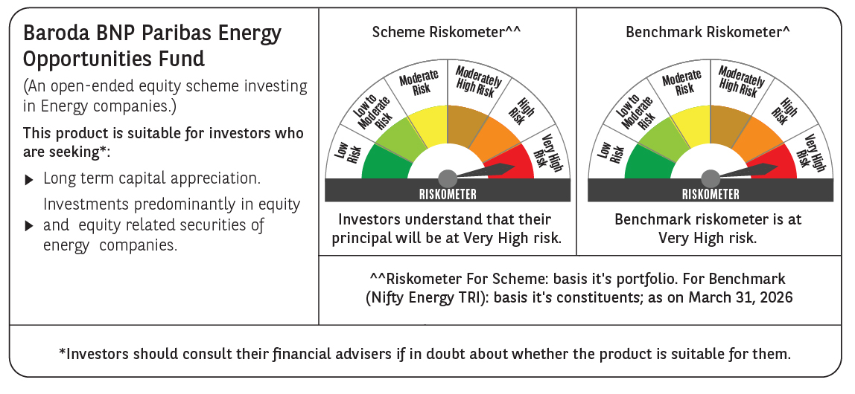

 | Monthly Performance Link: https://www.barodabnpparibasmf.in/assets/download_documents/Performance_of_Schemes-march_2026_17502.pdf

