Monthly Portfolio
 | Baroda BNP Paribas Childrens Fund

 | Monthly Portfolio Statement as on March 31, 2026
 | Name of the Instrument | ISIN | Industry / Rating | Quantity | Market/Fair Value (Rs. in Lakhs) | % to Net Assets | YTM~ | YTC^ | null
 | Equity & Equity related
 | (a) Listed / awaiting listing on Stock Exchanges
HDFB03 | HDFC Bank Limited | INE040A01034 | Banks | 74,000 | 541.35 | 5.23%
RIND01 | Reliance Industries Limited | INE002A01018 | Petroleum Products | 31,500 | 423.33 | 4.09%
BTVL02 | Bharti Airtel Limited | INE397D01024 | Telecom - Services | 22,500 | 401.04 | 3.87%
IBCL05 | ICICI Bank Limited | INE090A01021 | Banks | 30,600 | 369.01 | 3.56%
BHAH02 | Bharat Heavy Electricals Limited | INE257A01026 | Electrical Equipment | 111,448 | 273.60 | 2.64%
TWAT02 | Titan Company Limited | INE280A01028 | Consumer Durables | 6,500 | 256.84 | 2.48%
KAVY06 | Karur Vysya Bank Limited | INE036D01028 | Banks | 87,600 | 253.51 | 2.45%
PRRC03 | Navin Fluorine International Limited | INE048G01026 | Chemicals & Petrochemicals | 4,000 | 246.50 | 2.38%
UTIB02 | Axis Bank Limited | INE238A01034 | Banks | 20,000 | 232.26 | 2.24%
TEMA02 | Tech Mahindra Limited | INE669C01036 | IT - Software | 15,700 | 217.29 | 2.10%
BRIT03 | Britannia Industries Limited | INE216A01030 | Food Products | 3,950 | 214.21 | 2.07%
ABBP01 | Hitachi Energy India Limited | INE07Y701011 | Electrical Equipment | 881 | 213.51 | 2.06%
KCUL02 | Cummins India Limited | INE298A01020 | Industrial Products | 4,708 | 211.86 | 2.05%
MAHI02 | Mahindra & Mahindra Limited | INE101A01026 | Automobiles | 7,000 | 206.83 | 2.00%
BOCL01 | Linde India Limited | INE473A01011 | Chemicals & Petrochemicals | 3,000 | 205.32 | 1.98%
HERO02 | Hero MotoCorp Limited | INE158A01026 | Automobiles | 3,700 | 187.33 | 1.81%
SBAI02 | State Bank of India | INE062A01020 | Banks | 19,000 | 186.09 | 1.80%
NTPC01 | NTPC Limited | INE733E01010 | Power | 50,000 | 185.33 | 1.79%
MAUD01 | Maruti Suzuki India Limited | INE585B01010 | Automobiles | 1,500 | 184.59 | 1.78%
BAFL03 | Bajaj Finance Limited | INE296A01032 | Finance | 23,000 | 184.36 | 1.78%
ZMPL01 | Eternal Limited | INE758T01015 | Retailing | 80,000 | 183.18 | 1.77%
LARS02 | Larsen & Toubro Limited | INE018A01030 | Construction | 5,200 | 182.21 | 1.76%
SAGI01 | Sagility Limited | INE0W2G01015 | IT - Services | 451,000 | 180.17 | 1.74%
MAXI02 | Max Financial Services Limited | INE180A01020 | Insurance | 12,000 | 178.88 | 1.73%
INFS02 | Infosys Limited | INE009A01021 | IT - Software | 14,291 | 178.72 | 1.73%
TRFO01 | Travel Food Services Limited | INE103V01028 | Leisure Services | 14,100 | 177.91 | 1.72%
TOPH02 | Torrent Pharmaceuticals Limited | INE685A01028 | Pharmaceuticals & Biotechnology | 4,000 | 168.81 | 1.63%
HINI02 | Hindalco Industries Limited | INE038A01020 | Non - Ferrous Metals | 19,000 | 168.05 | 1.62%
MCEX02 | Multi Commodity Exchange of India Limited | INE745G01043 | Capital Markets | 7,000 | 167.26 | 1.61%
ULCC01 | UltraTech Cement Limited | INE481G01011 | Cement & Cement Products | 1,500 | 161.18 | 1.56%
TMLC01 | Tata Motors Ltd | INE1TAE01010 | Agricultural, Commercial & Construction Vehicles | 40,000 | 157.92 | 1.52%
FEBA02 | The Federal Bank Limited | INE171A01029 | Banks | 60,000 | 155.64 | 1.50%
USFB01 | Ujjivan Small Finance Bank Limited | INE551W01018 | Banks | 306,255 | 154.69 | 1.49%
PSYL02 | Persistent Systems Limited | INE262H01021 | IT - Software | 3,000 | 146.32 | 1.41%
KOMA03 | Kotak Mahindra Bank Limited | INE237A01036 | Banks | 40,500 | 143.13 | 1.38%
BHEL02 | Bharat Electronics Limited | INE263A01024 | Aerospace & Defense | 35,500 | 142.23 | 1.37%
AFFI02 | Affle 3i Limited | INE00WC01027 | IT - Services | 9,500 | 137.66 | 1.33%
VMML01 | Vishal Mega Mart Limited | INE01EA01019 | Retailing | 128,333 | 135.13 | 1.30%
RAKH02 | Radico Khaitan Limited | INE944F01028 | Beverages | 5,000 | 131.47 | 1.27%
METR01 | Metropolis Healthcare Limited | INE112L01020 | Healthcare Services | 30,000 | 130.20 | 1.26%
RCAM01 | Nippon Life India Asset Management Limited | INE298J01013 | Capital Markets | 16,000 | 128.26 | 1.24%
DIVI02 | Divi's Laboratories Limited | INE361B01024 | Pharmaceuticals & Biotechnology | 2,150 | 127.86 | 1.23%
WIPR02 | Wipro Limited | INE075A01022 | IT - Software | 68,000 | 127.60 | 1.23%
SLIF01 | SBI Life Insurance Company Limited | INE123W01016 | Insurance | 7,000 | 124.41 | 1.20%
SAEL02 | TVS Motor Company Limited | INE494B01023 | Automobiles | 3,675 | 123.62 | 1.19%
ONCO02 | One 97 Communications Limited | INE982J01020 | Financial Technology (Fintech) | 11,000 | 105.49 | 1.02%
SPIL03 | Sun Pharmaceutical Industries Limited | INE044A01036 | Pharmaceuticals & Biotechnology | 6,000 | 105.43 | 1.02%
FRHL01 | Fortis Healthcare Limited | INE061F01013 | Healthcare Services | 13,000 | 103.35 | 1.00%
CHOL02 | Cholamandalam Investment and Finance Company Ltd | INE121A01024 | Finance | 7,309 | 99.02 | 0.96%
AFPL02 | AU Small Finance Bank Limited | INE949L01017 | Banks | 9,500 | 80.06 | 0.77%
KPEL01 | KPIT Technologies Limited | INE04I401011 | IT - Software | 6,000 | 38.09 | 0.37%
HPEC01 | Hindustan Petroleum Corporation Limited | INE094A01015 | Petroleum Products | 10,000 | 33.54 | 0.32%
 | Sub Total |  |  |  | 9,571.65 | 92.41%
 | (b) Unlisted |  |  |  | NIL | NIL
 | Sub Total |  |  |  | NIL | NIL
 | Total |  |  |  | 9,571.65 | 92.41%
 | Debt Instruments
 | (a) Listed / awaiting listing on Stock Exchange
GOI5228 | 7.18% Government of India (14/08/2033) | IN0020230085 | Sovereign | 200,000 | 201.00 | 1.94% | 7.22%
SAEL21PS | 6% TVS Motor Company Limited | INE494B04019 | CARE A1+ | 14,000 | 1.44 | 0.01%
 | Sub Total |  |  |  | 202.44 | 1.95%
 | (b) Privately placed / Unlisted |  |  |  | NIL | NIL
 | Sub Total |  |  |  | NIL | NIL
 | Total |  |  |  | 202.44 | 1.95%
 | Reverse Repo / TREPS
TRP_020426 | Clearing Corporation of India Ltd |  |  |  | 588.18 | 5.68% | 6.64%
 | Sub Total |  |  |  | 588.18 | 5.68%
 | (b) Privately placed / Unlisted |  |  |  | NIL | NIL
 | Sub Total |  |  |  | NIL | NIL
 | Total |  |  |  | 588.18 | 5.68%
 | Net Receivables / (Payables) |  |  |  | (4.64) | (0.04)%
 | GRAND TOTAL |  |  |  | 10,357.63 | 100.00%

 | ~ YTM as on March 31, 2026
 | ^ YTC represents Yield to Call provided by valuation agencies as on March 31, 2026. It is disclosed for Perpetual Bond issued by Banks (i.e. AT-1 Bond / Tier 1 Bond / Tier 2 Bond), as per AMFI Best Practices Guidelines Circular no. 135/BP/91/2020-21 read with SEBI circular No. SEBI/HO/IMD/DF4/CIR/P/2021/034 on Valuation of AT-1 Bonds and Tier 2 Bonds.

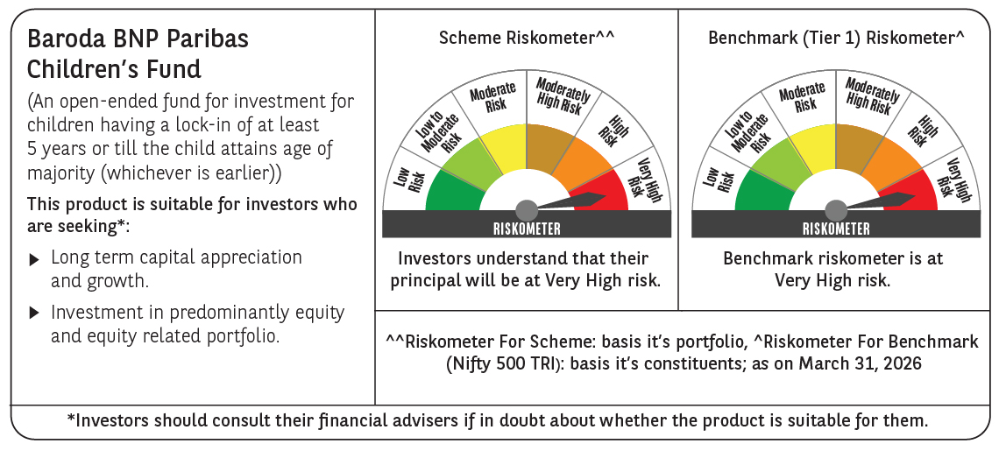

 | Monthly Performance Link: https://www.barodabnpparibasmf.in/assets/download_documents/Performance_of_Schemes-march_2026_17502.pdf

