Monthly Portfolio
 | Baroda BNP Paribas Nifty200 Momentum 30 Index Fund

 | Monthly Portfolio Statement as on March 31, 2026
 | Name of the Instrument | ISIN | Industry | Quantity | Market/Fair Value (Rs. in Lakhs) | % to Net Assets | YTM~ | YTC^ | null
 | Equity & Equity related
 | (a) Listed / awaiting listing on Stock Exchanges
SBAI02 | State Bank of India | INE062A01020 | Banks | 11,694 | 114.53 | 5.76%
HINI02 | Hindalco Industries Limited | INE038A01020 | Non - Ferrous Metals | 12,571 | 111.18 | 5.59%
SHTR02 | Shriram Finance Limited | INE721A01047 | Finance | 12,070 | 105.26 | 5.30%
EIML02 | Eicher Motors Limited | INE066A01021 | Automobiles | 1,535 | 101.10 | 5.09%
BTVL02 | Bharti Airtel Limited | INE397D01024 | Telecom - Services | 5,253 | 93.63 | 4.71%
BAFL03 | Bajaj Finance Limited | INE296A01032 | Finance | 11,473 | 91.96 | 4.63%
SAEL02 | TVS Motor Company Limited | INE494B01023 | Automobiles | 2,699 | 90.79 | 4.57%
ASPA02 | Asian Paints Limited | INE021A01026 | Consumer Durables | 4,107 | 88.92 | 4.47%
BSEL02 | BSE Limited | INE118H01025 | Capital Markets | 3,241 | 86.97 | 4.38%
HERO02 | Hero MotoCorp Limited | INE158A01026 | Automobiles | 1,661 | 84.10 | 4.23%
MAUD01 | Maruti Suzuki India Limited | INE585B01010 | Automobiles | 679 | 83.56 | 4.20%
SLIF01 | SBI Life Insurance Company Limited | INE123W01016 | Insurance | 4,173 | 74.17 | 3.73%
INAV01 | InterGlobe Aviation Limited | INE646L01027 | Transport Services | 1,866 | 73.59 | 3.70%
MUFL01 | Muthoot Finance Limited | INE414G01012 | Finance | 2,088 | 65.98 | 3.32%
KCUL02 | Cummins India Limited | INE298A01020 | Industrial Products | 1,459 | 65.66 | 3.30%
FEBA02 | The Federal Bank Limited | INE171A01029 | Banks | 24,712 | 64.10 | 3.22%
AFPL02 | AU Small Finance Bank Limited | INE949L01017 | Banks | 7,459 | 62.86 | 3.16%
CANB02 | Canara Bank | INE476A01022 | Banks | 40,517 | 50.02 | 2.52%
ASHL02 | Ashok Leyland Limited | INE208A01029 | Agricultural, Commercial & Construction Vehicles | 30,783 | 47.45 | 2.39%
LTFL01 | L&T Finance Limited | INE498L01015 | Finance | 19,527 | 46.90 | 2.36%
ONCO02 | One 97 Communications Limited | INE982J01020 | Financial Technology (Fintech) | 4,548 | 43.62 | 2.19%
MAXI02 | Max Financial Services Limited | INE180A01020 | Insurance | 2,811 | 41.90 | 2.11%
CHOL02 | Cholamandalam Investment and Finance Company Ltd | INE121A01024 | Finance | 3,073 | 41.63 | 2.09%
FRHL01 | Fortis Healthcare Limited | INE061F01013 | Healthcare Services | 5,210 | 41.42 | 2.08%
INBK01 | Indian Bank | INE562A01011 | Banks | 4,793 | 40.53 | 2.04%
FSNE01 | FSN E-Commerce Ventures Limited | INE388Y01029 | Retailing | 17,017 | 39.99 | 2.01%
ABFS01 | Aditya Birla Capital Limited | INE674K01013 | Finance | 13,478 | 39.39 | 1.98%
SECH03 | UPL Limited | INE628A01036 | Fertilizers & Agrochemicals | 5,645 | 32.06 | 1.61%
GMRI03 | GMR Airports Limited | INE776C01039 | Transport Infrastructure | 37,163 | 31.50 | 1.58%
GLPH03 | Glenmark Pharmaceuticals Limited | INE935A01035 | Pharmaceuticals & Biotechnology | 1,395 | 29.74 | 1.50%
 | Sub Total |  |  |  | 1,984.51 | 99.82%
 | (b) Unlisted |  |  |  | NIL | NIL
 | Sub Total |  |  |  | NIL | NIL
 | Total |  |  |  | 1,984.51 | 99.82%
 | Reverse Repo / TREPS
TRP_020426 | Clearing Corporation of India Ltd |  |  |  | 4.79 | 0.24% | 6.64%
 | Sub Total |  |  |  | 4.79 | 0.24%
 | Total |  |  |  | 4.79 | 0.24%
 | Net Receivables / (Payables) |  |  |  | (1.50) | (0.06)%
 | GRAND TOTAL |  |  |  | 1,987.80 | 100.00%

 | ~ YTM as on March 31, 2026
 | ^ YTC represents Yield to Call provided by valuation agencies as on March 31, 2026. It is disclosed for Perpetual Bond issued by Banks (i.e. AT-1 Bond / Tier 1 Bond / Tier 2 Bond), as per AMFI Best Practices Guidelines Circular no. 135/BP/91/2020-21 read with SEBI circular No. SEBI/HO/IMD/DF4/CIR/P/2021/034 on Valuation of AT-1 Bonds and Tier 2 Bonds.

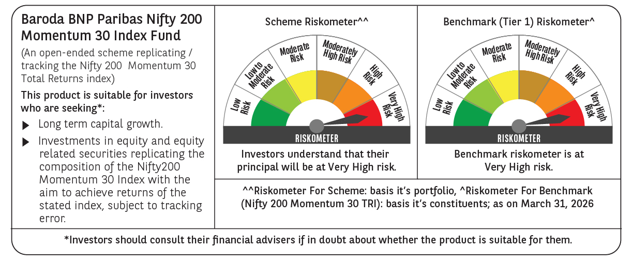

 | Monthly Performance Link: https://www.barodabnpparibasmf.in/assets/download_documents/Performance_of_Schemes-march_2026_17502.pdf

