Monthly Portfolio
 | Baroda BNP Paribas Dividend Yield Fund

 | Monthly Portfolio Statement as on March 31, 2026
 | Name of the Instrument | ISIN | Industry / Rating | Quantity | Market/Fair Value (Rs. in Lakhs) | % to Net Assets | YTM~ | YTC^ | null
 | Equity & Equity related
 | (a) Listed / awaiting listing on Stock Exchanges
RIND01 | Reliance Industries Limited | INE002A01018 | Petroleum Products | 342,000 | 4,596.14 | 7.62%
HDFB03 | HDFC Bank Limited | INE040A01034 | Banks | 450,000 | 3,291.98 | 5.46%
LARS02 | Larsen & Toubro Limited | INE018A01030 | Construction | 76,500 | 2,680.64 | 4.44%
IBCL05 | ICICI Bank Limited | INE090A01021 | Banks | 221,200 | 2,667.45 | 4.42%
JBCH03 | JB Chemicals & Pharmaceuticals Limited | INE572A01036 | Pharmaceuticals & Biotechnology | 108,000 | 2,229.55 | 3.70%
SESA02 | Vedanta Limited | INE205A01025 | Diversified Metals | 315,000 | 2,062.62 | 3.42%
ALLI02 | GE Vernova T&D India Limited | INE200A01026 | Electrical Equipment | 54,000 | 1,965.82 | 3.26%
INFS02 | Infosys Limited | INE009A01021 | IT - Software | 135,000 | 1,688.31 | 2.80%
SPIL03 | Sun Pharmaceutical Industries Limited | INE044A01036 | Pharmaceuticals & Biotechnology | 90,000 | 1,581.48 | 2.62%
HERO02 | Hero MotoCorp Limited | INE158A01026 | Automobiles | 29,700 | 1,503.71 | 2.49%
DIVI02 | Divi's Laboratories Limited | INE361B01024 | Pharmaceuticals & Biotechnology | 24,300 | 1,445.12 | 2.40%
GLAX01 | GlaxoSmithKline Pharmaceuticals Limited | INE159A01016 | Pharmaceuticals & Biotechnology | 63,000 | 1,438.29 | 2.38%
NACL03 | National Aluminium Company Limited | INE139A01034 | Non - Ferrous Metals | 360,000 | 1,389.96 | 2.30%
BHFO02 | Bharat Forge Limited | INE465A01025 | Auto Components | 81,000 | 1,356.43 | 2.25%
OIIL01 | Oil India Limited | INE274J01014 | Oil | 270,000 | 1,283.72 | 2.13%
CANB02 | Canara Bank | INE476A01022 | Banks | 1,035,000 | 1,277.71 | 2.12%
ULCC01 | UltraTech Cement Limited | INE481G01011 | Cement & Cement Products | 11,700 | 1,257.17 | 2.08%
KOMA03 | Kotak Mahindra Bank Limited | INE237A01036 | Banks | 351,400 | 1,241.85 | 2.06%
NEST02 | Nestle India Limited | INE239A01024 | Food Products | 100,000 | 1,174.80 | 1.95%
DRRL03 | Dr. Reddy's Laboratories Limited | INE089A01031 | Pharmaceuticals & Biotechnology | 90,000 | 1,129.41 | 1.87%
MAHE01 | Max Healthcare Institute Limited | INE027H01010 | Healthcare Services | 117,000 | 1,125.89 | 1.87%
TEMA02 | Tech Mahindra Limited | INE669C01036 | IT - Software | 81,000 | 1,121.04 | 1.86%
HYUN01 | Hyundai Motor India Ltd | INE0V6F01027 | Automobiles | 63,000 | 1,120.14 | 1.86%
BAFL03 | Bajaj Finance Limited | INE296A01032 | Finance | 135,000 | 1,082.09 | 1.79%
NHPC01 | NHPC Limited | INE848E01016 | Power | 1,440,000 | 1,061.57 | 1.76%
SBAI02 | State Bank of India | INE062A01020 | Banks | 108,000 | 1,057.75 | 1.75%
RAKH02 | Radico Khaitan Limited | INE944F01028 | Beverages | 39,600 | 1,041.20 | 1.73%
ONGC02 | Oil & Natural Gas Corporation Limited | INE213A01029 | Oil | 360,000 | 1,024.74 | 1.70%
EIML02 | Eicher Motors Limited | INE066A01021 | Automobiles | 15,000 | 987.90 | 1.64%
BRIT03 | Britannia Industries Limited | INE216A01030 | Food Products | 18,000 | 976.14 | 1.62%
TENN01 | Tenneco Clean Air India Limited | INE19RI01016 | Auto Components | 189,000 | 973.54 | 1.61%
IIFM02 | 360 One WAM Limited | INE466L01038 | Capital Markets | 90,000 | 854.64 | 1.42%
ESCO01 | Escorts Kubota Limited | INE042A01014 | Agricultural, Commercial & Construction Vehicles | 30,600 | 838.53 | 1.39%
LGEL01 | LG Electronics India Ltd | INE324D01010 | Consumer Durables | 54,000 | 778.14 | 1.29%
ITCL02 | ITC Limited | INE154A01025 | Diversified FMCG | 270,000 | 776.79 | 1.29%
TCSL01 | Tata Consultancy Services Limited | INE467B01029 | IT - Software | 31,500 | 743.05 | 1.23%
IFEL01 | Oracle Financial Services Software Limited | INE881D01027 | IT - Software | 10,800 | 726.95 | 1.21%
HCLT02 | HCL Technologies Limited | INE860A01027 | IT - Software | 54,000 | 724.46 | 1.20%
SJVN01 | SJVN Limited | INE002L01015 | Power | 1,080,000 | 684.18 | 1.13%
CHOL02 | Cholamandalam Investment and Finance Company Ltd | INE121A01024 | Finance | 49,500 | 670.58 | 1.11%
MOTI02 | Bosch Limited | INE323A01026 | Auto Components | 2,250 | 646.76 | 1.07%
WIPR02 | Wipro Limited | INE075A01022 | IT - Software | 324,000 | 607.95 | 1.01%
ICRA01 | ICRA Limited | INE725G01011 | Capital Markets | 1,681 | 84.10 | 0.14%
 | Sub Total |  |  |  | 56,970.29 | 94.45%
 | (b) Unlisted |  |  |  | NIL | NIL
 | Sub Total |  |  |  | NIL | NIL
 | Total |  |  |  | 56,970.29 | 94.45%
 | Derivatives
 | Index / Stock Futures
MCEXAPR26 | Multi Commodity Exchange of India Limited April 2026 Future |  |  | 33,750 | 808.01 | 1.34%
 | Sub Total |  |  |  | 808.01 | 1.34%
 | Total |  |  |  | 808.01 | 1.34%
 | Money Market Instruments
 | Treasury Bill
TBIL2519 | 364 Days Tbill (MD 11/06/2026) | IN002025Z112 | Sovereign | 1,000,000 | 989.62 | 1.64% | 5.39%
 | Sub Total |  |  |  | 989.62 | 1.64%
 | Total |  |  |  | 989.62 | 1.64%
 | Reverse Repo / TREPS
TRP_020426 | Clearing Corporation of India Ltd |  |  |  | 2,342.57 | 3.88% | 6.64%
 | Sub Total |  |  |  | 2,342.57 | 3.88%
 | Total |  |  |  | 2,342.57 | 3.88%
 | Net Receivables / (Payables) |  |  |  | (789.16) | (1.31)%
 | GRAND TOTAL |  |  |  | 60,321.33 | 100.00%

 | ~ YTM as on March 31, 2026
 | ^ YTC represents Yield to Call provided by valuation agencies as on March 31, 2026. It is disclosed for Perpetual Bond issued by Banks (i.e. AT-1 Bond / Tier 1 Bond / Tier 2 Bond), as per AMFI Best Practices Guidelines Circular no. 135/BP/91/2020-21 read with SEBI circular No. SEBI/HO/IMD/DF4/CIR/P/2021/034 on Valuation of AT-1 Bonds and Tier 2 Bonds.
 | Details of Stock Future / Index Future
 | Long/Short | Name of the Instrument | Industry | Quantity. | Market/Fair Value (Rs. in Lacs). | % to NAV.
 | Long | Multi Commodity Exchange of India Limited_28/04/2026 | Capital Markets | 33,750 | 808.01 | 1.34%

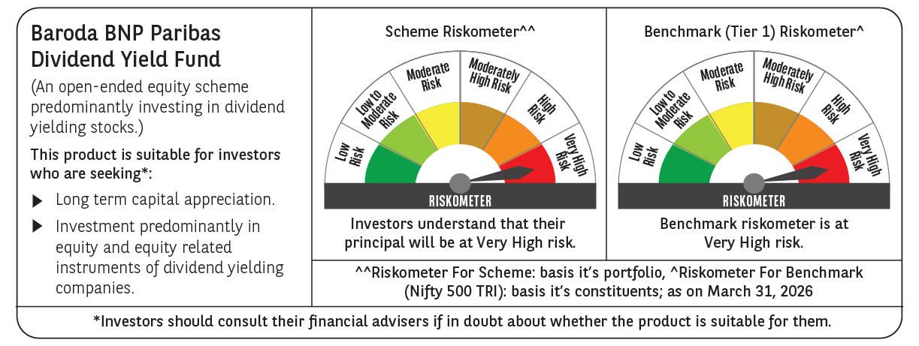

 | Monthly Performance Link: https://www.barodabnpparibasmf.in/assets/download_documents/Performance_of_Schemes-march_2026_17502.pdf

