Monthly Portfolio
 | Baroda BNP Paribas Manufacturing Fund

 | Monthly Portfolio Statement as on March 31, 2026
 | Name of the Instrument | ISIN | Industry / Rating | Quantity | Market/Fair Value (Rs. in Lakhs) | % to Net Assets | YTM~ | YTC^ | null
 | Equity & Equity related
 | (a) Listed / awaiting listing on Stock Exchanges
ABBP01 | Hitachi Energy India Limited | INE07Y701011 | Electrical Equipment | 22,500 | 5,452.88 | 6.78%
DIVI02 | Divi's Laboratories Limited | INE361B01024 | Pharmaceuticals & Biotechnology | 81,000 | 4,817.07 | 5.99%
RIND01 | Reliance Industries Limited | INE002A01018 | Petroleum Products | 344,000 | 4,623.02 | 5.75%
SESA02 | Vedanta Limited | INE205A01025 | Diversified Metals | 612,000 | 4,007.38 | 4.98%
NACL03 | National Aluminium Company Limited | INE139A01034 | Non - Ferrous Metals | 810,000 | 3,127.41 | 3.89%
SPIL03 | Sun Pharmaceutical Industries Limited | INE044A01036 | Pharmaceuticals & Biotechnology | 166,500 | 2,925.74 | 3.64%
MAHI02 | Mahindra & Mahindra Limited | INE101A01026 | Automobiles | 90,000 | 2,659.23 | 3.31%
BHAH02 | Bharat Heavy Electricals Limited | INE257A01026 | Electrical Equipment | 1,080,000 | 2,651.40 | 3.30%
SAEL02 | TVS Motor Company Limited | INE494B01023 | Automobiles | 72,000 | 2,421.94 | 3.01%
BOCL01 | Linde India Limited | INE473A01011 | Chemicals & Petrochemicals | 33,300 | 2,279.05 | 2.83%
MAUD01 | Maruti Suzuki India Limited | INE585B01010 | Automobiles | 18,000 | 2,215.08 | 2.75%
HERO02 | Hero MotoCorp Limited | INE158A01026 | Automobiles | 40,500 | 2,050.52 | 2.55%
JVSL04 | JSW Steel Limited | INE019A01038 | Ferrous Metals | 180,000 | 2,020.50 | 2.51%
ASPH02 | AstraZeneca Pharma India Limited | INE203A01020 | Pharmaceuticals & Biotechnology | 23,400 | 1,817.13 | 2.26%
TMLC01 | Tata Motors Ltd | INE1TAE01010 | Agricultural, Commercial & Construction Vehicles | 450,000 | 1,776.60 | 2.21%
WABT01 | ZF Commercial Vehicle Control Systems India Limited | INE342J01019 | Auto Components | 12,600 | 1,734.77 | 2.16%
ESCO01 | Escorts Kubota Limited | INE042A01014 | Agricultural, Commercial & Construction Vehicles | 63,000 | 1,726.39 | 2.15%
SUMI01 | Sumitomo Chemical India Limited | INE258G01013 | Fertilizers & Agrochemicals | 450,000 | 1,640.03 | 2.04%
KCUL02 | Cummins India Limited | INE298A01020 | Industrial Products | 36,000 | 1,620.04 | 2.01%
BHFO02 | Bharat Forge Limited | INE465A01025 | Auto Components | 90,000 | 1,507.14 | 1.87%
NAYV01 | NLC India Limited | INE589A01014 | Power | 540,000 | 1,450.44 | 1.80%
PRRC03 | Navin Fluorine International Limited | INE048G01026 | Chemicals & Petrochemicals | 23,400 | 1,442.03 | 1.79%
ASEA02 | ABB India Limited | INE117A01022 | Electrical Equipment | 22,500 | 1,336.84 | 1.66%
BHEL02 | Bharat Electronics Limited | INE263A01024 | Aerospace & Defense | 324,000 | 1,298.11 | 1.61%
IPCA03 | IPCA Laboratories Limited | INE571A01038 | Pharmaceuticals & Biotechnology | 81,000 | 1,296.97 | 1.61%
LGEL01 | LG Electronics India Ltd | INE324D01010 | Consumer Durables | 90,000 | 1,296.90 | 1.61%
MOTI02 | Bosch Limited | INE323A01026 | Auto Components | 4,050 | 1,164.17 | 1.45%
SOKO03 | Jtekt India Limited | INE643A01035 | Auto Components | 990,000 | 1,163.75 | 1.45%
OIIL01 | Oil India Limited | INE274J01014 | Oil | 234,000 | 1,112.55 | 1.38%
TENN01 | Tenneco Clean Air India Limited | INE19RI01016 | Auto Components | 207,000 | 1,066.26 | 1.33%
DRRL03 | Dr. Reddy's Laboratories Limited | INE089A01031 | Pharmaceuticals & Biotechnology | 72,000 | 903.53 | 1.12%
BIRM01 | 3M India Limited | INE470A01017 | Diversified | 2,880 | 867.46 | 1.08%
PIDI02 | Pidilite Industries Limited | INE318A01026 | Chemicals & Petrochemicals | 63,000 | 809.55 | 1.01%
ICEM01 | The India Cements Limited | INE383A01012 | Cement & Cement Products | 225,000 | 773.55 | 0.96%
BHAE02 | BEML Limited | INE258A01024 | Agricultural, Commercial & Construction Vehicles | 55,800 | 764.13 | 0.95%
KEWI01 | Kennametal India Limited | INE717A01029 | Industrial Manufacturing | 35,221 | 743.76 | 0.92%
JSWC01 | JSW Cement Limited | INE718I01012 | Cement & Cement Products | 630,000 | 694.20 | 0.86%
PFIZ01 | Pfizer Limited | INE182A01018 | Pharmaceuticals & Biotechnology | 13,500 | 637.27 | 0.79%
HZIN02 | Hindustan Zinc Limited | INE267A01025 | Non - Ferrous Metals | 126,000 | 632.71 | 0.79%
SCDL01 | Sundaram Clayton Limited | INE0Q3R01026 | Auto Components | 35,241 | 420.14 | 0.52%
 | Sub Total |  |  |  | 72,947.64 | 90.68%
 | (b) Unlisted |  |  |  | NIL | NIL
 | Sub Total |  |  |  | NIL | NIL
 | Total |  |  |  | 72,947.64 | 90.68%
 | Derivatives
 | Index / Stock Futures
MCEXAPR26 | Multi Commodity Exchange of India Limited April 2026 Future |  |  | 39,375 | 942.68 | 1.17%
 | Sub Total |  |  |  | 942.68 | 1.17%
 | Total |  |  |  | 942.68 | 1.17%
 | Money Market Instruments
 | Treasury Bill
TBIL2636 | 364 Days Tbill (MD 04/02/2027) | IN002025Z443 | Sovereign | 1,500,000 | 1,431.53 | 1.78% | 5.65%
TBIL2525 | 364 Days Tbill (MD 25/06/2026) | IN002025Z138 | Sovereign | 1,000,000 | 987.60 | 1.23% | 5.39%
 | Sub Total |  |  |  | 2,419.13 | 3.01%
 | Total |  |  |  | 2,419.13 | 3.01%
 | Reverse Repo / TREPS
TRP_020426 | Clearing Corporation of India Ltd |  |  |  | 3,666.49 | 4.56% | 6.64%
 | Sub Total |  |  |  | 3,666.49 | 4.56%
 | Total |  |  |  | 3,666.49 | 4.56%
 | Net Receivables / (Payables) |  |  |  | 454.12 | 0.58%
 | GRAND TOTAL |  |  |  | 80,430.06 | 100.00%

 | ~ YTM as on March 31, 2026
 | ^ YTC represents Yield to Call provided by valuation agencies as on March 31, 2026. It is disclosed for Perpetual Bond issued by Banks (i.e. AT-1 Bond / Tier 1 Bond / Tier 2 Bond), as per AMFI Best Practices Guidelines Circular no. 135/BP/91/2020-21 read with SEBI circular No. SEBI/HO/IMD/DF4/CIR/P/2021/034 on Valuation of AT-1 Bonds and Tier 2 Bonds.
 | Details of Stock Future / Index Future
 | Long/Short | Name of the Instrument | Industry | Quantity. | Market/Fair Value (Rs. in Lacs). | % to NAV.
 | Long | Multi Commodity Exchange of India Limited_28/04/2026 | Capital Markets | 39,375 | 942.68 | 1.17%

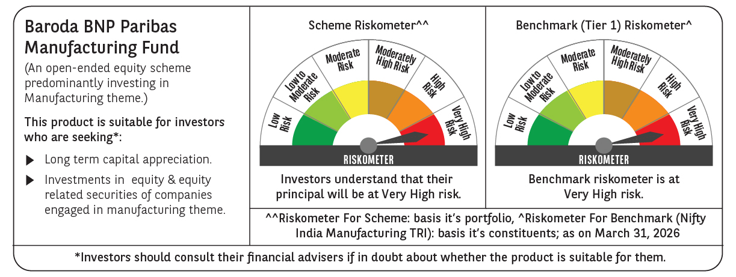

 | Monthly Performance Link: https://www.barodabnpparibasmf.in/assets/download_documents/Performance_of_Schemes-march_2026_17502.pdf

