Monthly Portfolio
 | Baroda BNP Paribas NIFTY BANK ETF

 | Monthly Portfolio Statement as on March 31, 2026
 | Name of the Instrument | ISIN | Industry | Quantity | Market/Fair Value (Rs. in Lakhs) | % to Net Assets | YTM~ | YTC^ | null
 | Equity & Equity related
 | (a) Listed / awaiting listing on Stock Exchanges
HDFB03 | HDFC Bank Limited | INE040A01034 | Banks | 9,048 | 66.19 | 19.07%
IBCL05 | ICICI Bank Limited | INE090A01021 | Banks | 4,004 | 48.28 | 13.91%
SBAI02 | State Bank of India | INE062A01020 | Banks | 3,530 | 34.57 | 9.96%
UTIB02 | Axis Bank Limited | INE238A01034 | Banks | 2,934 | 34.07 | 9.82%
KOMA03 | Kotak Mahindra Bank Limited | INE237A01036 | Banks | 9,463 | 33.44 | 9.64%
FEBA02 | The Federal Bank Limited | INE171A01029 | Banks | 8,139 | 21.11 | 6.08%
IIBL01 | IndusInd Bank Limited | INE095A01012 | Banks | 2,236 | 16.82 | 4.85%
BKBA02 | Bank of Baroda | INE028A01039 | Banks | 6,385 | 15.81 | 4.55%
AFPL02 | AU Small Finance Bank Limited | INE949L01017 | Banks | 1,858 | 15.66 | 4.51%
CANB02 | Canara Bank | INE476A01022 | Banks | 11,643 | 14.37 | 4.14%
IDBK01 | IDFC First Bank Limited | INE092T01019 | Banks | 22,385 | 13.17 | 3.80%
PUBA02 | Punjab National Bank | INE160A01022 | Banks | 11,906 | 11.97 | 3.45%
UNBI01 | Union Bank of India | INE692A01016 | Banks | 6,606 | 10.85 | 3.13%
YESB03 | Yes Bank Limited | INE528G01035 | Banks | 59,320 | 10.23 | 2.95%
 | Sub Total |  |  |  | 346.54 | 99.86%
 | (b) Unlisted |  |  |  | NIL | NIL
 | Sub Total |  |  |  | NIL | NIL
 | Total |  |  |  | 346.54 | 99.86%
 | Reverse Repo / TREPS
TRP_020426 | Clearing Corporation of India Ltd |  |  |  | 0.21 | 0.06% | 6.63%
 | Sub Total |  |  |  | 0.21 | 0.06%
 | Total |  |  |  | 0.21 | 0.06%
 | Net Receivables / (Payables) |  |  |  | 0.33 | 0.08%
 | GRAND TOTAL |  |  |  | 347.08 | 100.00%

 | ~ YTM as on March 31, 2026
 | ^ YTC represents Yield to Call provided by valuation agencies as on March 31, 2026. It is disclosed for Perpetual Bond issued by Banks (i.e. AT-1 Bond / Tier 1 Bond / Tier 2 Bond), as per AMFI Best Practices Guidelines Circular no. 135/BP/91/2020-21 read with SEBI circular No. SEBI/HO/IMD/DF4/CIR/P/2021/034 on Valuation of AT-1 Bonds and Tier 2 Bonds.

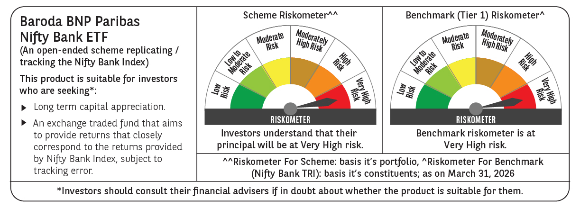

 | Monthly Performance Link: https://www.barodabnpparibasmf.in/assets/download_documents/Performance_of_Schemes-march_2026_17502.pdf

